Graphs
Enumeration (Formula 1)
 | Enumeration (Formula 1) | a*x^b+c (Trendline)
10 | 0.00005 | 0.0042601575681
100 | 0.00634 | 0.0077220862718
200 | 0.03199 | 0.030507128965
300 | 0.09206 | 0.090060596479
400 | 0.20600 | 0.20307441301
500 | 0.39213 | 0.38578780827
600 | 0.64685 | 0.65411504887
700 | 1.03139 | 1.0237172977
800 | 1.50509 | 1.5100488139
900 | 2.13538 | 2.1283891575
 | Better Enumeration (Formula 2) | a*x^b+c (Trendline)
50 | 0.000 | -0.0011924026421
500 | 0.020 | 0.018158361318
1000 | 0.076 | 0.076323117784
1500 | 0.169 | 0.17283008479
2000 | 0.307 | 0.30753525888
2500 | 0.472 | 0.48033841456
3000 | 0.700 | 0.69116245563
3500 | 0.939 | 0.93994468905
4000 | 1.224 | 1.2266322763
4500 | 1.547 | 1.5511795528

 | Divide and Conquer (Formula 3) | a*x*log2(x)+c (Trendline)
1000 | 0.005 | 0.012987348648
10000 | 0.051 | 0.051249648638
20000 | 0.104 | 0.098840297275
30000 | 0.152 | 0.14878091071
40000 | 0.201 | 0.20024759455
50000 | 0.257 | 0.25284905398
60000 | 0.305 | 0.30635482141
70000 | 0.363 | 0.36061261157
80000 | 0.415 | 0.4155141891
90000 | 0.467 | 0.4709786265
Linear-time (Formula 4)
 | Linear-Time (Formula 4) | a*x+c (Trendline)
1000 | 0.000 | 0.0005351
10000 | 0.002 | 0.0022136
20000 | 0.004 | 0.0040786
30000 | 0.006 | 0.0059436
40000 | 0.008 | 0.0078086
50000 | 0.010 | 0.0096736
60000 | 0.012 | 0.0115386
70000 | 0.013 | 0.0134036
80000 | 0.015 | 0.0152686
90000 | 0.017 | 0.0171336

Log Log Plot of Run-time Actuals
 | Enumeration | Better Enumeration | Divide and Conquer | Linear Time
10 | 4.5037269592E-05
50 |  | 0.00022501945496
100 | 0.0063363075256
200 | 0.031994724274
300 | 0.092057299614
400 | 0.20599858761
500 | 0.39213047028 | 0.020301675797
600 | 0.64684751034
700 | 1.031389308
800 | 1.5050943136
900 | 2.1353837967
1000 |  | 0.075506806374 | 0.0046039104462 | 0.00018696784973
1500 |  | 0.16880023479
2000 |  | 0.30731463432
2500 |  | 0.47178587914
3000 |  | 0.69954080582
3500 |  | 0.93908889294
4000 |  | 1.2240486145
4500 |  | 1.5466745138
10000 |  |  | 0.050783252716 | 0.002143907547
20000 |  |  | 0.10426428318 | 0.0040374994278
30000 |  |  | 0.15192449093 | 0.0061240196228
40000 |  |  | 0.20109856129 | 0.0082422971725
50000 |  |  | 0.25694577694 | 0.0096190690994
60000 |  |  | 0.3046025753 | 0.011870455742
70000 |  |  | 0.36274321079 | 0.013424324989
80000 |  |  | 0.41452276707 | 0.01517291069
90000 |  |  | 0.46700825691 | 0.016787362099
Log Log Plot of Best Fit Formulas
 | Enumeration (Trendline) | Divide and Conquer (Trendline) | Linear Time (Trendline) | Better Enumeration (Trendline)
10 | 0.0042601575681
50 |  |  |  | 0.001
100 | 0.0077220862718
200 | 0.030507128965
300 | 0.090060596479
400 | 0.20307441301
500 | 0.38578780827 |  |  | 0.018158361318
600 | 0.65411504887
700 | 1.0237172977
800 | 1.5100488139
900 | 2.1283891575
1000 |  | 0.012987348648 | 0.0005351 | 0.076323117784
1500 |  |  |  | 0.17283008479
2000 |  |  |  | 0.30753525888
2500 |  |  |  | 0.48033841456
3000 |  |  |  | 0.69116245563
3500 |  |  |  | 0.93994468905
4000 |  |  |  | 1.2266322763
4500 |  |  |  | 1.5511795528
10000 |  | 0.051249648638 | 0.0022136
20000 |  | 0.098840297275 | 0.0040786
30000 |  | 0.14878091071 | 0.0059436
40000 |  | 0.20024759455 | 0.0078086
50000 |  | 0.25284905398 | 0.0096736
60000 |  | 0.30635482141 | 0.0115386
70000 |  | 0.36061261157 | 0.0134036
80000 |  | 0.4155141891 | 0.0152686
90000 |  | 0.4709786265 | 0.0171336

results_form1.csv
Formula Used: | 1 |  |  |  |  |  |  |  |  |  |  |  | a*x^b+c
n value | 0 | 1 | 2 | 3 | 4 | 5 | 6 | 7 | 8 | 9 | Average | a*x^b+c (Trendline) | a | 4.987E-09
10 | 0.00005 | 0.00004 | 0.00004 | 0.00004 | 0.00004 | 0.00004 | 0.00004 | 0.00005 | 0.00004 | 0.00004 | 0.00005 | 0.0042601575681 | b | 2.921
100 | 0.00635 | 0.00529 | 0.00493 | 0.00497 | 0.00555 | 0.00771 | 0.00508 | 0.00702 | 0.01035 | 0.00611 | 0.00634 | 0.0077220862718 | c | 0.004256
200 | 0.03521 | 0.03016 | 0.03268 | 0.03292 | 0.03028 | 0.03281 | 0.03361 | 0.02842 | 0.03051 | 0.03333 | 0.03199 | 0.030507128965
300 | 0.09162 | 0.09997 | 0.09404 | 0.09069 | 0.09175 | 0.08477 | 0.09411 | 0.09146 | 0.08716 | 0.09499 | 0.09206 | 0.090060596479
400 | 0.21737 | 0.20290 | 0.20940 | 0.19871 | 0.19601 | 0.20780 | 0.20054 | 0.20184 | 0.22465 | 0.20076 | 0.20600 | 0.20307441301
500 | 0.38866 | 0.38605 | 0.39672 | 0.37602 | 0.38846 | 0.37879 | 0.42038 | 0.37741 | 0.39070 | 0.41809 | 0.39213 | 0.38578780827
600 | 0.66763 | 0.64440 | 0.65512 | 0.64676 | 0.64774 | 0.63948 | 0.64751 | 0.64062 | 0.63773 | 0.64149 | 0.64685 | 0.65411504887 |  | Goal Seek
700 | 1.05922 | 1.03473 | 1.04360 | 1.00552 | 1.01746 | 1.01464 | 1.05550 | 1.03417 | 1.04340 | 1.00566 | 1.03139 | 1.0237172977 |  | n | 6213.3332669
800 | 1.49486 | 1.50194 | 1.54087 | 1.47662 | 1.50054 | 1.53188 | 1.50984 | 1.51841 | 1.49749 | 1.47850 | 1.50509 | 1.5100488139 |  | a*x^b+c (Trendline) | 599.98963462
900 | 2.14351 | 2.22760 | 2.20155 | 2.13230 | 2.14746 | 2.09127 | 2.09732 | 2.09587 | 2.08610 | 2.13088 | 2.13538 | 2.1283891575 |  | Minutes | 9.9998272437

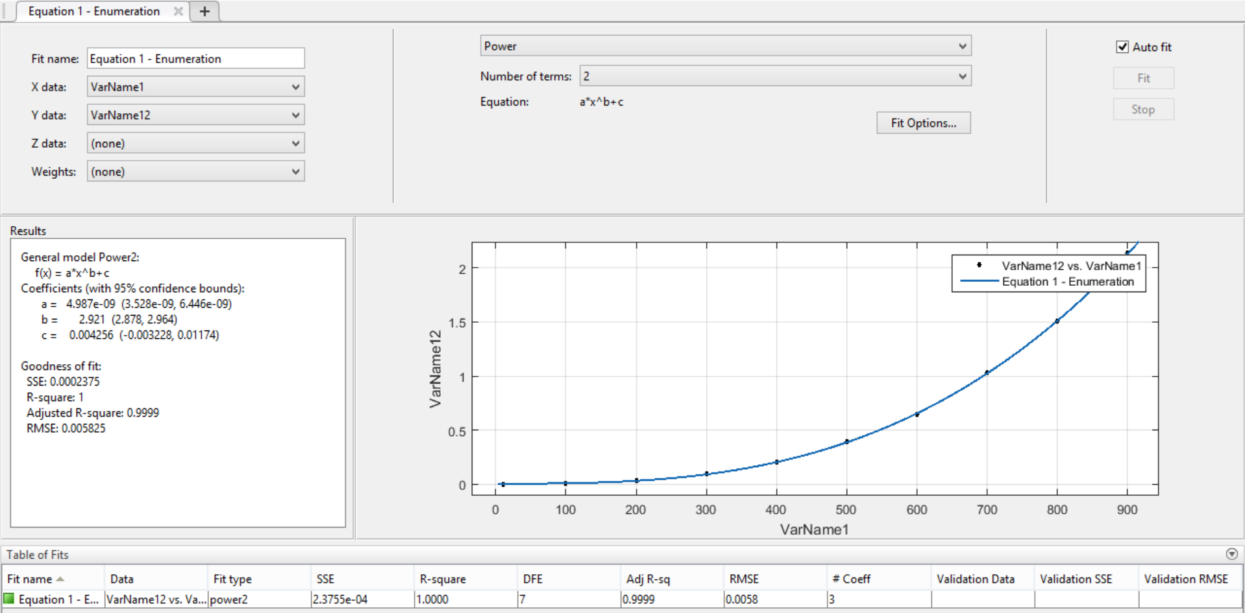
Algorithm 1: Enumeration

results_form2.csv
Formula Used: | 2 |  |  |  |  |  |  |  |  |  |  |  | a*x^b+c
n value | 0 | 1 | 2 | 3 | 4 | 5 | 6 | 7 | 8 | 9 | Average | a*x^b+c (Trendline) | a | 8.27E-08
50 | 0.00022912025452 | 0.00023007392883 | 0.00022101402283 | 0.00022387504578 | 0.00022315979004 | 0.00022387504578 | 0.00022101402283 | 0.00022101402283 | 0.00022292137146 | 0.00023412704468 | 0.000 | -0.0011924026421 | b | 1.991
500 | 0.018229007721 | 0.022690057755 | 0.023967027664 | 0.020298957825 | 0.021770954132 | 0.018384933472 | 0.017663002014 | 0.019526958466 | 0.021334886551 | 0.019150972366 | 0.020 | 0.018158361318 | c | -0.001392
1000 | 0.077996015549 | 0.073343992233 | 0.076581001282 | 0.073759078979 | 0.076050043106 | 0.076865911484 | 0.074395895004 | 0.072405099869 | 0.074110031128 | 0.079560995102 | 0.076 | 0.076323117784
1500 | 0.16831588745 | 0.16712498665 | 0.1633579731 | 0.16418194771 | 0.17094993591 | 0.16960716248 | 0.17406821251 | 0.17293310165 | 0.16144514084 | 0.17601799965 | 0.169 | 0.17283008479
2000 | 0.33218193054 | 0.30414605141 | 0.31927990913 | 0.30615782738 | 0.31457901001 | 0.30199694633 | 0.29618096352 | 0.30514788628 | 0.30402588844 | 0.28944993019 | 0.307 | 0.30753525888
2500 | 0.45518016815 | 0.45177292824 | 0.4496409893 | 0.45266890526 | 0.45656108856 | 0.49373698235 | 0.46523284912 | 0.51458978653 | 0.48932003975 | 0.48915505409 | 0.472 | 0.48033841456
3000 | 0.68838095665 | 0.72954583168 | 0.67729902267 | 0.69644618034 | 0.69585895538 | 0.69207310677 | 0.6863451004 | 0.70670294762 | 0.7135219574 | 0.70923399925 | 0.700 | 0.69116245563 |  | Goal Seek
3500 | 0.92929315567 | 0.93234395981 | 0.94874405861 | 0.94233512878 | 0.93572306633 | 0.90988683701 | 0.93335795403 | 0.96816587448 | 0.94285392761 | 0.94818496704 | 0.939 | 0.93994468905 |  | n | 89662.039392
4000 | 1.2380299568 | 1.2354459763 | 1.225880146 | 1.2274599075 | 1.1997010708 | 1.2244632244 | 1.2249391079 | 1.2113537788 | 1.2233490944 | 1.2298638821 | 1.224 | 1.2266322763 |  | a*x^b+c (Trendline) | 599.99585496
4500 | 1.5358710289 | 1.5310890675 | 1.5386009216 | 1.5235280991 | 1.5236840248 | 1.5658650398 | 1.5521528721 | 1.5770530701 | 1.5457220078 | 1.5731790066 | 1.547 | 1.5511795528 |  | Minutes | 9.999930916

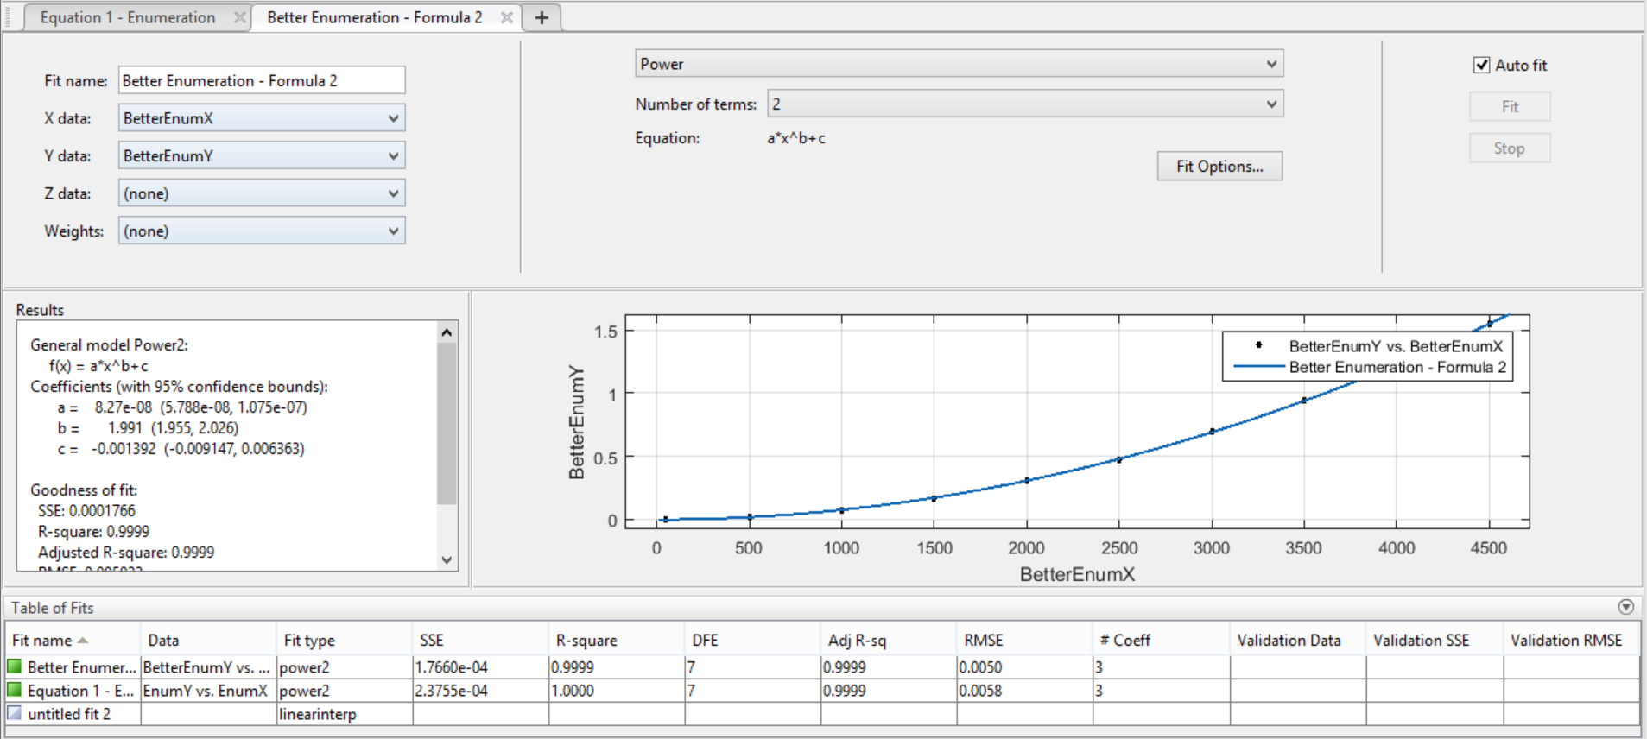
Algorithm 2: Better Enumeration

results_form3.csv
Formula Used: | 3 |  |  |  |  |  |  |  |  |  |  |  | a*x*log(x)+c
n value | 0 | 1 | 2 | 3 | 4 | 5 | 6 | 7 | 8 | 9 | Average | a*x*log2(x)+c (Trendline) | a | 3.113E-07
1000 | 0.0038900375366 | 0.0050480365753 | 0.0037798881531 | 0.0038650035858 | 0.0048539638519 | 0.0039241313934 | 0.0048940181732 | 0.0051920413971 | 0.0041010379791 | 0.006490945816 | 0.005 | 0.012987348648 | c | 0.009885
10000 | 0.057025194168 | 0.052410125732 | 0.05303311348 | 0.048552036285 | 0.050045013428 | 0.048545122147 | 0.046803951263 | 0.050765991211 | 0.050727128983 | 0.049924850464 | 0.051 | 0.051249648638
20000 | 0.10122203827 | 0.10717391968 | 0.10709404945 | 0.10200691223 | 0.10736513138 | 0.10358095169 | 0.10253286362 | 0.10297608376 | 0.10696291924 | 0.10172796249 | 0.104 | 0.098840297275
30000 | 0.15223002434 | 0.1534318924 | 0.14842104912 | 0.15249085426 | 0.15304112434 | 0.15764904022 | 0.14884901047 | 0.15145993233 | 0.15316700935 | 0.14850497246 | 0.152 | 0.14878091071
40000 | 0.19969105721 | 0.20409083366 | 0.21117305756 | 0.20974397659 | 0.19611096382 | 0.19927787781 | 0.19386196136 | 0.19738984108 | 0.20120215416 | 0.19844388962 | 0.201 | 0.20024759455
50000 | 0.25899600983 | 0.24893188477 | 0.2614839077 | 0.25537204742 | 0.24611902237 | 0.25047302246 | 0.26285290718 | 0.27130699158 | 0.26373696327 | 0.25018501282 | 0.257 | 0.25284905398
60000 | 0.29998993874 | 0.30283093452 | 0.30226802826 | 0.30732584 | 0.31161689758 | 0.29632616043 | 0.30992603302 | 0.30628204346 | 0.30918908119 | 0.30027079582 | 0.305 | 0.30635482141 |  | Goal Seek
70000 | 0.36869907379 | 0.35395002365 | 0.36170101166 | 0.36261200905 | 0.36066699028 | 0.36420106888 | 0.37411594391 | 0.35491299629 | 0.36548089981 | 0.36109209061 | 0.363 | 0.36061261157 |  | n | 73739741.641
80000 | 0.42321300507 | 0.40317893028 | 0.40363001823 | 0.40815591812 | 0.41588997841 | 0.42000889778 | 0.42086100578 | 0.42416286469 | 0.41297411919 | 0.41315293312 | 0.415 | 0.4155141891 |  | a*x*log2(x)+c (Trendline) | 599.96511092
90000 | 0.45145201683 | 0.46397089958 | 0.479377985 | 0.47656679153 | 0.46516084671 | 0.47428202629 | 0.47632408142 | 0.46599793434 | 0.46039295197 | 0.45655703545 | 0.467 | 0.4709786265 |  | Minutes | 9.9994185154

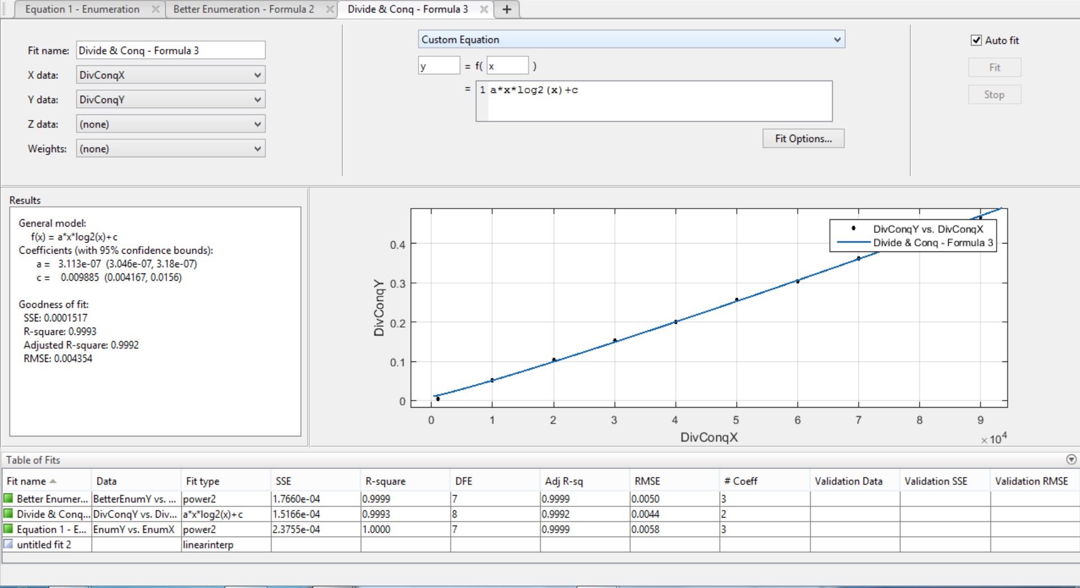
Algorithm 3: Divide and Conquer

results_form4.csv
Formula Used: | 4 |  |  |  |  |  |  |  |  |  |  |  | a*x+c
n Value | 0 | 1 | 2 | 3 | 4 | 5 | 6 | 7 | 8 | 9 | Average | a*x+c (Trendline) | a | 1.865E-07
1000 | 0.00020885467529 | 0.00020503997803 | 0.00020980834961 | 0.00019788742065 | 0.00019502639771 | 0.00017118453979 | 0.0001699924469 | 0.00017309188843 | 0.00016784667969 | 0.00017094612122 | 0.000 | 0.0005351 | c | 0.0003486
10000 | 0.0033531188965 | 0.0021789073944 | 0.0020079612732 | 0.0020129680634 | 0.0020899772644 | 0.0019788742065 | 0.0021052360535 | 0.0017058849335 | 0.0021810531616 | 0.001825094223 | 0.002 | 0.0022136
20000 | 0.0040318965912 | 0.0038590431213 | 0.0034160614014 | 0.0042300224304 | 0.0053248405457 | 0.0035021305084 | 0.0049080848694 | 0.0037930011749 | 0.003448009491 | 0.0038619041443 | 0.004 | 0.0040786
30000 | 0.0070190429688 | 0.0052561759949 | 0.0056688785553 | 0.0060350894928 | 0.0067191123962 | 0.005646944046 | 0.0054211616516 | 0.0078358650208 | 0.0054860115051 | 0.0061519145966 | 0.006 | 0.0059436
40000 | 0.0073339939117 | 0.0068271160126 | 0.009045124054 | 0.00932097435 | 0.0072388648987 | 0.008152961731 | 0.0094270706177 | 0.0088679790497 | 0.0071969032288 | 0.0090119838715 | 0.008 | 0.0078086
50000 | 0.0099139213562 | 0.0085809230804 | 0.010490179062 | 0.0096249580383 | 0.0099589824677 | 0.0085339546204 | 0.0088820457458 | 0.0099658966064 | 0.0096809864044 | 0.010558843613 | 0.010 | 0.0096736
60000 | 0.010752916336 | 0.01114487648 | 0.0127389431 | 0.011940002441 | 0.012259960175 | 0.012465953827 | 0.012303829193 | 0.010763168335 | 0.012117862701 | 0.01221704483 | 0.012 | 0.0115386 |  | Goal Seek
70000 | 0.01208114624 | 0.013185977936 | 0.012970924377 | 0.015465021133 | 0.012778997421 | 0.013646125793 | 0.01423406601 | 0.013854026794 | 0.01223897934 | 0.013787984848 | 0.013 | 0.0134036 |  | n | 3217156307.8
80000 | 0.013991117477 | 0.014503955841 | 0.014185905457 | 0.014427185059 | 0.016346931458 | 0.017846107483 | 0.01668214798 | 0.014862775803 | 0.013659000397 | 0.01522397995 | 0.015 | 0.0152686 |  | a*x+c (Trendline) | 600
90000 | 0.017665147781 | 0.015460014343 | 0.016388893127 | 0.016517877579 | 0.019301176071 | 0.016492128372 | 0.018221139908 | 0.016265153885 | 0.015516996384 | 0.016045093536 | 0.017 | 0.0171336 |  | Minutes | 10
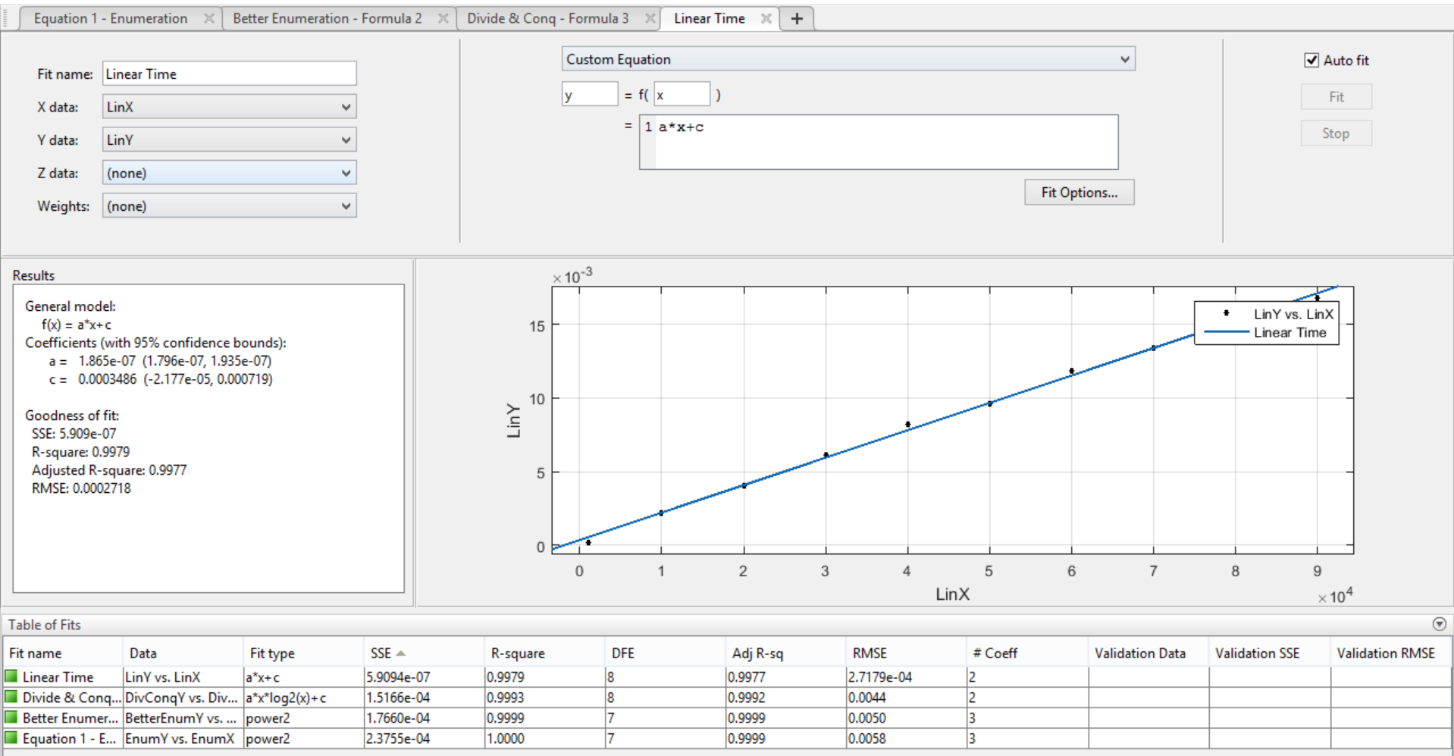

Algorithm 4: Linear-time

log-log
Log-Log Plot
Algorithm 1 |  | Algorithm 2 |  | Algorithm 3 |  | Algorithm 4
n | runtime | n | runtime | n | runtime | n | runtime
10 | 0.00005 | 50 | 0.00023 | 1000 | 0.00460 | 1000 | 0.00019
100 | 0.00634 | 500 | 0.02030 | 10000 | 0.05078 | 10000 | 0.00214
200 | 0.03199 | 1000 | 0.07551 | 20000 | 0.10426 | 20000 | 0.00404
300 | 0.09206 | 1500 | 0.16880 | 30000 | 0.15192 | 30000 | 0.00612
400 | 0.20600 | 2000 | 0.30731 | 40000 | 0.20110 | 40000 | 0.00824
500 | 0.39213 | 2500 | 0.47179 | 50000 | 0.25695 | 50000 | 0.00962
600 | 0.64685 | 3000 | 0.69954 | 60000 | 0.30460 | 60000 | 0.01187
700 | 1.03139 | 3500 | 0.93909 | 70000 | 0.36274 | 70000 | 0.01342
800 | 1.50509 | 4000 | 1.22405 | 80000 | 0.41452 | 80000 | 0.01517
900 | 2.13538 | 4500 | 1.54667 | 90000 | 0.46701 | 90000 | 0.01679

log n | log runtime | log n | log runtime | log n | log runtime | log n | log runtime
1 | -4.3464279467 | 1.6989700043 | -3.6477799316 | 3 | -2.3368731327 | 3 | -3.7282330666
2 | -2.1981637529 | 2.6989700043 | -1.6924681119 | 4 | -1.2942794856 | 4 | -2.6687939469
2.3010299957 | -1.4949216282 | 3 | -1.1220138982 | 4.3010299957 | -0.98186443821 | 4.3010299957 | -2.3938875262
2.4771212547 | -1.0359417687 | 3.1760912591 | -0.77262695362 | 4.4771212547 | -0.81837221022 | 4.4771212547 | -2.2129634264
2.6020599913 | -0.68613575728 | 3.3010299957 | -0.51241675815 | 4.6020599913 | -0.69659103645 | 4.6020599913 | -2.0839517312
2.6989700043 | -0.40656940978 | 3.3979400087 | -0.32625506198 | 4.6989700043 | -0.59015851581 | 4.6989700043 | -2.0168669555
2.7781512504 | -0.18919808908 | 3.4771212547 | -0.15518694704 | 4.7781512504 | -0.51626642919 | 4.7781512504 | -1.9255326069
2.84509804 | 0.013422624927 | 3.5440680444 | -0.027293296036 | 4.84509804 | -0.4404007072 | 4.84509804 | -1.8721075426
2.903089987 | 0.17756371495 | 3.6020599913 | 0.087798666658 | 4.903089987 | -0.38245161146 | 4.903089987 | -1.8189310985
2.9542425094 | 0.32947594297 | 3.6532125138 | 0.18939892926 | 4.9542425094 | -0.33067544085 | 4.9542425094 | -1.7750175419

