Hoja1
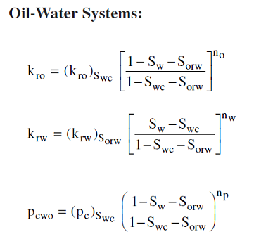
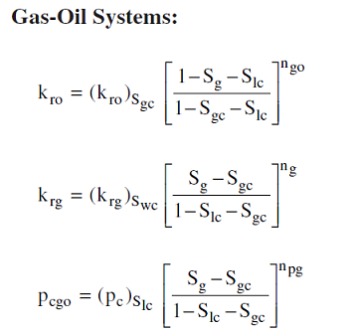
Swi | 0.2 |  | nw | 2
Sor | 0.35 |  | no | 1.4
kromax | 0.85 |  | np | 3
krwmax | 0.4
Pcmax | 20

Sw | Krw | Kro | Pc
0.2 | 0.000 | 0.850 | 20.00
0.29 | 0.016 | 0.622 | 10.24
0.38 | 0.064 | 0.416 | 4.32
0.47 | 0.144 | 0.236 | 1.28
0.56 | 0.256 | 0.089 | 0.16
0.65 | 0.400 | 0.000 | 0.00

kromax | 0.6 |  | ngo | 1.6
krgmax | 0.95 |  | ng | 2
Sorg | 0.23 |  | npg | 3
Sgc | 0.05
Pcmaxgo | 30

Sg | Krg | kro | Pc
0.05 | 0.000 | 0.600 | 0.000
0.15 | 0.038 | 0.420 | 0.240
0.26 | 0.152 | 0.265 | 1.920
0.36 | 0.342 | 0.138 | 6.480
0.47 | 0.608 | 0.046 | 15.360
0.57 | 0.950 | 0.000 | 30.000

