Dr_Calc
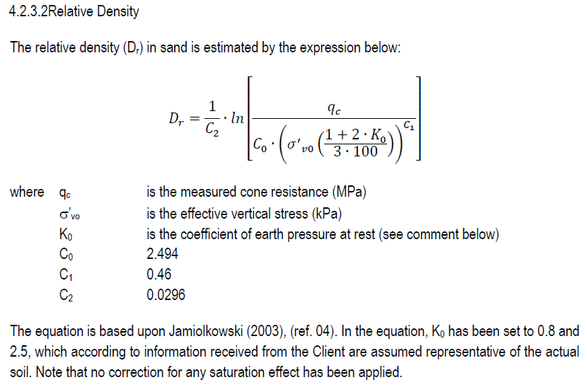
...
 | Dr GEO k0=0.8 |  | Dr GEO k0=2.5 |  | Dr (K0=0.5) |  | Dr (K0=0.8) |  | Dr (K0=1) |  | Dr (K0=1) |  | Dr (K0=2.5)
-77.875536004 | 0.02 | -90.871282326 | 0.02 | -58.518275395 | 0.02 | -63.08502539 | 0.02 | -65.575859188 | 0.02 | -65.575859188 | 0.02 | -77.640878371 | 0.02
-28.923542762 | 0.04 | -41.919289084 | 0.04 | -10.247912223 | 0.04 | -14.814662219 | 0.04 | -17.305496016 | 0.04 | -17.305496016 | 0.04 | -29.3705152 | 0.04
-9.0944186778 | 0.06 | -22.090165 | 0.06 | 9.0923204562 | 0.06 | 4.5255704603 | 0.06 | 2.0347366632 | 0.06 | 2.0347366632 | 0.06 | -10.030282521 | 0.06
5.3587600728 | 0.08 | -7.6369862492 | 0.08 | 23.202558934 | 0.08 | 18.635808938 | 0.08 | 16.144975141 |  | 16.144975141 | 0.08 | 4.079955957 | 0.08
11.450437767 | 0.1 | -1.5453085551 | 0.1 | 28.975817711 | 0.1 | 24.409067715 | 0.1 | 21.918233918 |  |  | 0.1 | 9.8532147345 | 0.1
14.620164598 | 0.12 | 1.6244182759 | 0.12 | 31.866870147 | 0.12 | 27.300120151 | 0.12 |  |  |  |  | 12.74426717 | 0.12
17.062954363 | 0.14 | 4.0672080406 | 0.14 | 34.071615643 | 0.14 | 29.504865647 | 0.14 |  |  |  |  | 14.949012666 | 0.14
19.273698879 | 0.16 | 6.2779525565 | 0.16 | 36.077126498 | 0.16 | 31.510376502 | 0.16 |  |  |  |  | 16.954523521 | 0.16
20.756600378 | 0.18 | 7.7608540561 | 0.18 | 37.374216348 | 0.18 | 32.807466352 | 0.18 |  |  |  |  | 18.251613371 | 0.18
22.499371543 | 0.2 | 9.5036252208 | 0.2 | 38.955035484 | 0.2 | 34.388285488 | 0.2 |  |  |  |  | 19.832432507 | 0.2
23.8677419 | 0.22 | 10.871995578 | 0.22 | 40.174771101 | 0.22 | 35.608021106 | 0.22 |  |  |  |  | 21.052168125 | 0.22
25.329054317 | 0.24 | 12.333307995 | 0.24 | 41.502562183 | 0.24 | 36.935812187 | 0.24 |  |  |  |  | 22.379959206 | 0.24
27.158518259 | 0.26 | 14.162771937 | 0.26 | 43.214166186 | 0.26 | 38.64741619 | 0.26 |  |  |  |  | 24.091563209 | 0.26
30.408241361 | 0.28 | 17.412495039 | 0.28 | 46.370698787 | 0.28 | 41.803948791 | 0.28 |  |  |  |  | 27.24809581 | 0.28
32.95157158 | 0.3 | 19.955825258 | 0.3 | 48.822334654 | 0.3 | 44.255584658 | 0.3 |  |  |  |  | 29.699731677 | 0.3
34.667192256 | 0.32 | 21.671445934 | 0.32 | 50.445387418 | 0.32 | 45.878637422 | 0.32 |  |  |  |  | 31.322784441 | 0.32
35.66494314 | 0.34 | 22.669196818 | 0.34 | 51.349899194 | 0.34 | 46.783149198 | 0.34 |  |  |  |  | 32.227296217 | 0.34
36.828597231 | 0.36 | 23.832850909 | 0.36 | 52.427927877 | 0.36 | 47.861177881 | 0.36 |  |  |  |  | 33.3053249 | 0.36
38.357931891 | 0.38 | 25.362185569 | 0.38 | 53.880656372 | 0.38 | 49.313906376 | 0.38 |  |  |  |  | 34.758053395 | 0.38
41.074182156 | 0.4 | 28.078435834 | 0.4 | 56.537186854 | 0.4 | 51.970436858 | 0.4 |  |  |  |  | 37.414583877 | 0.4
44.452429013 | 0.42 | 31.456682691 | 0.42 | 59.866763603 | 0.42 | 55.300013607 | 0.42 |  |  |  |  | 40.744160626 | 0.42
48.722380594 | 0.44 | 35.726634272 | 0.44 | 64.101049133 | 0.44 | 59.534299137 | 0.44 |  |  |  |  | 44.978446156 | 0.44
53.504738763 | 0.46 | 40.508992441 | 0.46 | 68.856517175 | 0.46 | 64.28976718 | 0.46 |  |  |  |  | 49.733914199 | 0.46
56.325416678 | 0.48 | 43.329670356 | 0.48 | 71.633448424 | 0.48 | 67.066698428 | 0.48 |  |  |  |  | 52.510845447 | 0.48
57.720977625 | 0.5 | 44.725231303 | 0.5 | 72.973636284 | 0.5 | 68.406886289 | 0.5 |  |  |  |  | 53.851033308 | 0.5
58.779880731 | 0.52 | 45.784134409 | 0.52 | 73.976451857 | 0.52 | 69.409701861 | 0.52 |  |  |  |  | 54.85384888 | 0.52
60.450495144 | 0.54 | 47.454748821 | 0.54 | 75.599768246 | 0.54 | 71.03301825 | 0.54 |  |  |  |  | 56.477165269 | 0.54
61.696835591 | 0.56 | 48.701089269 | 0.56 | 76.796809032 | 0.56 | 72.230059036 | 0.56 |  |  |  |  | 57.674206056 | 0.56
62.598853799 | 0.58 | 49.603107477 | 0.58 | 77.648180123 | 0.58 | 73.081430127 | 0.58 |  |  |  |  | 58.525577146 | 0.58
63.387751713 | 0.6 | 50.392005391 | 0.6 | 78.387303013 | 0.6 | 73.820553017 | 0.6 |  |  |  |  | 59.264700036 | 0.6
64.18532719 | 0.62 | 51.189580868 | 0.62 | 79.137089463 | 0.62 | 74.570339467 | 0.62 |  |  |  |  | 60.014486486 | 0.62
64.819638261 | 0.64 | 51.823891939 | 0.64 | 79.723716521 | 0.64 | 75.156966525 | 0.64 |  |  |  |  | 60.601113544 | 0.64
65.495077807 | 0.66 | 52.499331485 | 0.66 | 80.353560467 | 0.66 | 75.786810471 | 0.66 |  |  |  |  | 61.23095749 | 0.66
66.300569346 | 0.68 | 53.304823024 | 0.68 | 81.116355736 | 0.68 | 76.54960574 | 0.68 |  |  |  |  | 61.993752759 | 0.68
67.086327045 | 0.7 | 54.090580723 | 0.7 | 81.860691949 | 0.7 | 77.293941953 | 0.7 |  |  |  |  | 62.738088972 | 0.7
67.955001903 | 0.72 | 54.959255581 | 0.72 | 82.69018792 | 0.72 | 78.123437925 | 0.72 |  |  |  |  | 63.567584944 | 0.72
68.7921058 | 0.74 | 55.796359478 | 0.74 | 83.489106918 | 0.74 | 78.922356923 | 0.74 |  |  |  |  | 64.366503942 | 0.74
69.701062588 | 0.76 | 56.705316266 | 0.76 | 84.361861477 | 0.76 | 79.795111481 | 0.76 |  |  |  |  | 65.2392585 | 0.76
70.863385893 | 0.78 | 57.867639571 | 0.78 | 85.491758935 | 0.78 | 80.925008939 | 0.78 |  |  |  |  | 66.369155958 | 0.78
72.238112188 | 0.8 | 59.242365866 | 0.8 | 86.837356475 | 0.8 | 82.270606479 | 0.8 |  |  |  |  | 67.714753498 | 0.8
73.448388695 | 0.82 | 60.452642373 | 0.82 | 88.017887327 | 0.82 | 83.451137331 | 0.82 |  |  |  |  | 68.89528435 | 0.82
74.291560622 | 0.84 | 61.2958143 | 0.84 | 88.828570313 | 0.84 | 84.261820317 | 0.84 |  |  |  |  | 69.705967336 | 0.84
74.456558439 | 0.86 | 61.460812117 | 0.86 | 88.955103094 | 0.86 | 84.388353099 | 0.86 |  |  |  |  | 69.832500118 | 0.86
74.294280021 | 0.88 | 61.298533699 | 0.88 | 88.751931863 | 0.88 | 84.185181867 | 0.88 |  |  |  |  | 69.629328886 | 0.88
74.470192496 | 0.9 | 61.474446174 | 0.9 | 88.891295906 | 0.9 | 84.32454591 | 0.9 |  |  |  |  | 69.768692929 | 0.9
74.969697569 | 0.92 | 61.973951247 | 0.92 | 89.358408699 | 0.92 | 84.791658703 | 0.92 |  |  |  |  | 70.235805722 | 0.92
75.558085551 | 0.94 | 62.562339229 | 0.94 | 89.916121122 | 0.94 | 85.349371126 | 0.94 |  |  |  |  | 70.793518145 | 0.94
76.019182564 | 0.96 | 63.023436242 | 0.96 | 90.346011946 | 0.96 | 85.77926195 | 0.96 |  |  |  |  | 71.223408969 | 0.96
76.393084186 | 0.98 | 63.397337864 | 0.98 | 90.688555416 | 0.98 | 86.12180542 | 0.98 |  |  |  |  | 71.565952439 | 0.98
76.985820587 | 1 | 63.990074265 | 1 | 91.25288518 | 1 | 86.686135184 | 1 |  |  |  |  | 72.130282203 | 1
...
...

