Sheet1
Image | Model No. | Brand | MRP | Offer
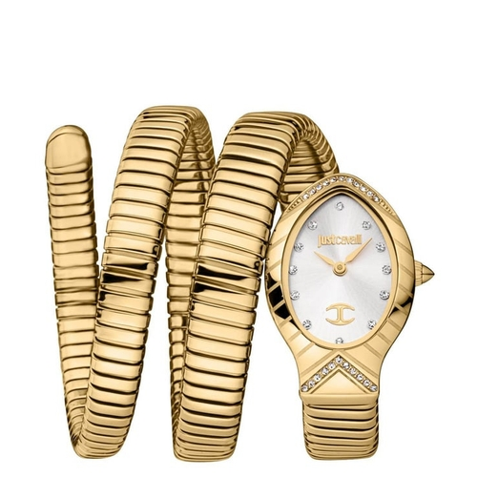 | JC1L248M0025 | Just Cavalli | 24900 | No Offer
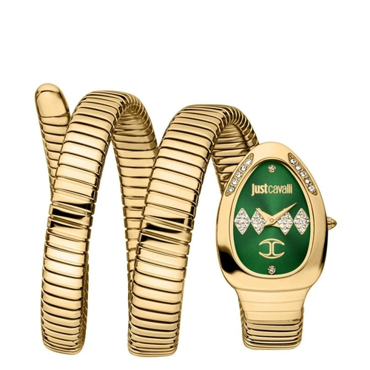 | JC1L230M0045 | Just Cavalli | 25500 | No Offer
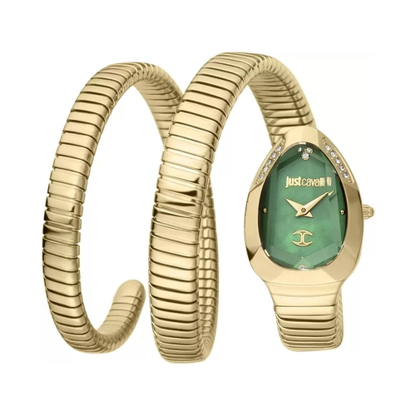 | JC1L209M0045 | Just Cavalli | 23600 | No Offer
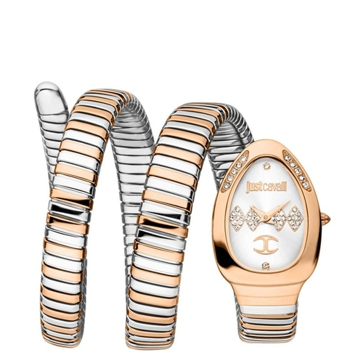 | JC1L230M0075 | Just Cavalli | 25800 | No Offer
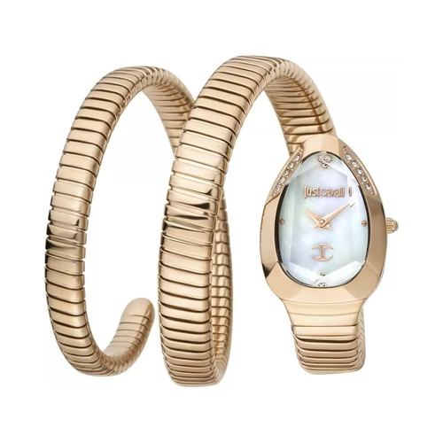 | JC1L209M0055 | Just Cavalli | 24900 | No Offer
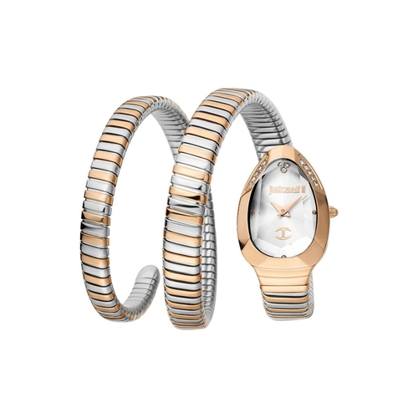 | JC1L209M0075 | Just Cavalli | 23600 | No Offer
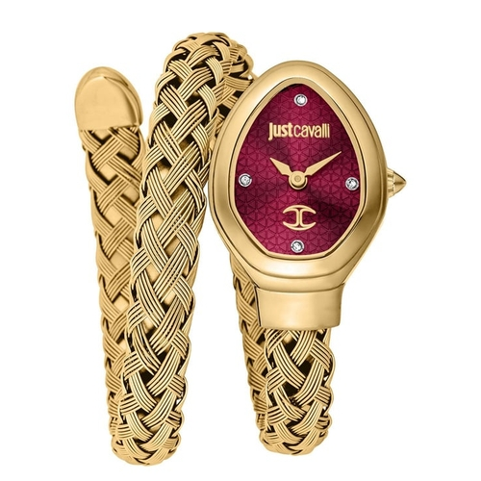 | JC1L264M0035 | Just Cavalli | 22750 | No Offer
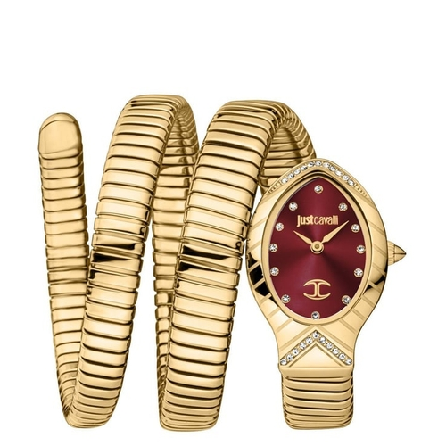 | JC1L248M0035 | Just Cavalli | 25200 | No Offer
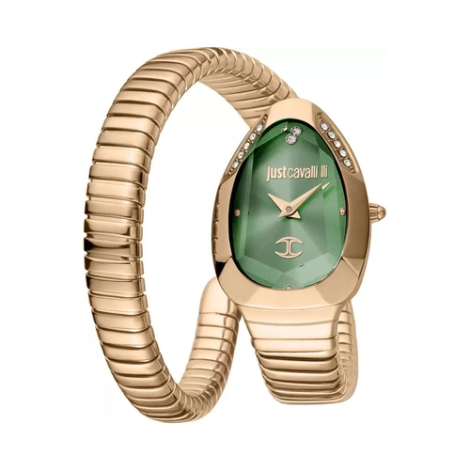 | JC1L208M0055 | Just Cavalli | 19900 | No Offer
 | JC1L230M0065 | Just Cavalli | 25500 | No Offer
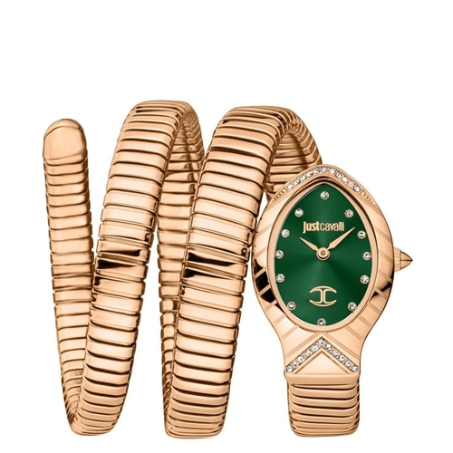 | JC1L248M0045 | Just Cavalli | 25400 | No Offer
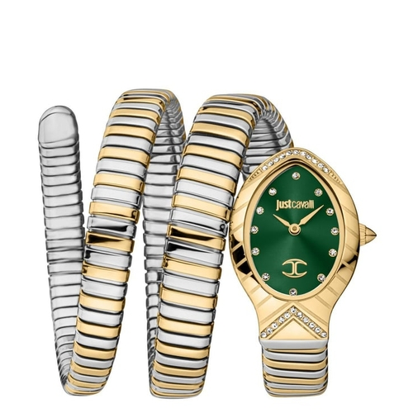 | JC1L248M0065 | Just Cavalli | 25200 | No Offer
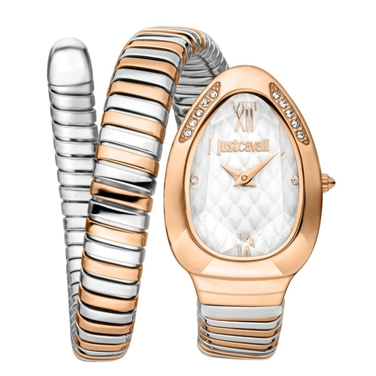 | JC1L223M0065 | Just Cavalli | 20900 | No Offer
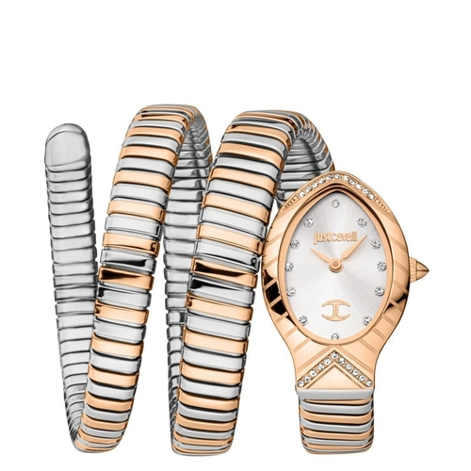 | JC1L248M0075 | Just Cavalli | 25200 | No Offer
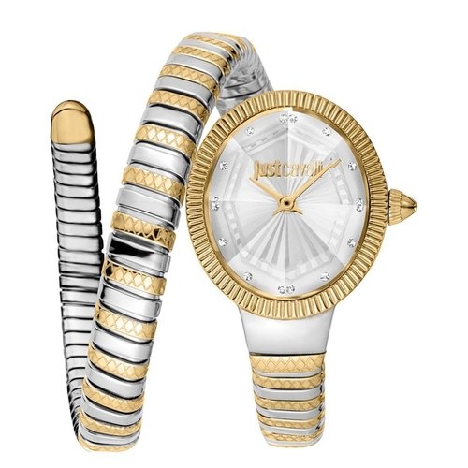 | JC1L268M0055 | Just Cavalli | 22500 | No Offer
 | JC1L248M0055 | Just Cavalli | 25200 | No Offer
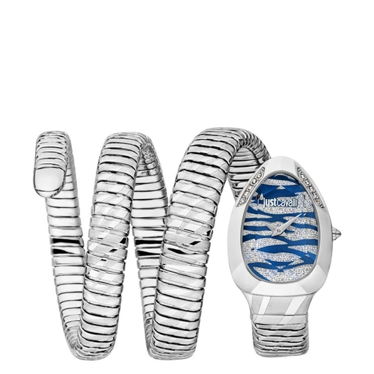 | JC1L226M0015 | Just Cavalli | 23500 | No Offer
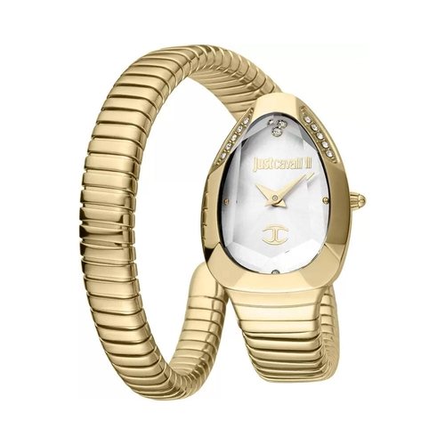 | JC1L208M0035 | Just Cavalli | 18900 | No Offer
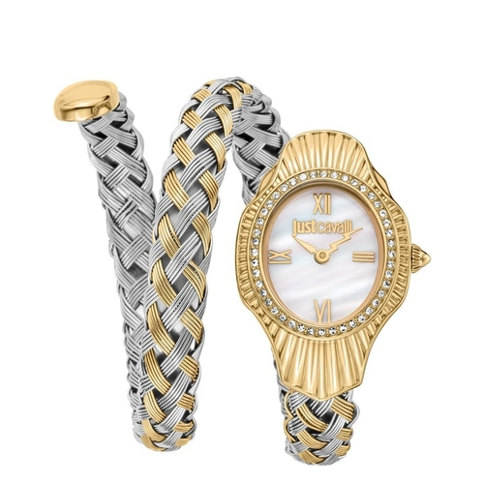 | JC1L305M0055 | Just Cavalli | 23250 | No Offer
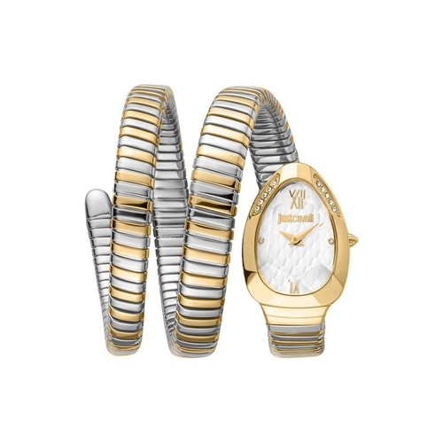 | JC1L224M0065 | Just Cavalli | 24900 | No Offer
 | JC1L224M0075 | Just Cavalli | 24900 | No Offer
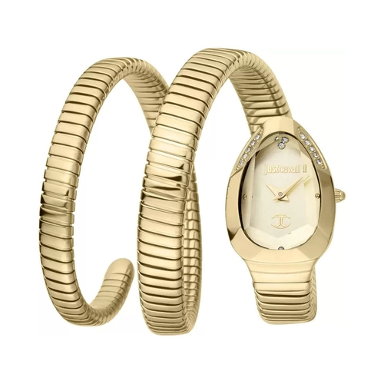 | JC1L209M0035 | Just Cavalli | 23600 | No Offer
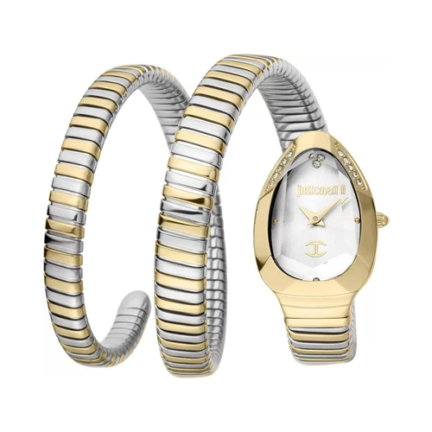 | JC1L209M0065 | Just Cavalli | 23600 | No Offer
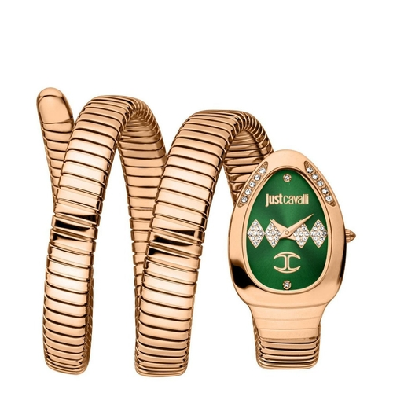 | JC1L230M0055 | Just Cavalli | 25800 | No Offer
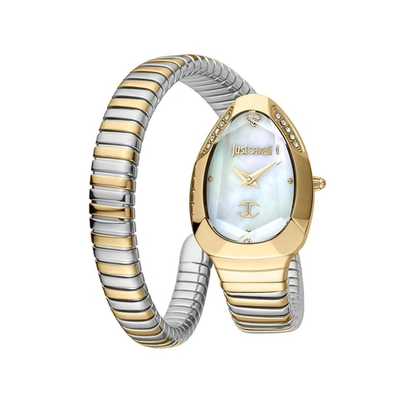 | JC1L208M0065 | Just Cavalli | 19700 | No Offer
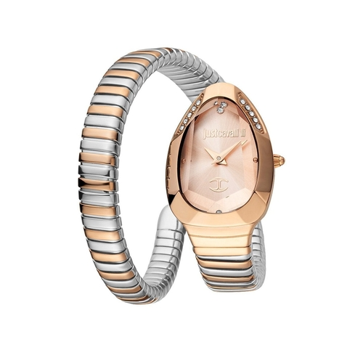 | JC1L208M0075 | Just Cavalli | 19700 | No Offer
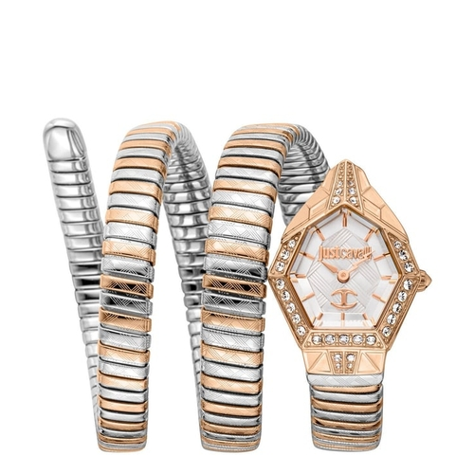 | JC1L304M0075 | Just Cavalli | 29250 | No Offer
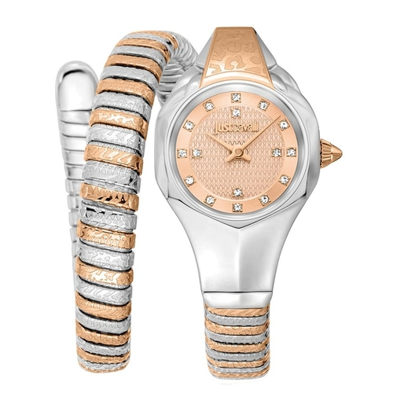 | JC1L270M0065 | Just Cavalli | 22750 | No Offer
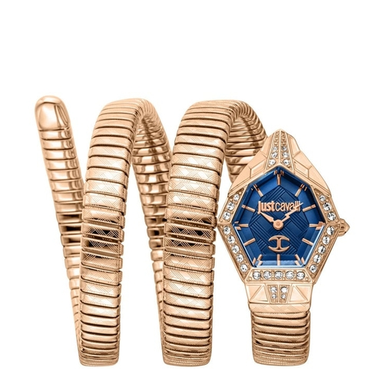 | JC1L304M0045 | Just Cavalli | 29250 | No Offer
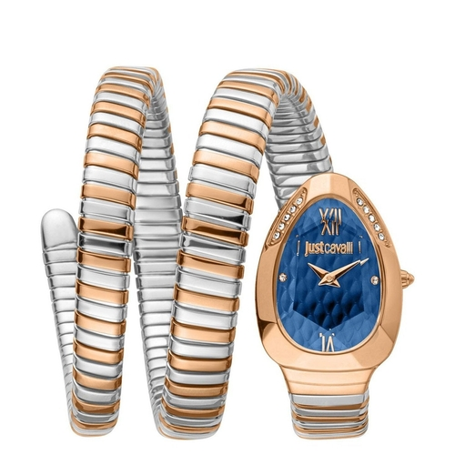 | JC1L224M0095 | Just Cavalli | 25200 | No Offer
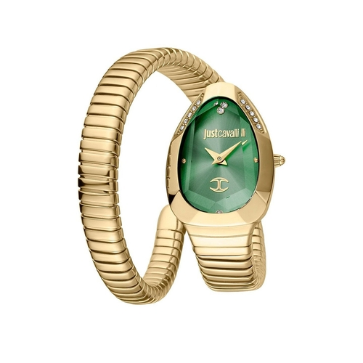 | JC1L208M0045 | Just Cavalli | 18900 | No Offer
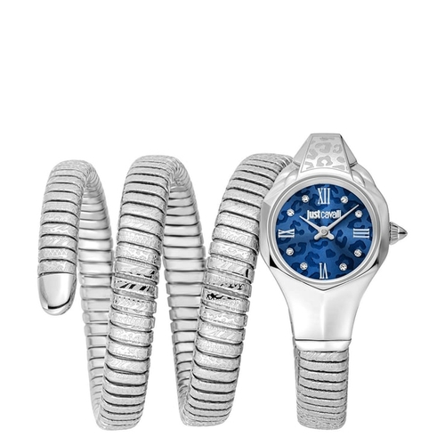 | JC1L271M0015 | Just Cavalli | 23250 | No Offer
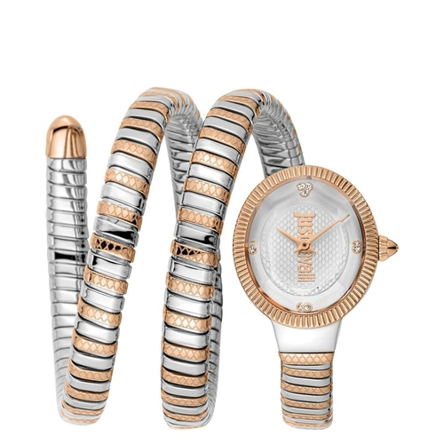 | JC1L269M0065 | Just Cavalli | 26750 | No Offer
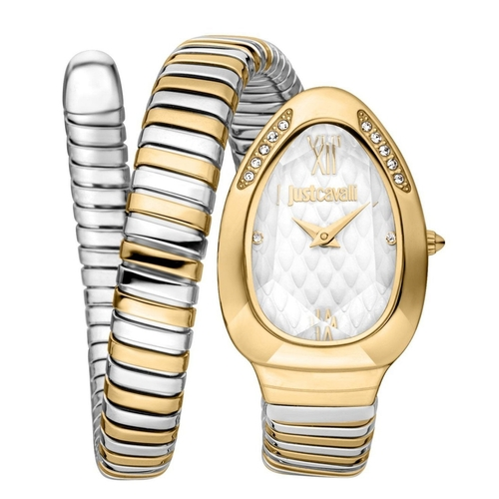 | JC1L223M0055 | Just Cavalli | 20500 | No Offer
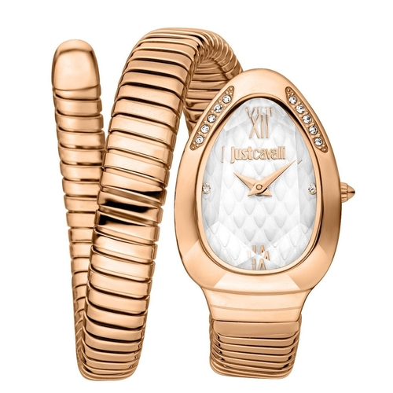 | JC1L223M0045 | Just Cavalli | 20100 | No Offer
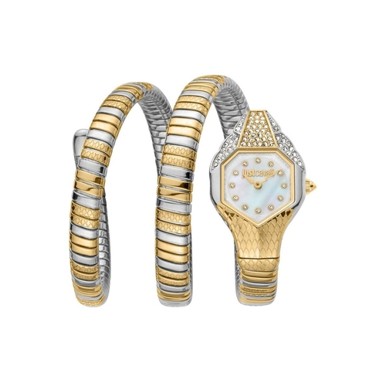 | JC1L193M0055 | Just Cavalli | 24800 | No Offer
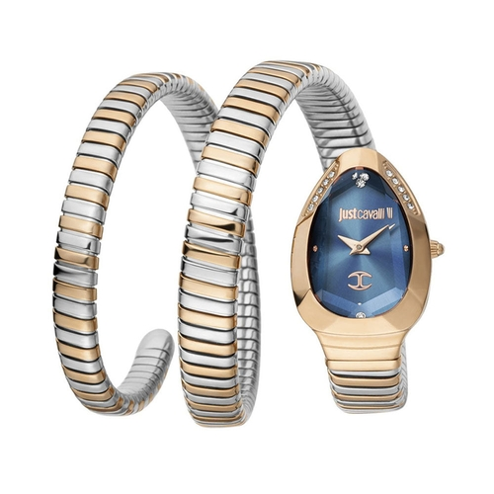 | JC1L209M0085 | Just Cavalli | 23900 | No Offer
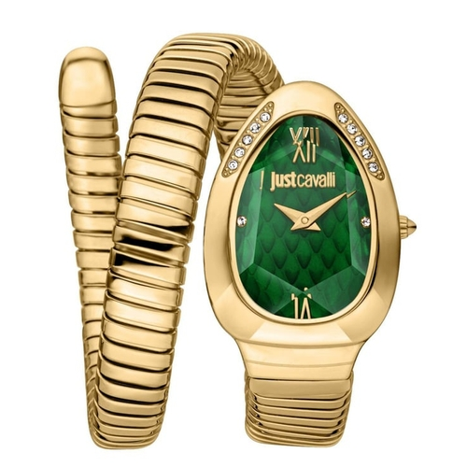 | JC1L223M0035 | Just Cavalli | 19900 | No Offer
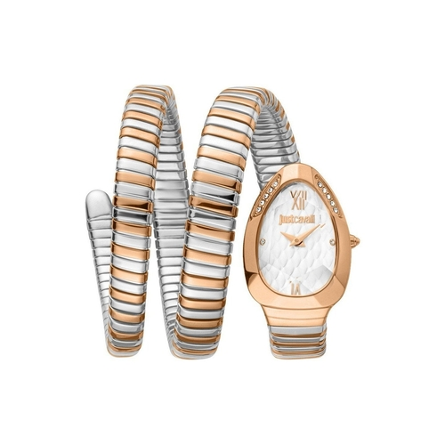 | JC1L224M0085 | Just Cavalli | 25200 | No Offer

