Sheet1
Image | Model No. | Brand | MRP
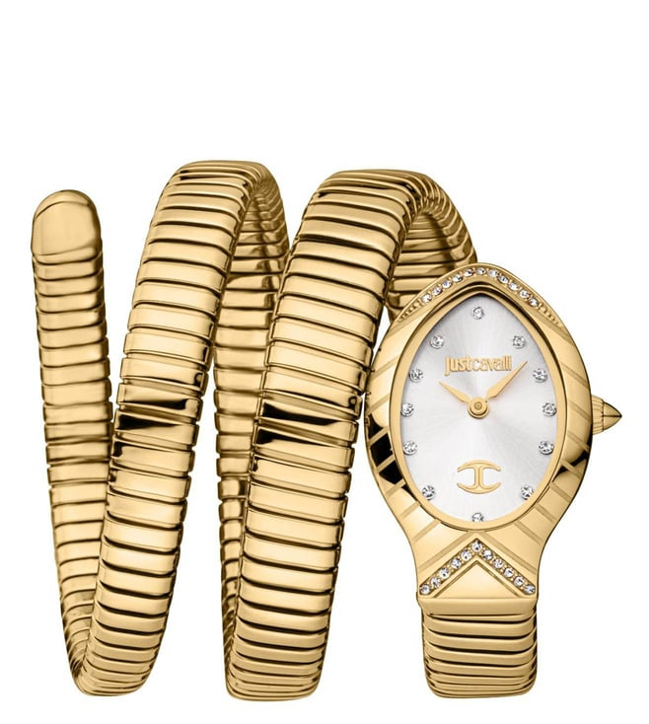 | JC1L248M0025 | Just Cavalli | 24900
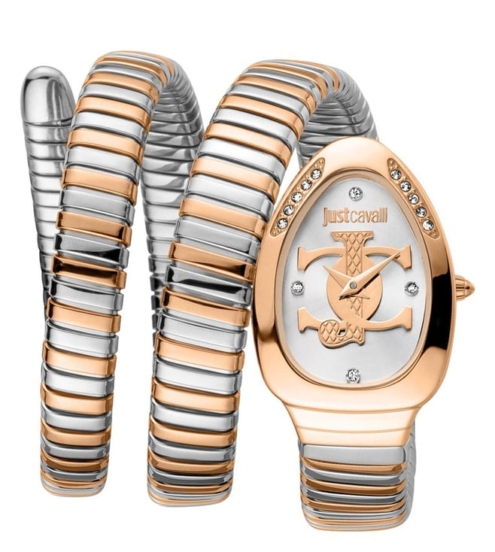 | JC1L228M0085 | Just Cavalli | 24900
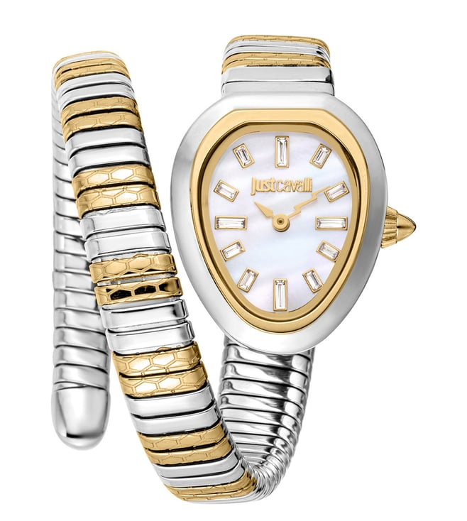 | JC1L222M0055 | Just Cavalli | 23750
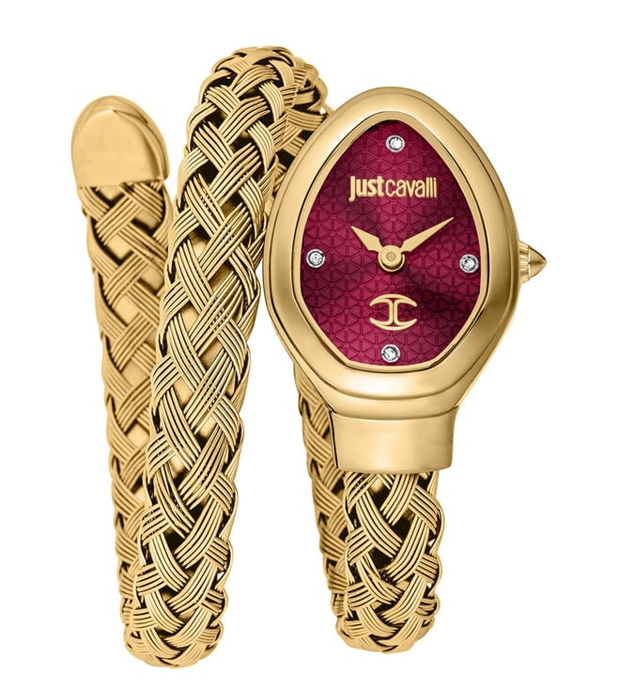 | JC1L264M0035 | Just Cavalli | 22750
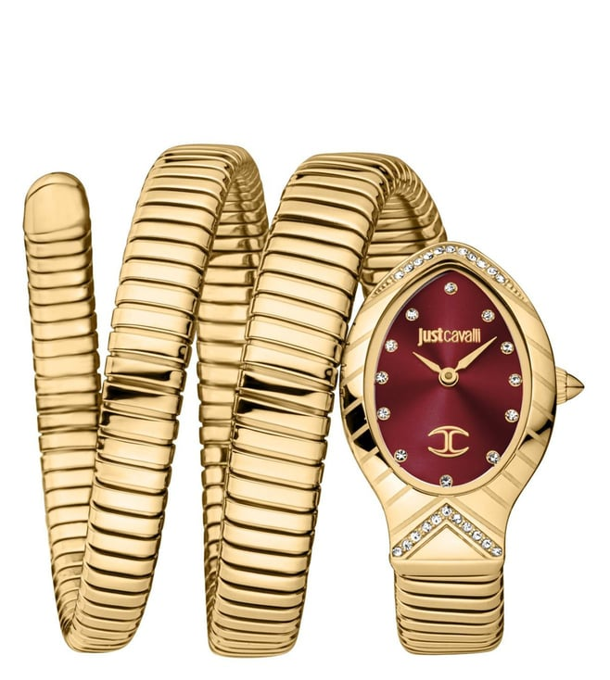 | JC1L248M0035 | Just Cavalli | 25200
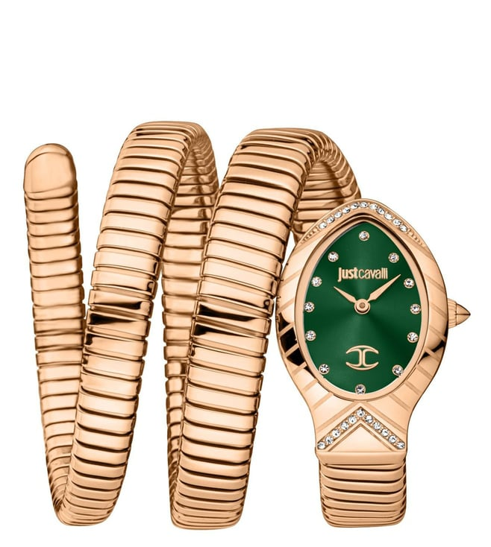 | JC1L248M0045 | Just Cavalli | 25400
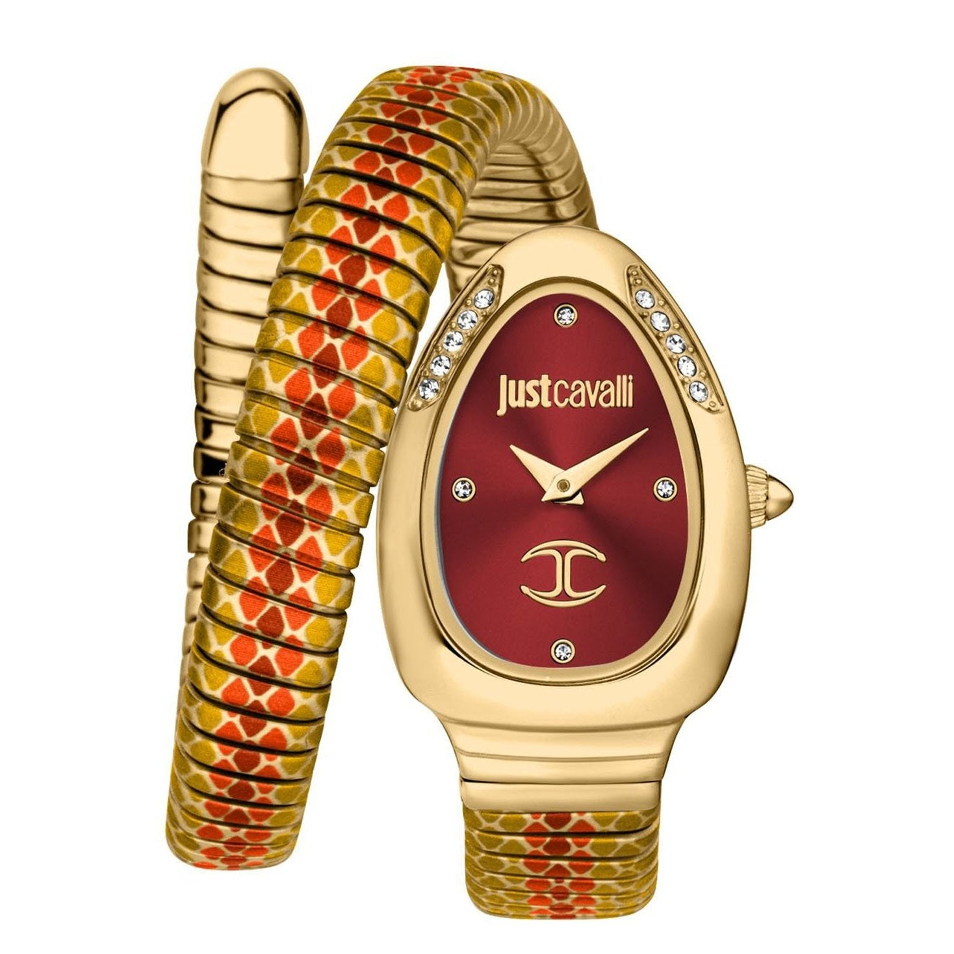 | JC1L251M0045 | Just Cavalli | 21750
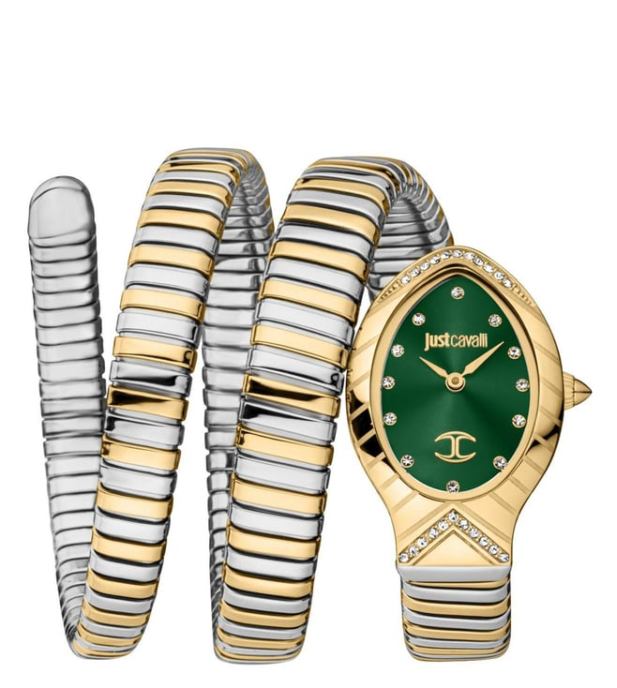 | JC1L248M0065 | Just Cavalli | 25200
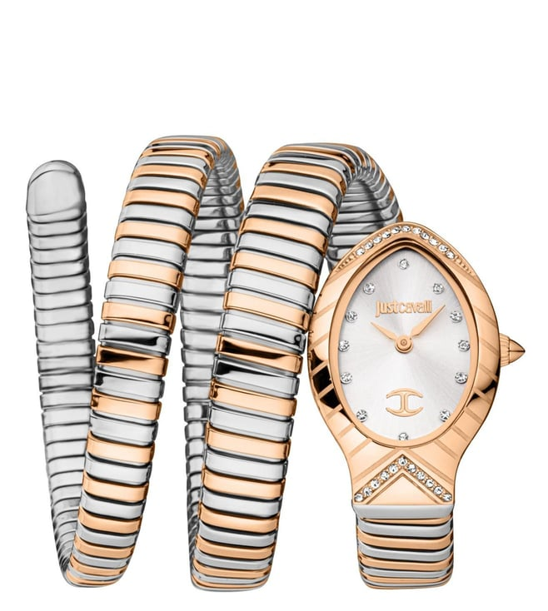 | JC1L248M0075 | Just Cavalli | 25200
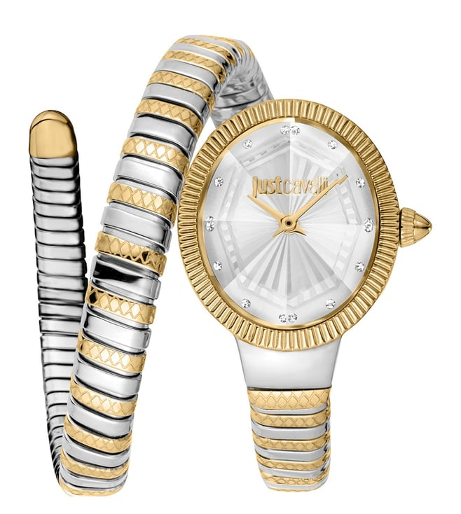 | JC1L268M0055 | Just Cavalli | 22500
 | JC1L248M0055 | Just Cavalli | 25200
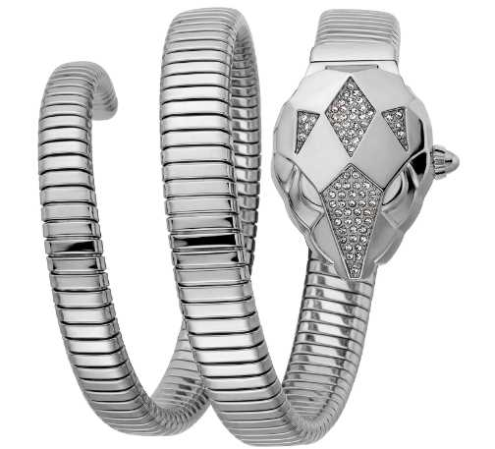 | JC1L073M0075 | Just Cavalli | 25300
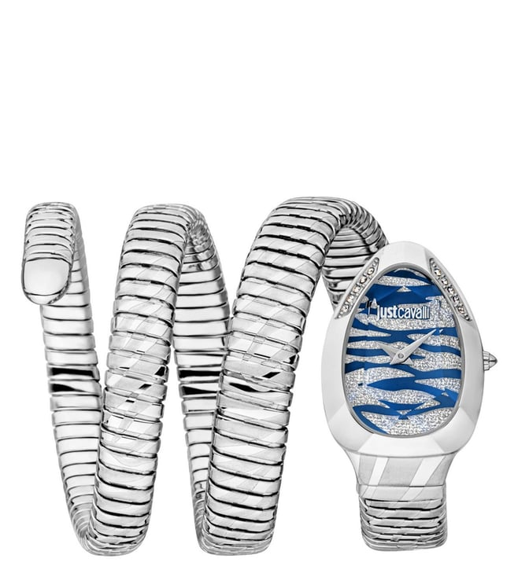 | JC1L226M0015 | Just Cavalli | 23500
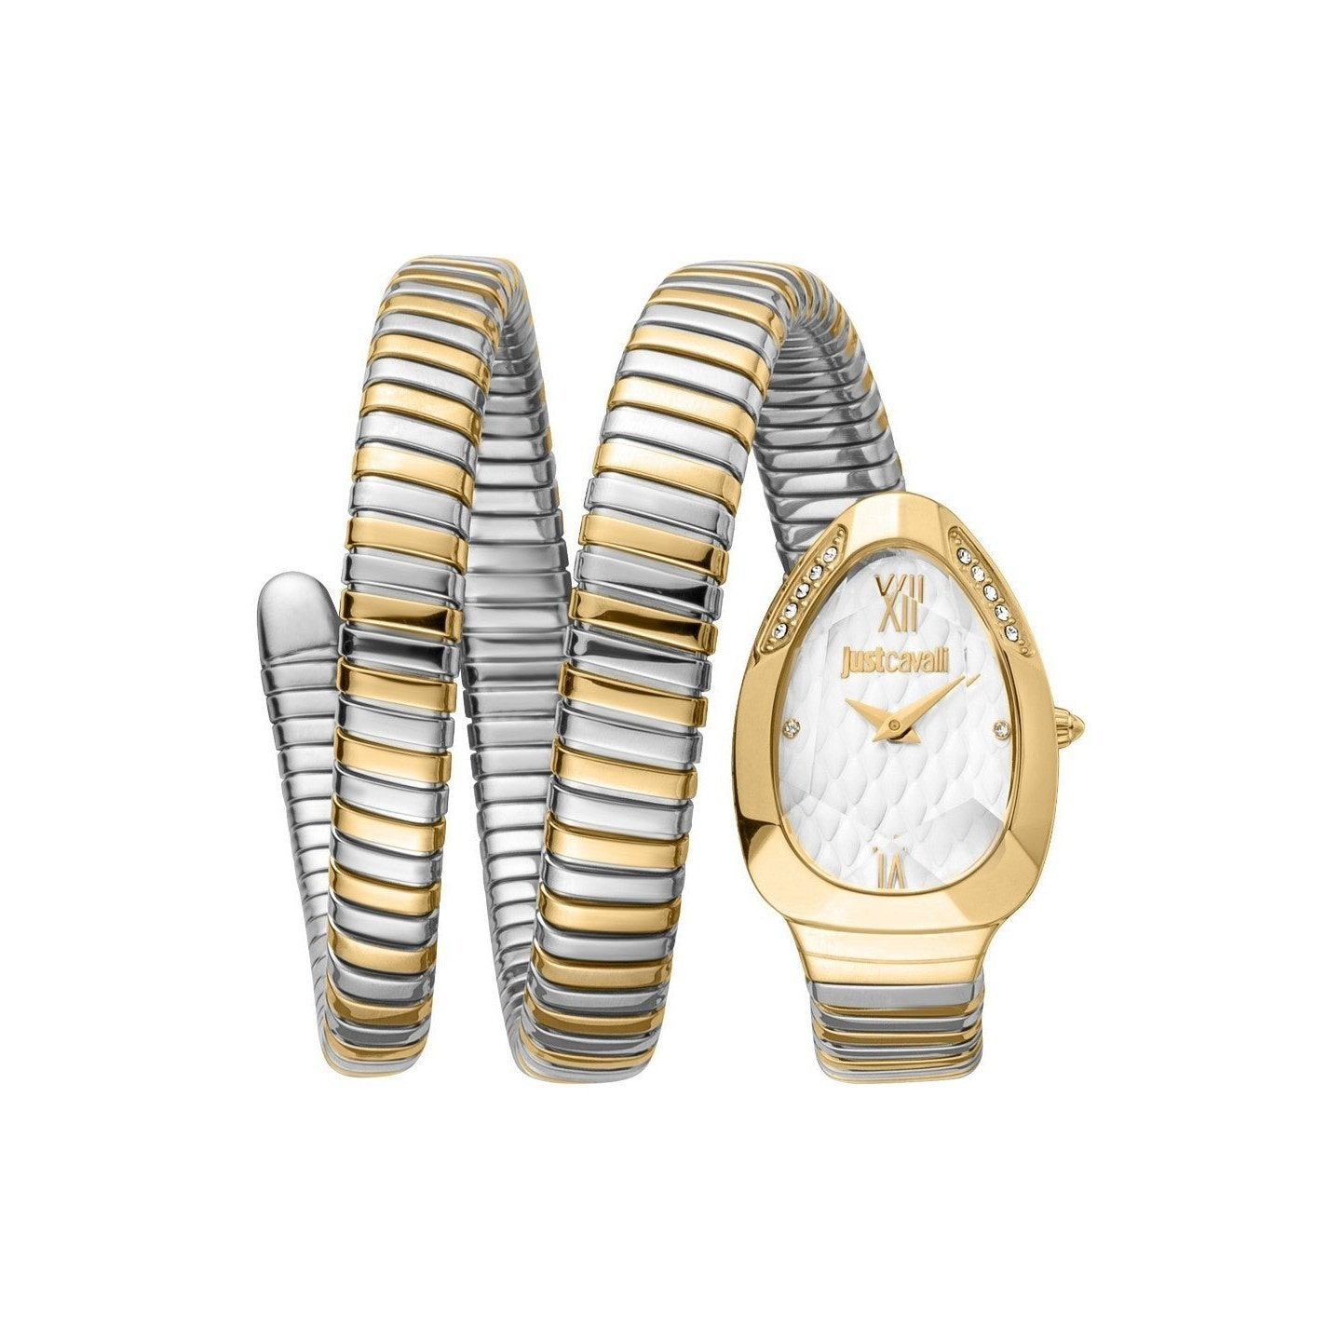 | JC1L224M0065 | Just Cavalli | 24900
 | JC1L224M0075 | Just Cavalli | 24900
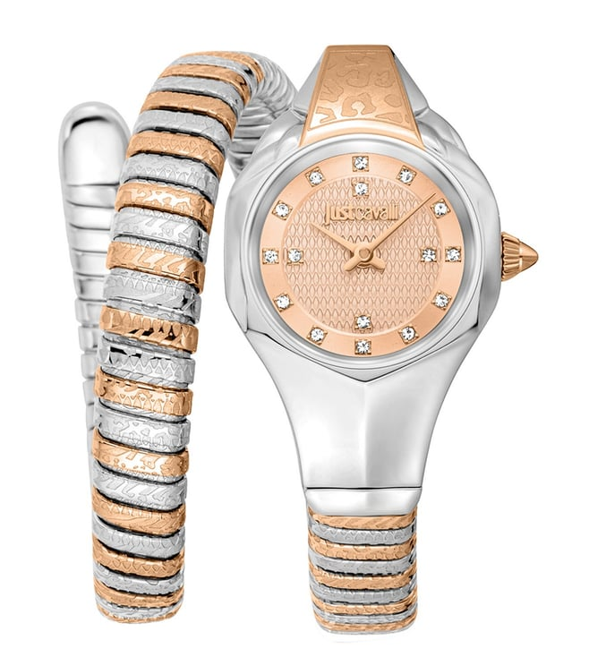 | JC1L270M0065 | Just Cavalli | 22750
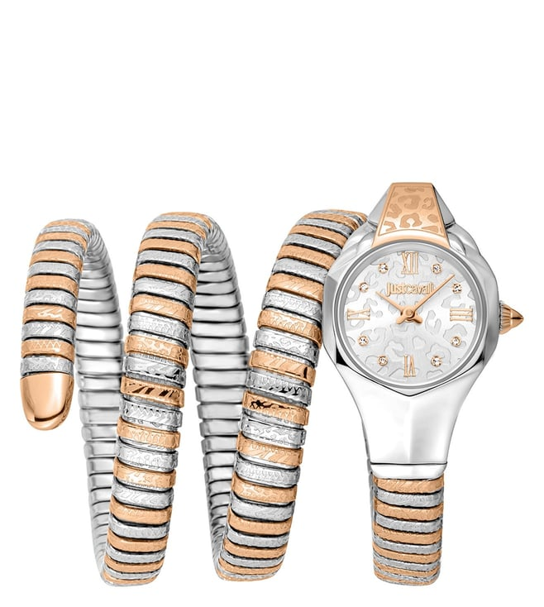 | JC1L271M0065 | Just Cavalli | 26750
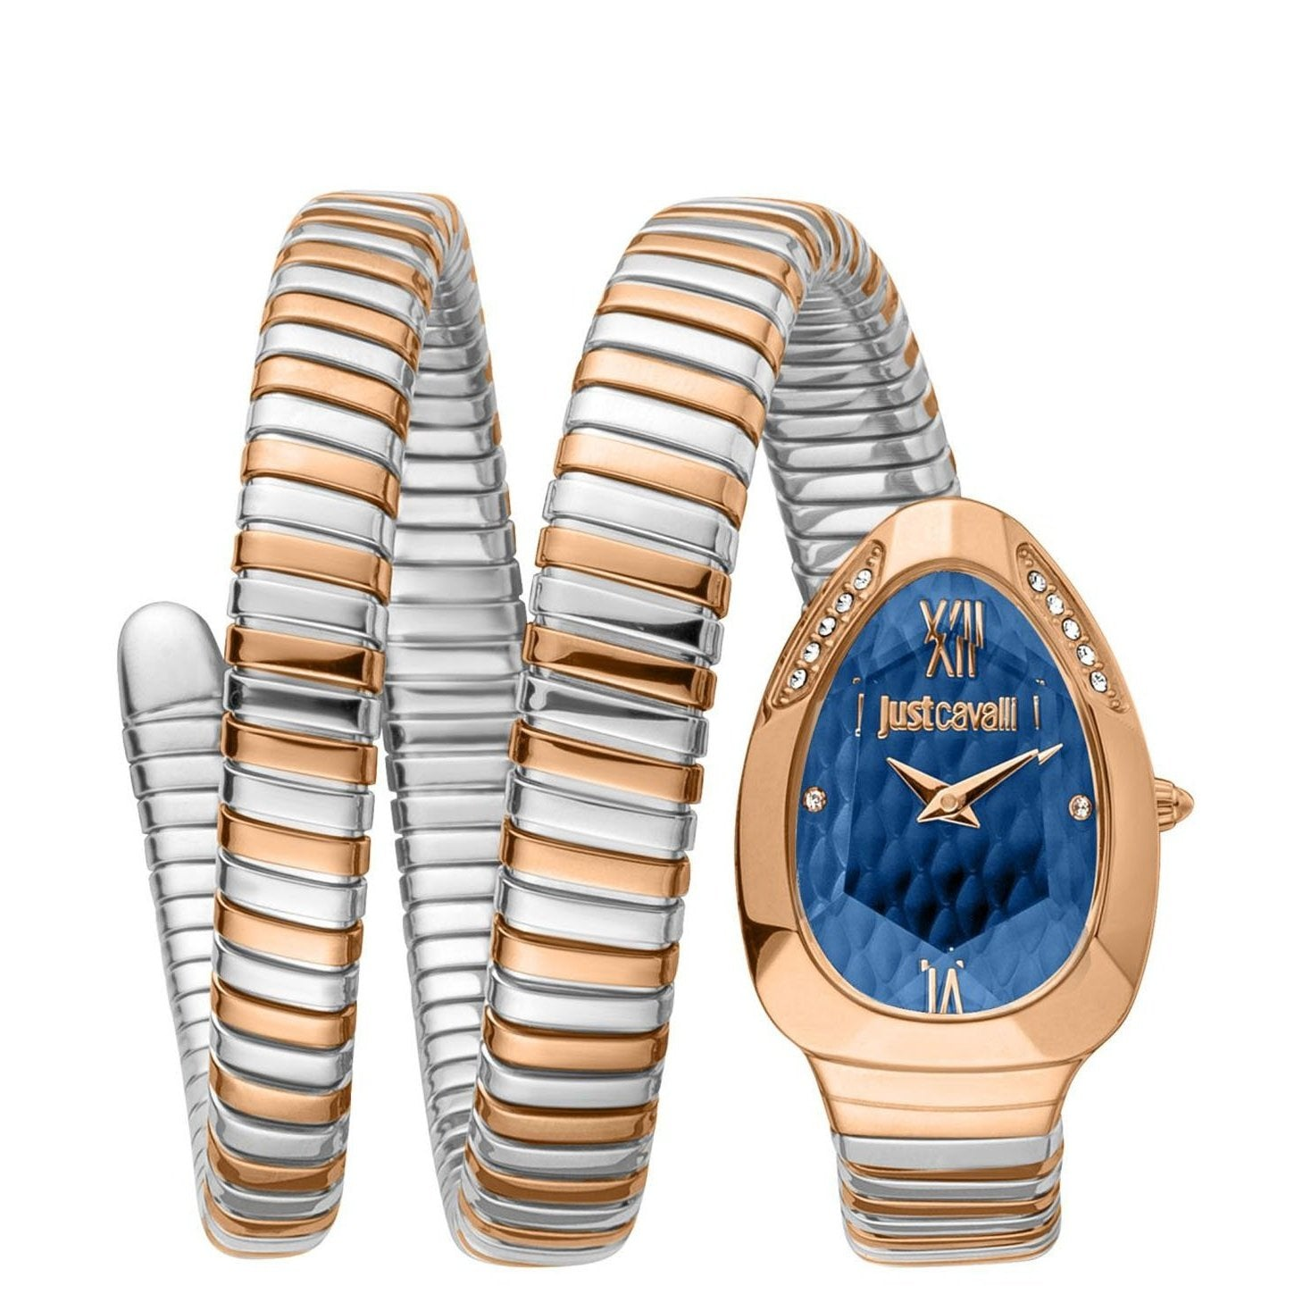 | JC1L224M0095 | Just Cavalli | 25200
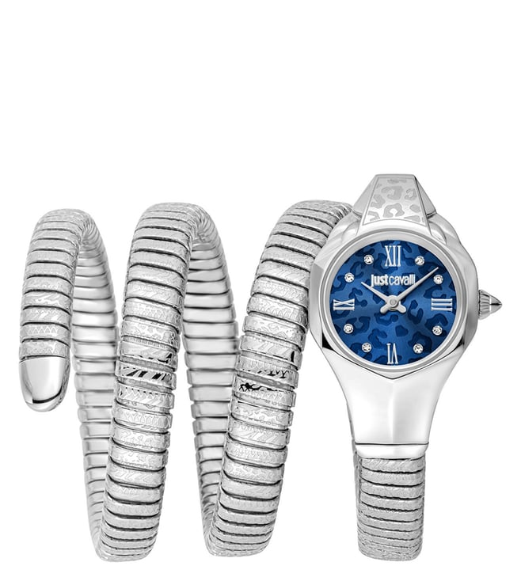 | JC1L271M0015 | Just Cavalli | 23250
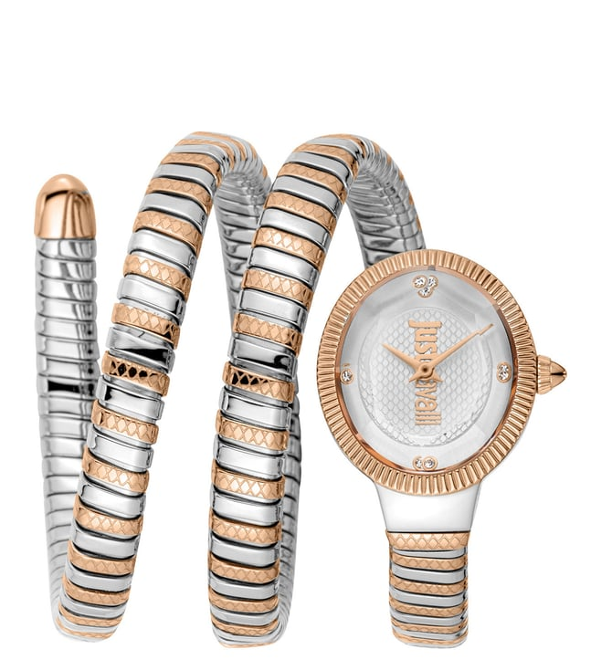 | JC1L269M0065 | Just Cavalli | 26750
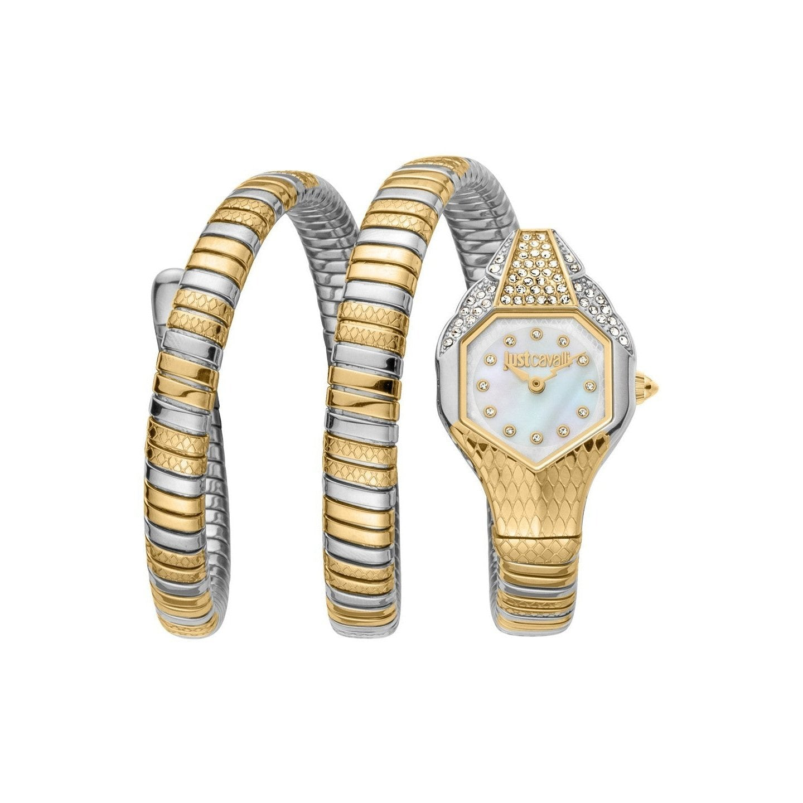 | JC1L193M0055 | Just Cavalli | 24800
 | JC1L264M0055 | Just Cavalli | 23250
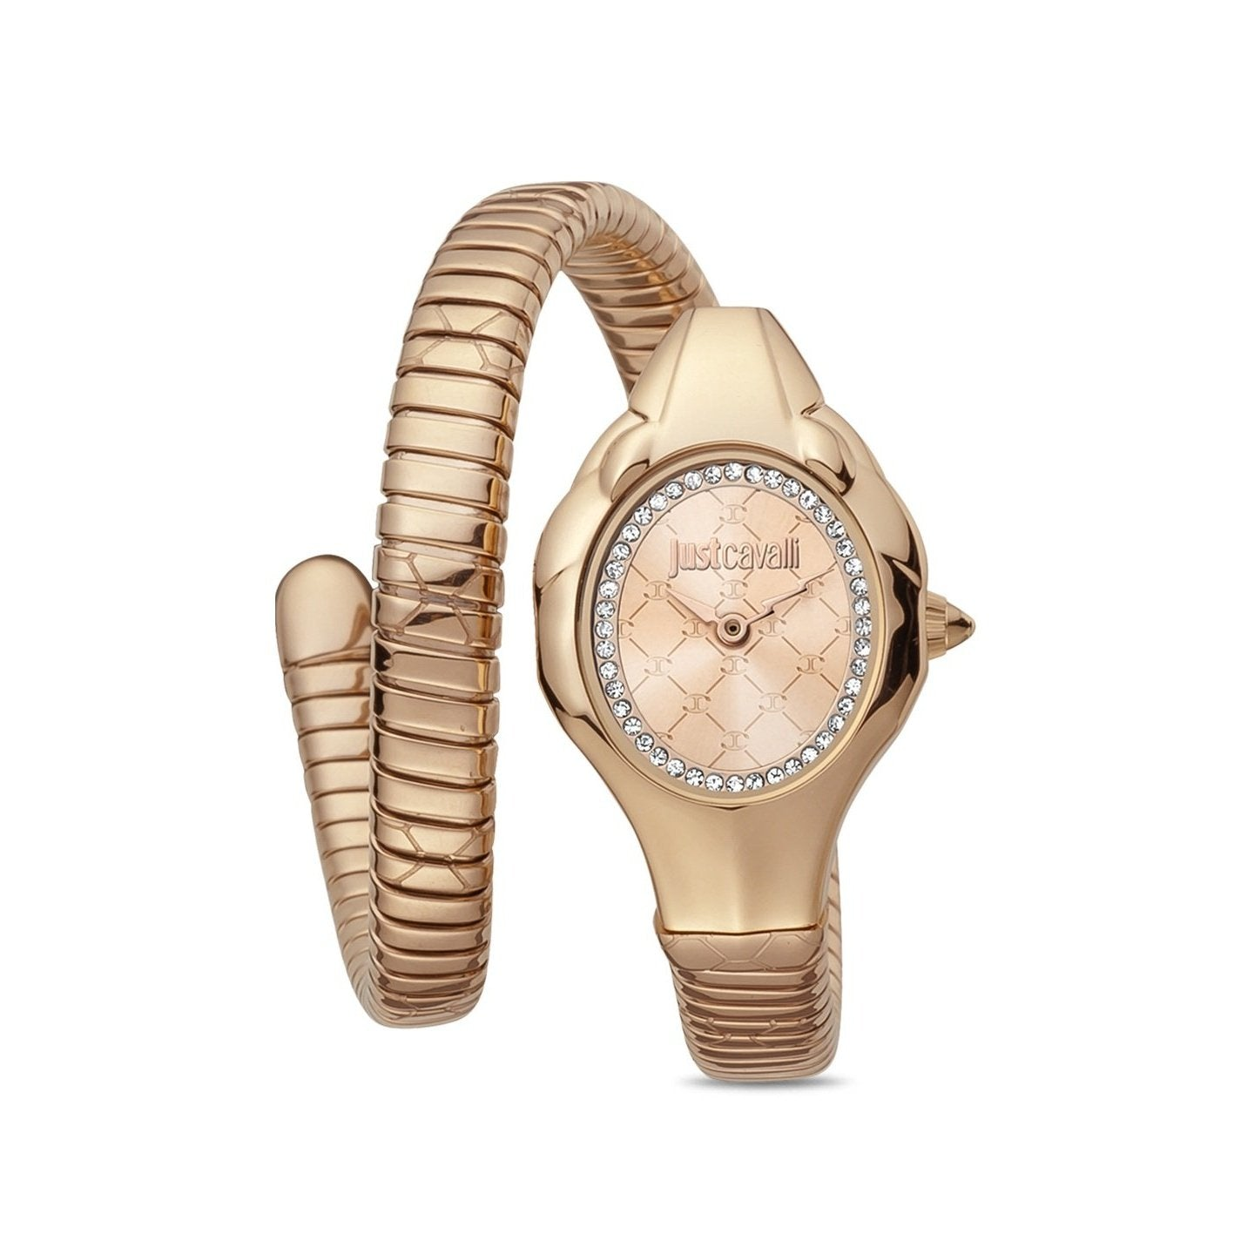 | JC1L186M0045 | Just Cavalli | 18900
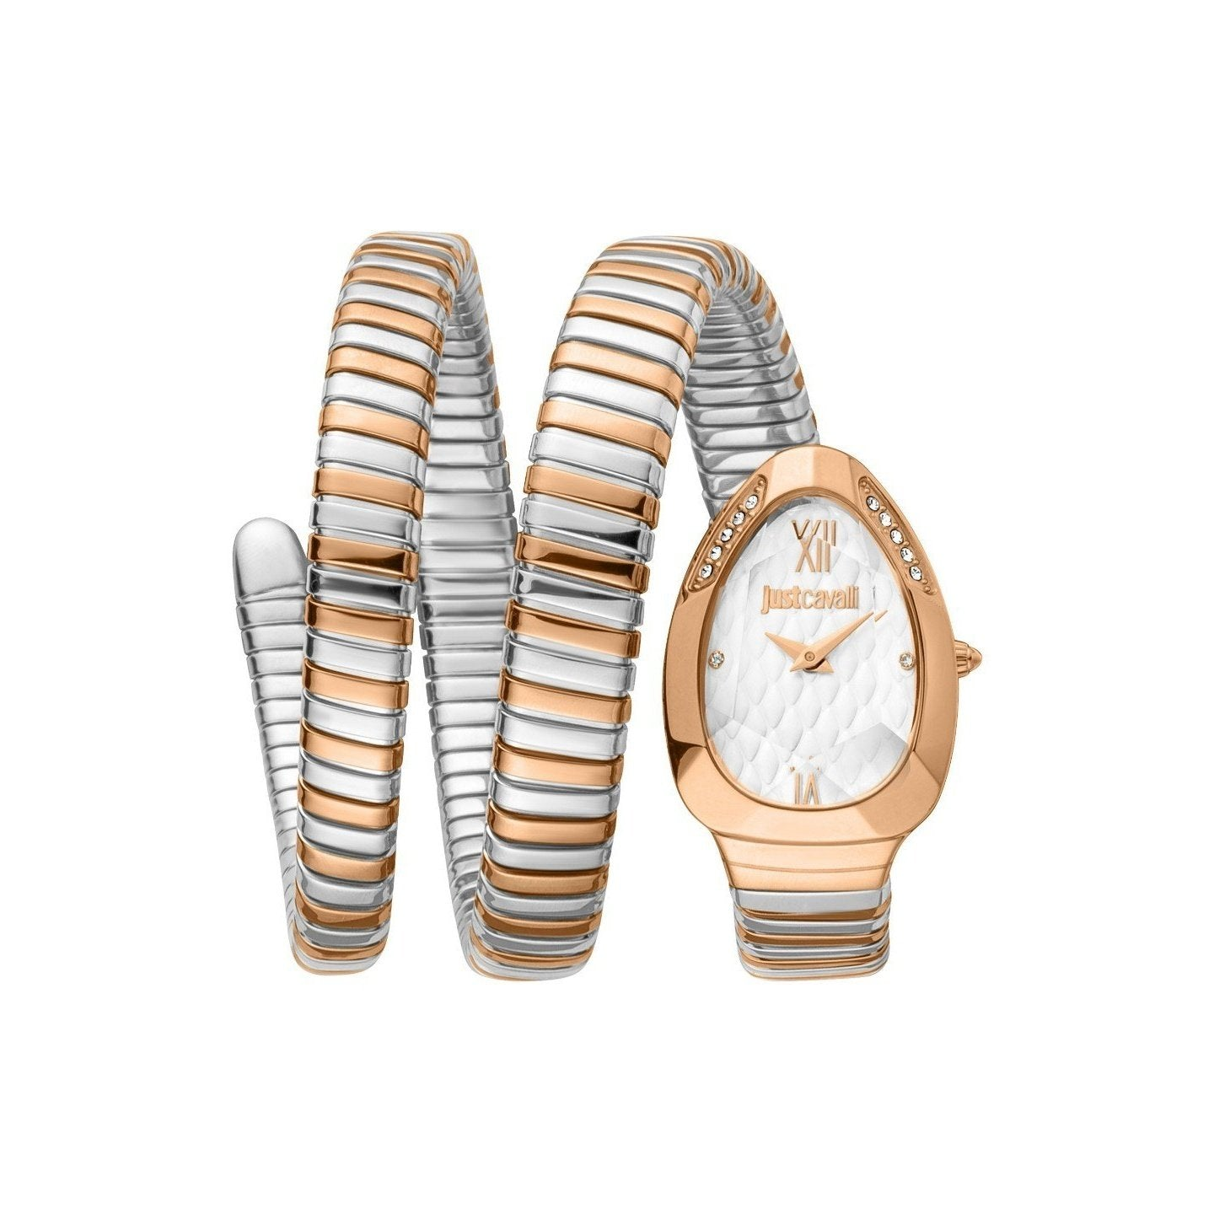 | JC1L224M0085 | Just Cavalli | 25200

