N-CW7Rev00
SMD PARTS
Comment | Intronics P/N | Description | Designator | Quantity | Manufacturer | Manufacturer Part Number
100n | 410107-910DQ | CAP CER 0.1UF 50V X7R 0603 | C1, C2, C3, C4, C5, C13, C14, C20, C21, C22, C23, C29, C30, C31, C34, C36, C50, C51, C52, C68, C79, C80, C83 | 23 | TDK | C1608X7R1H104K080AA
8p2 50V COG | 418213-916DQ | CAP CER 8.2PF 50V C0G/NP0 0603 | C6, C7 | 2 | KEMET | C0603C829C5GACTU
10n | 410108-910DQ | CAP CER 10000PF 50V X7R 0603 | C8, C12, C24, C27, C69, C70, C74, C75 | 8 | TDK | C1608X7R1H103K080AA
10u 16V | 411006-924FQ | CAP TANT 10UF 10% 16V 1411 | C9, C32, C35 | 3 | KEMET | T494B106K016AT
1u 16V | 410106-924BQ | CAP TANT 1UF 10% 16V 1206 | C10 | 1 | KEMET | T494A105K016AT
0F22 3.3V | 412203-121Q | CAP 220MF -20% +80% 3.3V SMD | C11 | 1 | Elna | RSCSK2243R3D02008U
2u2 10V X7R | 412207-951DQ | CAP CER 2.2UF 10V X7R 0603 | C16, C17, C18, C19 | 4 | TDK | C1608X7R1A225K080AC
47p 50V COG | 414712-910DQ | CAP CER 47PF 50V C0G 0603 | C25, C26 | 2 | TDK | C1608C0G1H470J080AA
4u7 16V | 414707-924BQ | CAP TANT 4.7UF 10% 16V 1206 | C28, C33 | 2 | KEMET | T494A475K016AT
2n2 | 412210-910DQ | CAP CER 2200PF 50V X7R 0603 | C37, C55 | 2 | TDK | C1608X7R1H222K080AE
220n 25V X5R | (Can be 220n 50V X7R - 412208-910CQ) | CAP CER 220n 25V X5R 0805 | C38 | 1 | AVX | 08053D224MAT2A
470p | 414711-910DQ | CAP CER 470PF 50V C0G 0603 | C54 | 1 | TDK | C1608C0G1H471J080AA
10u 35V X5R | ??? | CAP CER 10UF 35V X5R 1210 | C56, C62 | 2 | KEMET | C1210C106K6PACTU
100u 25V | 411005-926EQ | CAP TANT 100UF 20% 25V 2917 | C58 | 1 | KEMET | T494X107M025AT
22u 16V X5R | (Can be 25V - 412206-957CQ) | CAP CER 22UF 16V X5R 0805 | C61 | 1 | TDK | C2012X5R1C226M085AC
1u | ??? | CAP CER 1UF 50V X5R 1210 | C81, C82 | 2 | KEMET | C1210C105K5PACTU

0R | 400000-908DQ | RES 0 OHM JUMPER 1/10W 0603 | R2, R78, R80, R88, R92, R106 | 5 | Yageo | RC0603FR-070RL
10K | 400103-909DQ | RES 10K OHM 1% 1/10W 0603 | R3, R4, R5, R7, R8, R9, R15, R19, R26, R35, R51, R73, R74, R75, R77, R99, R101, R105, R107 | 19 | Yageo | RC0603FR-0710KL
15K | 400153-909DQ | RES 15K OHM 1% 1/10W 0603 | R11, R16, R27 | 3 | Yageo | RC0603FR-0715KL
120R | 401200-909DQ | RES 120 OHM 1% 1/10W 0603 | R12, R17 | 2 | Yageo | RC0603FR-07120RL
6K8 | 400682-909DQ | RES 6.8K OHM 1% 1/10W 0603 | R13, R18 | 2 | Yageo | RC0603FR-076K8L
33K | 400333-909DQ | RES 33K OHM 1% 1/10W 0603 | R14 | 1 | Yageo | RC0603FR-0733KL
100K | 401003-909DQ | RES 100K OHM 1% 1/10W 0603 | R20, R22, R48, R69, R94 | 5 | Yageo | RC0603FR-07100KL
1K | 400013-909DQ | RES 1K OHM 1% 1/10W 0603 | R21, R23, R50, R52, R66, R68, R70, R100 | 8 | Yageo | RC0603FR-071KL
27R | 400270-909DQ | RES 27 OHM 1% 1/10W 0603 | R24, R25 | 2 | Yageo | RC0603FR-0727RL
47K | 400473-909DQ | RES 47K OHM 1% 1/10W 0603 | R30 | 1 | Yageo | RC0603FR-0747KL
4K7 | 400472-909DQ | RES 4.7K OHM 1% 1/10W 0603 | R31, R32, R33, R34, R36, R84 | 6 | Yageo | RC0603FR-074K7L
2R4 1/4W 1% | 400249-909DQ | RES SMD 2.4 OHM 1% 1/4W 0603 | R37 | 1 | Panasonic | ERJ-3BQF2R4V
3K3 | 400332-909DQ | RES 3.3K OHM 1% 1/10W 0603 | R49, R102 | 2 | Yageo | RC0603FR-073K3L
680R | 406800-909DQ | RES 680 OHM 1% 1/10W 0603 | R65 | 1 | Yageo | RC0603FR-07680RL
330R | 403300-909DQ | RES 330 OHM 1% 1/10W 0603 | R67, R103 | 2 | Yageo | RC0603FR-07330RL
22K | 400223-909DQ | RES 22K OHM 1% 1/10W 0603 | R71 | 1 | Yageo | RC0603FR-0722KL
2K2 | 400222-909DQ | RES 2.2K OHM 1% 1/10W 0603 | R72 | 1 | Yageo | RC0603FR-072K2L
22R 1/4W 1% | 400220-905Q | RES 22 OHM 1% 1/4W 1206 | R76 | 1 | Yageo | RC1206FR-0722RL
19K1 | 401912-909DQ | RES 19.1K OHM 1% 1/10W 0603 | R95 | 1 | Yageo | RC0603FR-0719K1L
45K3 | 404532-909DQ | RES 45.3K OHM 1% 1/10W 0603 | R96 | 1 | Yageo | RC0603FR-0745K3L

600R @ 100MHz | 435016-009Q | FERRITE BEAD 600 OHM 0805 1LN | L1, L5, L6, L21, L22, L23 | 7 | Laird | MI0805K601R-10
NLC453232T-220K | (TDK82432T 435031-003Q) | 22uH 10% | L4 | 1 | TDK | NLC453232T-220K-PF
BLA2ABD102SN4 | 435016-011Q | Ferrite Beads 1000 OHM 25% | L8, L9, L10, L11, L12, L13, L15, L16, L17, L18, L19, L20 | 12 | Murata | BLA2ABD102SN4B
PTC 6V 2.2A | 450020-140Q | PTC RESET FUSE 24V 1.1A 1812 | P1 | 1 | Bourns | MF-MSMF110/24X-2
BNX022-01L | 435030-000Q | FILTER LC 1UF SMD | U28 | 1 | Murata | BNX022-01L
5V Cont / 150V Trip | 450013-002Q | VARISTOR 0603 | V1, V2, V3 | 3 | Bourns | CG0603MLC-05E
31Vdc | 450024-000Q | VARISTOR 39V 200A 1206 | V4 | 1 | TDK EPCOS | B72520T0250K062

IRLML6402 | 342301-000 | MOSFET P-CH 20V 3.7A SOT23 | Q1, Q7 | 2 | Infineon | IRLML6402TRPBF
FDV301N | 340301-000Q | MOSFET N-CH 25V 220MA SOT23 | Q2, Q6 | 2 | ON Semiconductor / Fairchild | FDV301N
BC856BLT1G | 340856-001Q | TRANS PNP 65V 100MA SOT23-3 | Q3 | 1 | ON Semiconductor | BC856BLT1G
BC847BLT1G | 340847-000Q | TRANS NPN 45V 100MA SOT23-3 | Q4, Q8 | 2 | ON Semiconductor | BC847BLT1G
BCX51-16 | 340051-000AQ | Bipolar (BJT) Transistor PNP 45 V 1 A 125MHz 2 W Surface Mount PG-SOT89 | Q5 | 1 | Infineon | BCX51-16
BAS716,115 | 350716-000Q | DIODE STANDARD 75V 200MA SOD523 | D1 | 1 | Nexperia | BAS716115
S1G | 351544-002AQ | DIODE GEN PURP 400V 1A SMA | D3, D4, D9, D10 | 4 | Diodes | S1G-13-F
BAS16,215 | 350016-000Q | DIODE GP 100V 215MA SOT23 | D5, D6, D7, D8 | 4 | Nexperia | BAS16,215
SMAJ12A | 350012-000Q | TVS DIODE 12VWM 19.9VC DO214AC | TVS1 | 1 | Littelfuse | SMAJ12A

STM32F103RG | 323210-001Q | IC MCU 32BIT 1MB FLASH 64LQFP | U1 | 1 | STMicroelectronics | STM32F103RGT6
M24M02 | 332402-002Q | IC EEPROM 2MBIT I2C 1MHZ 8SO | U2, U3 | 2 | STMicroelectronics | M24M02-DRMN6TP
SP6205EM5-L | 316205-000Q | IC REG LIN POS ADJ 500MA SOT23-5 | U5, U6 | 2 | Exar | SP6205EM5-L/TR
FT230XS | 310230-000Q | IC USB SERIAL BASIC UART 16SSOP | U7 | 1 | FTDI | FT230XS-U
FT800Q-R | 310800-000Q | IC VIDEO CONTROLLER 48VQFN | U8 | 1 | Bridgetek | FT800Q-R
HCPL-061A-000E |  | OPTOISO 3.75KV OPN COLL 8SO TALL | U15, U16 | 2 | Broadcom Avago | HCPL-061A-000E
LTV-0601 | 310601-000Q | OPTOISO 3.75KV OPN COLL 8-SOP |  |  | Lite-On Inc. | LTV-0601
74HC14D | ??? | IC HEX INVERTER SCHM TRIG 14SOIC | U17, U25 | 2 | Nexperia | 74HC14D,653
TCLT1000 | 311000-000Q | OPTOISOLATOR 5KV 1CH TRANS 4-SOP | U19 | 1 | Vishay | TCLT1000
LM317LIPK | 310317-002Q | IC REG LIN POS ADJ 100MA SOT89-3 | U20 | 1 | Texas Instruments | LM317LIPK
DF005S | 350101-001Q | BRIDGE RECT 1PHASE 50V 1A DFS | U21 | 1 | Diodes | DF005S
MPM3606 | 313606-000Q | DC DC CONVERTER 0.8-5.5V | U22 | 1 | Monolithic Power Systems | MPM3606GQV-P
SN74LV1T34 | ??? | IC BUF NON-INVERT 5.5V SOT23-5 | U23 | 1 | Texas Instruments | SN74LV1T34DBVR
MIC2289-24YD | 312289-000Q | IC LED DRVR RGLTR PWM TSOT23-6 | U34 | 1 | Microchip | MIC2289-24YD6-TR
TLV75533PDBVR | ??? | IC REG LINEAR 3.3V 500MA SOT23-5 | U35 | 1 | Texas Instruments | TLV75533PDBVR

SPST | 515205-100Q | SWITCH SLIDE DIP SPST 0.1A 6V | SW1A, SW1B | 2 | Nidec Copal | CHS-02B
MICRO B USB | 541149-205Q | CONN RCPT USB2.0 MICRO B SMD R/A | CN2 | 1 | Molex | 47346-1001
40 Pin TFT LCD Connector | 541166-040Q | CONN FPC TOP 40POS 0.5MM R/A | CN3 | 1 | Amphenol ICC / FCI | 62684-402100ALF
8MHz | 448000-004AQ | CERAMIC RES 8.0000MHZ 33PF SMD | X1 | 1 | Murata | CSTNE8M00G550000R0
32768Hz | 443276-005Q | CRYSTAL 32.7680KHZ 12.5PF SMD | X3 | 1 | Epson | MC-14632.7680KA-A0:ROHS
12MHz | 441200-002Q | CERAMIC RES 12.0000MHZ 10PF SMD | X5 | 1 | Murata | CSTNE12M0G520000R0

MB-WIFI-CC3200Rev00 | CUSTOM | Module - Wi-Fi Module (CC3200) | M1 | 1

TH PARTS
Comment | Intronics P/N | Description | Designator | Quantity | Manufacturer | Manufacturer Part Number
10K NTC 1% | 450103-006AQ | THER 10K 1% LEAD MMC SC25 | TH1 | 1
4-Way Connector | 541031-304Q | A2501WR2-4P (JWT) 2.50mm Pitch (R-DIP) | CN7 | 1
10 Way Connector (SIL R/A) | 541009-010Q | CONN HDR 10POS 0.1 TIN PCB R/A | CN1S, CN1W | 2 | Sullins | PPTC101LGBN-RC

ASSEMBLY
Comment | Intronics P/N | Description | Designator | Quantity | Manufacturer | Manufacturer Part Number
 | 435016-010Q | FERRITE,FLAT CABLE,21.1X1.35MM,50 OHM | M2 | 2
Item 4 | 362005-000Q | LCD,TFT DISPLAY,5" | M3 | 1
Item 2 | 550177-000Q | FRONT CASE,BRIVIS N-C7 |  | 1
Item 3 | 550177-010Q | SUB FRONT CASE,BRIVIS N-C7 |  | 1
Item 1 | 580144-120Q | RUBBER SEAL FOR N-C7 |  | 1
Item 5 | 550177-020Q | LCD SUPPORT,BRIVIS N-C7 |  | 1
Item 6 | ??? | N-CW7Rev00 (137.90x90mm) 2-Layer 1.6mm PCB | M4 | 1
Item 7 | 550177-030Q | LOWER CASE,BRIVIS N-C7 |  | 1
Item 8 | 550177-040Q | BRACKET,BRIVIS N-C7 |  | 1
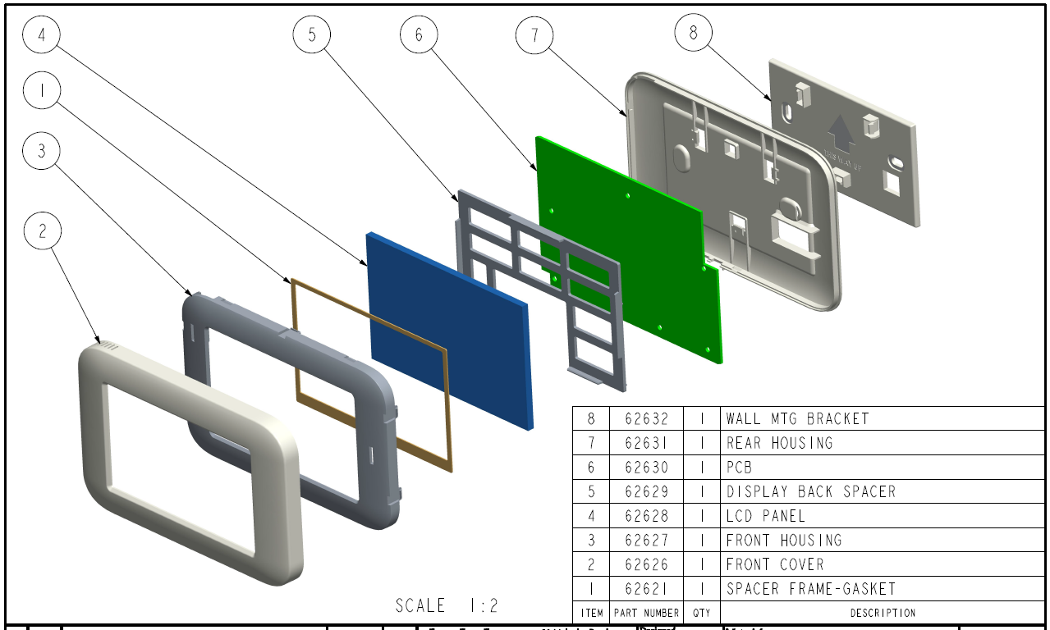
INSTRUCTION
Do not load | R1, R104, R79, R81, R82, R83, D11

