Sheet1
Test Case ID | Test Case Name | Test Case Description | Pre-condition | Test Steps | Expected Result | Actual Result | Result | Comments
TC001 | Custom fields selecting | Verify that user can select all the custom fields | User is logged in. | 1. Push the "PIM" button. 2. Push the "Configuration" button and choose custom field in dropdown menu. 3. Select all existing custom fields | Custom fields will be succesfuly selected. | Custom fields cant be selected | Fail
TC002 | My info changing | Verify that user can change his information at all times. | User is logged in. | 1. Push the "My info" button. 2. Enter new details or change existing. 3. Push "Save" button. | Information will be succesfuly changed. | Information was succesfuly changed. | Success
TC003 | Buzz posting. | Verify that user can succesfuly write new post and add image on buzz | User is logged in. | 1. Push the "Buzz" button. 2. Enter what you want to post and choose the image/video. 3. Push "Post" button. | New post will be added to feed. | New post was added to feed. | Success
TC004 | New recruiting candidate adding. | Verify that admin can succesfuly add new recruiting candidate. | User is logged in and have admin rights. | 1. Push the "Recruitment" button. 2. Push "Add" button. 3. Enter new candidate information 4. Push "Save" button. | New candidate will be added. | New candidate was added. | Success
TC005 | Admin > skills | Verify that all the skills in admin panel appear correct. | User is logged in and have admin rights. | 1. Enter admin panel. 2. Push the "Qualification" button. 3. Push the "Skills" button. 3. Select all the skills | Page will show work fine | Page shows that there is 1 record find both when no skills are selected and when all are selected. | Fail
TC006 | User info changing. | Verify that admin can see all the users and delete information of choosen one. | User is logged in and have admin rights. | 1. Push the "PIM" button. 2. Scroll down to see users 3. Choose user to change or delete 4.Confirm changes | User will be changed or deleted from system. | User was changed or deleted from system. | Success
TC007 | Apply for leave | Verify that user can apply for leave. | User is logged in and have enough leave balance. | 1. Push the "Leave" button. 2. Change leave information and choose date 3. Push "Apply" button | User's leave will be added to system. | User's leave was added to system. | Success
TC008 | Report pagiation | Verify report pagiation work. | User is logged in. | 1. Push the "Time" button. 2. Push the "Report" button 3. In the dropdown meny choose "Attendance summary..." 4. Click view and try to click on any page other than first | User can see other pages. | Unexpected error occures | Fail
TC009 | Customers selecting | Verify that user can select all the customers | User is logged in and punched in. | 1. Push the "Time" button. 2. Push the "Project info" button 3. In the dropdown meny choose "Customers" 4. Click check mark to select all customers | Customers will be selected | 8 out of 10 customers dont have check mark and cant be selected | Fail | 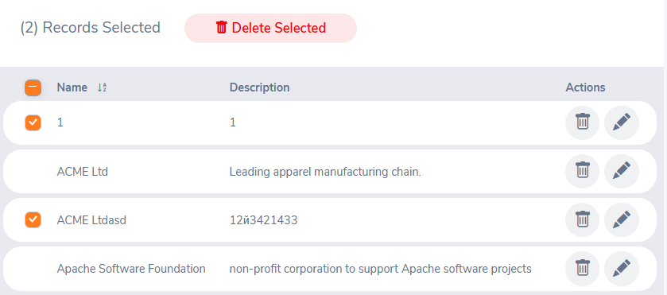
TC010 | Commenting | Verify that user can comment other users posts on buzz. | User is logged in. | 1. Push the "Buzz" button. 2. Choose what you want to comment and press comment button 3. Enter comment and press enter on keyboard | Comment will appear under the post | Comment appeared under the post | Success

