Sheet1
Constraints
 | Raw carrots | Baked potatoes | Wheat bread | Cheddar cheese | Peanut butter | Totals |  | Constraints
Calories | 23 | 171 | 65 | 112 | 188 | 3063.8416875 | >= | 2000 |  | 1744.63328
Fat | 0.1 | 0.2 | 0 | 9.3 | 16 | 150.0223619 | >= | 50 |  | 148.47942809
Protein | 0.6 | 3.7 | 2.2 | 7 | 7.7 | 100.00000025 | >= | 100 |  | 71.455724766
Carbohydrate | 6 | 30 | 13 | 0 | 2 | 250 | >= | 250 |  | 18.559928511
Price | 0.14 | 0.12 | 0.2 | 0.75 | 0.15 | 2.3177549243 |  | min

Decision variables |  |  |  |  |  |  |  |  | Min price
Eaten | 0 | 7.7146690496 | 0 | 0 | 9.2799642554 |  |  |  | 0 | 7.7146690496 | 0 | 0 | 9.2799642554
 |  |  |  |  |  |  |  |  | No min price
Objective function |  |  |  |  |  |  |  |  | 0 | 7.7146690496 | 0 | 0 | 9.2799642554
Eaten | 0 | 7.7146690496 | 0 | 0 | 9.2799642554
Cost | 0.14 | 0.12 | 0.2 | 0.75 | 0.15
Extra price butter | 0.14 | 0.12 | 0.2 | 0.75 | 0.15

Objective | 2.3177549243

Total price | 2.3177549243
 | 2.3177549243

Exercise 1 with the possibility to buy extra resource 2 (this was an extra question that was added live during the lecture)

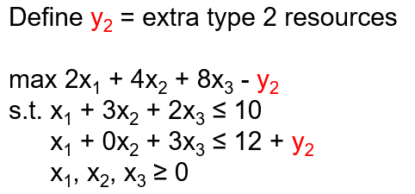
 |  |  |  | Required resources/quantity |  | LO model (using notation from product mix demo):
 | Quantity (x_i) | Profit/quantity |  | Resource 1 | Resource 2
Product 1 | 0 | 2 |  | 1 | 1
Product 2 | 0 | 4 |  | 3 | 0
Product 3 | 5 | 8 |  | 2 | 3
 |  |  | Usage | 10 | 15
Objective | 37 |  | Available | 10 | 15

Extra resources
 | Quantity (y_i) | Price/quantity
Resource 2 | 3 | 1

Color coding: | PARAMETERS
 | FORMULAS
 | DECISION VARIABLES
 | OBJECTIVE

