LoLin NodeMcu v3 TFT
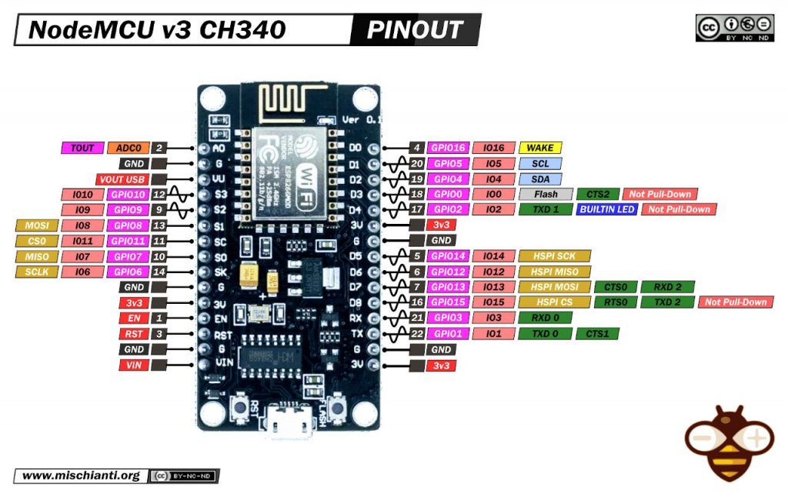
A-E | Pin | Label | Function | F-J | Pin | Label | Function
1 |  | VIN |  | 1 |  | 3v
2 |  | GND |  | 2 |  | GND
3 | 3 | RST |  | 3 | 22 | TX
4 | 1 | EN |  | 4 | 21 | RX
5 |  |  | 3v | 5 | 16 | D8
6 |  |  | GND | 6 | 7 | D7 | MOSI | yellow | purple
7 | 14 | SK | SCLK | 7 | 6 | D6
8 | 10 | SO | MISO | 8 | 5 | D5 | SCK | green | grey
9 | 11 | SC | CSO | 9 |  | GND
10 | 13 | S1 | MOSI | 10 |  | 3v
11 | 9 | S2 |  | 11 | 17 | D4 | RST | blue | brown
12 | 12 | S3 |  | 12 | 18 | D3 | TCS | purple | white
13 |  | VU |  | 13 | 19 | D2 | D/C | white] | orange
14 |  |  | GND | 14 | 20 | D1
15 | 2 | A0 | Analogue | 15 | 4 | D0
16 |  |  |  | 16
17 |  |  |  | 17
18 |  |  |  | 18
19 |  |  |  | 19
20 |  |  |  | 20 |  | VIN
21 |  |  |  | 21 |  | 3v3
22 |  |  |  | 22 |  | GND
23 |  |  |  | 23 |  | SCK |  | green | grey
24 |  |  |  | 24 |  | S0
25 |  |  |  | 25 |  | S1 |  | yellow | purple
26 |  |  |  | 26 |  | TCS |  | purple | white
27 |  |  |  | 27 |  | RST |  | blue | brown
28 |  |  |  | 28 |  | D/C |  | white | orange
29 |  |  |  | 29
30 |  |  |  | 30


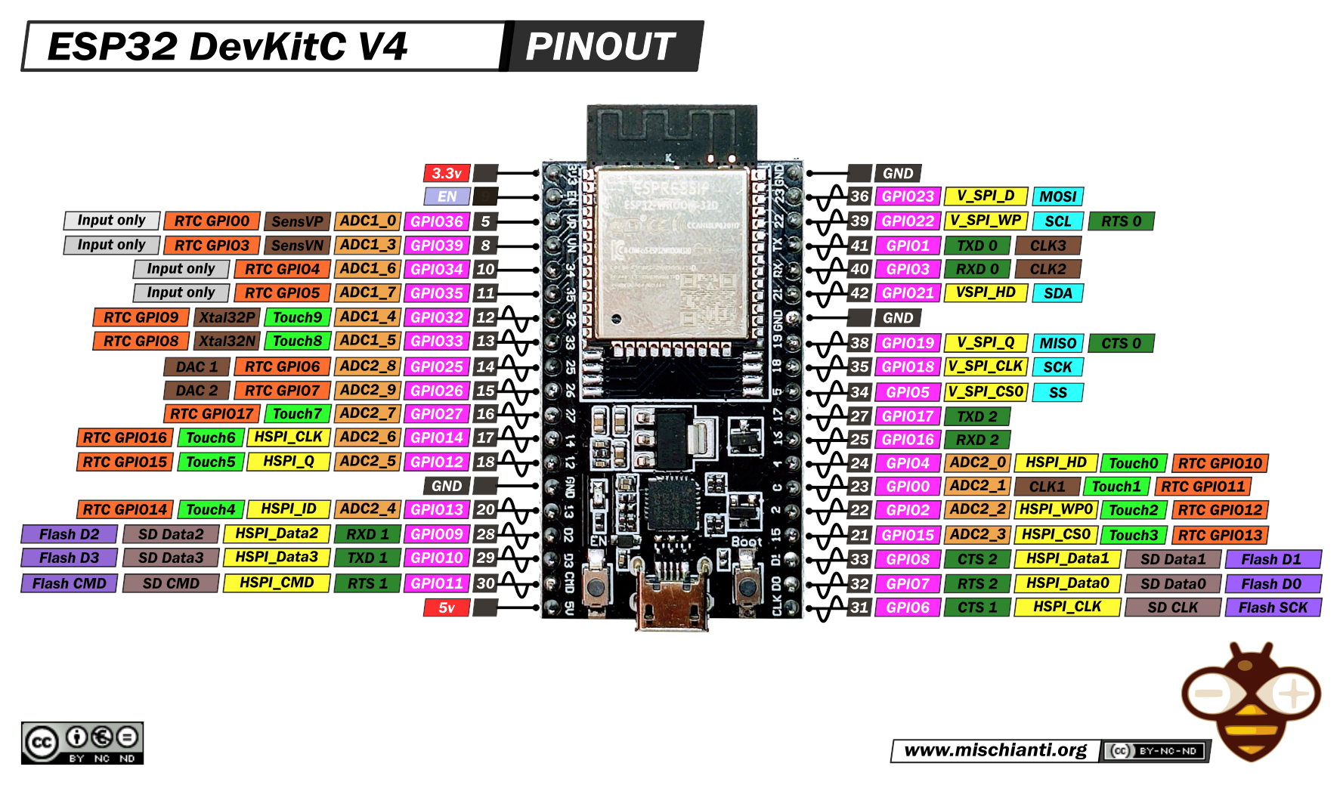
A-E | Pin | Label | Function |  | F-J | Pin | Label | Function
1 | 31 | CLK |  |  | 1 | 5v
2 | 32 | D0 |  |  | 2 | 30 | CMD
3 | 33 | D1 |  |  | 3 | 29 | D3
4 | 21 | 15 |  |  | 4 | 28 | D2
5 | 22 | 2 |  |  | 5 | 20 | 13
6 | 23 | 0 |  |  | 6 |  | GND | x
7 | 24 | 4 | trig |  | 7 | 18 | 12
8 | 25 | 16 | echo |  | 8 | 17 | 14
9 | 27 | 17 |  |  | 9 | 16 | 27
10 | 34 | 5 | SS |  | 10 | 15 | 26
11 | 35 | 18 | SCK |  | 11 | 14 | 25
12 | 38 | 19 | MISO |  | 12 | 13 | 33
13 |  | GND |  |  | 13 | 12 | 32
14 | 42 | 21 | SDA | blue | 14 | 11 | 35
15 | 40 | RX |  |  | 15 | 10 | 34
16 | 41 | TX |  |  | 16 | 8 | 39
17 | 39 | 22 | SCL | yellow | 17 | 5
18 | 36 | 23 | MOSI |  | z |  | EN
19 |  | GND |  |  | 19 | 3.3v |  | x
20 |  |  |  |  | 20
21 |  |  |  |  | 21
22 |  |  |  |  | 22
23 |  |  |  |  | 23
24 |  |  |  |  | 24
25 | VIN |  |  |  | 25
26 | 3.3v |  |  |  | 26
27 | GND |  |  |  | 27 | vcc
28 | SDA |  |  |  | 28 | trig
29 | SCL |  |  |  | 29 | echo | orange
30 |  |  |  |  | 30 | gnd | \

