Sheet1
 | Edmonton | Vancouver | Seoul | Singapore | Madrid | London (TFL) | Monteal

Fare
Card | Select group | X |  | X | X | Oyster | OPUS
Ticket | X | X |  |  | X | x
Cash | X | Bus Only
Cashless (debt/credit) |  |  |  |  |  | x

Bus
Driver | X | X |  |  |  | x
Autonomous |  |  | X
Electric | x | X
Natural Gas |  |  | X
diesel | X
Camera | X | X
Drive help strip | x
Bike Rack | X
Advanced Emergency Braking |  |  |  |  |  | X
Intelligent Speed Assistance |  |  |  |  |  | x
Camera Assisted Object Detection |  |  |  |  |  | x
Acoustic Vehicle Alerting System |  |  |  |  |  | x
Visual conspicuity (visually Noticable design) |  |  |  |  |  | x
Impact Protection |  |  |  |  |  | x
hybrid Bus | x |  |  |  |  | x

Station / Bus stops
Camera | X | X | X |  | X
Help Phone | x |  | X
Help Button | X | X | X | X | X | x | X
Fare Barriers |  | X | X | X | X |  | X
Designated Waiting Areas |  |  | X |  |  | x
Platform Doors |  |  | X
Patrol Officer | X | X | X | X | X
Real Time Information Screens | X | X | X |  | X
Station Staff |  |  |  |  | X | x
Bike Parking
Emergency Train Stop Button |  |  |  | X

Cell Service | Limited | X |  |  | X
Free Wifi |  |  | X |  |  | x

LRT/ train
Driver | X |  | X
Autonomous |  | X | X
Electric | X | X
Camera | X |  | X
Emergency Handle | X |  |  |  | X
Passenger Help Strip | X
Emergency Break lever |  |  |  |  |  |  | x

Train Crossing
Lights | X
Moving Gate/Barrier | X
Audible Alert | X

Mobile
Text Report Service Call | X
Text Report Service App | X |  | X
App | On Demand Transit only |  | X |  | X | TfL Go App
3rd party App | X | X

Accessability
Braille Warning Floor Strip | X | X | X |  |  |  | x
Wheel Chair Spaces | X | X |  |  | X
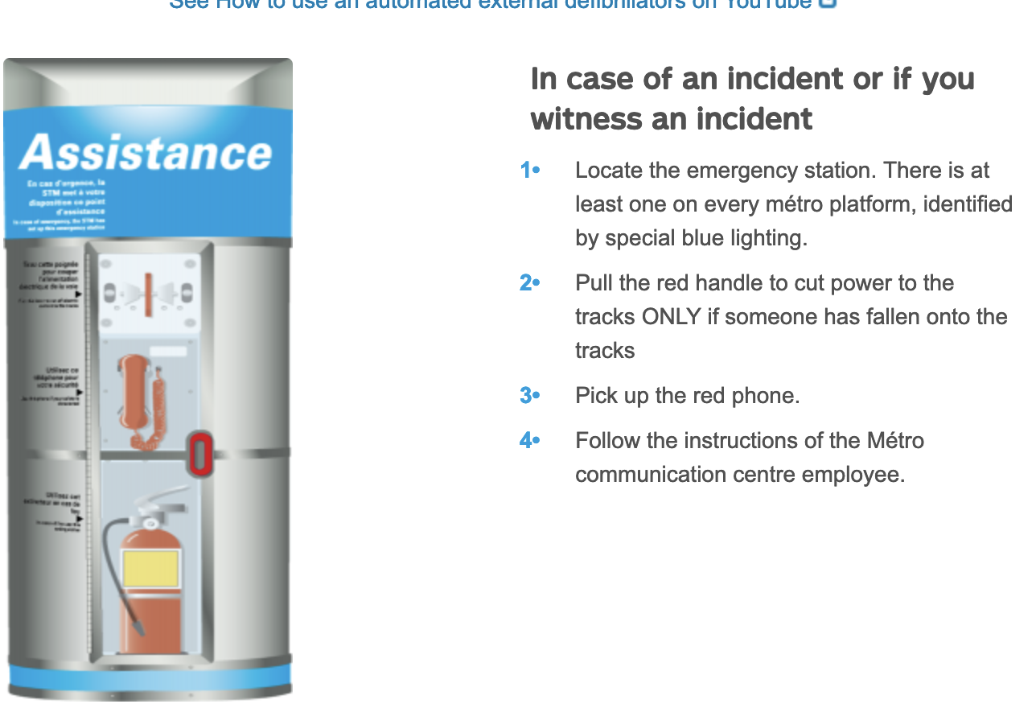
Audio Announcements | X | X | X | X | X |  | x
Lifts | X | X |  |  | X
Escalators | X | X |  |  | X
Moving Walkway |  |  |  |  | X

Defibillator |  |  |  |  | X |  | x

Taxi Service |  |  | X
Car Rental |  |  | X
Bike Rental |  |  | X
Bike Lane Patrol |  |  | X
Fare Discounts / Reductions |  |  | X
ATM |  |  |  |  | X
Information Stands |  |  |  |  | X
Late Night Bus / train | Limited | x | X
Short Customzed Bus Routes during Rush hour |  |  | X |  |  | x
Tram |  |  |  |  |  | x
E scooter

