Commenting Standards
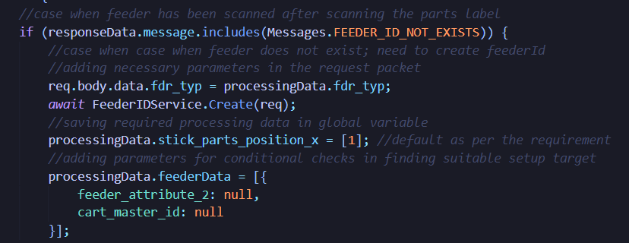
Top-Level Commenting
Back-End JS

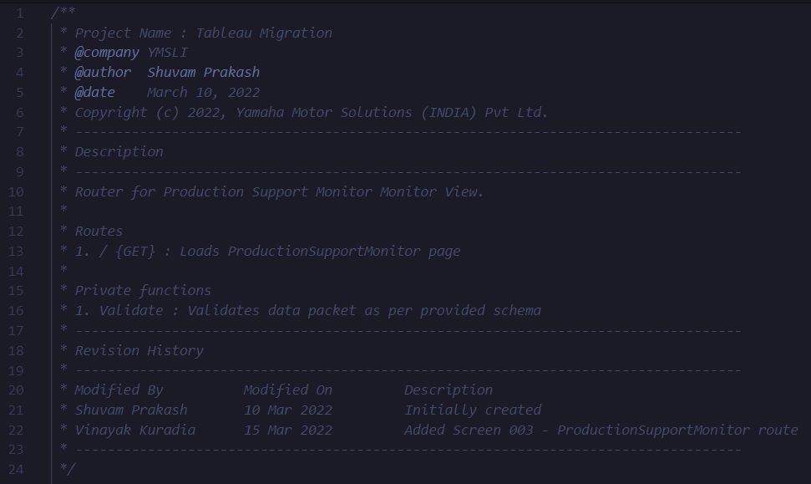
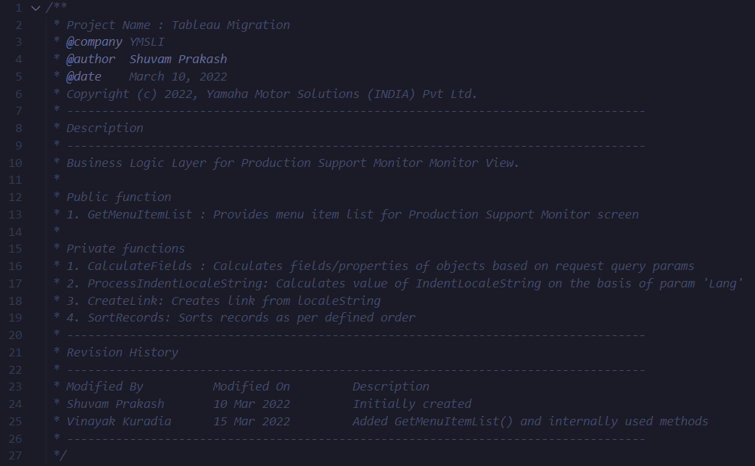

Function-Level Commenting (as per JSDoc)

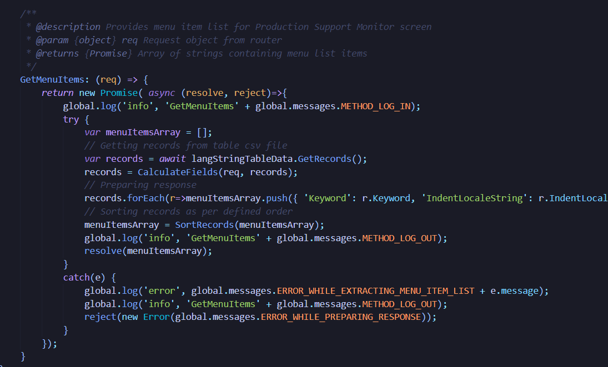
 |  | Implementation : In VS-Code, just type "/**" above a function definition and press enter. The comment structure will be created which needs to be modified accordingly. (After adding jsdoc extension)

Line-Level Commenting

 | Try to write comments that explain higher level mechanisms or clarify difficult segments of your code. Don’t use comments to restate trivial things.

