How To Use
How to use the DRAM register programming aid outline

Step 1. Obtain the desired DRAM data sheet from the DRAM vendor

The following are to be completed in the "Register Configuration" Worksheet tab.

Step 2. Update the Device Information table to include the DRAM information and system usage

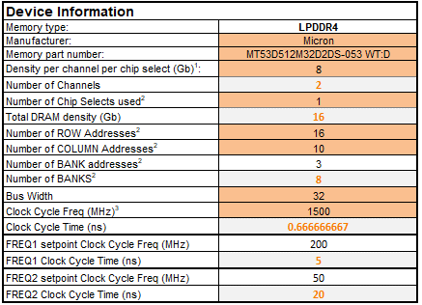

Step 3. Go through the various shaded cells in the spread sheet to update with data from the DRAM sheet (take special note of the “Legend” table to ascertain the meaning of different shaded cells; in many cases, the cells may not need to be updated).

Step 4. Go to the BoardDataBusConfig tab and correctly fill out the MX8 data bus mapping to the memory device. The user should take special care to ensure this worksheet is configured correctly or else the LPDDR4 system may not work properly.

Note: changes to the Register Configuration and BoardDataBusConfig worksheets are automatically updated in the DDR stress test file worksheet tab described next.

Step 5. The final worksheet tab "DDR stress test file" is the output of the RPA and represents the DRAM initialization for use with the DDR Stress Test. To create a DDR Stress Test script, the user must copy the contents in this worksheet tab and paste it to a text document, naming the document with the “.ds” file extension. The user will later select this file when executing the DDR stress test. It is important that the user must make sure to copy all of the contents from the DDR stress test file worksheet tab. One recommended method to ensure that all of the contents are selected before copying is to click on the arrow in the upper left hand corner of this sheet between row 1 and column A as shown below.
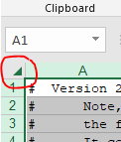

See additional note below.

# Note, though the extension of this file implies use with the DS5 debugger,
# the file is meant specifically for the DDR Stress Test GUI tool.
# It contains data commands which are not compatible with the DS5 debugger,
# trying to use this file with DS5 will result in errors.
# There are currently no plans to create a DS5 JTAG DRAM initialization script.

