How To Use
How to use the DRAM register programming aid outline

Step 1. Obtain the desired DRAM data sheet from the DRAM vendor

The following steps (2 to 4) are to be completed in the "Register Configuration" and "BoardDatabusConfig" Worksheet tabs.

Step 2. Update the Device Information table to include the DRAM information and system usage
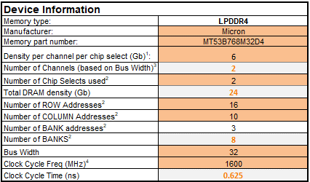

Step 3. Go through the various shaded cells in the spread sheet to update with data from the DRAM sheet (take special note of the “Legend” table to ascertain the meaning of different shaded cells; in many cases, the cells may not need to be updated).

Step 4. Go to the BoardDataBusConfig tab and correctly fill out the MX8 data bus mapping to the memory device.

Step 5. The final two sets of tabs are the outputs of the RPA and represent the DRAM initialization in two formats: DCD CFG file for use with the BSP and DDR Stress Test Script for use with the DDR Stress Test. - DDR Stress Test script: This format is used specifically with the DDR stress test. In this scenario, the user copies the contents in this work sheet tab and paste it to a document, naming the document with the “.ds” file extension. The user will later select this file when executing the DDR stress test. - DCD CFG file: This format is the configuration file used specifically by the SCFW. In this scenario, the user copies the contents in this work sheet tab and paste it to a document, naming the document with the “.cfg” file extension and placing this file in the appropriate SCFW board file directory.

