Room Layout
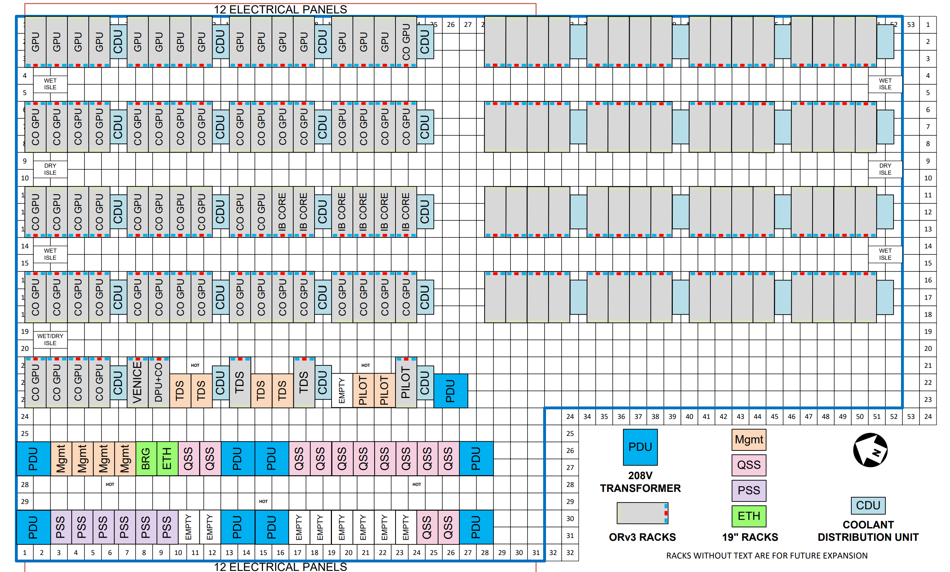
Hot Aisle (rear of racks) - airflow ↑ |  |  |  | Hot Aisle (rear of racks) - airflow ↑

Empty | PILOT Mgmt R3 | PILOT Mgmt R2 | PILOT Compute 1

Cold Aisle (front of racks) - airflow ↑ |  |  |  | Cold Aisle (front of racks) - airflow ↑

