dashboard

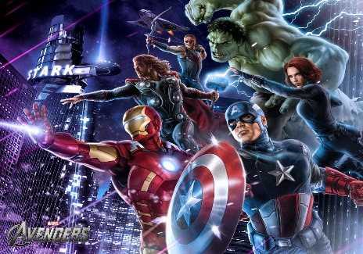
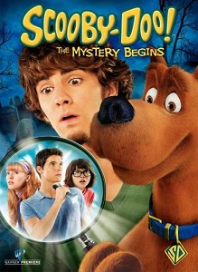


No.of Total Movies by Year

Alyson Hannigan
Top Actor (Gross Revenue)
49
Total Movie Released
 | Total
1933 | 1
1935 | 1
1936 | 1
1959 | 1
1964 | 2
1970 | 2
1972 | 1
1973 | 2
1974 | 2
1977 | 1
1978 | 1
1980 | 3
1981 | 2
1982 | 3
1984 | 4
1986 | 5
1987 | 6
1988 | 7
1989 | 7
1990 | 7
1991 | 7
1992 | 9
1993 | 6
1994 | 18
1995 | 17
1996 | 29
1997 | 24
1998 | 45
1999 | 61
2000 | 54
2001 | 62
2002 | 55
2003 | 49
2004 | 62
2005 | 49
2006 | 53
2007 | 40
2008 | 48
2009 | 53
2010 | 48
2011 | 42
2012 | 39
2013 | 36
2014 | 30
2015 | 21


Top Genre
Love Actually
Genre Popularity
Bruce Almighty
Top Revenue
Longest Duration (Min)
 | Comedy
2003 | 2301222904

129
A Guy Thing
Top Budget

0.00 B

Top Rated Genre
 | Total
Action | 243.2
Adventure | 86
Comedy | 288.2
Crime | 55.9
Drama | 148.9
Top 5 Grossing
 | Total
Something's Gotta Give | 124590960
Bringing Down the House | 132541238
Cheaper by the Dozen | 138614544
Elf | 173381405
Bruce Almighty | 242589580

Love Actually
 | Sum of Budget | Sum of Revenue
1933 | 439000 | 2300000
1935 | 609000 | 3000000
1936 | 1500000 | 163245
1959 | 2883848 | 25000000
1964 | 6560000 | 102815005
1970 | 25900000 | 14000000
1972 | 10000 | 180483
1973 | 6277000 | 274600000
1974 | 5400000 | 205800000
1977 | 4000000 | 39200000
1978 | 3000000 | 141600000
1980 | 19500000 | 193000000
1981 | 24000000 | 114000000
1982 | 62000000 | 261000000
1984 | 31000000 | 304270000
1986 | 87875000 | 145145191
1987 | 37200000 | 215614103
1988 | 112500000 | 401753455
1989 | 90900000 | 372550134
1990 | 124259000 | 578722556
1991 | 115023000 | 357556426
1992 | 241000000 | 514500923
1993 | 132500000 | 360865725
1994 | 391430000 | 1038387895
1995 | 295825000 | 492768775
1996 | 658550000 | 905400318
1997 | 466925000 | 895850741
1998 | 1005460000 | 1503961711
1999 | 1176002000 | 1550781400
2000 | 1507000000 | 2029648097
2001 | 1407440000 | 1754183211
2002 | 1117000159 | 1930909820
2003 | 1343450000 | 2301222904
2004 | 1816715000 | 2253943872
2005 | 1151965000 | 1435539657
2006 | 13371750000 | 1708881415
2007 | 790600000 | 1277586251
2008 | 1358000000 | 1786197758
2009 | 1402100000 | 1857028182
2010 | 1282565000 | 1453555379
2011 | 1148574000 | 1924170203
2012 | 1022200000 | 1643956391
2013 | 702700000 | 1390348514
2014 | 629970000 | 1232123306
2015 | 528900000 | 1033910451
Budget VS Revenue
7.7

no.of total movies by year
Row Labels | Count of Title
1933 | 1
1935 | 1
1936 | 1
1959 | 1
1964 | 2
1970 | 2
1972 | 1
1973 | 2
1974 | 2
1977 | 1
1978 | 1
1980 | 3
1981 | 2
1982 | 3
1984 | 4
1986 | 5
1987 | 6
1988 | 7
1989 | 7
1990 | 7
1991 | 7
1992 | 9
1993 | 6
1994 | 18
1995 | 17
1996 | 29
1997 | 24
1998 | 45
1999 | 61
2000 | 54
2001 | 62
2002 | 55
2003 | 49
2004 | 62
2005 | 49
2006 | 53
2007 | 40
2008 | 48
2009 | 53
2010 | 48
2011 | 42
2012 | 39
2013 | 36
2014 | 30
2015 | 21
Grand Total | 1016

top genre
Row Labels | Sum of Revenue
Action | 3501562095 | Action | 3501562095
Adventure | 924231101 | Adventure | 924231101
Animation | 7002255 | Animation | 7002255
Biography | 93272393 | Biography | 93272393
Comedy | 2301222904 | Comedy | 2301222904
Crime | 173168357 | Crime | 173168357
Documentary | 3713002
Drama | 417496219
Horror | 204965404
Mystery | 56193417

total no.of released movies
Count of Title | Count of Title
49 | 49

top rated genre
Row Labels | Sum of IMDb Score
Action | 243.2
Adventure | 86
Comedy | 288.2
Crime | 55.9
Drama | 148.9
Grand Total | 822.2

yearwise popularityof genre
Sum of Revenue | Column Labels
Row Labels | Comedy | Grand Total
2003 | 2301222904 | 2301222904
Grand Total | 2301222904 | 2301222904

top 5 grossing
Row Labels | Sum of Revenue
Something's Gotta Give | 124590960
Bringing Down the House | 132541238
Cheaper by the Dozen | 138614544
Elf | 173381405
Bruce Almighty | 242589580
Grand Total | 811717727

revenue vs budget
Row Labels | Sum of Budget | Sum of Revenue
1933 | 439000 | 2300000
1935 | 609000 | 3000000
1936 | 1500000 | 163245
1959 | 2883848 | 25000000
1964 | 6560000 | 102815005
1970 | 25900000 | 14000000
1972 | 10000 | 180483
1973 | 6277000 | 274600000
1974 | 5400000 | 205800000
1977 | 4000000 | 39200000
1978 | 3000000 | 141600000
1980 | 19500000 | 193000000
1981 | 24000000 | 114000000
1982 | 62000000 | 261000000
1984 | 31000000 | 304270000
1986 | 87875000 | 145145191
1987 | 37200000 | 215614103
1988 | 112500000 | 401753455
1989 | 90900000 | 372550134
1990 | 124259000 | 578722556
1991 | 115023000 | 357556426
1992 | 241000000 | 514500923
1993 | 132500000 | 360865725
1994 | 391430000 | 1038387895
1995 | 295825000 | 492768775
1996 | 658550000 | 905400318
1997 | 466925000 | 895850741
1998 | 1005460000 | 1503961711
1999 | 1176002000 | 1550781400
2000 | 1507000000 | 2029648097
2001 | 1407440000 | 1754183211
2002 | 1117000159 | 1930909820
2003 | 1343450000 | 2301222904
2004 | 1816715000 | 2253943872
2005 | 1151965000 | 1435539657
2006 | 13371750000 | 1708881415
2007 | 790600000 | 1277586251
2008 | 1358000000 | 1786197758
2009 | 1402100000 | 1857028182
2010 | 1282565000 | 1453555379
2011 | 1148574000 | 1924170203
2012 | 1022200000 | 1643956391
2013 | 702700000 | 1390348514
2014 | 629970000 | 1232123306
2015 | 528900000 | 1033910451
Grand Total | 35709457007 | 38027993497

pictures







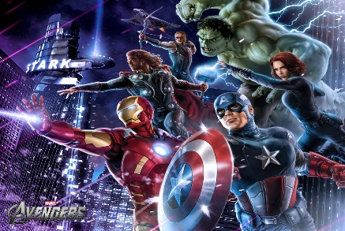


This Photo by Unknown Author is licensed under CC BY-SA

This Photo by Unknown Author is licensed under CC BY
This Photo by Unknown Author is licensed under CC BY-NC-ND

This Photo by Unknown Author is licensed under CC BY-SA

