Sheet2
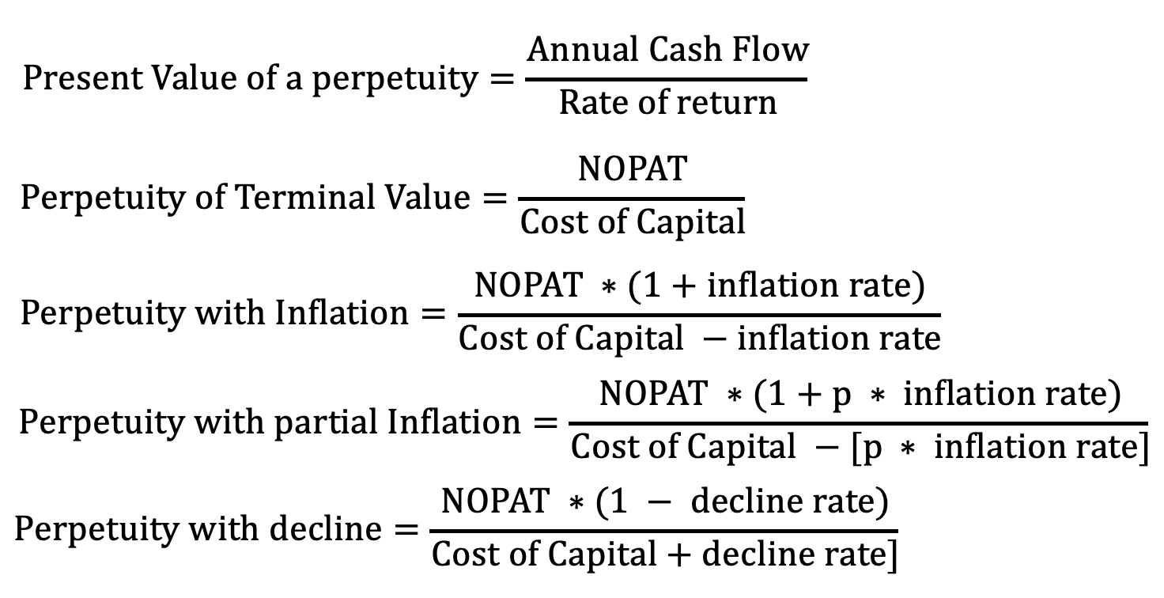
 | $ in millions |  | Forecast Period
 |  | Year 0 | Year 1 | Year 2 | Year 3 | Year 4 | Year 5 | Assumptions
 | Sales [S] | $100 | $110 | $121 | $133 | $146 | $161 | % Sales growth [g] | 10%
(-) | Operating expenses [C + S*g*(1-m)] | 85.0 | 93.5 | 102.9 | 113.1 | 124.4 | 136.9 | Pre-Tax margin on incremental sales [m] | 15%
 | Operating Profit [OP] | $15.00 | $16.50 | $18.15 | $19.97 | $21.96 | $24.16 | % Operating profit margin [OPM] | 15%
(-) | Cash Taxes on OP | 3.75 | 4.13 | 4.54 | 4.99 | 5.49 | 6.04 | Cash Tax Rate | 25%
 | Net Operating Profit after Tax [NOPAT] | $11.25 | $12.38 | $13.61 | $14.97 | $16.47 | $18.12 | Incremental fixed-capital investment rate | 15%
(-) | Incremental fixed capital investment | 0.0 | 1.5 | 1.72 | 1.98 | 2.28 | 2.62 | Incremental working-capital investment rate | 10%
(-) | Incremental working capital investment | 0.0 | 1.0 | 1.10 | 1.21 | 1.33 | 1.46 | Discount Rate [r] | 8%
 | Free Cash Flow |  | $9.88 | $10.79 | $11.78 | $12.86 | $14.03 | Inflation Rate [y] | 2%
 | PV of FCFs |  | 9.14 | 9.25 | 9.35 | 9.45 | 9.55
 | Cumulative PV of FCFs |  | 9.14 | 18.39 | 27.74 | 37.20 | 46.74
 |  |  |  |  |  |  | 14.46
 | Terminal Value = NOP5*(1+y)/(r-y) |  |  |  |  |  | 308.01
 | PV of Terminal Value = TV/(1+r)^5 |  |  |  |  |  | 209.63

 | Shareholder Value |  |  |  |  |  | $256.37

$$Present Value of a perpetuity=\frac{Annual Cash Flow}{Rate of return}$$

$$Perpetuity of Terminal Value=\frac{NOPAT}{Cost of Capital}$$

$$Perpetuity with Inflation=\frac{NOPAT ∗(1+inflation rate)}{Cost of Capital −inflation rate}$$

$$Perpetuity with partial Inflation=\frac{NOPAT ∗(1+p ∗ inflation rate)}{Cost of Capital −[p ∗ inflation rate]}$$

$$Perpetuity with decline=\frac{NOPAT ∗(1 − decline rate)}{Cost of Capital+decline rate]}$$

