Sheet1
 | $ in millions |  |  |  | % Sales growth [g] | 10% |  | % Sales growth [g] | 20%
 |  |  |  |  | Pre-Tax margin on incremental sales [m] | 15% |  | Pre-Tax margin on incremental sales [m] | 10%
 | Sales [S] | $100 |  |  | Sales [S*(1+g)] | $110 |  | Sales [S*(1+g)] | $120
(-) | Operating expenses [C] | 85 |  | (-) | Operating expenses [C + S*g*(1-m)] | 93.5 | (-) | Operating expenses [C + S*g*(1-m)] | 103.0
 | Operating Profit | 15 |  |  | Operating Profit | 16.5 |  | Operating Profit | 17
 | % Operating profit margin [OPM] | 15% |  |  | % Operating profit margin [OPM] | 15% |  | % Operating profit margin [OPM] | 15%
(-) | Taxes (@ 20%) | 3 |  | (-) | Taxes (@ 20%) | 3.3 | (-) | Taxes (@ 20%) | 3.4
 | Earnings [E] | $12.0 |  |  | Earnings | $13.2 |  | Earnings | $13.6

 | Discount Rate [r] | 8% |  |  | Discount Rate | 8% |  | Discount Rate | 8%
 |  |  |  | (-) | Investment Opportunity Cost [O] | $15 | (-) | Investment Opportunity Cost [O] | $30
 | Implied Shareholder Value [E/r] | $150.0 |  |  | Implied Shareholder Value [E/r - O] | $150.0 |  | Implied Shareholder Value | $140.0
 |  |  |  |  | △ in Shareholder value | $0.0 |  | △ in Shareholder value | -$10.0
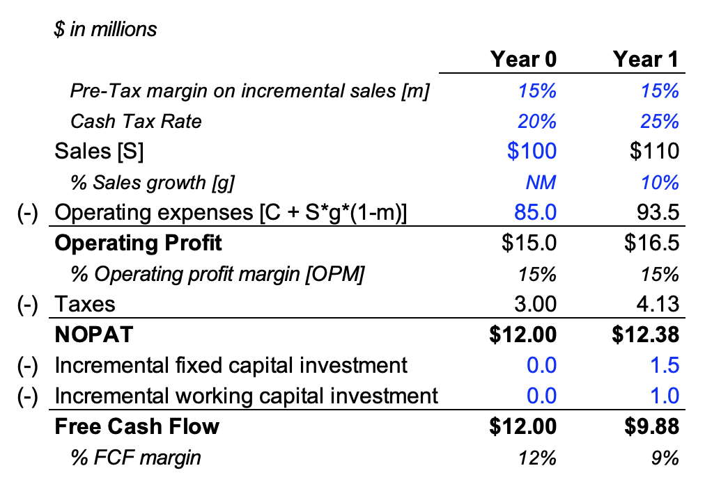
 | $ in millions
 |  | Year 0 | Year 1
 | Pre-Tax margin on incremental sales [m] | 15% | 15%
 | Cash Tax Rate | 20% | 25%
 | Sales [S] | $100 | $110
 | % Sales growth [g] | NM | 10%
(-) | Operating expenses [C + S*g*(1-m)] | 85.0 | 93.5
 | Operating Profit | $15.0 | $16.5
 | % Operating profit margin [OPM] | 15% | 15%
(-) | Taxes | 3.00 | 4.13
 | NOPAT | $12.00 | $12.38
(-) | Incremental fixed capital investment | 0.0 | 1.5
(-) | Incremental working capital investment | 0.0 | 1.0
 | Free Cash Flow | $12.00 | $9.88
 | % FCF margin | 12% | 9%

 | Discount Rate | 8%
(-) | Investment Opportunity Cost [O] | $15
 | Implied Shareholder Value [E/r - O] | $135.0
 | △ in Shareholder value | -$15.0

