V2
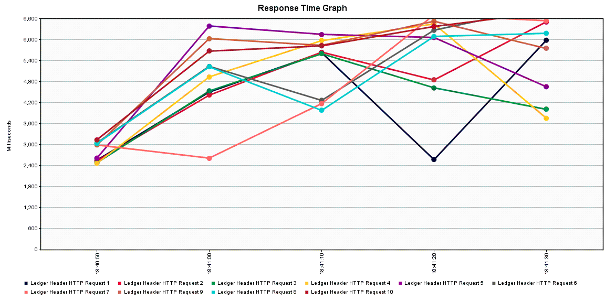
Summary |  |  |  |  |  |  |  |  |  |  |  |  | Table | Records - Before Creation | Records - After Creation | Environment
Label | # Samples | Average | Min | Max | Std. Dev. | Error % | Throughput | Received KB/sec | Sent KB/sec | Avg. Bytes | Requests/Sec |  | LDGR_HDR | 331368 | 331468 | Developer Machine
Ledger Header HTTP Request 1 | 10 | 4136 | 1553 | 7980 | 2043.58 | 0.00% | 0.21609 | 0.38 | 0.45 | 1789.7 | 12.9654 |  | LDGR_ENTRY | 1647452 | 1647952 | Developer Machine
Ledger Header HTTP Request 2 | 10 | 4668 | 1724 | 7795 | 2083.22 | 0.00% | 0.21613 | 0.38 | 0.45 | 1789.7 | 12.9678 |  | LDGR_SUM | 1395943 | 1396443 | Developer Machine
Ledger Header HTTP Request 3 | 10 | 4146 | 1699 | 6997 | 1844.65 | 0.00% | 0.21879 | 0.38 | 0.46 | 1788.5 | 13.1274
Ledger Header HTTP Request 4 | 10 | 4614 | 1410 | 8209 | 2249.38 | 0.00% | 0.21703 | 0.38 | 0.45 | 1787.7 | 13.0218
Ledger Header HTTP Request 5 | 10 | 5198 | 1928 | 7761 | 1942.11 | 0.00% | 0.21353 | 0.37 | 0.44 | 1788.6 | 12.8118
Ledger Header HTTP Request 6 | 10 | 4710 | 2444 | 7615 | 2024.05 | 0.00% | 0.21322 | 0.37 | 0.44 | 1788.2 | 12.7932
Ledger Header HTTP Request 7 | 10 | 4187 | 2357 | 7265 | 1889.75 | 0.00% | 0.21426 | 0.37 | 0.45 | 1788.5 | 12.8556
Ledger Header HTTP Request 9 | 10 | 5077 | 1537 | 8112 | 1999.78 | 0.00% | 0.21378 | 0.37 | 0.45 | 1789.9 | 12.8268
Ledger Header HTTP Request 8 | 10 | 4516 | 2299 | 7125 | 1675.51 | 0.00% | 0.21362 | 0.37 | 0.44 | 1788.7 | 12.8172
Ledger Header HTTP Request 10 | 10 | 5092 | 1546 | 7792 | 1985.58 | 0.00% | 0.21312 | 0.37 | 0.44 | 1789.8 | 12.7872
TOTAL | 100 | 4634 | 1410 | 8209 | 2014.93 | 0.00% | 2.14957 | 3.65 | 4.35 | 1788.9 | 128.9742

Aggregate
Label | # Samples | Average | Median | 90% Line | 95% Line | 99% Line | Min | Max | Error % | Throughput | Received KB/sec | Sent KB/sec | Requests/Sec
Ledger Header HTTP Request 1 | 10 | 4136 | 3011 | 6954 | 6954 | 7980 | 1553 | 7980 | 0.00% | 0.21609 | 0.38 | 0.45 | 12.9654
Ledger Header HTTP Request 2 | 10 | 4668 | 3343 | 6890 | 6890 | 7795 | 1724 | 7795 | 0.00% | 0.21613 | 0.38 | 0.45 | 12.9678
Ledger Header HTTP Request 3 | 10 | 4146 | 3269 | 6623 | 6623 | 6997 | 1699 | 6997 | 0.00% | 0.21879 | 0.38 | 0.46 | 13.1274
Ledger Header HTTP Request 4 | 10 | 4614 | 4200 | 7109 | 7109 | 8209 | 1410 | 8209 | 0.00% | 0.21703 | 0.38 | 0.45 | 13.0218
Ledger Header HTTP Request 5 | 10 | 5198 | 5808 | 7578 | 7578 | 7761 | 1928 | 7761 | 0.00% | 0.21353 | 0.37 | 0.44 | 12.8118
Ledger Header HTTP Request 6 | 10 | 4710 | 3646 | 7340 | 7340 | 7615 | 2444 | 7615 | 0.00% | 0.21322 | 0.37 | 0.44 | 12.7932
Ledger Header HTTP Request 7 | 10 | 4187 | 2846 | 6541 | 6541 | 7265 | 2357 | 7265 | 0.00% | 0.21426 | 0.37 | 0.45 | 12.8556
Ledger Header HTTP Request 9 | 10 | 5077 | 5756 | 6825 | 6825 | 8112 | 1537 | 8112 | 0.00% | 0.21378 | 0.37 | 0.45 | 12.8268
Ledger Header HTTP Request 8 | 10 | 4516 | 4030 | 6428 | 6428 | 7125 | 2299 | 7125 | 0.00% | 0.21362 | 0.37 | 0.44 | 12.8172
Ledger Header HTTP Request 10 | 10 | 5092 | 5672 | 7175 | 7175 | 7792 | 1546 | 7792 | 0.00% | 0.21312 | 0.37 | 0.44 | 12.7872
TOTAL | 100 | 4634 | 4278 | 7175 | 7761 | 8112 | 1410 | 8209 | 0.00% | 2.14957 | 3.65 | 4.35 | 128.9742

