V1
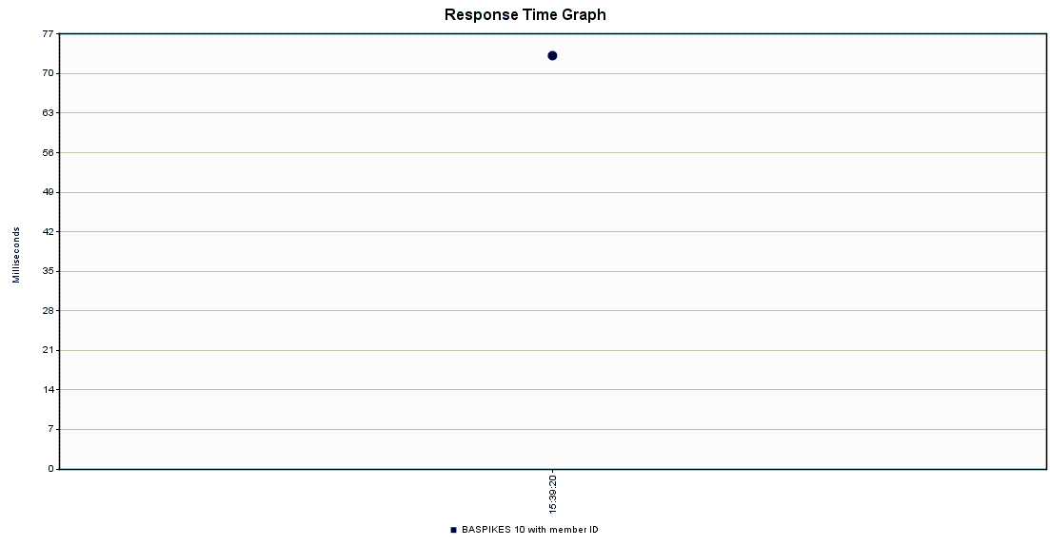
Summary |  |  |  |  |  |  |  |  |  |  |  |  | Table | Records - Before Inquiry | Environment
Label | # Samples | Average | Min | Max | Std. Dev. | Error % | Throughput | Received KB/sec | Sent KB/sec | Avg. Bytes |  |  | LDGR_HDR | 332757 | Developer Machine
BASPIKES 10 with member ID | 100 | 69 | 6 | 876 | 149.75 | 2.00% | 62.1118 | 77.73 | 9.93 | 1281.5 |  |  | LDGR_ENTRY | 1654169 | Developer Machine
TOTAL | 100 | 69 | 6 | 876 | 149.75 | 2.00% | 62.1118 | 77.73 | 9.93 | 1281.5 |  |  | LDGR_SUM | 1402567 | Developer Machine

Aggregate
Label | # Samples | Average | Median | 90% Line | 95% Line | 99% Line | Min | Max | Error % | Throughput | Received KB/sec | Sent KB/sec
BASPIKES 10 with member ID | 100 | 69 | 14 | 230 | 436 | 633 | 6 | 876 | 2.00% | 62.1118 | 77.73 | 9.93
TOTAL | 100 | 69 | 14 | 230 | 436 | 633 | 6 | 876 | 2.00% | 62.1118 | 77.73 | 9.93

