V1
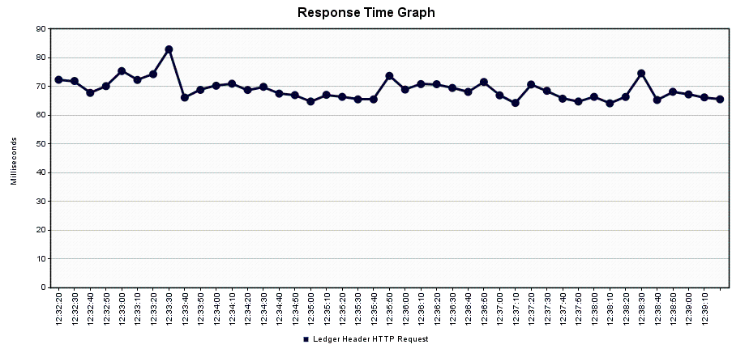
URL | https://accums-service-v1-unpreponderated -melamine.cfaa.hcsctest.net/accums-service |  |  | Table | Records - Before Creation | Records - After Creation | Environment
Number of Threads (Users) | 5 |  |  | LDGR_HDR | 2799833 | 2854613 | PCF-accums-service-v1
Ramp-up Period (in Seconds) | 0 |  |  | LDGR_ENTRY | 13973201 | 14247101 | PCF-accums-service-v1
Duration (Seconds) | 900 |  |  | LDGR_SUM | 10496140 | 10769895 | PCF-accums-service-v1
Startup Delay (Seconds) | 0
Execution Date | 2017-11-30

 |  |  |  |  |  | Summary
Label | # Samples | Average | Min | Max | Std. Dev. | Error % | Throughput | Received KB/sec | Sent KB/sec | Avg. Bytes
Accums Ledger Performance Test:Ledger Header HTTP Request | 54742 | 75 | 30 | 2924 | 145.1 | 0.00% | 60.79229 | 105.72 | 128.22 | 1780.7
TOTAL | 54742 | 75 | 30 | 2924 | 145.1 | 0.00% | 60.79229 | 105.72 | 128.22 | 1780.7

 |  |  |  |  |  | Aggregate
Label | # Samples | Average | Median | 90% Line | 95% Line | 99% Line | Min | Max | Error % | Throughput | Received KB/sec | Sent KB/sec
Accums Ledger Performance Test:Ledger Header HTTP Request | 54742 | 75 | 62 | 94 | 114 | 180 | 30 | 2924 | 0.00% | 60.79229 | 105.72 | 128.22
TOTAL | 54742 | 75 | 62 | 94 | 114 | 180 | 30 | 2924 | 0.00% | 60.79229 | 105.72 | 128.22

V3
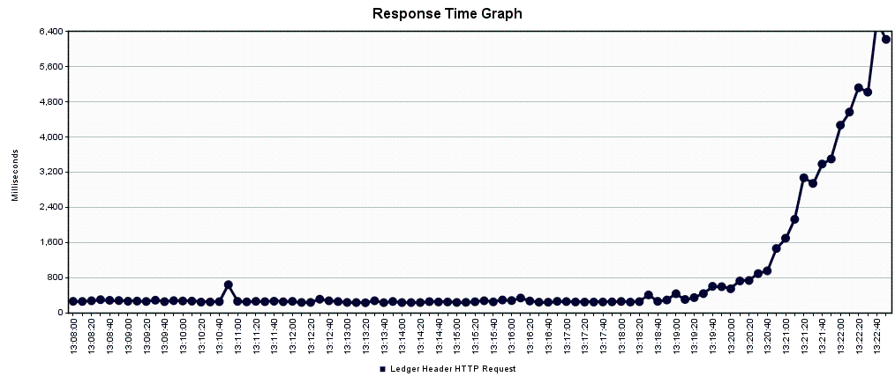
URL | https://accums-service-v1-unpreponderated -melamine.cfaa.hcsctest.net/accums-service |  |  | Table | Records - Before Creation | Records - After Creation | Environment
Number of Threads (Users) | 20 |  |  | LDGR_HDR | 2909421 | 2964052 | PCF-accums-service-v1
Ramp-up Period (in Seconds) | 0 |  |  | LDGR_ENTRY | 14521141 | 14794296 | PCF-accums-service-v1
Duration (Seconds) | 900 |  |  | LDGR_SUM | 11043680 | 11316630 | PCF-accums-service-v1
Startup Delay (Seconds) | 0
Execution Date | 2017-11-30

 |  |  |  |  |  | Summary
Label | # Samples | Average | Min | Max | Std. Dev. | Error % | Throughput | Received KB/sec | Sent KB/sec | Avg. Bytes
Accums Ledger Performance Test:Ledger Header HTTP Request | 54632 | 321 | 30 | 255000 | 1198.9 | 0.00% | 60.5094 | 105.22 | 127.61 | 1780.7
TOTAL | 54632 | 321 | 30 | 255000 | 1198.9 | 0.00% | 60.5094 | 105.22 | 127.61 | 1780.7

 |  |  |  |  |  | Aggregate
Label | # Samples | Average | Median | 90% Line | 95% Line | 99% Line | Min | Max | Error % | Throughput | Received KB/sec | Sent KB/sec
Accums Ledger Performance Test:Ledger Header HTTP Request | 54632 | 321 | 251 | 379 | 471 | 2659 | 30 | 255000 | 0.00% | 60.5094 | 105.22 | 127.61
TOTAL | 54632 | 321 | 251 | 379 | 471 | 2659 | 30 | 255000 | 0.00% | 60.5094 | 105.22 | 127.61

V4
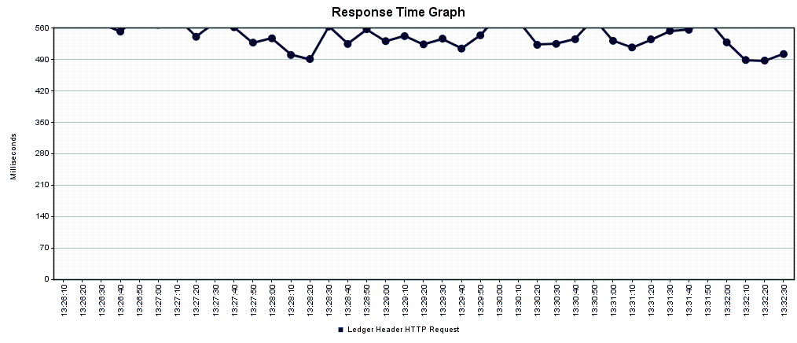
URL | https://accums-service-v1-unpreponderated -melamine.cfaa.hcsctest.net/accums-service |  |  | Table | Records - Before Creation | Records - After Creation | Environment
Number of Threads (Users) | 40 |  |  | LDGR_HDR | 2964052 | 3018385 | PCF-accums-service-v1
Ramp-up Period (in Seconds) | 0 |  |  | LDGR_ENTRY | 14794296 | 15065961 | PCF-accums-service-v1
Duration (Seconds) | 900 |  |  | LDGR_SUM | 11316630 | 11588100 | PCF-accums-service-v1
Startup Delay (Seconds) | 0
Execution Date | 2017-11-30

 |  |  |  |  |  | Summary
Label | # Samples | Average | Min | Max | Std. Dev. | Error % | Throughput | Received KB/sec | Sent KB/sec | Avg. Bytes
Accums Ledger Performance Test:Ledger Header HTTP Request | 54339 | 630 | 32 | 19934 | 648.38 | 0.01% | 60.01816 | 104.37 | 126.57 | 1780.8
TOTAL | 54339 | 630 | 32 | 19934 | 648.38 | 0.01% | 60.01816 | 104.37 | 126.57 | 1780.8

 |  |  |  |  |  | Aggregate
Label | # Samples | Average | Median | 90% Line | 95% Line | 99% Line | Min | Max | Error % | Throughput | Received KB/sec | Sent KB/sec
Accums Ledger Performance Test:Ledger Header HTTP Request | 54339 | 630 | 536 | 762 | 1038 | 2988 | 32 | 19934 | 0.01% | 60.01816 | 104.37 | 126.57
TOTAL | 54339 | 630 | 536 | 762 | 1038 | 2988 | 32 | 19934 | 0.01% | 60.01816 | 104.37 | 126.57

V5
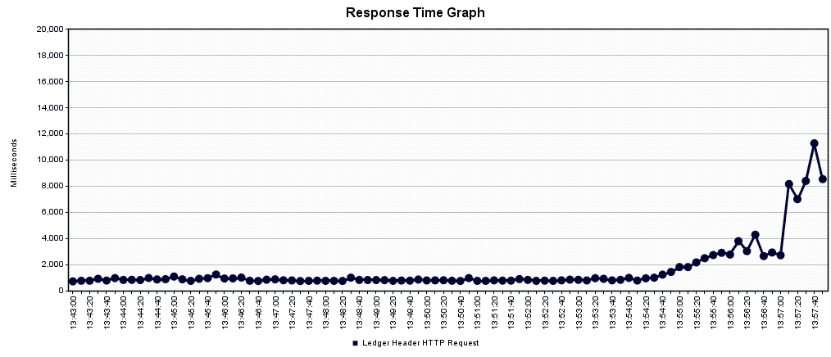
URL | https://accums-service-v1-unpreponderated -melamine.cfaa.hcsctest.net/accums-service |  |  | Table | Records - Before Creation | Records - After Creation | Environment
Number of Threads (Users) | 60 |  |  | LDGR_HDR | 3018385 | 3072338 | PCF-accums-service-v1
Ramp-up Period (in Seconds) | 0 |  |  | LDGR_ENTRY | 15065961 | 15335726 | PCF-accums-service-v1
Duration (Seconds) | 900 |  |  | LDGR_SUM | 11588100 | 11857630 | PCF-accums-service-v1
Startup Delay (Seconds) | 0
Execution Date | 2017-11-30

 |  |  |  |  |  | Summary
Label | # Samples | Average | Min | Max | Std. Dev. | Error % | Throughput | Received KB/sec | Sent KB/sec | Avg. Bytes
Accums Ledger Performance Test:Ledger Header HTTP Request | 54011 | 954 | 31 | 33137 | 919.94 | 0.11% | 59.71332 | 103.89 | 125.8 | 1781.5
TOTAL | 54011 | 954 | 31 | 33137 | 919.94 | 0.11% | 59.71332 | 103.89 | 125.8 | 1781.5

 |  |  |  |  |  | Aggregate
Label | # Samples | Average | Median | 90% Line | 95% Line | 99% Line | Min | Max | Error % | Throughput | Received KB/sec | Sent KB/sec
Accums Ledger Performance Test:Ledger Header HTTP Request | 54011 | 954 | 833 | 1250 | 2463 | 3228 | 31 | 33137 | 0.11% | 59.71332 | 103.89 | 125.8
TOTAL | 54011 | 954 | 833 | 1250 | 2463 | 3228 | 31 | 33137 | 0.11% | 59.71332 | 103.89 | 125.8

