V2
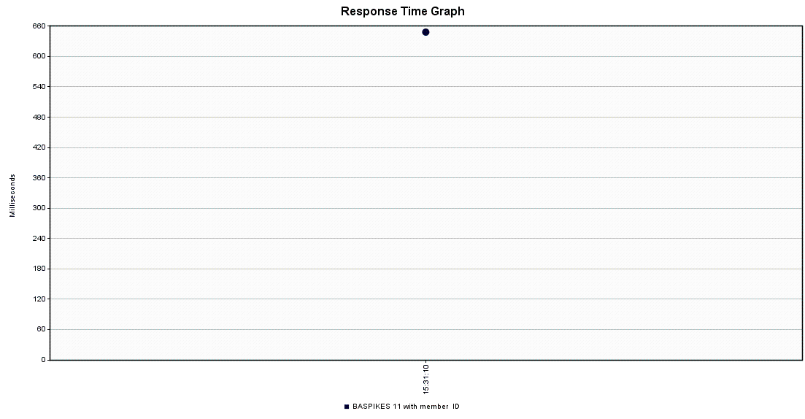
Summary |  |  |  |  |  |  |  |  |  |  |  |  | Table | Records - Before Inquiry | Environment
Label | # Samples | Average | Min | Max | Std. Dev. | Error % | Throughput | Received KB/sec | Sent KB/sec | Avg. Bytes |  |  | LDGR_HDR | 332757 | Developer Machine
BASPIKES 11 with member ID | 100 | 640 | 140 | 1076 | 209.09 | 1.00% | 13.72495 | 5.27 | 2.27 | 393.1 |  |  | LDGR_ENTRY | 1654169 | Developer Machine
TOTAL | 100 | 640 | 140 | 1076 | 209.09 | 1.00% | 13.72495 | 5.27 | 2.27 | 393.1 |  |  | LDGR_SUM | 1402567 | Developer Machine

Aggregate
Label | # Samples | Average | Median | 90% Line | 95% Line | 99% Line | Min | Max | Error % | Throughput | Received KB/sec | Sent KB/sec
BASPIKES 11 with member ID | 100 | 640 | 590 | 903 | 966 | 1073 | 140 | 1076 | 1.00% | 13.72495 | 5.27 | 2.27
TOTAL | 100 | 640 | 590 | 903 | 966 | 1073 | 140 | 1076 | 1.00% | 13.72495 | 5.27 | 2.27

