12
Scenario | Annotations | How To Use | Remarks
 |  |  | IMPORTANT TUTORIAL: LAZY vs EAGER FETCHING
 |  | user=(User)session.get(User.class, userId); | get() => default lazy fetch. Proxy Class created => Data loaded when getters called .
 |  |  | => DB query run on demand, not eagerly => may throw exception if session is closed.
 |  |  | SEE CODE BELOW
 | @ElementCollection | @ElementCollection(fetch = FetchType.EAGER) | => EAGER FETCHING

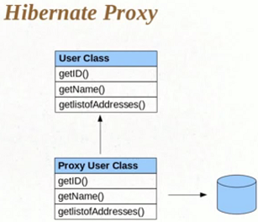
 |  | IMPORTANT TUTORIAL LAZY vs EAGER FETCHING

 | CODE | SessionFactory sf = new Configuration().configure.buildSessionFactory();
 |  | Session s = sf.openSession();
 |  | user=(User)s.get(User.class, 1); // get()
 |  | s.close(); // session closed
 |  | print(user.getListOfAddresses()); // Exception, if lazy fetching
 |  | // Works for eager fetching

17-18
 |  | INHERITANCE - SINGLE TABLE Strategy
Scenario | Annotations | How To Use | Remarks
 | @Inheritance | @Entity | @Inheritance, attributes NOT MANDATORY. Hibernate takes care by default.
Class Vehicle | @Inheritance(...) | @Inheritance(strategy=InheritanceType.SINGLE_TABLE) | Inheritance Types: SINGLE_TABLE, TABLE_PER_CLASS, JOINED, NONE etc
Class TwoWheeler | @Discriminator(...) | @Discriminator( name="VEHICLE_TYPE",
Class FourWheeler |  | discriminatorType=discriminatorType.STRING ) | Other Discriminator Types: INTEGER, CHAR
 |  | Class Vehicle{
 |  | int vehicleId; | Default Hibernate Inheritance strategy is Single table save. i.e.
 |  | String vehicleName; | Vehicle table will have columns for child-class properties, and one discriminator column
 |  | }
 | @DiscriminatorValue(...) | @Entity @DiscriminatorValue("BIKE") | Discriminator type field value in VEHICLE table (else, default will be the ClassName)
 |  | Class TwoWheeler extends Vehicle{
 |  | String steeringHandle;
 |  | }
 | @DiscriminatorValue(...) | @Entity @DiscriminatorValue("CAR") | Discriminator type field value in VEHICLE table (else, default will be the ClassName)
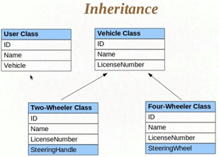
 |  | Class FourWheeler extends Vehicle{
 |  | String steeringWheel; | INCLUDING CHILD COLUMNS MAY CAUSE MULTIPLE NULL VALUES IN TABLE
 |  | } | So, not efficient when it comes to DB design. NOT IN NORMALIZED FORM.
 |  | INSIDE MAIN: session.save(vehicleObj); session.save(twoWheelerObj); session.save(fourWheelerObj);

23




Object State Changes
Theory

When an object is in persistent state:
calling session.delete() makes object transient. session.save() => persistent again.
calling session.close() makes object detached.

24
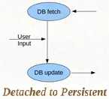
 |  | Persisting Detached Objects |  | A
Scenario | OPEARTIONS | How To Use | Remarks
Class User | @org.h.a.Entity | @Entity @org.hibernate.annotations.Entity( selectBeforeUpdate=true) | causes to fire a select to compare object. If diff, then only fire update.
 |  | Class User { … }
 |  | Class Test { static SessionFactory sf = null;
 |  | p.s.v.main(…) {
 |  | Session s = getSession (); s.beginTransaction(); | some operation
 |  | User u=(User)s.get(User.class, 1); | session closed, object detached
 |  | s.getTransaction().commit(); s.close();
 |  | u.setUsername("Updated username after session closed "); | NEW SESSION, change data
 |  | s = getSession (); s.beginTransaction(); s.update(u); | Works even after update, i.e. before commit
 |  | u.setUsername("Name after update"); | Diff session. If org.Hib...Entity class used, query fired if obj changed, else not
 |  | s.getTransaction().commit(); s.close();
 |  | sf.close();
 |  | } }
 |  | Self-defined Util Methods
Session getSession () { sf = new Configuration("...cfg.xml").buildSessionFactory(); return sf.openSession(); }

