Solver
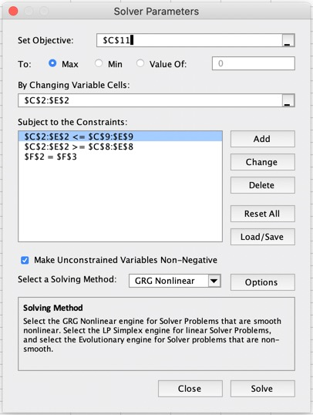
Comments |  | TV | radio | newspaper | Total
Solver | Optimized Spend | $85,142,220 | $11,166,720 | $7,332,960 | $103,641,900
original spend | Original Spend | $88,225,500 | $9,305,600 | $6,110,800 | $103,641,900
original activity | Original Activity | 29,408 | 4,653 | 6,111
Cost per Point(cpp) | Cost Per Activity | $3,000 | $2,000 | $1,000
 | Original Revenue | $129,985,054 | $71,271,377 | $212,922 | $201,469,353
 | Optimized Revenue | $135,407,380 | $101,684,383 | $1,402,642 | $238,494,405
Channel Spend Limit -20% | MIN Spend | $70,580,400 | $7,444,480 | $4,888,640
Channel Spend Limit +20% | Max Spend | $105,870,600 | $11,166,720 | $7,332,960
 | Original ROI | 1.94
 | Optimized ROI | 2.30
The data provided by clients
Caculate spending up down
Use the Model's coefficient*activity get the contribution, and * unit price to get sales revenue data.
After get optimized spend, we know how much more/less to spend on each channel, so that we will get the optimized revenue.
Solver Condition: 1. Objective is to maxmize ROI 2.We are going to change media spend(optimized spend) 3. Optimized spend no more than or less than original media budget 3. Spend total should keep the same as original |  | Assume Per Unit Price
 |  | $75,000.00

