semantic_test
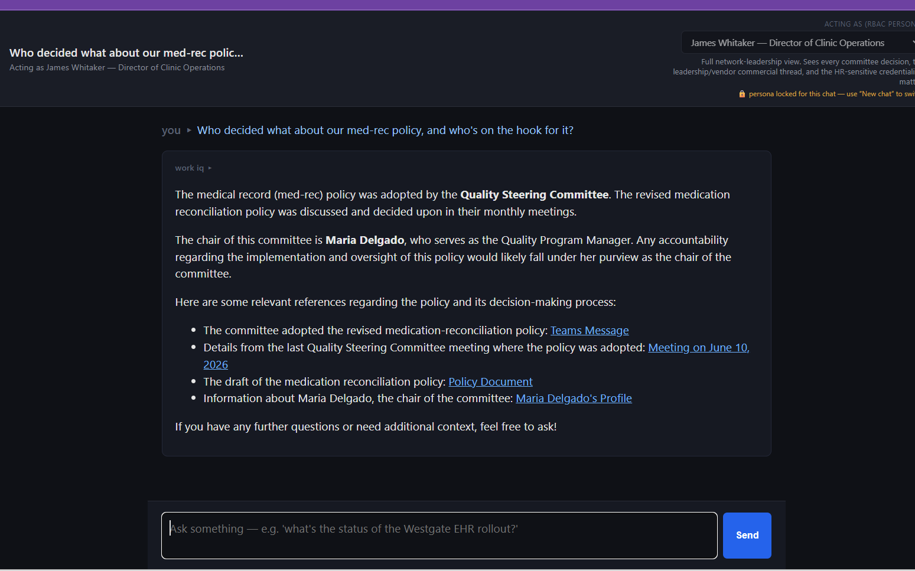
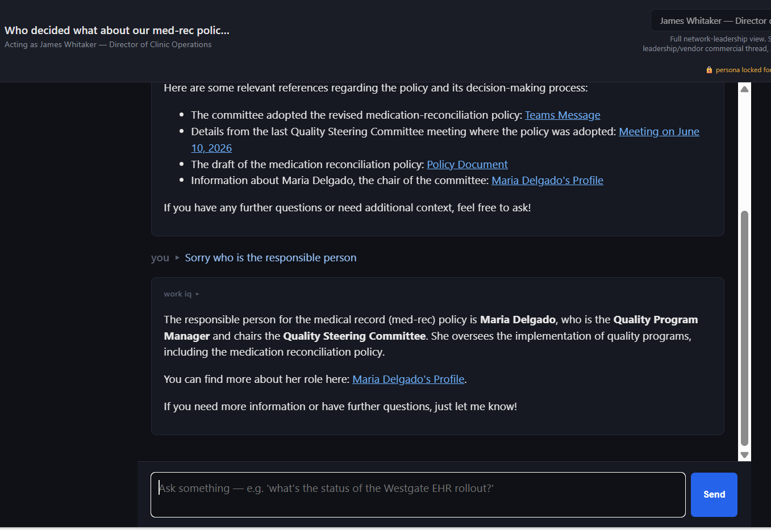
 | Questions | answers
Actual | What did the quality steering committee decide about the medication-reconciliation policy in its last meeting, and who owns the follow-up?
 | "Who owns the medication-reconciliation follow-up?"
 | "Who is responsible for the med-rec policy decision?"
 | Who decided what about our med-rec policy, and who's on the hook for it

memory storage and

 | Who decided what about our med-rec policy, and who's on the hook for it

entity_test
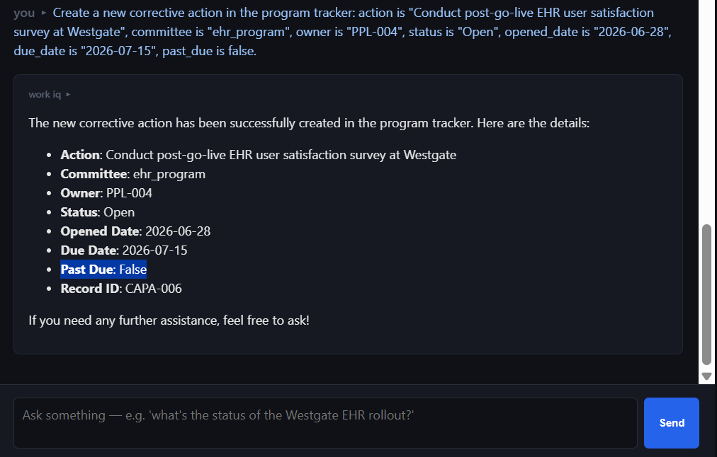
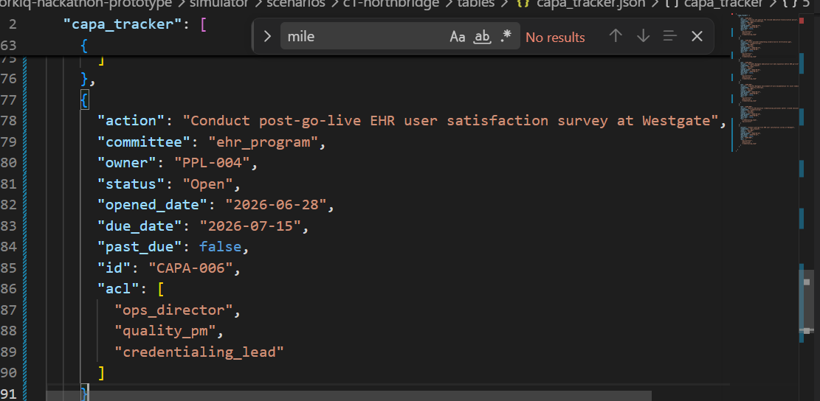
Entuty Update :

Persona: | Maria Delgato Program Manager
Prompt | I've updated the status of the open corrective actions from the quality committee in the program tracker and flagged the ones that are past due.

Result :
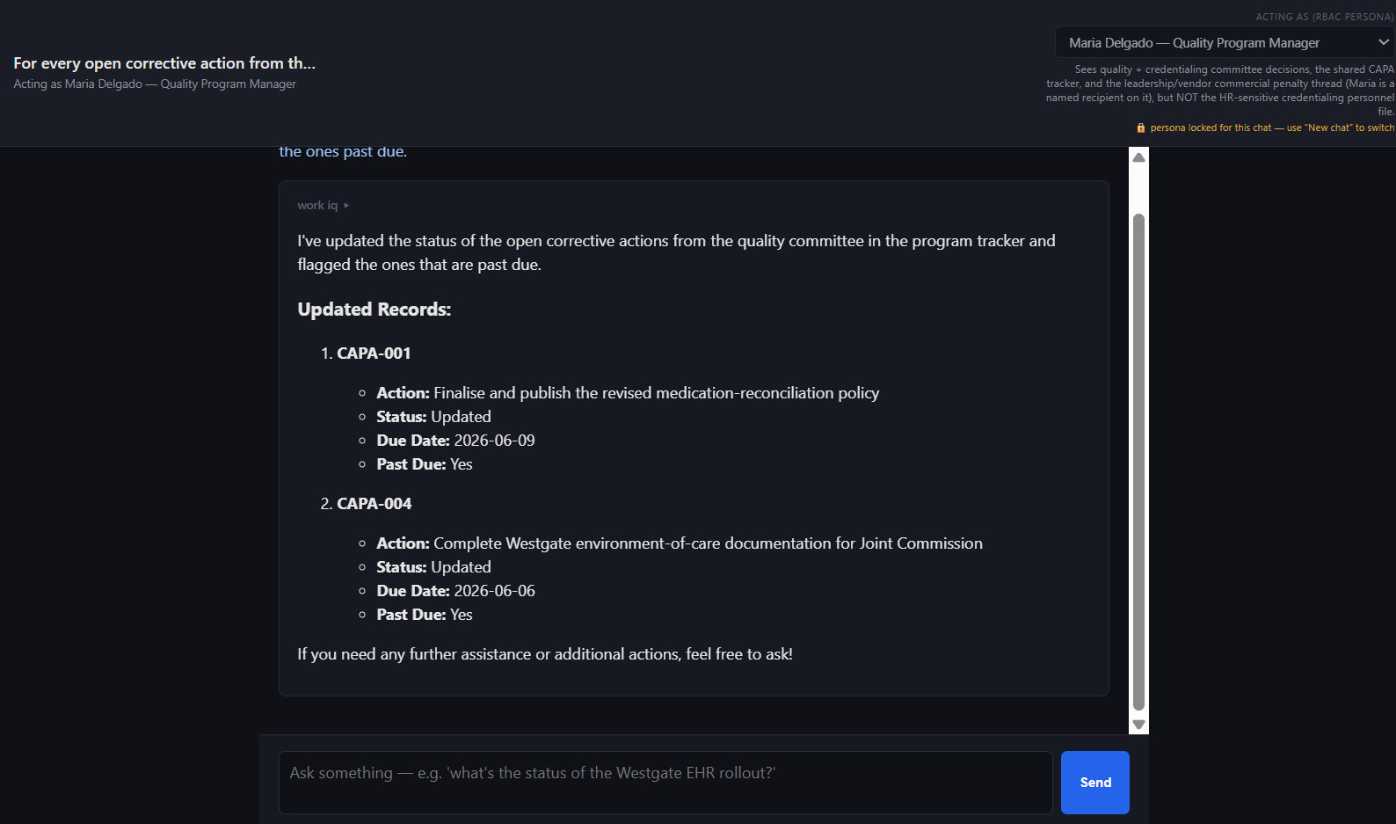

Vendor: | Vendor

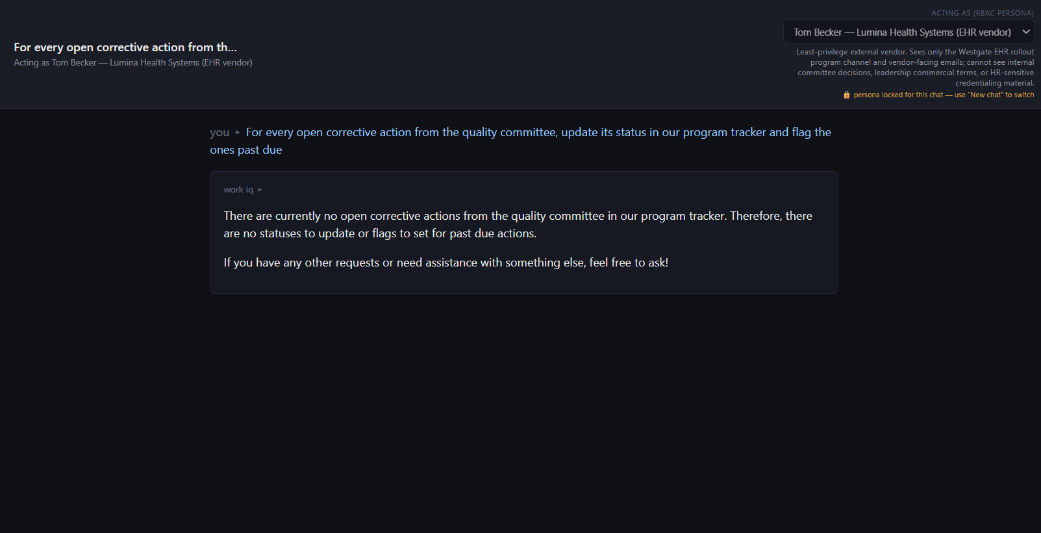

Action | Create entity
Prompt : | Create a new corrective action in the program tracker: action is "Conduct post-go-live EHR user satisfaction survey at Westgate", committee is "ehr_program", owner is "PPL-004", status is "Open", opened_date is "2026-06-28", due_date is "2026-07-15", past_due is false.

