About
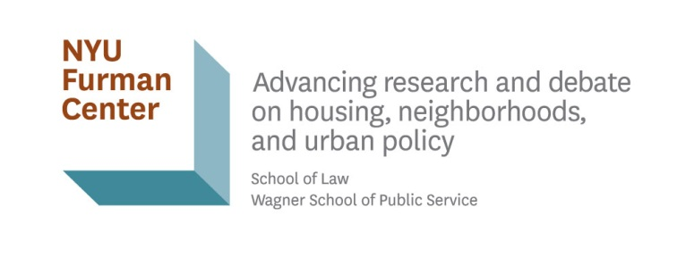

New York City Neighborhood Data Profiles
MN: Manhattan
©NYU Furman Center 2023

Indicator Definitions and Methods
https://furmancenter.org/coredata/userguide/dictionary

For more New York City data and analysis:

State of New York City's Housing and Neighborhoods
https://furmancenter.org/stateofthecity

CoreData.nyc
http://coredata.nyc/

Join the NYU Furman Center's mailing list:
http://furmancenter.org/signup

For media or data inquiries, please contact:
Donna Borak
Director of External Affairs
donna.borak@nyu.edu
212-998-6492

