Sheet1
Site | Good_Estimates | Positive_ER | Positive_Avg_ER | Negative_GPP | Relationship_with_K600 | Biofouling | Model_failed | Notes
SSS001 |  | X | X |  |  |  |  | Used to work but it doesn't work anymore. Might need to figure what to do with DO it is still very spiky even with the Fourier smoothing
SSS002 | X |  |  |  | X |  | Bob | Check scatter dots on model plot
SSS003 | X |  |  |  | X |  | Bob | Check scatter dots on model plot
SSS004 | X
SSS005 | X |  |  |  | X | Removed days |  | Re-ran after removing days with biofouling
SSS006 | X |  |  |  | X |  | Bob | Check DO curve, signal seems muted and then increase
SSS007 | Never goes under saturation so will always gfive possitive ER | X | X |  | X | ? |  | Very steep site.Check DO for biofouling. Lots of K600 variability | Tried running again with smoothing and also tighter pooling and it didn't work
SSS008 | X |  |  |  |  |  | Bob | Check model outputs plots and also some weird DO
SSS009 | X | Yes but only a couple days |  |  | X |  | Bob | Check model outputs plots and also some weird DO
SSS010 |  | X |  |  | X |  | X | High error in the ER and GPP predictions. Seems model could have failed? Why? Maybe try rerunning with original K600 daily sdlog | Re-run with pooling as 0.05 and 0.08 K600_daily_sdlog_sigm. 0.05 helped byt 0.08 didn't it still not working
SSS011 |  | X | X |  | X |  |  | Steep site. Re-ran after removing potential biofilm dates and tighter pooling and now K600 varies from 478-479 but still possitive ER. Worked before but not now. K600 daily sdlog was not changed | Final: Re-running pooling = 0.05 and not removing dats as biofouling wasn't super clear. Positive ER or zero
SSS012 | X |  |  |  |  |  | Bob | Check scatter dots on model plot
SSS013 | X |  |  |  |  |  | Bob | Depth from July 25 to Ag 8th was kept constant
SSS014 | X |  |  |  | X ER
SSS015 | X |  |  |  | X
SSS016 |  | X | X |  | X GPP |  |  | Removed potential Biofouling days and ran with tighter pooling. Still produced positive ER. DO curve does drop below saturation. Tried pooling - 0.05 and removing only one dat and still didn't work
SSS017 | X |  |  |  | X
SSS018 | X |  |  |  | X ER |  |  | The model fits are good, the sensors might have been moved we can keep the data and just average across deployment time.
SSS019 | X |  |  |  | X
SSS020 | X |  |  |  | X |  | Bob | Check scatter dots on model plot
SSS021 | X |  |  |  | X
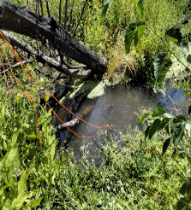
SSS022 | Never goes under saturation so will always gfive possitive ER | X | X |  |  |  | Bob | Steep site. Check scatter dots on model plot. Double checking DO curve. We had some days where the water depth was zero but no reason why
SSS023 |  |  |  |  | X |  | X | Try with K600_daily_sdlog_sigma=0.05. Not re-run because deployment was probably not good for streamMetablizer. "Sensors and cotton strips deployed in middle of still to very slow-moving channel and tied to burned tree with orange rope"
SSS024 | X |  |  |  | X |  |  | Depth from July 25 to Ag 8th was kept constant
SSS025 | X |  |  |  |  |  | Bob | Little blip in model outputs curve, is it to worry about?
SSS026 | X |  |  |  | X ER
SSS027 | X |  |  |  | X |  | Bob | Check scatter dots on model plot
SSS028 |  | X | X |  |  |  | X | I tried removing the 4ish days where the DO drops a lot and re-run. Relaxed and tighten pooling and the model still failed. I still got possitive values for ER. The Raymond K600 estimates suggest this is a really steep site yet modele K600 is really low. No matter what model always fails
SSS029 | X |  |  |  | X ER
SSS030 | X |  |  |  | X ER
SSS031 | X
SSS032 | X |  |  |  |  |  | Bob | Check scatter dots on model plot
SSS033 | A big chunk of data never goes under saturation so will always gfive possitive ER | X | X |  |  |  |  | Used to work but it doesn't work anymore.
SSS034 | A big chunk of data never goes under saturation so will always gfive possitive ER | X | X |  |  |  |  | DO data looks strange. Priors were changed for this run
SSS035 | X
SSS036 | X
SSS037 | X |  |  |  |  |  | Bob | Check scatter dots on model plot
SSS038 |  |  |  |  |  |  | X | Not re-run because deployment was probably not good for streamMetablizer. Site really steep. Model failed. Field notes suggest that flow is subsurface. Probably doesn't meet stream metabolizer assumptions | 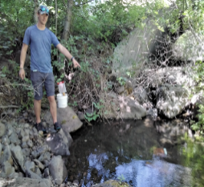
SSS039 | X |  |  |  | X
SSS040 | Never goes under saturation so will always gfive possitive ER | X | X |  |  |  |  | Tried new pooling but didn't work. This site is very steep.
SSS041 |  | X | ? |  |  |  |  | Re-run with tighter pooling. It might give overall negative ER
SSS042 |  | X | X |  |  |  |  | Tried relaxed pooling but didn't work. Tried pooling = 0.05 and it didnd't work
SSS043 | X |  |  |  | X ER
SSS044 | Barely goes under saturation | X | X
SSS045 | Barely goes under saturation | X | X
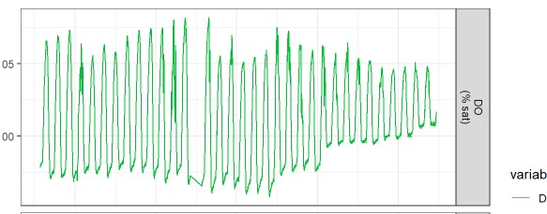
SSS046 |  | X | X |  |  |  | Bob | Removed the bad day, did furier smoothing but need to check there is a blip in the model vs observed data. Need advice on Bad DO
SSS047 | X
SSS048 |  | X |  |  |  |  |  | Ran with pooling = 0.05 and it seems we might get negative avgs

