numeric
column | Unique Key | Distribution
sample_value | 47038730 | 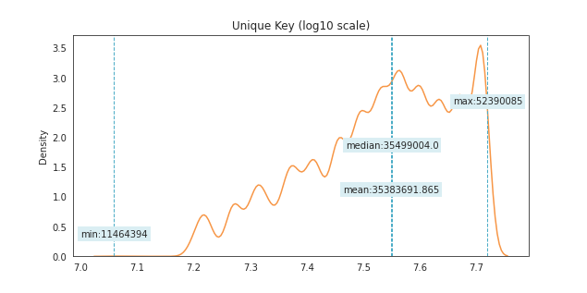
nan_rate | 0
num_uni | 178487/178487
value_min | 11464394
value_mean | 35383691.865
value_median | 35499004
value_max | 52390085

column | Incident Zip | Distribution
sample_value | 10002 | 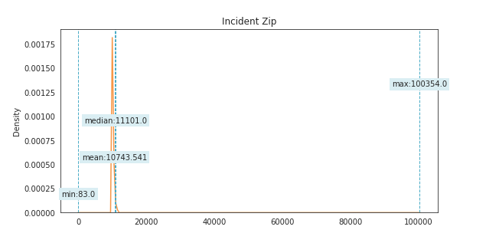
nan_rate | 0.0023979337431
num_uni | 204/178059
value_min | 83
value_mean | 10743.540613
value_median | 11101
value_max | 100354

Facility Type | all values are nan

Vehicle Type | all values are nan

Taxi Company Borough | all values are nan

Taxi Pick Up Location | all values are nan

Bridge Highway Name | all values are nan

Bridge Highway Direction | all values are nan

Road Ramp | all values are nan

Bridge Highway Segment | all values are nan

column | Latitude | Distribution
sample_value | 40.652024513 | 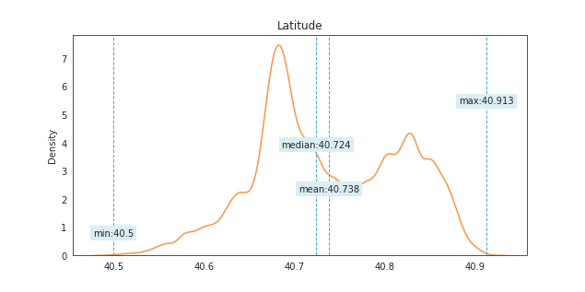
nan_rate | 0.010488158801
num_uni | 94111/176615
value_min | 40.499501975
value_mean | 40.738142568
value_median | 40.724461021
value_max | 40.912868795

column | Longitude | Distribution
sample_value | -73.901663226 | 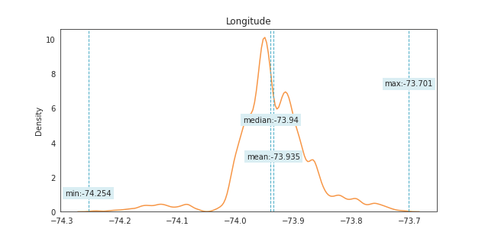
nan_rate | 0.010488158801
num_uni | 94110/176615
value_min | -74.254437318
value_mean | -73.934779854
value_median | -73.939532033
value_max | -73.700771567

date
column | Created Date | Distribution (months)
sample_value | 50 | 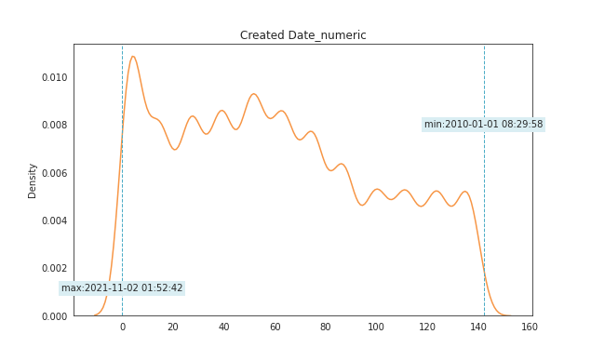
nan_rate | 0
num_uni | 143/178487
value_min | 0
value_mean | 60.507555172
value_median | 56
value_max | 142
date_min | 2010-01-01
date_max | 2021-11-02

column | Closed Date | Distribution (months)
sample_value | 64 | 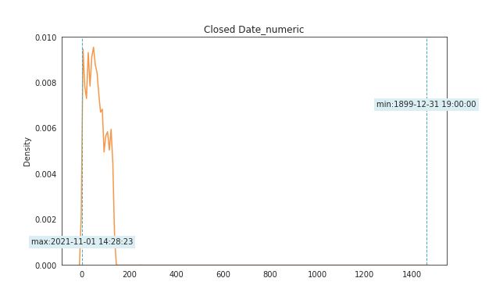
nan_rate | 0.099110859614
num_uni | 140/160797
value_min | 0
value_mean | 60.181981007
value_median | 56
value_max | 1462
date_min | 0.7916666667
date_max | 2021-11-01

column | Due Date | Distribution (months)
sample_value | 29 | 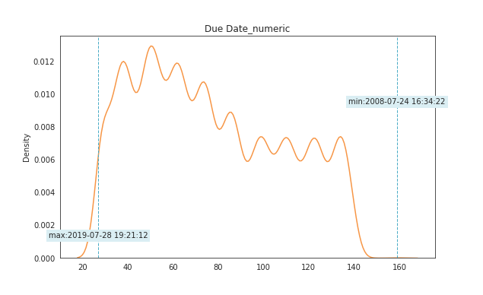
nan_rate | 0.25915052637
num_uni | 117/132232
value_min | 27
value_mean | 76.513544377
value_median | 72
value_max | 159
date_min | 2008-07-24
date_max | 2019-07-28

column | Resolution Action Updated Date | Distribution (months)
sample_value | 121 | 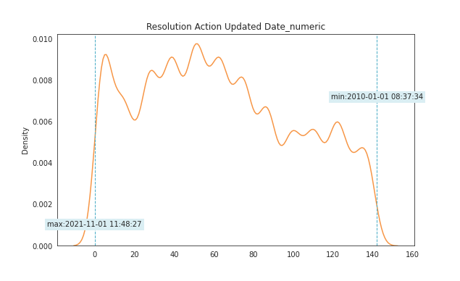
nan_rate | 0.05216626421
num_uni | 143/169176
value_min | 0
value_mean | 63.015185369
value_median | 60
value_max | 142
date_min | 2010-01-01
date_max | 2021-11-01

