numeric
column | Unique Key | Distribution
sample_value | 33181879 | 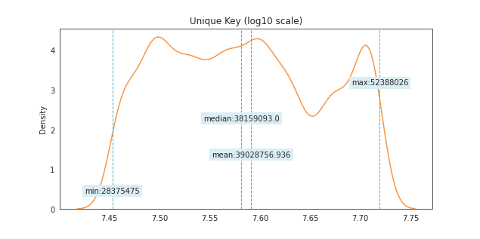
nan_rate | 0
num_uni | 13139/13139
value_min | 28375475
value_mean | 39028756.936
value_median | 38159093
value_max | 52388026

column | Incident Zip | Distribution
sample_value | 10025 | 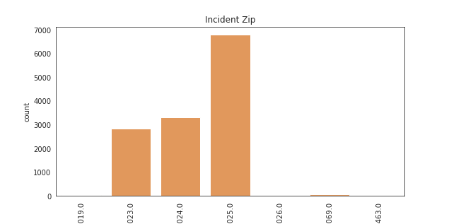
nan_rate | 0.0065453991932
num_uni | 7/13053
value_min | 10019
value_mean | 10024.549912
value_median | 10025
value_max | 10463

column | X Coordinate (State Plane) | Distribution
sample_value | 993768 | 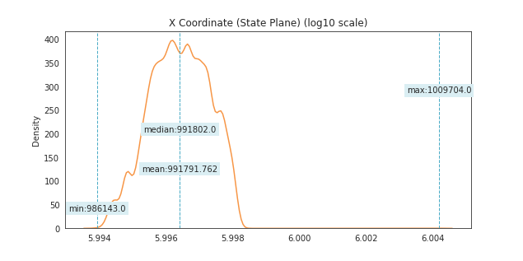
nan_rate | 0.0072303828297
num_uni | 2537/13044
value_min | 986143
value_mean | 991791.76211
value_median | 991802
value_max | 1009704

column | Y Coordinate (State Plane) | Distribution
sample_value | 226342 | 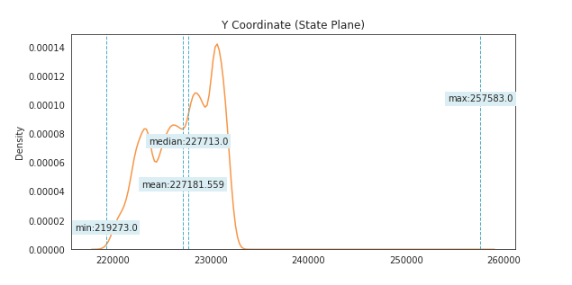
nan_rate | 0.0072303828297
num_uni | 2754/13044
value_min | 219273
value_mean | 227181.5588
value_median | 227713
value_max | 257583

Vehicle Type | all values are nan

Taxi Company Borough | all values are nan

Taxi Pick Up Location | all values are nan

Bridge Highway Name | all values are nan

Bridge Highway Direction | all values are nan

Road Ramp | all values are nan

Bridge Highway Segment | all values are nan

column | Latitude | Distribution
sample_value | 40.78040574 | 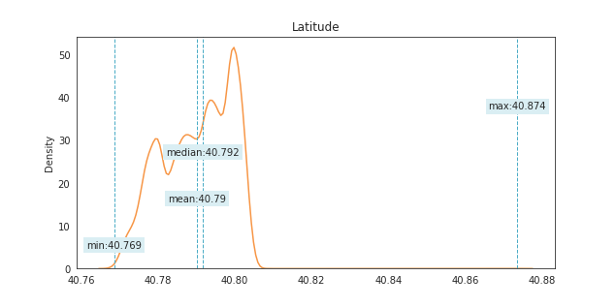
nan_rate | 0.0072303828297
num_uni | 3174/13044
value_min | 40.768528646
value_mean | 40.790233567
value_median | 40.791692899
value_max | 40.87364353

column | Longitude | Distribution
sample_value | -73.972167566 | 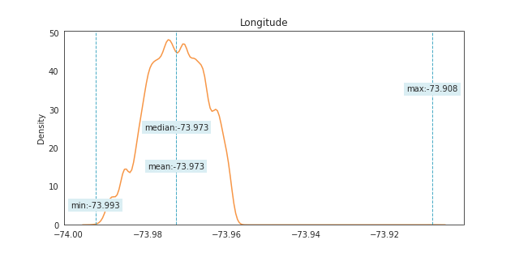
nan_rate | 0.0072303828297
num_uni | 3174/13044
value_min | -73.993165526
value_mean | -73.972763311
value_median | -73.972727063
value_max | -73.907961626

date
column | Created Date | Distribution (months)
sample_value | 42 | 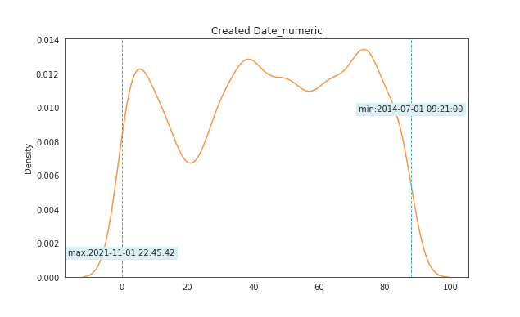
nan_rate | 0
num_uni | 89/13139
value_min | 0
value_mean | 44.574625162
value_median | 45
value_max | 88
date_min | 2014-07-01
date_max | 2021-11-01

column | Closed Date | Distribution (months)
sample_value | 61 | 
nan_rate | 0.013547454144
num_uni | 89/12961
value_min | 0
value_mean | 44.346269578
value_median | 45
value_max | 88
date_min | 2014-07-02
date_max | 2021-11-01

column | Due Date | Distribution (months)
sample_value | 79 | 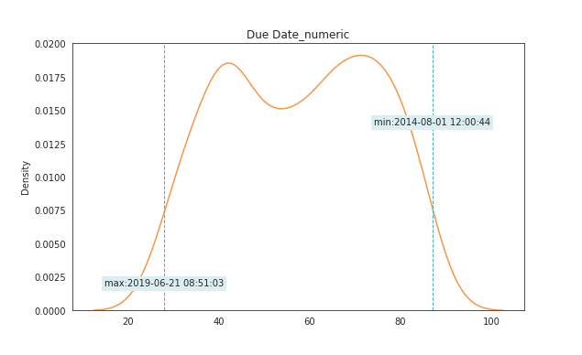
nan_rate | 0.97328563818
num_uni | 60/351
value_min | 28
value_mean | 57.905982906
value_median | 59
value_max | 87
date_min | 2014-08-01
date_max | 2019-06-21

column | Resolution Action Updated Date | Distribution (months)
sample_value | 58 | 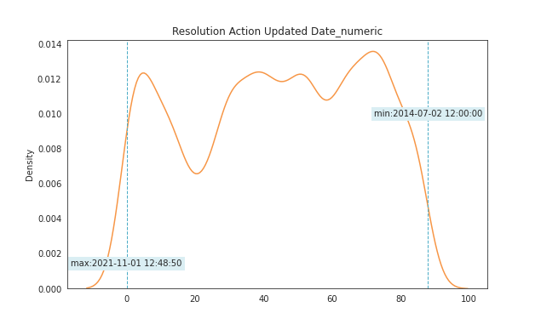
nan_rate | 0.0035010274755
num_uni | 89/13093
value_min | 0
value_mean | 44.062552509
value_median | 45
value_max | 88
date_min | 2014-07-02
date_max | 2021-11-01

