Evidence
Defect / file | Evidence preview / link
BUG-01 — BUG-01-search-results.png | 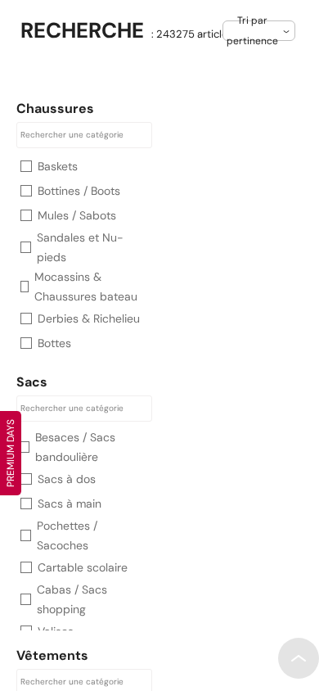
BUG-02 — BUG-02-cookie-focus.png | 
BUG-03 — BUG-03-skip-link.png | 
Raw observations | evidence/observations.json
Search positive control | evidence/BUG-01-control.json

