Strategy Worksheet
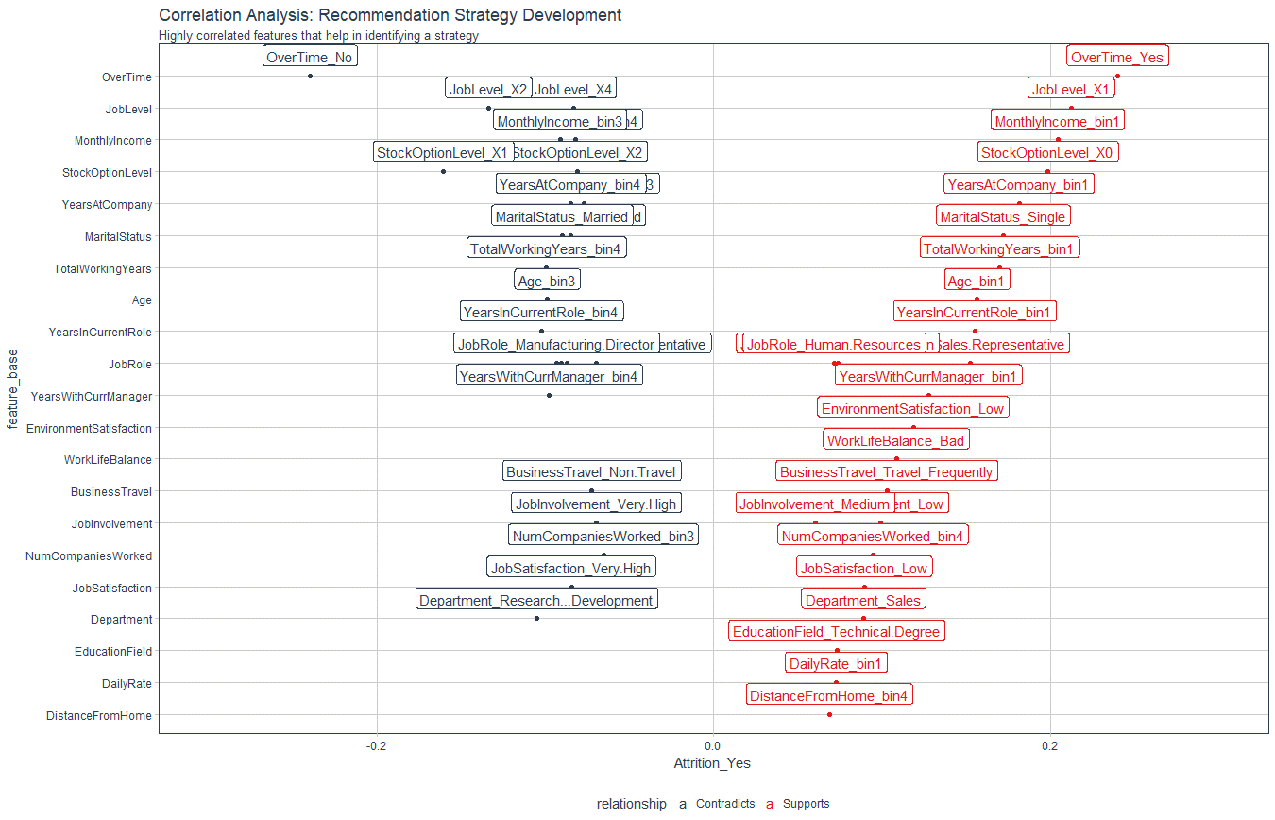
Recommendation Algorithm Strategy

Purpose: | To enable immediate manager to reduce attrition using an automated recommendation system
Strategy Logic: | Uses Correlation Analysis to determine logical strategies that can be adjusted via stakeholder feedback

Feature | Discussion (Hypothesis) | Potential Strategy | Strategy Group
JobLevel | Employees with Job Level 1 are leaving / Job Level 2 staying | Promote faster for high performers | Professional Development
YearsAtCompany | YAC - High - Likely to stay / YAC - LOW - Likely to leave | Tie promotion if low to advance faster / Mentor if YAC low | Professional Development / Personal Development
YearsInCurrentRole | More time in current role related to lower attrition | Incentivize specialize or promote | Professional Development / Personal Development

Correlation Analysis: | Used to investigate the relationship between values within features and the target (Attrition = Yes)

