Packaging
Polymer content
Compartment | Year | Scale | Material | Final Demand | Industry Use | Total | Polymer fractions | Source
 |  |  |  | Waste post-consumer | Waste post-consumer
Packaging | n/a | n/a | LDPE | 2885 | 2909 | 5794 | 0.323 | Data from Fig. 2 in Plastic packaging flows in Europe: A hybrid input‐output approach - Cimpan - 2021 - Journal of Industrial Ecology - Wiley Online Library
Packaging | n/a | n/a | HDPE | 2233 | 1066 | 3299 | 0.184 | Plastic packaging flows in Europe: A hybrid input‐output approach - Cimpan - 2021 - Journal of Industrial Ecology - Wiley Online Library
Packaging | n/a | n/a | PP | 1851 | 1925 | 3776 | 0.211 | Plastic packaging flows in Europe: A hybrid input‐output approach - Cimpan - 2021 - Journal of Industrial Ecology - Wiley Online Library
Packaging | n/a | n/a | PS | 346 | 330 | 675 | 0.038 | Plastic packaging flows in Europe: A hybrid input‐output approach - Cimpan - 2021 - Journal of Industrial Ecology - Wiley Online Library
Packaging | n/a | n/a | EPS | 124 | 118 | 241 | 0.013 | Plastic packaging flows in Europe: A hybrid input‐output approach - Cimpan - 2021 - Journal of Industrial Ecology - Wiley Online Library
Packaging | n/a | n/a | PVC | 196 | 188 | 385 | 0.021 | Plastic packaging flows in Europe: A hybrid input‐output approach - Cimpan - 2021 - Journal of Industrial Ecology - Wiley Online Library
Packaging | n/a | n/a | PET | 1779 | 1509 | 3287 | 0.184 | Plastic packaging flows in Europe: A hybrid input‐output approach - Cimpan - 2021 - Journal of Industrial Ecology - Wiley Online Library
Packaging | n/a | n/a | OTHER | 201 | 253 | 455 | 0.025 | Plastic packaging flows in Europe: A hybrid input‐output approach - Cimpan - 2021 - Journal of Industrial Ecology - Wiley Online Library
Packaging | n/a | n/a | Total | 9615 | 8298 | 17913 | 1.000

Input NL consumption |  |  |  |  |  |  |  |  |  |  |  |  |  |  | Input NL consumption |  |  |  |  |  | Input EU consumption
Compartment | Year | Scale | Material | Consumption (kt) | Source |  |  |  |  |  |  |  |  |  | Compartment | Year | Scale | Material | Consumption (kt) | Source | Compartment | Year | Scale | Material | Consumption (kt) | Source
Packaging | 2020 | NL | All | 554.00 | https://ec.europa.eu/eurostat/databrowser/bookmark/19fb9122-d657-402c-9caf-78be4e0aa7ea?lang=en |  |  |  |  |  |  |  |  |  | Packaging | 2021 | NL | All | 545.83 | https://ec.europa.eu/eurostat/databrowser/bookmark/19fb9122-d657-402c-9caf-78be4e0aa7ea?lang=en | Packaging | 2021 | EU | All | 16051.60 | https://ec.europa.eu/eurostat/databrowser/bookmark/19fb9122-d657-402c-9caf-78be4e0aa7ea?lang=en
 |  |  |  |  |  |  |  |  |  |  |  |  |  |  | Packaging | 2020 | NL | All | 554 | https://ec.europa.eu/eurostat/databrowser/bookmark/19fb9122-d657-402c-9caf-78be4e0aa7ea?lang=en | Packaging | 2020 | EU | All | 15453.665 | https://ec.europa.eu/eurostat/databrowser/bookmark/19fb9122-d657-402c-9caf-78be4e0aa7ea?lang=en
Compartment | Year | Scale | Material | Consumption (kt) | Source |  |  |  |  |  |  |  |  |  | Packaging | 2019 | NL | All | 523 | https://ec.europa.eu/eurostat/databrowser/bookmark/19fb9122-d657-402c-9caf-78be4e0aa7ea?lang=en | Packaging | 2019 | EU | All | 15262.788 | https://ec.europa.eu/eurostat/databrowser/bookmark/19fb9122-d657-402c-9caf-78be4e0aa7ea?lang=en
Packaging | 2020 | NL | LDPE | 179.21 | Calculation based on EUROSTAT, polymer distribution based on Cimpan et al. (2021) |  |  |  |  |  |  |  |  |  | Packaging | 2018 | NL | All | 523 | https://ec.europa.eu/eurostat/databrowser/bookmark/19fb9122-d657-402c-9caf-78be4e0aa7ea?lang=en | Packaging | 2018 | EU | All | 14817.435 | https://ec.europa.eu/eurostat/databrowser/bookmark/19fb9122-d657-402c-9caf-78be4e0aa7ea?lang=en
Packaging | 2020 | NL | HDPE | 102.03 | Calculation based on EUROSTAT, polymer distribution based on Cimpan et al. (2021) |  |  |  |  |  |  |  |  |  | Packaging | 2017 | NL | All | 512 | https://ec.europa.eu/eurostat/databrowser/bookmark/19fb9122-d657-402c-9caf-78be4e0aa7ea?lang=en | Packaging | 2017 | EU | All | 14551.775 | https://ec.europa.eu/eurostat/databrowser/bookmark/19fb9122-d657-402c-9caf-78be4e0aa7ea?lang=en
Packaging | 2020 | NL | PP | 116.78 | Calculation based on EUROSTAT, polymer distribution based on Cimpan et al. (2021)
Packaging | 2020 | NL | PS | 20.89 | Calculation based on EUROSTAT, polymer distribution based on Cimpan et al. (2021) |  |  |  |  |  |  |  |  |  | Compartment | Year | Scale | Material | Consumption (kt) | Source | Compartment | Year | Scale | Material | Consumption (kt) | Source
Packaging | 2020 | NL | EPS | 7.47 | Calculation based on EUROSTAT, polymer distribution based on Cimpan et al. (2021) |  |  |  |  |  |  |  |  |  | Packaging | 2021 | NL | LDPE | 176.56 | Calculation based on EUROSTAT, polymer distribution based on Cimpan et al. (2021) | Packaging | 2021 | EU | LDPE | 5192.30 | Calculation based on EUROSTAT, polymer distribution based on Cimpan et al. (2021)
Packaging | 2020 | NL | PVC | 11.90 | Calculation based on EUROSTAT, polymer distribution based on Cimpan et al. (2021) |  |  |  |  |  |  |  |  |  | Packaging | 2021 | NL | HDPE | 100.52 | Calculation based on EUROSTAT, polymer distribution based on Cimpan et al. (2021) | Packaging | 2021 | EU | HDPE | 2956.16 | Calculation based on EUROSTAT, polymer distribution based on Cimpan et al. (2021)
Packaging | 2020 | NL | PET | 101.66 | Calculation based on EUROSTAT, polymer distribution based on Cimpan et al. (2021) |  |  |  |  |  |  |  |  |  | Packaging | 2021 | NL | PP | 115.06 | Calculation based on EUROSTAT, polymer distribution based on Cimpan et al. (2021) | Packaging | 2021 | EU | PP | 3383.57 | Calculation based on EUROSTAT, polymer distribution based on Cimpan et al. (2021)
Packaging | 2020 | NL | OTHER | 14.07 | Calculation based on EUROSTAT, polymer distribution based on Cimpan et al. (2021) |  |  |  |  |  |  |  |  |  | Packaging | 2021 | NL | PS | 20.58 | Calculation based on EUROSTAT, polymer distribution based on Cimpan et al. (2021) | Packaging | 2021 | EU | PS | 605.20 | Calculation based on EUROSTAT, polymer distribution based on Cimpan et al. (2021)
 |  |  |  |  |  |  |  |  |  |  |  |  |  |  | Packaging | 2021 | NL | EPS | 7.36 | Calculation based on EUROSTAT, polymer distribution based on Cimpan et al. (2021) | Packaging | 2021 | EU | EPS | 216.39 | Calculation based on EUROSTAT, polymer distribution based on Cimpan et al. (2021)
Input EU consumption |  |  |  |  |  |  |  |  |  |  |  |  |  |  | Packaging | 2021 | NL | PVC | 11.72 | Calculation based on EUROSTAT, polymer distribution based on Cimpan et al. (2021) | Packaging | 2021 | EU | PVC | 344.79 | Calculation based on EUROSTAT, polymer distribution based on Cimpan et al. (2021)
Compartment | Year | Scale | Material | Consumption (kt) | Source |  |  |  |  |  |  |  |  |  | Packaging | 2021 | NL | PET | 100.16 | Calculation based on EUROSTAT, polymer distribution based on Cimpan et al. (2021) | Packaging | 2021 | EU | PET | 2945.60 | Calculation based on EUROSTAT, polymer distribution based on Cimpan et al. (2021)
Packaging | 2020 | EU | All | 15458.25 | https://ec.europa.eu/eurostat/databrowser/view/env_waspac/default/table?lang=en |  |  |  |  |  |  |  |  |  | Packaging | 2021 | NL | OTHER | 13.86 | Calculation based on EUROSTAT, polymer distribution based on Cimpan et al. (2021) | Packaging | 2021 | EU | OTHER | 407.60 | Calculation based on EUROSTAT, polymer distribution based on Cimpan et al. (2021)
 |  |  |  |  |  |  |  |  |  |  |  |  |  |  | Packaging | 2020 | NL | LDPE | 179.21 | Calculation based on EUROSTAT, polymer distribution based on Cimpan et al. (2021) | Packaging | 2020 | EU | LDPE | 4998.88 | Calculation based on EUROSTAT, polymer distribution based on Cimpan et al. (2021)
Compartment | Year | Scale | Material | Consumption (kt) | Source |  |  |  |  |  |  |  |  |  | Packaging | 2020 | NL | HDPE | 102.03 | Calculation based on EUROSTAT, polymer distribution based on Cimpan et al. (2021) | Packaging | 2020 | EU | HDPE | 2846.04 | Calculation based on EUROSTAT, polymer distribution based on Cimpan et al. (2021)
Packaging | 2020 | EU | LDPE | 5000.36 | Calculation based on EUROSTAT, polymer distribution based on Cimpan et al. (2021) |  |  |  |  |  |  |  |  |  | Packaging | 2020 | NL | PP | 116.78 | Calculation based on EUROSTAT, polymer distribution based on Cimpan et al. (2021) | Packaging | 2020 | EU | PP | 3257.53 | Calculation based on EUROSTAT, polymer distribution based on Cimpan et al. (2021)
Packaging | 2020 | EU | HDPE | 2846.88 | Calculation based on EUROSTAT, polymer distribution based on Cimpan et al. (2021) |  |  |  |  |  |  |  |  |  | Packaging | 2020 | NL | PS | 20.89 | Calculation based on EUROSTAT, polymer distribution based on Cimpan et al. (2021) | Packaging | 2020 | EU | PS | 582.65 | Calculation based on EUROSTAT, polymer distribution based on Cimpan et al. (2021)
Packaging | 2020 | EU | PP | 3258.49 | Calculation based on EUROSTAT, polymer distribution based on Cimpan et al. (2021) |  |  |  |  |  |  |  |  |  | Packaging | 2020 | NL | EPS | 7.47 | Calculation based on EUROSTAT, polymer distribution based on Cimpan et al. (2021) | Packaging | 2020 | EU | EPS | 208.33 | Calculation based on EUROSTAT, polymer distribution based on Cimpan et al. (2021)
Packaging | 2020 | EU | PS | 582.83 | Calculation based on EUROSTAT, polymer distribution based on Cimpan et al. (2021) |  |  |  |  |  |  |  |  |  | Packaging | 2020 | NL | PVC | 11.90 | Calculation based on EUROSTAT, polymer distribution based on Cimpan et al. (2021) | Packaging | 2020 | EU | PVC | 331.95 | Calculation based on EUROSTAT, polymer distribution based on Cimpan et al. (2021)
Packaging | 2020 | EU | EPS | 208.39 | Calculation based on EUROSTAT, polymer distribution based on Cimpan et al. (2021) |  |  |  |  |  |  |  |  |  | Packaging | 2020 | NL | PET | 101.66 | Calculation based on EUROSTAT, polymer distribution based on Cimpan et al. (2021) | Packaging | 2020 | EU | PET | 2835.88 | Calculation based on EUROSTAT, polymer distribution based on Cimpan et al. (2021)
Packaging | 2020 | EU | PVC | 332.05 | Calculation based on EUROSTAT, polymer distribution based on Cimpan et al. (2021) |  |  |  |  |  |  |  |  |  | Packaging | 2020 | NL | OTHER | 14.07 | Calculation based on EUROSTAT, polymer distribution based on Cimpan et al. (2021) | Packaging | 2020 | EU | OTHER | 392.42 | Calculation based on EUROSTAT, polymer distribution based on Cimpan et al. (2021)
Packaging | 2020 | EU | PET | 2836.72 | Calculation based on EUROSTAT, polymer distribution based on Cimpan et al. (2021) |  |  |  |  |  |  |  |  |  | Packaging | 2019 | NL | LDPE | 169.18 | Calculation based on EUROSTAT, polymer distribution based on Cimpan et al. (2021) | Packaging | 2019 | EU | LDPE | 4937.14 | Calculation based on EUROSTAT, polymer distribution based on Cimpan et al. (2021)
Packaging | 2020 | EU | OTHER | 392.53 | Calculation based on EUROSTAT, polymer distribution based on Cimpan et al. (2021) |  |  |  |  |  |  |  |  |  | Packaging | 2019 | NL | HDPE | 96.32 | Calculation based on EUROSTAT, polymer distribution based on Cimpan et al. (2021) | Packaging | 2019 | EU | HDPE | 2810.89 | Calculation based on EUROSTAT, polymer distribution based on Cimpan et al. (2021)
 |  |  |  |  |  |  |  |  |  |  |  |  |  |  | Packaging | 2019 | NL | PP | 110.24 | Calculation based on EUROSTAT, polymer distribution based on Cimpan et al. (2021) | Packaging | 2019 | EU | PP | 3217.29 | Calculation based on EUROSTAT, polymer distribution based on Cimpan et al. (2021)
Transfer coefficients |  |  |  |  |  |  |  |  |  |  |  |  |  |  | Packaging | 2019 | NL | PS | 19.72 | Calculation based on EUROSTAT, polymer distribution based on Cimpan et al. (2021) | Packaging | 2019 | EU | PS | 575.46 | Calculation based on EUROSTAT, polymer distribution based on Cimpan et al. (2021)
At the moment we use TCs from the WRAP Report and Plastic Packaging Composition (2011, 2013) - see Transfer coefficients sheet. But for a future version we will consider to include TCs from the study of Navarre et al. (2022). Joris has made a start on this: |  |  |  |  |  |  |  |  |  |  |  |  |  |  | Packaging | 2019 | NL | EPS | 7.05 | Calculation based on EUROSTAT, polymer distribution based on Cimpan et al. (2021) | Packaging | 2019 | EU | EPS | 205.75 | Calculation based on EUROSTAT, polymer distribution based on Cimpan et al. (2021)
From | To | Scale | Material | Data | Priority | Source | Geo NL | Geo EU | Temp | Mat | Tech | Rel | Spread | Comments | Packaging | 2019 | NL | PVC | 11.23 | Calculation based on EUROSTAT, polymer distribution based on Cimpan et al. (2021) | Packaging | 2019 | EU | PVC | 327.85 | Calculation based on EUROSTAT, polymer distribution based on Cimpan et al. (2021)
Packaging | Other non-consumer packaging | any | HDPE | 0.16380 | 1 | WRAP, Report: Plastic Packaging Composition 2011, 2013 | 2 | 2 | 2 | 1 | 1 | 2 |  |  | Packaging | 2019 | NL | PET | 95.97 | Calculation based on EUROSTAT, polymer distribution based on Cimpan et al. (2021) | Packaging | 2019 | EU | PET | 2800.85 | Calculation based on EUROSTAT, polymer distribution based on Cimpan et al. (2021)
Packaging | Other non-consumer films | any | HDPE | 0.01220 | 1 | WRAP, Report: Plastic Packaging Composition 2011, 2013 | 2 | 2 | 2 | 1 | 1 | 2 |  |  | Packaging | 2019 | NL | OTHER | 13.28 | Calculation based on EUROSTAT, polymer distribution based on Cimpan et al. (2021) | Packaging | 2019 | EU | OTHER | 387.57 | Calculation based on EUROSTAT, polymer distribution based on Cimpan et al. (2021)
Packaging | Other consumer packaging | any | HDPE | 0.08310 | 1 | WRAP, Report: Plastic Packaging Composition 2011, 2013 | 2 | 2 | 2 | 1 | 1 | 2 |  |  | Packaging | 2018 | NL | LDPE | 169.18 | Calculation based on EUROSTAT, polymer distribution based on Cimpan et al. (2021) | Packaging | 2018 | EU | LDPE | 4793.08 | Calculation based on EUROSTAT, polymer distribution based on Cimpan et al. (2021)
Packaging | Non-consumer bags | any | HDPE | 0.00000 | 1 | WRAP, Report: Plastic Packaging Composition 2011, 2013 |  |  |  |  |  |  |  |  | Packaging | 2018 | NL | HDPE | 96.32 | Calculation based on EUROSTAT, polymer distribution based on Cimpan et al. (2021) | Packaging | 2018 | EU | HDPE | 2728.87 | Calculation based on EUROSTAT, polymer distribution based on Cimpan et al. (2021)
Packaging | Consumer films | any | HDPE | 0.06850 | 1 | WRAP, Report: Plastic Packaging Composition 2011, 2013 | 2 | 2 | 2 | 1 | 1 | 2 |  |  | Packaging | 2018 | NL | PP | 110.24 | Calculation based on EUROSTAT, polymer distribution based on Cimpan et al. (2021) | Packaging | 2018 | EU | PP | 3123.41 | Calculation based on EUROSTAT, polymer distribution based on Cimpan et al. (2021)
Packaging | Consumer bottles | any | HDPE | 0.38630 | 1 | WRAP, Report: Plastic Packaging Composition 2011, 2013 | 2 | 2 | 2 | 1 | 1 | 2 |  |  | Packaging | 2018 | NL | PS | 19.72 | Calculation based on EUROSTAT, polymer distribution based on Cimpan et al. (2021) | Packaging | 2018 | EU | PS | 558.67 | Calculation based on EUROSTAT, polymer distribution based on Cimpan et al. (2021)
Packaging | Consumer bags | any | HDPE | 0.27380 | 1 | WRAP, Report: Plastic Packaging Composition 2011, 2013 | 2 | 2 | 2 | 1 | 1 | 2 |  |  | Packaging | 2018 | NL | EPS | 7.05 | Calculation based on EUROSTAT, polymer distribution based on Cimpan et al. (2021) | Packaging | 2018 | EU | EPS | 199.75 | Calculation based on EUROSTAT, polymer distribution based on Cimpan et al. (2021)
Packaging | Building packaging films | any | HDPE | 0.00000 | 1 | WRAP, Report: Plastic Packaging Composition 2011, 2013 |  |  |  |  |  |  |  |  | Packaging | 2018 | NL | PVC | 11.23 | Calculation based on EUROSTAT, polymer distribution based on Cimpan et al. (2021) | Packaging | 2018 | EU | PVC | 318.28 | Calculation based on EUROSTAT, polymer distribution based on Cimpan et al. (2021)
Packaging | Agricultural packaging films | any | HDPE | 0.00000 | 1 | WRAP, Report: Plastic Packaging Composition 2011, 2013 |  |  |  |  |  |  |  |  | Packaging | 2018 | NL | PET | 95.97 | Calculation based on EUROSTAT, polymer distribution based on Cimpan et al. (2021) | Packaging | 2018 | EU | PET | 2719.12 | Calculation based on EUROSTAT, polymer distribution based on Cimpan et al. (2021)
Packaging | Agricultural packaging bottles | any | HDPE | 0.01220 | 1 | WRAP, Report: Plastic Packaging Composition 2011, 2013 | 2 | 2 | 2 | 1 | 1 | 2 |  |  | Packaging | 2018 | NL | OTHER | 13.28 | Calculation based on EUROSTAT, polymer distribution based on Cimpan et al. (2021) | Packaging | 2018 | EU | OTHER | 376.26 | Calculation based on EUROSTAT, polymer distribution based on Cimpan et al. (2021)
 |  |  |  |  |  |  |  |  |  |  |  |  |  |  | Packaging | 2017 | NL | LDPE | 165.62 | Calculation based on EUROSTAT, polymer distribution based on Cimpan et al. (2021) | Packaging | 2017 | EU | LDPE | 4707.14 | Calculation based on EUROSTAT, polymer distribution based on Cimpan et al. (2021)
Packaging | Other non-consumer packaging | any |  |  | 1 | WRAP, Report: Plastic Packaging Composition 2011, 2013 | 2 | 2 | 2 | 1 | 1 | 2 |  |  | Packaging | 2017 | NL | HDPE | 94.29 | Calculation based on EUROSTAT, polymer distribution based on Cimpan et al. (2021) | Packaging | 2017 | EU | HDPE | 2679.94 | Calculation based on EUROSTAT, polymer distribution based on Cimpan et al. (2021)
Packaging | Other non-consumer films | any |  |  | 1 | WRAP, Report: Plastic Packaging Composition 2011, 2013 | 2 | 2 | 2 | 1 | 1 | 2 |  |  | Packaging | 2017 | NL | PP | 107.93 | Calculation based on EUROSTAT, polymer distribution based on Cimpan et al. (2021) | Packaging | 2017 | EU | PP | 3067.41 | Calculation based on EUROSTAT, polymer distribution based on Cimpan et al. (2021)
Packaging | Other consumer packaging | any |  |  | 1 | WRAP, Report: Plastic Packaging Composition 2011, 2013 | 2 | 2 | 2 | 1 | 1 | 2 |  |  | Packaging | 2017 | NL | PS | 19.30 | Calculation based on EUROSTAT, polymer distribution based on Cimpan et al. (2021) | Packaging | 2017 | EU | PS | 548.65 | Calculation based on EUROSTAT, polymer distribution based on Cimpan et al. (2021)
Packaging | Non-consumer bags | any |  |  | 1 | WRAP, Report: Plastic Packaging Composition 2011, 2013 |  |  |  |  |  |  |  |  | Packaging | 2017 | NL | EPS | 6.90 | Calculation based on EUROSTAT, polymer distribution based on Cimpan et al. (2021) | Packaging | 2017 | EU | EPS | 196.17 | Calculation based on EUROSTAT, polymer distribution based on Cimpan et al. (2021)
Packaging | Consumer films | any |  |  | 1 | WRAP, Report: Plastic Packaging Composition 2011, 2013 | 2 | 2 | 2 | 1 | 1 | 2 |  |  | Packaging | 2017 | NL | PVC | 11.00 | Calculation based on EUROSTAT, polymer distribution based on Cimpan et al. (2021) | Packaging | 2017 | EU | PVC | 312.57 | Calculation based on EUROSTAT, polymer distribution based on Cimpan et al. (2021)
Packaging | Consumer bottles | any |  |  | 1 | WRAP, Report: Plastic Packaging Composition 2011, 2013 | 2 | 2 | 2 | 1 | 1 | 2 |  |  | Packaging | 2017 | NL | PET | 93.96 | Calculation based on EUROSTAT, polymer distribution based on Cimpan et al. (2021) | Packaging | 2017 | EU | PET | 2670.37 | Calculation based on EUROSTAT, polymer distribution based on Cimpan et al. (2021)
Packaging | Consumer bags | any |  |  | 1 | WRAP, Report: Plastic Packaging Composition 2011, 2013 | 2 | 2 | 2 | 1 | 1 | 2 |  |  | Packaging | 2017 | NL | OTHER | 13.00 | Calculation based on EUROSTAT, polymer distribution based on Cimpan et al. (2021) | Packaging | 2017 | EU | OTHER | 369.51 | Calculation based on EUROSTAT, polymer distribution based on Cimpan et al. (2021)
Packaging | Building packaging films | any |  |  | 1 | WRAP, Report: Plastic Packaging Composition 2011, 2013
Packaging | Agricultural packaging films | any |  |  | 1 | WRAP, Report: Plastic Packaging Composition 2011, 2013
Packaging | Agricultural packaging bottles | any |  |  | 1 | WRAP, Report: Plastic Packaging Composition 2011, 2013 | 2 | 2 | 2 | 1 | 1 | 2

Packaging | Other non-consumer packaging | any |  |  | 1 | WRAP, Report: Plastic Packaging Composition 2011, 2013 | 2 | 2 | 2 | 1 | 1 | 2
Packaging | Other non-consumer films | any |  |  | 1 | WRAP, Report: Plastic Packaging Composition 2011, 2013 | 2 | 2 | 2 | 1 | 1 | 2
Packaging | Other consumer packaging | any |  |  | 1 | WRAP, Report: Plastic Packaging Composition 2011, 2013 | 2 | 2 | 2 | 1 | 1 | 2
Packaging | Non-consumer bags | any |  |  | 1 | WRAP, Report: Plastic Packaging Composition 2011, 2013
Packaging | Consumer films | any |  |  | 1 | WRAP, Report: Plastic Packaging Composition 2011, 2013 | 2 | 2 | 2 | 1 | 1 | 2
Packaging | Consumer bottles | any |  |  | 1 | WRAP, Report: Plastic Packaging Composition 2011, 2013 | 2 | 2 | 2 | 1 | 1 | 2
Packaging | Consumer bags | any |  |  | 1 | WRAP, Report: Plastic Packaging Composition 2011, 2013 | 2 | 2 | 2 | 1 | 1 | 2
Packaging | Building packaging films | any |  |  | 1 | WRAP, Report: Plastic Packaging Composition 2011, 2013
Packaging | Agricultural packaging films | any |  |  | 1 | WRAP, Report: Plastic Packaging Composition 2011, 2013
Packaging | Agricultural packaging bottles | any |  |  | 1 | WRAP, Report: Plastic Packaging Composition 2011, 2013 | 2 | 2 | 2 | 1 | 1 | 2

Packaging | Other non-consumer packaging | any |  |  | 1 | WRAP, Report: Plastic Packaging Composition 2011, 2013 | 2 | 2 | 2 | 1 | 1 | 2
Packaging | Other non-consumer films | any |  |  | 1 | WRAP, Report: Plastic Packaging Composition 2011, 2013 | 2 | 2 | 2 | 1 | 1 | 2
Packaging | Other consumer packaging | any |  |  | 1 | WRAP, Report: Plastic Packaging Composition 2011, 2013 | 2 | 2 | 2 | 1 | 1 | 2
Packaging | Non-consumer bags | any |  |  | 1 | WRAP, Report: Plastic Packaging Composition 2011, 2013
Packaging | Consumer films | any |  |  | 1 | WRAP, Report: Plastic Packaging Composition 2011, 2013 | 2 | 2 | 2 | 1 | 1 | 2
Packaging | Consumer bottles | any |  |  | 1 | WRAP, Report: Plastic Packaging Composition 2011, 2013 | 2 | 2 | 2 | 1 | 1 | 2
Packaging | Consumer bags | any |  |  | 1 | WRAP, Report: Plastic Packaging Composition 2011, 2013 | 2 | 2 | 2 | 1 | 1 | 2
Packaging | Building packaging films | any |  |  | 1 | WRAP, Report: Plastic Packaging Composition 2011, 2013
Packaging | Agricultural packaging films | any |  |  | 1 | WRAP, Report: Plastic Packaging Composition 2011, 2013
Packaging | Agricultural packaging bottles | any |  |  | 1 | WRAP, Report: Plastic Packaging Composition 2011, 2013 | 2 | 2 | 2 | 1 | 1 | 2

Packaging | Other non-consumer packaging | any |  |  | 1 | WRAP, Report: Plastic Packaging Composition 2011, 2013 | 2 | 2 | 2 | 1 | 1 | 2
Packaging | Other non-consumer films | any |  |  | 1 | WRAP, Report: Plastic Packaging Composition 2011, 2013 | 2 | 2 | 2 | 1 | 1 | 2
Packaging | Other consumer packaging | any |  |  | 1 | WRAP, Report: Plastic Packaging Composition 2011, 2013 | 2 | 2 | 2 | 1 | 1 | 2
Packaging | Non-consumer bags | any |  |  | 1 | WRAP, Report: Plastic Packaging Composition 2011, 2013
Packaging | Consumer films | any |  |  | 1 | WRAP, Report: Plastic Packaging Composition 2011, 2013 | 2 | 2 | 2 | 1 | 1 | 2
Packaging | Consumer bottles | any |  |  | 1 | WRAP, Report: Plastic Packaging Composition 2011, 2013 | 2 | 2 | 2 | 1 | 1 | 2
Packaging | Consumer bags | any |  |  | 1 | WRAP, Report: Plastic Packaging Composition 2011, 2013 | 2 | 2 | 2 | 1 | 1 | 2
Packaging | Building packaging films | any |  |  | 1 | WRAP, Report: Plastic Packaging Composition 2011, 2013
Packaging | Agricultural packaging films | any |  |  | 1 | WRAP, Report: Plastic Packaging Composition 2011, 2013
Packaging | Agricultural packaging bottles | any |  |  | 1 | WRAP, Report: Plastic Packaging Composition 2011, 2013 | 2 | 2 | 2 | 1 | 1 | 2

Packaging | Other non-consumer packaging | any |  |  | 1 | WRAP, Report: Plastic Packaging Composition 2011, 2013 | 2 | 2 | 2 | 1 | 1 | 2
Packaging | Other non-consumer films | any |  |  | 1 | WRAP, Report: Plastic Packaging Composition 2011, 2013 | 2 | 2 | 2 | 1 | 1 | 2
Packaging | Other consumer packaging | any |  |  | 1 | WRAP, Report: Plastic Packaging Composition 2011, 2013 | 2 | 2 | 2 | 1 | 1 | 2
Packaging | Non-consumer bags | any |  |  | 1 | WRAP, Report: Plastic Packaging Composition 2011, 2013
Packaging | Consumer films | any |  |  | 1 | WRAP, Report: Plastic Packaging Composition 2011, 2013 | 2 | 2 | 2 | 1 | 1 | 2
Packaging | Consumer bottles | any |  |  | 1 | WRAP, Report: Plastic Packaging Composition 2011, 2013 | 2 | 2 | 2 | 1 | 1 | 2
Packaging | Consumer bags | any |  |  | 1 | WRAP, Report: Plastic Packaging Composition 2011, 2013 | 2 | 2 | 2 | 1 | 1 | 2
Packaging | Building packaging films | any |  |  | 1 | WRAP, Report: Plastic Packaging Composition 2011, 2013
Packaging | Agricultural packaging films | any |  |  | 1 | WRAP, Report: Plastic Packaging Composition 2011, 2013
Packaging | Agricultural packaging bottles | any |  |  | 1 | WRAP, Report: Plastic Packaging Composition 2011, 2013 | 2 | 2 | 2 | 1 | 1 | 2

Packaging | Other non-consumer packaging | any |  |  | 1 | WRAP, Report: Plastic Packaging Composition 2011, 2013 | 2 | 2 | 2 | 1 | 1 | 2
Packaging | Other non-consumer films | any |  |  | 1 | WRAP, Report: Plastic Packaging Composition 2011, 2013 | 2 | 2 | 2 | 1 | 1 | 2
Packaging | Other consumer packaging | any |  |  | 1 | WRAP, Report: Plastic Packaging Composition 2011, 2013 | 2 | 2 | 2 | 1 | 1 | 2
Packaging | Non-consumer bags | any |  |  | 1 | WRAP, Report: Plastic Packaging Composition 2011, 2013
Packaging | Consumer films | any |  |  | 1 | WRAP, Report: Plastic Packaging Composition 2011, 2013 | 2 | 2 | 2 | 1 | 1 | 2
Packaging | Consumer bottles | any |  |  | 1 | WRAP, Report: Plastic Packaging Composition 2011, 2013 | 2 | 2 | 2 | 1 | 1 | 2
Packaging | Consumer bags | any |  |  | 1 | WRAP, Report: Plastic Packaging Composition 2011, 2013 | 2 | 2 | 2 | 1 | 1 | 2
Packaging | Building packaging films | any |  |  | 1 | WRAP, Report: Plastic Packaging Composition 2011, 2013
Packaging | Agricultural packaging films | any |  |  | 1 | WRAP, Report: Plastic Packaging Composition 2011, 2013
Packaging | Agricultural packaging bottles | any |  |  | 1 | WRAP, Report: Plastic Packaging Composition 2011, 2013 | 2 | 2 | 2 | 1 | 1 | 2

Packaging | Other non-consumer packaging | any | OTHER | 0.36860 | 1 | Based on EU flows in Liu etal. 2022 using WRAP and others | 2 | 1 | 2 | 2 | 1 | 1 | 0.20
Packaging | Other non-consumer films | any | OTHER | 0.00000 | 1 | Based on EU flows in Liu etal. 2022 using WRAP and others | 2 | 1 | 2 | 2 | 1 | 1 | 0.20
Packaging | Other consumer packaging | any | OTHER | 0.20724 | 1 | Based on EU flows in Liu etal. 2022 using WRAP and others | 2 | 1 | 2 | 2 | 1 | 1 | 0.20
Packaging | Non-consumer bags | any | OTHER | 0.00000 | 1 | Based on EU flows in Liu etal. 2022 using WRAP and others | 2 | 1 | 2 | 2 | 1 | 1 | 0.20
Packaging | Consumer films | any | OTHER | 0.28529 | 1 | Based on EU flows in Liu etal. 2022 using WRAP and others | 2 | 1 | 2 | 2 | 1 | 1 | 0.20
Packaging | Consumer bottles | any | OTHER | 0.00000 | 1 | Based on EU flows in Liu etal. 2022 using WRAP and others | 2 | 1 | 2 | 2 | 1 | 1 | 0.20
Packaging | Consumer bags | any | OTHER | 0.12556 | 1 | Based on EU flows in Liu etal. 2022 using WRAP and others | 2 | 1 | 2 | 2 | 1 | 1 | 0.20
Packaging | Building packaging films | any | OTHER | 0.00000 | 1 | Based on EU flows in Liu etal. 2022 using WRAP and others | 2 | 1 | 2 | 2 | 1 | 1 | 0.20
Packaging | Agricultural packaging films | any | OTHER | 0.01331 | 1 | Based on EU flows in Liu etal. 2022 using WRAP and others | 2 | 1 | 2 | 2 | 1 | 1 | 0.20
Packaging | Agricultural packaging bottles | any | OTHER | 0.00000 | 1 | Based on EU flows in Liu etal. 2022 using WRAP and others | 2 | 1 | 2 | 2 | 1 | 1 | 0.20

Raw data

Compartment | Year | Scale | Material | Consumption (kt) |  |  | Source | Geo NL | Temp | Mat | Tech | Rel | Spread
 |  |  |  | Minimum | Maximum | Average
Food Packaging | 2019 | NL | PE | 125.38 | 137.35 | 131.37 | Navarre et al. (2022) | 1 | 2 | 1 | 1 | 1 | 0.17
Food Packaging | 2019 | NL | PP | 60.31 | 68.65 | 64.48 | Navarre et al. (2022) | 1 | 2 | 1 | 1 | 1 | 0.17
Food Packaging | 2019 | NL | PET | 61.79 | 63.96 | 62.88 | Navarre et al. (2022) | 1 | 2 | 1 | 1 | 1 | 0.17
Food Packaging | 2019 | NL | PVC | 8.78 | 10.83 | 9.81 | Navarre et al. (2022) | 1 | 2 | 1 | 1 | 1 | 0.17
Food Packaging | 2019 | NL | Other | 26.43 | 29.21 | 27.82 | Navarre et al. (2022) | 1 | 2 | 1 | 1 | 1 | 0.17
Sum | 2019 | NL | All | 282.69 | 310.00 | 296.35

 |  |  |  |  |  |  |  |  |  |  |  |  |  | Figure from SI from Navarre et al. (2022)
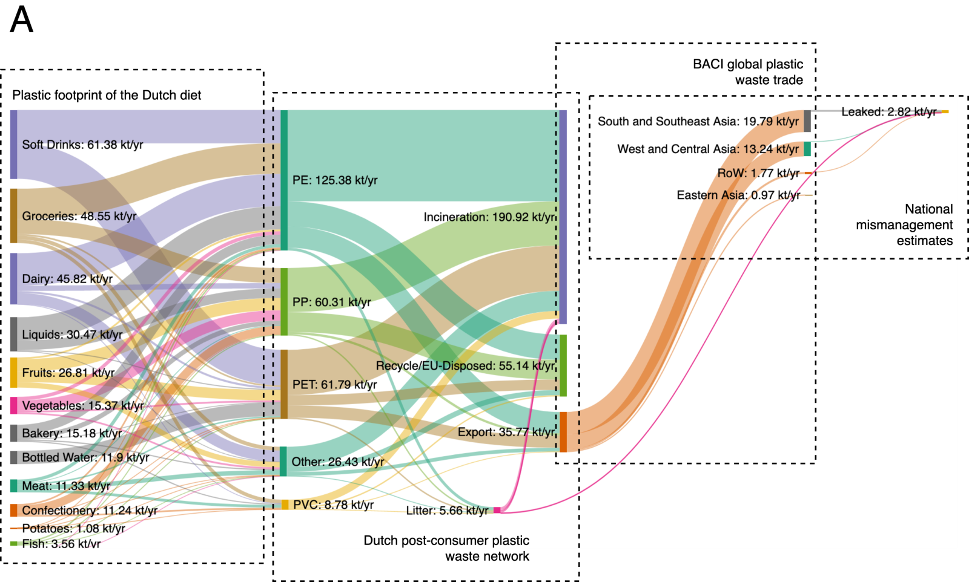
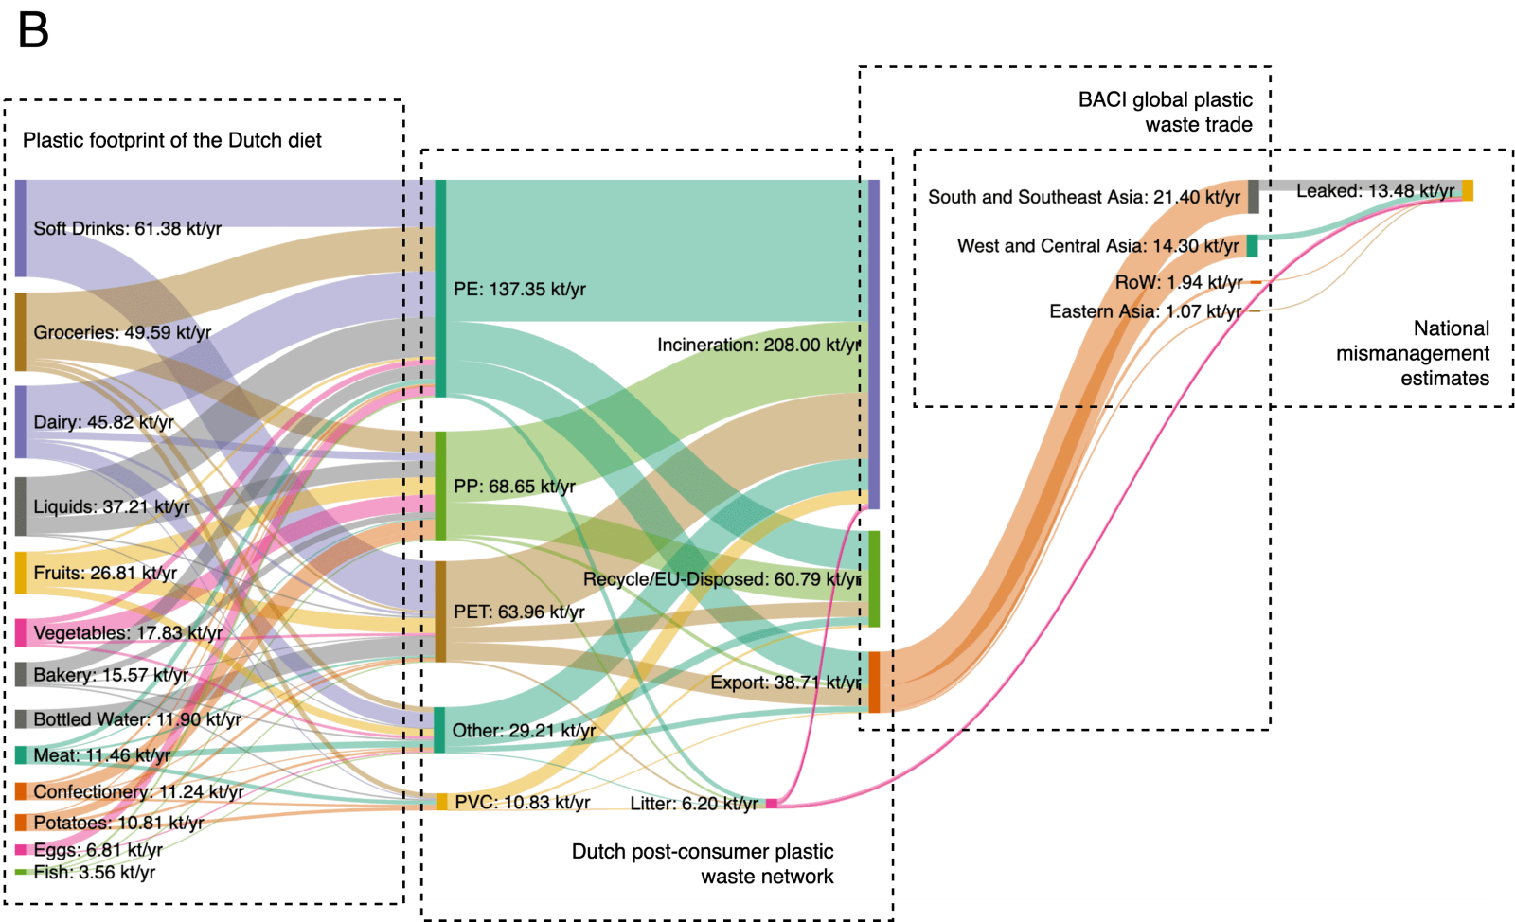

Minimum values |  |  |  |  |  |  | Maximum values

Scale | From | To | Average (kt/yr) | Minimum (kt/yr) | Maximum (kt/yr) | TC | (inter kTon)
NL | Food packaging | Incineration | 219.94 |  |  | 0.742 | 199.65
NL | Food packaging | Recycle | 33.22 | 5.66 | 60.78 | 0.112
NL | Food packaging | Export | 37.25 | 35.77 | 38.73 | 0.126
NL | Food packaging | Litter | 5.935 | 5.66 | 6.21 | 0.020 | 1.49
NL | Sum |  | 296.345
NL | Litter | Incineration | 4.445 |  |  | 0.749
NL | Litter | Outside ('Leaked'?) | 1.49 |  |  | 0.251
NL | Sum |  | 5.935

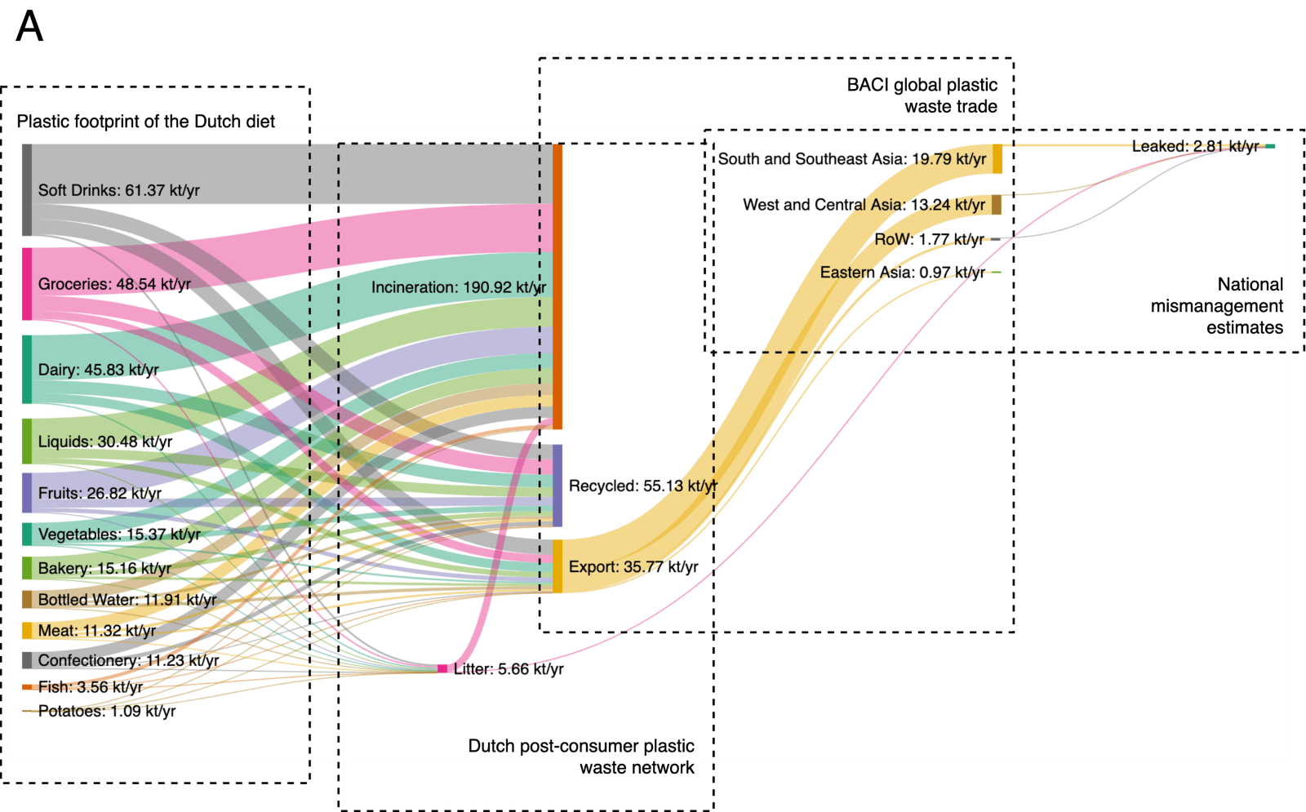
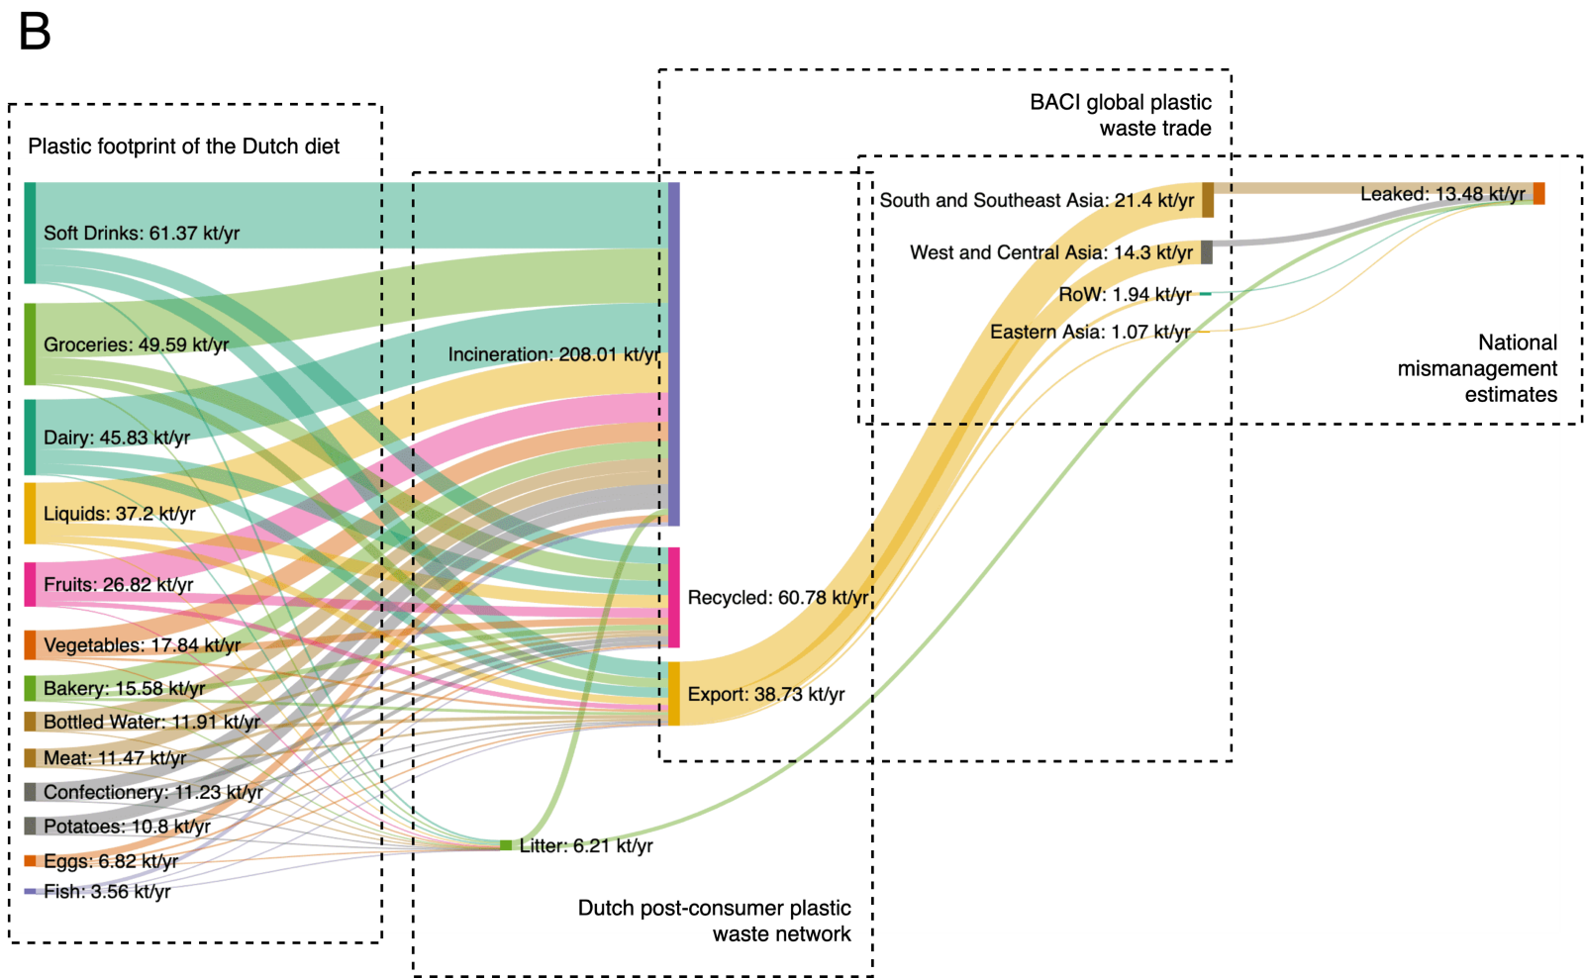
 |  |  |  |  |  |  |  |  |  |  |  |  |  | Figure from SI from Navarre et al. (2022)

Minimum values |  |  |  |  |  |  | Maximum values

 |  |  |  |  |  |  |  |  |  |  |  |  |  | Figure from Navarre et al. (2022)

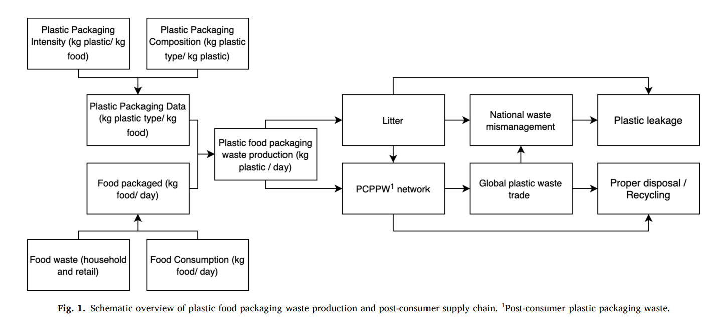

From Lui et al 2022
 | Average from figures
Packaging | ABS | 9
Packaging | PA | 26
Packaging | PC | 1.6
Packaging | PMMA | 0
Packaging | PUR | 22
Packaging |  | 58.6

Packaging | AgriculturalPackagingBottles | ABS | any | 0 | WRAP Report: PlasticFlow 2025, Plastic Packaging Flow Data Report, 2018
Packaging | AgriculturalPackagingBottles | PA | any | 0 | WRAP Report: PlasticFlow 2025, Plastic Packaging Flow Data Report, 2018
Packaging | AgriculturalPackagingBottles | PC | any | 0 | WRAP Report: PlasticFlow 2025, Plastic Packaging Flow Data Report, 2018
Packaging | AgriculturalPackagingBottles | PMMA | any | 0 | WRAP Report: PlasticFlow 2025, Plastic Packaging Flow Data Report, 2018
Packaging | AgriculturalPackagingBottles | PUR | any | 0 | WRAP Report: PlasticFlow 2025, Plastic Packaging Flow Data Report, 2018
Packaging | AgriculturalPackagingFilms | ABS | any | 0 | WRAP Report: PlasticFlow 2025, Plastic Packaging Flow Data Report, 2018
Packaging | AgriculturalPackagingFilms | PA | any | 0.030 | WRAP Report: PlasticFlow 2025, Plastic Packaging Flow Data Report, 2018 |  | 2 | 2 | 2 | 1 | 1 | 2 | 0.37 | 0.37
Packaging | AgriculturalPackagingFilms | PC | any | 0 | WRAP Report: PlasticFlow 2025, Plastic Packaging Flow Data Report, 2018
Packaging | AgriculturalPackagingFilms | PMMA | any | 0 | WRAP Report: PlasticFlow 2025, Plastic Packaging Flow Data Report, 2018
Packaging | AgriculturalPackagingFilms | PUR | any | 0 | WRAP Report: PlasticFlow 2025, Plastic Packaging Flow Data Report, 2018
Packaging | BuildingPackagingFilms | ABS | any | 0 | WRAP Report: PlasticFlow 2025, Plastic Packaging Flow Data Report, 2018
Packaging | BuildingPackagingFilms | PA | any | 0 | WRAP Report: PlasticFlow 2025, Plastic Packaging Flow Data Report, 2018
Packaging | BuildingPackagingFilms | PC | any | 0 | WRAP Report: PlasticFlow 2025, Plastic Packaging Flow Data Report, 2018
Packaging | BuildingPackagingFilms | PMMA | any | 0 | WRAP Report: PlasticFlow 2025, Plastic Packaging Flow Data Report, 2018
Packaging | BuildingPackagingFilms | PUR | any | 0 | WRAP Report: PlasticFlow 2025, Plastic Packaging Flow Data Report, 2018
Packaging | ConsumerBags | ABS | any | 0 | WRAP Report: PlasticFlow 2025, Plastic Packaging Flow Data Report, 2018
Packaging | ConsumerBags | PA | any | 0.283 | WRAP Report: PlasticFlow 2025, Plastic Packaging Flow Data Report, 2018 |  | 2 | 2 | 2 | 1 | 1 | 2 | 0.37 | 0.37
Packaging | ConsumerBags | PC | any | 0 | WRAP Report: PlasticFlow 2025, Plastic Packaging Flow Data Report, 2018
Packaging | ConsumerBags | PMMA | any | 0 | WRAP Report: PlasticFlow 2025, Plastic Packaging Flow Data Report, 2018
Packaging | ConsumerBags | PUR | any | 0 | WRAP Report: PlasticFlow 2025, Plastic Packaging Flow Data Report, 2018
Packaging | ConsumerFilms | ABS | any | 0 | WRAP Report: PlasticFlow 2025, Plastic Packaging Flow Data Report, 2018
Packaging | ConsumerFilms | PA | any | 0.643 | WRAP Report: PlasticFlow 2025, Plastic Packaging Flow Data Report, 2018 |  | 2 | 2 | 2 | 1 | 1 | 2 | 0.37 | 0.37
Packaging | ConsumerFilms | PC | any | 0 | WRAP Report: PlasticFlow 2025, Plastic Packaging Flow Data Report, 2018
Packaging | ConsumerFilms | PMMA | any | 0 | WRAP Report: PlasticFlow 2025, Plastic Packaging Flow Data Report, 2018
Packaging | ConsumerFilms | PUR | any | 0 | WRAP Report: PlasticFlow 2025, Plastic Packaging Flow Data Report, 2018
Packaging | ConsumerOther | ABS | any | 0 | WRAP Report: PlasticFlow 2025, Plastic Packaging Flow Data Report, 2018
Packaging | ConsumerOther | PA | any | 0.044 | WRAP Report: PlasticFlow 2025, Plastic Packaging Flow Data Report, 2018 |  | 2 | 2 | 2 | 1 | 1 | 2 | 0.37 | 0.37
Packaging | ConsumerOther | PC | any | 0 | WRAP Report: PlasticFlow 2025, Plastic Packaging Flow Data Report, 2018
Packaging | ConsumerOther | PMMA | any | 0 | WRAP Report: PlasticFlow 2025, Plastic Packaging Flow Data Report, 2018
Packaging | ConsumerOther | PUR | any | 0.500 | WRAP Report: PlasticFlow 2025, Plastic Packaging Flow Data Report, 2018 |  | 2 | 2 | 2 | 1 | 1 | 3 | 1.02 | 1.02
Packaging | NonConsumerBags | ABS | any | 0 | WRAP Report: PlasticFlow 2025, Plastic Packaging Flow Data Report, 2018
Packaging | NonConsumerBags | PA | any | 0 | WRAP Report: PlasticFlow 2025, Plastic Packaging Flow Data Report, 2018
Packaging | NonConsumerBags | PC | any | 0 | WRAP Report: PlasticFlow 2025, Plastic Packaging Flow Data Report, 2018
Packaging | NonConsumerBags | PMMA | any | 0 | WRAP Report: PlasticFlow 2025, Plastic Packaging Flow Data Report, 2018
Packaging | NonConsumerBags | PUR | any | 0 | WRAP Report: PlasticFlow 2025, Plastic Packaging Flow Data Report, 2018
Packaging | NonConsumerOther | ABS | any | 1.000 | WRAP Report: PlasticFlow 2025, Plastic Packaging Flow Data Report, 2018 |  | 2 | 2 | 2 | 1 | 1 | 2 | 0.37 | 0.37
Packaging | NonConsumerOther | PA | any | 0 | WRAP Report: PlasticFlow 2025, Plastic Packaging Flow Data Report, 2018
Packaging | NonConsumerOther | PC | any | 1.000 | WRAP Report: PlasticFlow 2025, Plastic Packaging Flow Data Report, 2018 |  | 2 | 2 | 2 | 1 | 1 | 2 | 0.37 | 0.37
Packaging | NonConsumerOther | PMMA | any | 0 | WRAP Report: PlasticFlow 2025, Plastic Packaging Flow Data Report, 2018
Packaging | NonConsumerOther | PUR | any | 0.500 | WRAP Report: PlasticFlow 2025, Plastic Packaging Flow Data Report, 2018 |  | 2 | 2 | 2 | 1 | 1 | 3 | 1.02 | 1.02
Packaging | OtherNonConsumerFilms | ABS | any | 0 | WRAP Report: PlasticFlow 2025, Plastic Packaging Flow Data Report, 2018
Packaging | OtherNonConsumerFilms | PA | any | 0 | WRAP Report: PlasticFlow 2025, Plastic Packaging Flow Data Report, 2018
Packaging | OtherNonConsumerFilms | PC | any | 0 | WRAP Report: PlasticFlow 2025, Plastic Packaging Flow Data Report, 2018
Packaging | OtherNonConsumerFilms | PMMA | any | 0 | WRAP Report: PlasticFlow 2025, Plastic Packaging Flow Data Report, 2018
Packaging | OtherNonConsumerFilms | PUR | any | 0 | WRAP Report: PlasticFlow 2025, Plastic Packaging Flow Data Report, 2018

Packaging | AgriculturalPackagingBottles | OTHER | 0 | 0.00E+00 | Other non-consumer packaging | 3.69E-01
Packaging | AgriculturalPackagingFilms | OTHER | 0.78 | 1.33E-02 | Other non-consumer films | 0.00E+00
Packaging | BuildingPackagingFilms | OTHER | 0 | 0.00E+00 | Other consumer packaging | 2.07E-01
Packaging | ConsumerBags | OTHER | 7.358 | 1.26E-01 | Non-consumer bags | 0.00E+00
Packaging | ConsumerFilms | OTHER | 16.718 | 2.85E-01 | Consumer films | 2.85E-01
Packaging | ConsumerOther | OTHER | 12.144 | 2.07E-01 | Consumer bottles | 0
Packaging | NonConsumerBags | OTHER | 0 | 0.00E+00 | Consumer bags | 1.26E-01
Packaging | NonConsumerOther | OTHER | 21.6 | 3.69E-01 | Building packaging films | 0.00E+00
Packaging | OtherNonConsumerFilms | OTHER | 0 | 0.00E+00 | Agricultural packaging films | 1.33E-02
 |  |  | 58.6 |  | Agricultural packaging bottles | 0.00E+00
 |  |  |  | 1.00E+00 |  | 1.00E+00

