KNN
 | PROJECT PHYSICAL AND FINANCIAL VARIABLES |  |  |  |  |  |  |  |  |  |  | V5
 | V-1 | V-2 | V-3 | V-4 | V-5 | V-6 | V-7 | V-8 |  | Distance | Rank | Label
 | 1.00 | 4080.00 | 790.00 | 530.40 | 130.00 | 759.17 | 7.00 | 1800.00 |  | 290 | 5 | 130.00
 | 1.00 | 5030.00 | 1540.00 | 251.50 | 50.00 | 667.88 | 3.00 | 600.00 |  | 1040.007692 | 10 | 50.00
 | 2.00 | 1540.00 | 590.00 | 215.60 | 140.00 | 698.95 | 2.00 | 820.00 |  | 90.13878189 | 1 | 140.00
 | 2.00 | 4330.00 | 1110.00 | 86.60 | 20.00 | 421.26 | 4.00 | 170.00 |  | 610.007377 | 7 | 20.00
 | 3.00 | 6000.00 | 1320.00 | 1800.00 | 300.00 | 752.65 | 5.00 | 2800.00 |  | 820.002439 | 9 | 300.00
 | 3.00 | 820.00 | 260.00 | 49.20 | 60.00 | 644.47 | 4.00 | 630.00 |  | 240.0187493 | 4 | 60.00
 | 4.00 | 3350.00 | 800.00 | 804.00 | 240.00 | 369.90 | 7.00 | 1300.00 |  | 300 | 6 | 240.00
 | 4.00 | 1450.00 | 336.00 | 507.50 | 350.00 | 442.61 | 2.00 | 1800.00 |  | 164.0762018 | 2 | 350.00
 | 5.00 | 6740.00 | 1300.00 | 674.00 | 100.00 | 603.07 | 6.00 | 780.00 |  | 800.000625 | 8 | 100.00
 | 5.00 | 3180.00 | 700.00 | 1049.40 | 330.00 | 732.16 | 5.00 | 1600.00 |  | 200.0099998 | 3 | 330.00
Average | 3.00 | 3652.00 | 874.60 | 596.82 | 172.00 | 609.21 | 4.50 | 1230.00
Standard Deviation | 1.490711985 | 1978.612308 | 430.7028365 | 531.0919 | 122.9995483 | 145.7952064 | 1.840893503 | 782.275882

 | Finding an unknown point by using KNN |  |  |  |  | Classification based on K =3 |  |  | Classification based on K =5

 |  | V3 | 500 |  |  | K | Label |  | K | Label
 |  | V7 | 7 |  |  | 1 | 140.00 |  | 1 | 140.00
 |  | V5 | 140.00 |  |  | 2 | 350.00 |  | 2 | 350.00
 |  |  |  |  |  | 3 | 330.00 |  | 3 | 330.00
 |  |  |  |  |  |  |  |  | 4 | 60.00
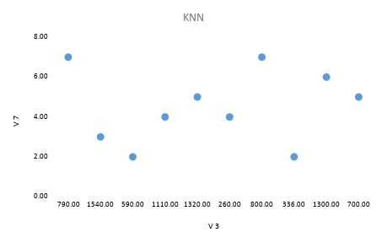
 |  |  |  |  |  |  |  |  | 5 | 130.00

