Incident Metrics
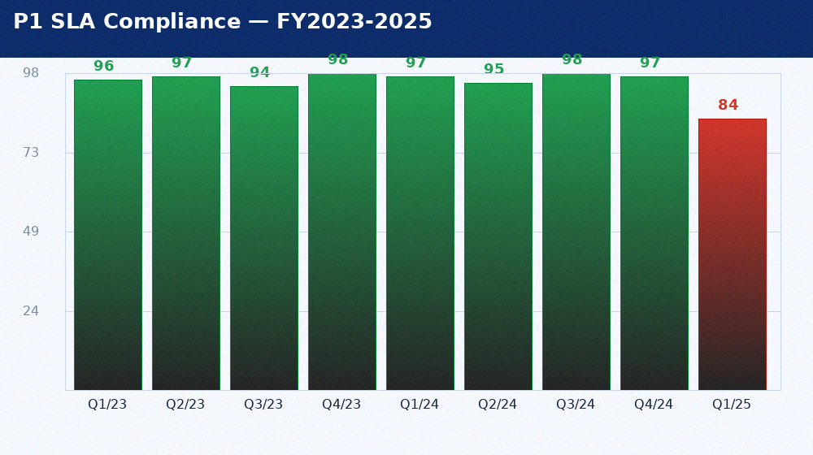
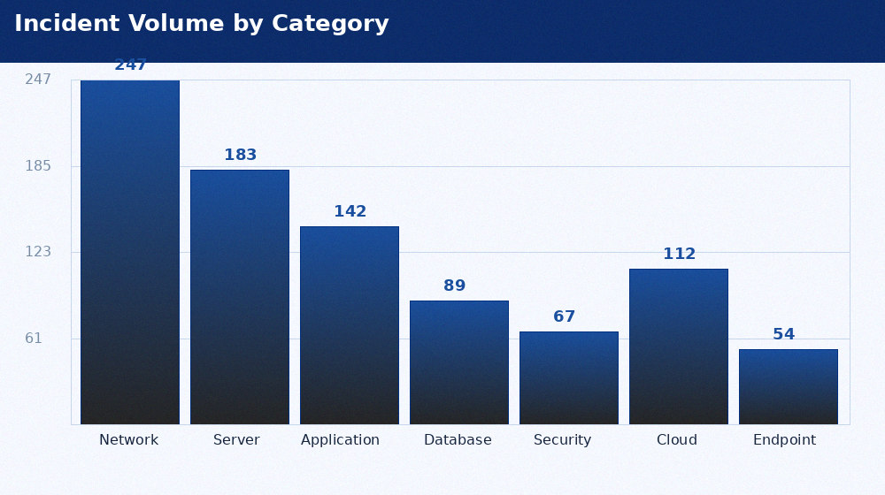
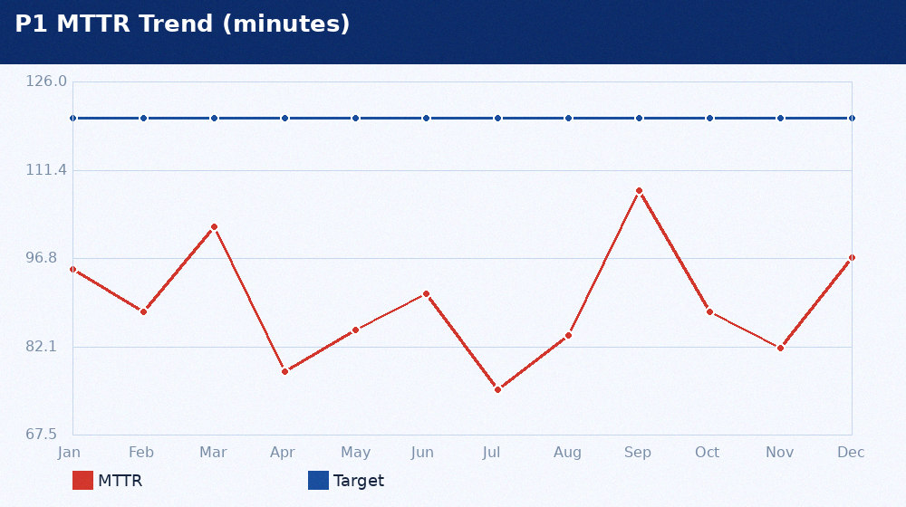
INCIDENT METRICS LOG — FY2023-2025 (5,000 RECORDS)
Incident | Priority | Category | Group | Region | Opened | Resolved | Duration_min | SLA_Target_min | SLA_Met | Users | Root_Cause | Cost_USD | Assigned_To
INC0001234 | 1 - Critical | Network | Network Operations | APAC | 2025-01-14T03:47Z | 2025-01-14T06:22Z | 155 | 120 | No | 847 | Ansible Tower gate defect — AT-4421 DR filter applied to prod | 142000 | Mike Torres
INC1000001 | 1 - Critical | Server | Service Desk | APAC | 2023-11-01T18:00 | 2023-11-01T19:13 | 73 | 120 | Yes | 380 | Capacity | 15800.0 | Sarah Chen
INC1000002 | 2 - High | Application | Infrastructure | AMER | 2023-04-29T16:00 | 2023-04-30T04:48 | 768 | 480 | No | 1 | Bug | 1600.0 | Ravi Patel
INC1000003 | 2 - High | Database | Database Team | GLOBAL | 2023-05-08T22:00 | 2023-05-09T04:15 | 375 | 480 | Yes | 1 | Hardware | 22800.0 | Priya Sharma
INC1000004 | 3 - Moderate | Security | Application Support | EMEA | 2023-02-06T05:00 | 2023-02-07T17:50 | 2210 | 1440 | No | 1 | Human error | 5400.0 | David Kim
INC1000005 | 3 - Moderate | Cloud | Network Operations | APAC | 2024-07-26T18:00 | 2024-07-27T12:50 | 1130 | 1440 | Yes | 1 | 3rd-party | 4400.0 | Mike Torres
INC1000006 | 3 - Moderate | Endpoint | Service Desk | AMER | 2023-01-09T20:00 | 2023-01-11T19:16 | 2836 | 1440 | No | 1 | Patch | 1200.0 | Sarah Chen
INC1000007 | 4 - Low | Network | Infrastructure | GLOBAL | 2024-07-31T00:00 | 2024-08-03T03:30 | 4530 | 4320 | No | 1 | Config error | 200.0 | Ravi Patel
INC1000008 | 1 - Critical | Server | Database Team | EMEA | 2024-04-04T13:00 | 2024-04-04T14:03 | 63 | 120 | Yes | 184 | Capacity | 57300.0 | Priya Sharma
INC1000009 | 1 - Critical | Application | Application Support | APAC | 2024-04-14T14:00 | 2024-04-14T17:15 | 195 | 120 | No | 374 | Bug | 121200.0 | David Kim
INC1000010 | 2 - High | Database | Network Operations | AMER | 2024-09-19T06:00 | 2024-09-19T17:50 | 710 | 480 | No | 1 | Hardware | 43800.0 | Mike Torres
INC1000011 | 2 - High | Security | Service Desk | GLOBAL | 2024-05-31T19:00 | 2024-05-31T22:47 | 227 | 480 | Yes | 1 | Human error | 13300.0 | Sarah Chen
INC1000012 | 3 - Moderate | Cloud | Infrastructure | EMEA | 2024-05-08T18:00 | 2024-05-10T07:41 | 2261 | 1440 | No | 1 | 3rd-party | 5300.0 | Ravi Patel
INC1000013 | 3 - Moderate | Endpoint | Database Team | APAC | 2023-03-04T13:00 | 2023-03-06T07:07 | 2527 | 1440 | No | 1 | Patch | 5800.0 | Priya Sharma
INC1000014 | 3 - Moderate | Network | Application Support | AMER | 2023-04-19T22:00 | 2023-04-22T02:22 | 3142 | 1440 | No | 1 | Config error | 6500.0 | David Kim
INC1000015 | 4 - Low | Server | Network Operations | GLOBAL | 2024-06-02T23:00 | 2024-06-05T16:38 | 3938 | 4320 | Yes | 1 | Capacity | 1000.0 | Mike Torres
INC1000016 | 1 - Critical | Application | Service Desk | EMEA | 2024-05-13T02:00 | 2024-05-13T03:19 | 79 | 120 | Yes | 344 | Bug | 53600.0 | Sarah Chen
INC1000017 | 1 - Critical | Database | Infrastructure | APAC | 2023-12-31T12:00 | 2023-12-31T15:41 | 221 | 120 | No | 37 | Hardware | 102700.0 | Ravi Patel
INC1000018 | 2 - High | Security | Database Team | AMER | 2023-08-22T15:00 | 2023-08-23T02:48 | 708 | 480 | No | 1 | Human error | 11100.0 | Priya Sharma
INC1000019 | 2 - High | Cloud | Application Support | GLOBAL | 2024-09-23T03:00 | 2024-09-23T12:05 | 545 | 480 | No | 1 | 3rd-party | 44500.0 | David Kim
INC1000020 | 3 - Moderate | Endpoint | Network Operations | EMEA | 2023-10-27T20:00 | 2023-10-29T15:21 | 2601 | 1440 | No | 1 | Patch | 6300.0 | Mike Torres
INC1000021 | 3 - Moderate | Network | Service Desk | APAC | 2023-03-18T08:00 | 2023-03-19T03:18 | 1158 | 1440 | Yes | 1 | Config error | 300.0 | Sarah Chen
INC1000022 | 3 - Moderate | Server | Infrastructure | AMER | 2024-03-06T16:00 | 2024-03-07T20:23 | 1703 | 1440 | No | 1 | Capacity | 500.0 | Ravi Patel
INC1000023 | 4 - Low | Application | Database Team | GLOBAL | 2024-03-05T15:00 | 2024-03-07T22:17 | 3317 | 4320 | Yes | 1 | Bug | 800.0 | Priya Sharma
INC1000024 | 1 - Critical | Database | Application Support | EMEA | 2024-09-18T11:00 | 2024-09-18T12:14 | 74 | 120 | Yes | 382 | Hardware | 21400.0 | David Kim
INC1000025 | 1 - Critical | Security | Network Operations | APAC | 2023-12-25T17:00 | 2023-12-25T20:53 | 233 | 120 | No | 299 | Human error | 64600.0 | Mike Torres
INC1000026 | 2 - High | Cloud | Service Desk | AMER | 2024-06-29T07:00 | 2024-06-29T15:46 | 526 | 480 | No | 1 | 3rd-party | 44900.0 | Sarah Chen
INC1000027 | 2 - High | Endpoint | Infrastructure | GLOBAL | 2023-07-08T20:00 | 2023-07-09T07:22 | 682 | 480 | No | 1 | Patch | 4200.0 | Ravi Patel
INC1000028 | 3 - Moderate | Network | Database Team | EMEA | 2023-03-06T07:00 | 2023-03-08T11:40 | 3160 | 1440 | No | 1 | Config error | 1200.0 | Priya Sharma
INC1000029 | 3 - Moderate | Server | Application Support | APAC | 2023-08-07T10:00 | 2023-08-09T11:01 | 2941 | 1440 | No | 1 | Capacity | 3200.0 | David Kim
INC1000030 | 3 - Moderate | Application | Network Operations | AMER | 2023-03-28T17:00 | 2023-03-29T20:31 | 1651 | 1440 | No | 1 | Bug | 4500.0 | Mike Torres
INC1000031 | 4 - Low | Database | Service Desk | GLOBAL | 2024-10-01T01:00 | 2024-10-05T10:25 | 6325 | 4320 | No | 1 | Hardware | 1500.0 | Sarah Chen
INC1000032 | 1 - Critical | Security | Infrastructure | EMEA | 2023-01-16T16:00 | 2023-01-16T19:36 | 216 | 120 | No | 454 | Human error | 17600.0 | Ravi Patel
INC1000033 | 1 - Critical | Cloud | Database Team | APAC | 2023-12-31T07:00 | 2023-12-31T10:59 | 239 | 120 | No | 151 | 3rd-party | 51400.0 | Priya Sharma
INC1000034 | 2 - High | Endpoint | Application Support | AMER | 2024-08-16T14:00 | 2024-08-16T19:11 | 311 | 480 | Yes | 1 | Patch | 300.0 | David Kim
INC1000035 | 2 - High | Network | Network Operations | GLOBAL | 2023-12-26T14:00 | 2023-12-27T09:30 | 1170 | 480 | No | 1 | Config error | 34300.0 | Mike Torres
INC1000036 | 3 - Moderate | Server | Service Desk | EMEA | 2024-11-24T03:00 | 2024-11-26T10:23 | 3323 | 1440 | No | 1 | Capacity | 6500.0 | Sarah Chen
INC1000037 | 3 - Moderate | Application | Infrastructure | APAC | 2024-02-12T11:00 | 2024-02-14T14:38 | 3098 | 1440 | No | 1 | Bug | 3800.0 | Ravi Patel
INC1000038 | 3 - Moderate | Database | Database Team | AMER | 2023-09-29T13:00 | 2023-09-30T04:16 | 916 | 1440 | Yes | 1 | Hardware | 5700.0 | Priya Sharma
INC1000039 | 4 - Low | Security | Application Support | GLOBAL | 2024-12-25T02:00 | 2025-01-01T01:05 | 10025 | 4320 | No | 1 | Human error | 900.0 | David Kim
INC1000040 | 1 - Critical | Cloud | Network Operations | EMEA | 2024-10-29T02:00 | 2024-10-29T02:41 | 41 | 120 | Yes | 450 | 3rd-party | 139400.0 | Mike Torres
INC1000041 | 1 - Critical | Endpoint | Service Desk | APAC | 2024-02-24T20:00 | 2024-02-24T21:39 | 99 | 120 | Yes | 291 | Patch | 36500.0 | Sarah Chen
INC1000042 | 2 - High | Network | Infrastructure | AMER | 2023-04-18T12:00 | 2023-04-18T15:54 | 234 | 480 | Yes | 1 | Config error | 21900.0 | Ravi Patel
INC1000043 | 2 - High | Server | Database Team | GLOBAL | 2023-04-05T11:00 | 2023-04-06T06:37 | 1177 | 480 | No | 1 | Capacity | 24000.0 | Priya Sharma
INC1000044 | 3 - Moderate | Application | Application Support | EMEA | 2023-06-21T16:00 | 2023-06-22T05:59 | 839 | 1440 | Yes | 1 | Bug | 3600.0 | David Kim
INC1000045 | 3 - Moderate | Database | Network Operations | APAC | 2023-08-14T10:00 | 2023-08-15T07:12 | 1272 | 1440 | Yes | 1 | Hardware | 6500.0 | Mike Torres
INC1000046 | 3 - Moderate | Security | Service Desk | AMER | 2024-07-31T17:00 | 2024-08-03T03:07 | 3487 | 1440 | No | 1 | Human error | 7000.0 | Sarah Chen
INC1000047 | 4 - Low | Cloud | Infrastructure | GLOBAL | 2023-10-02T15:00 | 2023-10-08T05:32 | 8072 | 4320 | No | 1 | 3rd-party | 600.0 | Ravi Patel
INC1000048 | 1 - Critical | Endpoint | Database Team | EMEA | 2024-05-24T20:00 | 2024-05-24T22:32 | 152 | 120 | No | 62 | Patch | 77900.0 | Priya Sharma
INC1000049 | 1 - Critical | Network | Application Support | APAC | 2023-12-05T11:00 | 2023-12-05T12:35 | 95 | 120 | Yes | 302 | Config error | 51000.0 | David Kim
INC1000050 | 2 - High | Server | Network Operations | AMER | 2023-11-11T04:00 | 2023-11-11T16:45 | 765 | 480 | No | 1 | Capacity | 500.0 | Mike Torres
INC1000051 | 2 - High | Application | Service Desk | GLOBAL | 2023-03-22T09:00 | 2023-03-22T15:26 | 386 | 480 | Yes | 1 | Bug | 40800.0 | Sarah Chen
INC1000052 | 3 - Moderate | Database | Infrastructure | EMEA | 2024-03-27T03:00 | 2024-03-27T13:56 | 656 | 1440 | Yes | 1 | Hardware | 1800.0 | Ravi Patel
INC1000053 | 3 - Moderate | Security | Database Team | APAC | 2024-10-24T18:00 | 2024-10-25T12:31 | 1111 | 1440 | Yes | 1 | Human error | 1000.0 | Priya Sharma
INC1000054 | 3 - Moderate | Cloud | Application Support | AMER | 2024-10-07T08:00 | 2024-10-08T04:02 | 1202 | 1440 | Yes | 1 | 3rd-party | 3600.0 | David Kim
INC1000055 | 4 - Low | Endpoint | Network Operations | GLOBAL | 2024-07-09T18:00 | 2024-07-11T21:46 | 3106 | 4320 | Yes | 1 | Patch | 100.0 | Mike Torres
INC1000056 | 1 - Critical | Network | Service Desk | EMEA | 2024-08-11T12:00 | 2024-08-11T14:10 | 130 | 120 | No | 443 | Config error | 62000.0 | Sarah Chen
INC1000057 | 1 - Critical | Server | Infrastructure | APAC | 2023-03-15T23:00 | 2023-03-16T02:34 | 214 | 120 | No | 51 | Capacity | 147600.0 | Ravi Patel
INC1000058 | 2 - High | Application | Database Team | AMER | 2023-03-24T18:00 | 2023-03-25T03:29 | 569 | 480 | No | 1 | Bug | 15400.0 | Priya Sharma
INC1000059 | 2 - High | Database | Application Support | GLOBAL | 2023-05-30T04:00 | 2023-05-30T10:47 | 407 | 480 | Yes | 1 | Hardware | 8700.0 | David Kim
INC1000060 | 3 - Moderate | Security | Network Operations | EMEA | 2024-09-04T12:00 | 2024-09-05T02:36 | 876 | 1440 | Yes | 1 | Human error | 1400.0 | Mike Torres
INC1000061 | 3 - Moderate | Cloud | Service Desk | APAC | 2024-09-23T15:00 | 2024-09-24T11:23 | 1223 | 1440 | Yes | 1 | 3rd-party | 6900.0 | Sarah Chen
INC1000062 | 3 - Moderate | Endpoint | Infrastructure | AMER | 2024-08-28T00:00 | 2024-08-30T01:52 | 2992 | 1440 | No | 1 | Patch | 6400.0 | Ravi Patel
INC1000063 | 4 - Low | Network | Database Team | GLOBAL | 2023-05-14T16:00 | 2023-05-15T21:37 | 1777 | 4320 | Yes | 1 | Config error | 1500.0 | Priya Sharma
INC1000064 | 1 - Critical | Server | Application Support | EMEA | 2023-01-21T03:00 | 2023-01-21T07:52 | 292 | 120 | No | 435 | Capacity | 139000.0 | David Kim
INC1000065 | 1 - Critical | Application | Network Operations | APAC | 2023-11-19T17:00 | 2023-11-19T18:20 | 80 | 120 | Yes | 110 | Bug | 73100.0 | Mike Torres
INC1000066 | 2 - High | Database | Service Desk | AMER | 2024-07-01T13:00 | 2024-07-02T07:17 | 1097 | 480 | No | 1 | Hardware | 7500.0 | Sarah Chen
INC1000067 | 2 - High | Security | Infrastructure | GLOBAL | 2023-01-03T22:00 | 2023-01-04T17:44 | 1184 | 480 | No | 1 | Human error | 12000.0 | Ravi Patel
INC1000068 | 3 - Moderate | Cloud | Database Team | EMEA | 2024-09-13T05:00 | 2024-09-14T03:16 | 1336 | 1440 | Yes | 1 | 3rd-party | 5200.0 | Priya Sharma
INC1000069 | 3 - Moderate | Endpoint | Application Support | APAC | 2024-10-26T11:00 | 2024-10-27T02:22 | 922 | 1440 | Yes | 1 | Patch | 2200.0 | David Kim
INC1000070 | 3 - Moderate | Network | Network Operations | AMER | 2023-03-21T20:00 | 2023-03-23T09:47 | 2267 | 1440 | No | 1 | Config error | 4100.0 | Mike Torres
INC1000071 | 4 - Low | Server | Service Desk | GLOBAL | 2024-03-04T04:00 | 2024-03-05T10:39 | 1839 | 4320 | Yes | 1 | Capacity | 900.0 | Sarah Chen
INC1000072 | 1 - Critical | Application | Infrastructure | EMEA | 2024-11-17T13:00 | 2024-11-17T17:39 | 279 | 120 | No | 30 | Bug | 79900.0 | Ravi Patel
INC1000073 | 1 - Critical | Database | Database Team | APAC | 2024-11-24T08:00 | 2024-11-24T08:57 | 57 | 120 | Yes | 305 | Hardware | 28300.0 | Priya Sharma
INC1000074 | 2 - High | Security | Application Support | AMER | 2023-04-03T18:00 | 2023-04-04T08:17 | 857 | 480 | No | 1 | Human error | 10700.0 | David Kim
INC1000075 | 2 - High | Cloud | Network Operations | GLOBAL | 2023-06-13T16:00 | 2023-06-14T10:58 | 1138 | 480 | No | 1 | 3rd-party | 25700.0 | Mike Torres
INC1000076 | 3 - Moderate | Endpoint | Service Desk | EMEA | 2023-02-24T06:00 | 2023-02-25T21:54 | 2394 | 1440 | No | 1 | Patch | 3200.0 | Sarah Chen
INC1000077 | 3 - Moderate | Network | Infrastructure | APAC | 2024-12-14T18:00 | 2024-12-15T17:54 | 1434 | 1440 | Yes | 1 | Config error | 2000.0 | Ravi Patel
INC1000078 | 3 - Moderate | Server | Database Team | AMER | 2024-03-04T23:00 | 2024-03-05T18:48 | 1188 | 1440 | Yes | 1 | Capacity | 3000.0 | Priya Sharma
INC1000079 | 4 - Low | Application | Application Support | GLOBAL | 2024-02-14T14:00 | 2024-02-18T12:01 | 5641 | 4320 | No | 1 | Bug | 1400.0 | David Kim
INC1000080 | 1 - Critical | Database | Network Operations | EMEA | 2023-04-10T01:00 | 2023-04-10T01:38 | 38 | 120 | Yes | 289 | Hardware | 93400.0 | Mike Torres
INC1000081 | 1 - Critical | Security | Service Desk | APAC | 2023-05-17T12:00 | 2023-05-17T12:55 | 55 | 120 | Yes | 136 | Human error | 32400.0 | Sarah Chen
INC1000082 | 2 - High | Cloud | Infrastructure | AMER | 2023-06-30T20:00 | 2023-07-01T14:50 | 1130 | 480 | No | 1 | 3rd-party | 39700.0 | Ravi Patel
INC1000083 | 2 - High | Endpoint | Database Team | GLOBAL | 2023-11-30T12:00 | 2023-11-30T20:54 | 534 | 480 | No | 1 | Patch | 7200.0 | Priya Sharma
INC1000084 | 3 - Moderate | Network | Application Support | EMEA | 2024-02-18T00:00 | 2024-02-19T15:30 | 2370 | 1440 | No | 1 | Config error | 7400.0 | David Kim
INC1000085 | 3 - Moderate | Server | Network Operations | APAC | 2024-12-23T04:00 | 2024-12-23T11:37 | 457 | 1440 | Yes | 1 | Capacity | 6100.0 | Mike Torres
INC1000086 | 3 - Moderate | Application | Service Desk | AMER | 2024-02-13T18:00 | 2024-02-16T02:24 | 3384 | 1440 | No | 1 | Bug | 800.0 | Sarah Chen
INC1000087 | 4 - Low | Database | Infrastructure | GLOBAL | 2023-07-03T08:00 | 2023-07-05T23:29 | 3809 | 4320 | Yes | 1 | Hardware | 1300.0 | Ravi Patel
INC1000088 | 1 - Critical | Security | Database Team | EMEA | 2023-08-01T05:00 | 2023-08-01T06:48 | 108 | 120 | Yes | 368 | Human error | 90900.0 | Priya Sharma
INC1000089 | 1 - Critical | Cloud | Application Support | APAC | 2024-04-13T03:00 | 2024-04-13T04:30 | 90 | 120 | Yes | 136 | 3rd-party | 95300.0 | David Kim
INC1000090 | 2 - High | Endpoint | Network Operations | AMER | 2024-11-21T01:00 | 2024-11-21T12:00 | 660 | 480 | No | 1 | Patch | 40800.0 | Mike Torres
INC1000091 | 2 - High | Network | Service Desk | GLOBAL | 2023-03-11T08:00 | 2023-03-11T12:01 | 241 | 480 | Yes | 1 | Config error | 19100.0 | Sarah Chen
INC1000092 | 3 - Moderate | Server | Infrastructure | EMEA | 2024-01-13T18:00 | 2024-01-14T03:32 | 572 | 1440 | Yes | 1 | Capacity | 2500.0 | Ravi Patel
INC1000093 | 3 - Moderate | Application | Database Team | APAC | 2023-06-28T14:00 | 2023-06-30T06:50 | 2450 | 1440 | No | 1 | Bug | 2000.0 | Priya Sharma
INC1000094 | 3 - Moderate | Database | Application Support | AMER | 2024-08-26T06:00 | 2024-08-27T18:20 | 2180 | 1440 | No | 1 | Hardware | 3200.0 | David Kim
INC1000095 | 4 - Low | Security | Network Operations | GLOBAL | 2023-01-14T04:00 | 2023-01-15T19:19 | 2359 | 4320 | Yes | 1 | Human error | 1400.0 | Mike Torres
INC1000096 | 1 - Critical | Cloud | Service Desk | EMEA | 2023-07-23T12:00 | 2023-07-23T15:00 | 180 | 120 | No | 299 | 3rd-party | 125300.0 | Sarah Chen
INC1000097 | 1 - Critical | Endpoint | Infrastructure | APAC | 2023-07-22T04:00 | 2023-07-22T06:29 | 149 | 120 | No | 187 | Patch | 6800.0 | Ravi Patel
INC1000098 | 2 - High | Network | Database Team | AMER | 2023-02-24T11:00 | 2023-02-25T05:13 | 1093 | 480 | No | 1 | Config error | 9600.0 | Priya Sharma
INC1000099 | 2 - High | Server | Application Support | GLOBAL | 2023-12-07T16:00 | 2023-12-08T06:08 | 848 | 480 | No | 1 | Capacity | 16000.0 | David Kim
INC1000100 | 3 - Moderate | Application | Network Operations | EMEA | 2024-07-08T20:00 | 2024-07-11T06:37 | 3517 | 1440 | No | 1 | Bug | 5600.0 | Mike Torres
INC1000101 | 3 - Moderate | Database | Service Desk | APAC | 2023-11-20T05:00 | 2023-11-22T09:51 | 3171 | 1440 | No | 1 | Hardware | 7300.0 | Sarah Chen
INC1000102 | 3 - Moderate | Security | Infrastructure | AMER | 2023-08-30T17:00 | 2023-09-01T22:44 | 3224 | 1440 | No | 1 | Human error | 200.0 | Ravi Patel
INC1000103 | 4 - Low | Cloud | Database Team | GLOBAL | 2024-03-29T13:00 | 2024-04-04T14:32 | 8732 | 4320 | No | 1 | 3rd-party | 600.0 | Priya Sharma
INC1000104 | 1 - Critical | Endpoint | Application Support | EMEA | 2023-12-05T19:00 | 2023-12-05T20:46 | 106 | 120 | Yes | 56 | Patch | 118200.0 | David Kim
INC1000105 | 1 - Critical | Network | Network Operations | APAC | 2024-06-06T07:00 | 2024-06-06T11:26 | 266 | 120 | No | 114 | Config error | 128900.0 | Mike Torres
INC1000106 | 2 - High | Server | Service Desk | AMER | 2023-09-30T11:00 | 2023-10-01T03:46 | 1006 | 480 | No | 1 | Capacity | 20800.0 | Sarah Chen
INC1000107 | 2 - High | Application | Infrastructure | GLOBAL | 2024-02-21T16:00 | 2024-02-22T08:50 | 1010 | 480 | No | 1 | Bug | 39200.0 | Ravi Patel
INC1000108 | 3 - Moderate | Database | Database Team | EMEA | 2023-11-01T08:00 | 2023-11-01T16:27 | 507 | 1440 | Yes | 1 | Hardware | 1500.0 | Priya Sharma
INC1000109 | 3 - Moderate | Security | Application Support | APAC | 2024-03-24T04:00 | 2024-03-25T01:55 | 1315 | 1440 | Yes | 1 | Human error | 500.0 | David Kim
INC1000110 | 3 - Moderate | Cloud | Network Operations | AMER | 2024-01-17T02:00 | 2024-01-18T03:44 | 1544 | 1440 | No | 1 | 3rd-party | 3800.0 | Mike Torres
INC1000111 | 4 - Low | Endpoint | Service Desk | GLOBAL | 2024-03-28T03:00 | 2024-04-04T05:23 | 10223 | 4320 | No | 1 | Patch | 200.0 | Sarah Chen
INC1000112 | 1 - Critical | Network | Infrastructure | EMEA | 2023-12-23T15:00 | 2023-12-23T16:23 | 83 | 120 | Yes | 136 | Config error | 144400.0 | Ravi Patel
INC1000113 | 1 - Critical | Server | Database Team | APAC | 2023-02-22T05:00 | 2023-02-22T06:05 | 65 | 120 | Yes | 374 | Capacity | 65500.0 | Priya Sharma
INC1000114 | 2 - High | Application | Application Support | AMER | 2024-03-04T06:00 | 2024-03-04T16:05 | 605 | 480 | No | 1 | Bug | 44300.0 | David Kim
INC1000115 | 2 - High | Database | Network Operations | GLOBAL | 2023-06-07T21:00 | 2023-06-08T06:11 | 551 | 480 | No | 1 | Hardware | 26000.0 | Mike Torres
INC1000116 | 3 - Moderate | Security | Service Desk | EMEA | 2023-12-14T18:00 | 2023-12-15T03:33 | 573 | 1440 | Yes | 1 | Human error | 3300.0 | Sarah Chen
INC1000117 | 3 - Moderate | Cloud | Infrastructure | APAC | 2024-12-10T20:00 | 2024-12-13T04:04 | 3364 | 1440 | No | 1 | 3rd-party | 4000.0 | Ravi Patel
INC1000118 | 3 - Moderate | Endpoint | Database Team | AMER | 2023-09-27T00:00 | 2023-09-28T02:26 | 1586 | 1440 | No | 1 | Patch | 500.0 | Priya Sharma
INC1000119 | 4 - Low | Network | Application Support | GLOBAL | 2024-03-26T19:00 | 2024-03-31T19:18 | 7218 | 4320 | No | 1 | Config error | 1000.0 | David Kim
INC1000120 | 1 - Critical | Server | Network Operations | EMEA | 2023-06-20T03:00 | 2023-06-20T06:46 | 226 | 120 | No | 159 | Capacity | 45400.0 | Mike Torres
INC1000121 | 1 - Critical | Application | Service Desk | APAC | 2024-07-11T14:00 | 2024-07-11T16:02 | 122 | 120 | No | 284 | Bug | 104700.0 | Sarah Chen
INC1000122 | 2 - High | Database | Infrastructure | AMER | 2023-06-23T18:00 | 2023-06-23T23:47 | 347 | 480 | Yes | 1 | Hardware | 30000.0 | Ravi Patel
INC1000123 | 2 - High | Security | Database Team | GLOBAL | 2024-06-01T15:00 | 2024-06-02T05:19 | 859 | 480 | No | 1 | Human error | 40600.0 | Priya Sharma
INC1000124 | 3 - Moderate | Cloud | Application Support | EMEA | 2024-02-15T21:00 | 2024-02-17T01:38 | 1718 | 1440 | No | 1 | 3rd-party | 6300.0 | David Kim
INC1000125 | 3 - Moderate | Endpoint | Network Operations | APAC | 2024-02-19T21:00 | 2024-02-20T19:21 | 1341 | 1440 | Yes | 1 | Patch | 3200.0 | Mike Torres
INC1000126 | 3 - Moderate | Network | Service Desk | AMER | 2024-03-15T23:00 | 2024-03-17T06:45 | 1905 | 1440 | No | 1 | Config error | 3300.0 | Sarah Chen
INC1000127 | 4 - Low | Server | Infrastructure | GLOBAL | 2023-10-19T18:00 | 2023-10-24T00:34 | 6154 | 4320 | No | 1 | Capacity | 1200.0 | Ravi Patel
INC1000128 | 1 - Critical | Application | Database Team | EMEA | 2023-08-20T16:00 | 2023-08-20T19:30 | 210 | 120 | No | 340 | Bug | 42900.0 | Priya Sharma
INC1000129 | 1 - Critical | Database | Application Support | APAC | 2024-04-02T15:00 | 2024-04-02T16:01 | 61 | 120 | Yes | 121 | Hardware | 142800.0 | David Kim
INC1000130 | 2 - High | Security | Network Operations | AMER | 2024-02-28T19:00 | 2024-02-29T01:21 | 381 | 480 | Yes | 1 | Human error | 9100.0 | Mike Torres
INC1000131 | 2 - High | Cloud | Service Desk | GLOBAL | 2023-02-03T08:00 | 2023-02-03T11:13 | 193 | 480 | Yes | 1 | 3rd-party | 44300.0 | Sarah Chen
INC1000132 | 3 - Moderate | Endpoint | Infrastructure | EMEA | 2023-04-10T10:00 | 2023-04-11T17:15 | 1875 | 1440 | No | 1 | Patch | 6600.0 | Ravi Patel
INC1000133 | 3 - Moderate | Network | Database Team | APAC | 2023-09-23T11:00 | 2023-09-25T08:08 | 2708 | 1440 | No | 1 | Config error | 2900.0 | Priya Sharma
INC1000134 | 3 - Moderate | Server | Application Support | AMER | 2024-06-29T15:00 | 2024-06-30T11:05 | 1205 | 1440 | Yes | 1 | Capacity | 4900.0 | David Kim
INC1000135 | 4 - Low | Application | Network Operations | GLOBAL | 2023-01-08T13:00 | 2023-01-15T08:00 | 9780 | 4320 | No | 1 | Bug | 1300.0 | Mike Torres
INC1000136 | 1 - Critical | Database | Service Desk | EMEA | 2023-05-26T12:00 | 2023-05-26T16:02 | 242 | 120 | No | 412 | Hardware | 33200.0 | Sarah Chen
INC1000137 | 1 - Critical | Security | Infrastructure | APAC | 2024-12-08T04:00 | 2024-12-08T06:39 | 159 | 120 | No | 470 | Human error | 83800.0 | Ravi Patel
INC1000138 | 2 - High | Cloud | Database Team | AMER | 2023-06-15T16:00 | 2023-06-16T02:26 | 626 | 480 | No | 1 | 3rd-party | 36100.0 | Priya Sharma
INC1000139 | 2 - High | Endpoint | Application Support | GLOBAL | 2024-12-26T04:00 | 2024-12-26T23:47 | 1187 | 480 | No | 1 | Patch | 26900.0 | David Kim
INC1000140 | 3 - Moderate | Network | Network Operations | EMEA | 2024-08-27T06:00 | 2024-08-28T21:33 | 2373 | 1440 | No | 1 | Config error | 5400.0 | Mike Torres
INC1000141 | 3 - Moderate | Server | Service Desk | APAC | 2024-11-20T04:00 | 2024-11-21T09:44 | 1784 | 1440 | No | 1 | Capacity | 6800.0 | Sarah Chen
INC1000142 | 3 - Moderate | Application | Infrastructure | AMER | 2024-08-31T19:00 | 2024-09-03T01:34 | 3274 | 1440 | No | 1 | Bug | 5600.0 | Ravi Patel
INC1000143 | 4 - Low | Database | Database Team | GLOBAL | 2024-10-10T02:00 | 2024-10-13T22:53 | 5573 | 4320 | No | 1 | Hardware | 1100.0 | Priya Sharma
INC1000144 | 1 - Critical | Security | Application Support | EMEA | 2024-01-14T14:00 | 2024-01-14T17:58 | 238 | 120 | No | 321 | Human error | 78400.0 | David Kim
INC1000145 | 1 - Critical | Cloud | Network Operations | APAC | 2023-11-23T15:00 | 2023-11-23T16:48 | 108 | 120 | Yes | 147 | 3rd-party | 12100.0 | Mike Torres
INC1000146 | 2 - High | Endpoint | Service Desk | AMER | 2023-11-17T03:00 | 2023-11-17T10:11 | 431 | 480 | Yes | 1 | Patch | 14500.0 | Sarah Chen
INC1000147 | 2 - High | Network | Infrastructure | GLOBAL | 2023-04-21T00:00 | 2023-04-21T04:50 | 290 | 480 | Yes | 1 | Config error | 10500.0 | Ravi Patel
INC1000148 | 3 - Moderate | Server | Database Team | EMEA | 2023-07-28T15:00 | 2023-07-30T11:30 | 2670 | 1440 | No | 1 | Capacity | 500.0 | Priya Sharma
INC1000149 | 3 - Moderate | Application | Application Support | APAC | 2024-07-10T12:00 | 2024-07-11T12:40 | 1480 | 1440 | No | 1 | Bug | 3500.0 | David Kim
INC1000150 | 3 - Moderate | Database | Network Operations | AMER | 2023-03-27T00:00 | 2023-03-27T18:07 | 1087 | 1440 | Yes | 1 | Hardware | 3200.0 | Mike Torres
INC1000151 | 4 - Low | Security | Service Desk | GLOBAL | 2023-01-27T16:00 | 2023-02-03T05:18 | 9438 | 4320 | No | 1 | Human error | 1100.0 | Sarah Chen
INC1000152 | 1 - Critical | Cloud | Infrastructure | EMEA | 2024-06-03T08:00 | 2024-06-03T10:42 | 162 | 120 | No | 153 | 3rd-party | 141400.0 | Ravi Patel
INC1000153 | 1 - Critical | Endpoint | Database Team | APAC | 2024-06-16T11:00 | 2024-06-16T15:21 | 261 | 120 | No | 215 | Patch | 143000.0 | Priya Sharma
INC1000154 | 2 - High | Network | Application Support | AMER | 2023-10-29T02:00 | 2023-10-29T13:00 | 660 | 480 | No | 1 | Config error | 12400.0 | David Kim
INC1000155 | 2 - High | Server | Network Operations | GLOBAL | 2024-10-25T01:00 | 2024-10-25T03:55 | 175 | 480 | Yes | 1 | Capacity | 15200.0 | Mike Torres
INC1000156 | 3 - Moderate | Application | Service Desk | EMEA | 2024-07-06T00:00 | 2024-07-07T21:26 | 2726 | 1440 | No | 1 | Bug | 6300.0 | Sarah Chen
INC1000157 | 3 - Moderate | Database | Infrastructure | APAC | 2023-06-24T06:00 | 2023-06-26T16:59 | 3539 | 1440 | No | 1 | Hardware | 4000.0 | Ravi Patel
INC1000158 | 3 - Moderate | Security | Database Team | AMER | 2024-06-21T23:00 | 2024-06-23T13:27 | 2307 | 1440 | No | 1 | Human error | 5000.0 | Priya Sharma
INC1000159 | 4 - Low | Cloud | Application Support | GLOBAL | 2023-04-25T14:00 | 2023-04-30T17:25 | 7405 | 4320 | No | 1 | 3rd-party | 200.0 | David Kim
INC1000160 | 1 - Critical | Endpoint | Network Operations | EMEA | 2024-09-22T08:00 | 2024-09-22T09:24 | 84 | 120 | Yes | 168 | Patch | 39400.0 | Mike Torres
INC1000161 | 1 - Critical | Network | Service Desk | APAC | 2023-10-16T23:00 | 2023-10-17T01:36 | 156 | 120 | No | 451 | Config error | 51000.0 | Sarah Chen
INC1000162 | 2 - High | Server | Infrastructure | AMER | 2024-06-01T15:00 | 2024-06-01T22:18 | 438 | 480 | Yes | 1 | Capacity | 42800.0 | Ravi Patel
INC1000163 | 2 - High | Application | Database Team | GLOBAL | 2024-07-29T13:00 | 2024-07-29T19:50 | 410 | 480 | Yes | 1 | Bug | 3800.0 | Priya Sharma
INC1000164 | 3 - Moderate | Database | Application Support | EMEA | 2023-01-27T11:00 | 2023-01-29T09:45 | 2805 | 1440 | No | 1 | Hardware | 400.0 | David Kim
INC1000165 | 3 - Moderate | Security | Network Operations | APAC | 2024-04-22T19:00 | 2024-04-23T14:02 | 1142 | 1440 | Yes | 1 | Human error | 500.0 | Mike Torres
INC1000166 | 3 - Moderate | Cloud | Service Desk | AMER | 2023-02-24T23:00 | 2023-02-26T22:01 | 2821 | 1440 | No | 1 | 3rd-party | 7100.0 | Sarah Chen
INC1000167 | 4 - Low | Endpoint | Infrastructure | GLOBAL | 2023-09-30T04:00 | 2023-10-06T14:32 | 9272 | 4320 | No | 1 | Patch | 900.0 | Ravi Patel
INC1000168 | 1 - Critical | Network | Database Team | EMEA | 2023-11-22T16:00 | 2023-11-22T17:09 | 69 | 120 | Yes | 289 | Config error | 100600.0 | Priya Sharma
INC1000169 | 1 - Critical | Server | Application Support | APAC | 2023-10-25T14:00 | 2023-10-25T16:39 | 159 | 120 | No | 189 | Capacity | 38800.0 | David Kim
INC1000170 | 2 - High | Application | Network Operations | AMER | 2023-08-18T02:00 | 2023-08-18T15:04 | 784 | 480 | No | 1 | Bug | 43400.0 | Mike Torres
INC1000171 | 2 - High | Database | Service Desk | GLOBAL | 2023-06-06T09:00 | 2023-06-07T01:05 | 965 | 480 | No | 1 | Hardware | 7500.0 | Sarah Chen
INC1000172 | 3 - Moderate | Security | Infrastructure | EMEA | 2024-02-29T16:00 | 2024-03-01T04:54 | 774 | 1440 | Yes | 1 | Human error | 200.0 | Ravi Patel
INC1000173 | 3 - Moderate | Cloud | Database Team | APAC | 2024-03-01T22:00 | 2024-03-03T11:36 | 2256 | 1440 | No | 1 | 3rd-party | 6800.0 | Priya Sharma
INC1000174 | 3 - Moderate | Endpoint | Application Support | AMER | 2024-05-27T10:00 | 2024-05-28T14:09 | 1689 | 1440 | No | 1 | Patch | 5400.0 | David Kim
INC1000175 | 4 - Low | Network | Network Operations | GLOBAL | 2023-04-14T18:00 | 2023-04-19T13:23 | 6923 | 4320 | No | 1 | Config error | 1200.0 | Mike Torres
INC1000176 | 1 - Critical | Server | Service Desk | EMEA | 2023-11-28T13:00 | 2023-11-28T14:03 | 63 | 120 | Yes | 436 | Capacity | 116000.0 | Sarah Chen
INC1000177 | 1 - Critical | Application | Infrastructure | APAC | 2023-06-15T06:00 | 2023-06-15T10:06 | 246 | 120 | No | 22 | Bug | 85100.0 | Ravi Patel
INC1000178 | 2 - High | Database | Database Team | AMER | 2024-04-19T01:00 | 2024-04-19T12:47 | 707 | 480 | No | 1 | Hardware | 29800.0 | Priya Sharma
INC1000179 | 2 - High | Security | Application Support | GLOBAL | 2023-04-05T03:00 | 2023-04-05T14:18 | 678 | 480 | No | 1 | Human error | 15500.0 | David Kim
INC1000180 | 3 - Moderate | Cloud | Network Operations | EMEA | 2024-07-27T12:00 | 2024-07-29T14:37 | 3037 | 1440 | No | 1 | 3rd-party | 800.0 | Mike Torres
INC1000181 | 3 - Moderate | Endpoint | Service Desk | APAC | 2024-05-09T12:00 | 2024-05-11T04:46 | 2446 | 1440 | No | 1 | Patch | 6200.0 | Sarah Chen
INC1000182 | 3 - Moderate | Network | Infrastructure | AMER | 2023-07-28T21:00 | 2023-07-30T03:12 | 1812 | 1440 | No | 1 | Config error | 5500.0 | Ravi Patel
INC1000183 | 4 - Low | Server | Database Team | GLOBAL | 2024-01-04T18:00 | 2024-01-09T17:10 | 7150 | 4320 | No | 1 | Capacity | 1400.0 | Priya Sharma
INC1000184 | 1 - Critical | Application | Application Support | EMEA | 2024-10-22T03:00 | 2024-10-22T05:39 | 159 | 120 | No | 304 | Bug | 123900.0 | David Kim
INC1000185 | 1 - Critical | Database | Network Operations | APAC | 2024-01-02T10:00 | 2024-01-02T12:01 | 121 | 120 | No | 479 | Hardware | 37200.0 | Mike Torres
INC1000186 | 2 - High | Security | Service Desk | AMER | 2023-04-29T07:00 | 2023-04-29T14:19 | 439 | 480 | Yes | 1 | Human error | 20400.0 | Sarah Chen
INC1000187 | 2 - High | Cloud | Infrastructure | GLOBAL | 2024-09-26T11:00 | 2024-09-26T23:26 | 746 | 480 | No | 1 | 3rd-party | 30100.0 | Ravi Patel
INC1000188 | 3 - Moderate | Endpoint | Database Team | EMEA | 2024-04-04T07:00 | 2024-04-04T15:43 | 523 | 1440 | Yes | 1 | Patch | 6400.0 | Priya Sharma
INC1000189 | 3 - Moderate | Network | Application Support | APAC | 2023-09-06T06:00 | 2023-09-07T14:57 | 1977 | 1440 | No | 1 | Config error | 2700.0 | David Kim
INC1000190 | 3 - Moderate | Server | Network Operations | AMER | 2023-12-19T17:00 | 2023-12-20T18:10 | 1510 | 1440 | No | 1 | Capacity | 6600.0 | Mike Torres
INC1000191 | 4 - Low | Application | Service Desk | GLOBAL | 2024-01-13T04:00 | 2024-01-17T17:38 | 6578 | 4320 | No | 1 | Bug | 800.0 | Sarah Chen
INC1000192 | 1 - Critical | Database | Infrastructure | EMEA | 2023-09-18T20:00 | 2023-09-18T20:59 | 59 | 120 | Yes | 251 | Hardware | 108200.0 | Ravi Patel
INC1000193 | 1 - Critical | Security | Database Team | APAC | 2023-11-25T02:00 | 2023-11-25T05:38 | 218 | 120 | No | 252 | Human error | 97100.0 | Priya Sharma
INC1000194 | 2 - High | Cloud | Application Support | AMER | 2024-09-03T21:00 | 2024-09-04T13:21 | 981 | 480 | No | 1 | 3rd-party | 4300.0 | David Kim
INC1000195 | 2 - High | Endpoint | Network Operations | GLOBAL | 2023-10-30T13:00 | 2023-10-30T22:31 | 571 | 480 | No | 1 | Patch | 11100.0 | Mike Torres
INC1000196 | 3 - Moderate | Network | Service Desk | EMEA | 2024-05-18T20:00 | 2024-05-20T04:11 | 1931 | 1440 | No | 1 | Config error | 4000.0 | Sarah Chen
INC1000197 | 3 - Moderate | Server | Infrastructure | APAC | 2024-08-03T22:00 | 2024-08-06T09:49 | 3589 | 1440 | No | 1 | Capacity | 4100.0 | Ravi Patel
INC1000198 | 3 - Moderate | Application | Database Team | AMER | 2024-04-25T08:00 | 2024-04-27T04:19 | 2659 | 1440 | No | 1 | Bug | 2100.0 | Priya Sharma
INC1000199 | 4 - Low | Database | Application Support | GLOBAL | 2023-12-10T05:00 | 2023-12-12T15:07 | 3487 | 4320 | Yes | 1 | Hardware | 1100.0 | David Kim
INC1000200 | 1 - Critical | Security | Network Operations | EMEA | 2024-03-06T19:00 | 2024-03-06T20:08 | 68 | 120 | Yes | 391 | Human error | 80600.0 | Mike Torres
INC1000201 | 1 - Critical | Cloud | Service Desk | APAC | 2023-09-10T18:00 | 2023-09-10T19:27 | 87 | 120 | Yes | 142 | 3rd-party | 110900.0 | Sarah Chen
INC1000202 | 2 - High | Endpoint | Infrastructure | AMER | 2024-12-17T07:00 | 2024-12-17T19:54 | 774 | 480 | No | 1 | Patch | 44100.0 | Ravi Patel
INC1000203 | 2 - High | Network | Database Team | GLOBAL | 2023-09-23T00:00 | 2023-09-23T07:37 | 457 | 480 | Yes | 1 | Config error | 16300.0 | Priya Sharma
INC1000204 | 3 - Moderate | Server | Application Support | EMEA | 2024-02-17T16:00 | 2024-02-17T23:57 | 477 | 1440 | Yes | 1 | Capacity | 4000.0 | David Kim
INC1000205 | 3 - Moderate | Application | Network Operations | APAC | 2024-01-10T12:00 | 2024-01-10T21:36 | 576 | 1440 | Yes | 1 | Bug | 400.0 | Mike Torres
INC1000206 | 3 - Moderate | Database | Service Desk | AMER | 2024-02-03T20:00 | 2024-02-05T16:01 | 2641 | 1440 | No | 1 | Hardware | 1000.0 | Sarah Chen
INC1000207 | 4 - Low | Security | Infrastructure | GLOBAL | 2024-11-01T05:00 | 2024-11-02T18:51 | 2271 | 4320 | Yes | 1 | Human error | 0.0 | Ravi Patel
INC1000208 | 1 - Critical | Cloud | Database Team | EMEA | 2024-01-24T05:00 | 2024-01-24T07:40 | 160 | 120 | No | 95 | 3rd-party | 66400.0 | Priya Sharma
INC1000209 | 1 - Critical | Endpoint | Application Support | APAC | 2023-03-12T03:00 | 2023-03-12T04:43 | 103 | 120 | Yes | 59 | Patch | 129300.0 | David Kim
INC1000210 | 2 - High | Network | Network Operations | AMER | 2023-03-31T05:00 | 2023-03-31T14:27 | 567 | 480 | No | 1 | Config error | 3500.0 | Mike Torres
INC1000211 | 2 - High | Server | Service Desk | GLOBAL | 2023-03-15T04:00 | 2023-03-15T09:04 | 304 | 480 | Yes | 1 | Capacity | 36500.0 | Sarah Chen
INC1000212 | 3 - Moderate | Application | Infrastructure | EMEA | 2024-02-19T20:00 | 2024-02-20T07:42 | 702 | 1440 | Yes | 1 | Bug | 1900.0 | Ravi Patel
INC1000213 | 3 - Moderate | Database | Database Team | APAC | 2024-07-22T05:00 | 2024-07-23T20:13 | 2353 | 1440 | No | 1 | Hardware | 5900.0 | Priya Sharma
INC1000214 | 3 - Moderate | Security | Application Support | AMER | 2023-11-05T03:00 | 2023-11-07T03:09 | 2889 | 1440 | No | 1 | Human error | 2900.0 | David Kim
INC1000215 | 4 - Low | Cloud | Network Operations | GLOBAL | 2024-08-27T11:00 | 2024-08-30T07:42 | 4122 | 4320 | Yes | 1 | 3rd-party | 900.0 | Mike Torres
INC1000216 | 1 - Critical | Endpoint | Service Desk | EMEA | 2024-08-08T11:00 | 2024-08-08T12:57 | 117 | 120 | Yes | 313 | Patch | 93300.0 | Sarah Chen
INC1000217 | 1 - Critical | Network | Infrastructure | APAC | 2023-05-16T11:00 | 2023-05-16T15:46 | 286 | 120 | No | 109 | Config error | 31600.0 | Ravi Patel
INC1000218 | 2 - High | Server | Database Team | AMER | 2023-12-28T07:00 | 2023-12-28T21:01 | 841 | 480 | No | 1 | Capacity | 7200.0 | Priya Sharma
INC1000219 | 2 - High | Application | Application Support | GLOBAL | 2023-08-26T07:00 | 2023-08-26T19:07 | 727 | 480 | No | 1 | Bug | 7200.0 | David Kim
INC1000220 | 3 - Moderate | Database | Network Operations | EMEA | 2024-07-11T18:00 | 2024-07-13T00:59 | 1859 | 1440 | No | 1 | Hardware | 4500.0 | Mike Torres
INC1000221 | 3 - Moderate | Security | Service Desk | APAC | 2024-02-02T15:00 | 2024-02-02T23:55 | 535 | 1440 | Yes | 1 | Human error | 2200.0 | Sarah Chen
INC1000222 | 3 - Moderate | Cloud | Infrastructure | AMER | 2024-01-22T00:00 | 2024-01-23T20:19 | 2659 | 1440 | No | 1 | 3rd-party | 3400.0 | Ravi Patel
INC1000223 | 4 - Low | Endpoint | Database Team | GLOBAL | 2023-11-15T16:00 | 2023-11-22T15:57 | 10077 | 4320 | No | 1 | Patch | 1200.0 | Priya Sharma
INC1000224 | 1 - Critical | Network | Application Support | EMEA | 2023-09-28T02:00 | 2023-09-28T04:28 | 148 | 120 | No | 332 | Config error | 81900.0 | David Kim
INC1000225 | 1 - Critical | Server | Network Operations | APAC | 2023-07-23T10:00 | 2023-07-23T14:36 | 276 | 120 | No | 37 | Capacity | 124100.0 | Mike Torres
INC1000226 | 2 - High | Application | Service Desk | AMER | 2023-03-23T10:00 | 2023-03-23T15:19 | 319 | 480 | Yes | 1 | Bug | 13900.0 | Sarah Chen
INC1000227 | 2 - High | Database | Infrastructure | GLOBAL | 2024-01-30T01:00 | 2024-01-30T11:08 | 608 | 480 | No | 1 | Hardware | 21200.0 | Ravi Patel
INC1000228 | 3 - Moderate | Security | Database Team | EMEA | 2024-02-20T04:00 | 2024-02-22T00:09 | 2649 | 1440 | No | 1 | Human error | 7100.0 | Priya Sharma
INC1000229 | 3 - Moderate | Cloud | Application Support | APAC | 2024-11-14T07:00 | 2024-11-15T18:43 | 2143 | 1440 | No | 1 | 3rd-party | 3300.0 | David Kim
INC1000230 | 3 - Moderate | Endpoint | Network Operations | AMER | 2023-02-24T10:00 | 2023-02-26T16:10 | 3250 | 1440 | No | 1 | Patch | 5500.0 | Mike Torres
INC1000231 | 4 - Low | Network | Service Desk | GLOBAL | 2023-12-08T20:00 | 2023-12-09T21:42 | 1542 | 4320 | Yes | 1 | Config error | 300.0 | Sarah Chen
INC1000232 | 1 - Critical | Server | Infrastructure | EMEA | 2023-01-29T07:00 | 2023-01-29T12:00 | 300 | 120 | No | 138 | Capacity | 101000.0 | Ravi Patel
INC1000233 | 1 - Critical | Application | Database Team | APAC | 2023-02-24T22:00 | 2023-02-25T01:57 | 237 | 120 | No | 266 | Bug | 26700.0 | Priya Sharma
INC1000234 | 2 - High | Database | Application Support | AMER | 2024-08-26T18:00 | 2024-08-27T12:31 | 1111 | 480 | No | 1 | Hardware | 8300.0 | David Kim
INC1000235 | 2 - High | Security | Network Operations | GLOBAL | 2024-08-18T03:00 | 2024-08-18T16:34 | 814 | 480 | No | 1 | Human error | 22200.0 | Mike Torres
INC1000236 | 3 - Moderate | Cloud | Service Desk | EMEA | 2023-05-05T13:00 | 2023-05-06T21:01 | 1921 | 1440 | No | 1 | 3rd-party | 3100.0 | Sarah Chen
INC1000237 | 3 - Moderate | Endpoint | Infrastructure | APAC | 2024-03-14T08:00 | 2024-03-16T02:35 | 2555 | 1440 | No | 1 | Patch | 6400.0 | Ravi Patel
INC1000238 | 3 - Moderate | Network | Database Team | AMER | 2024-03-26T07:00 | 2024-03-27T11:56 | 1736 | 1440 | No | 1 | Config error | 3700.0 | Priya Sharma
INC1000239 | 4 - Low | Server | Application Support | GLOBAL | 2024-06-30T18:00 | 2024-07-07T00:28 | 9028 | 4320 | No | 1 | Capacity | 800.0 | David Kim
INC1000240 | 1 - Critical | Application | Network Operations | EMEA | 2024-09-12T23:00 | 2024-09-12T23:59 | 59 | 120 | Yes | 60 | Bug | 38200.0 | Mike Torres
INC1000241 | 1 - Critical | Database | Service Desk | APAC | 2024-07-05T20:00 | 2024-07-06T00:24 | 264 | 120 | No | 1 | Hardware | 123800.0 | Sarah Chen
INC1000242 | 2 - High | Security | Infrastructure | AMER | 2024-09-22T18:00 | 2024-09-23T03:40 | 580 | 480 | No | 1 | Human error | 8600.0 | Ravi Patel
INC1000243 | 2 - High | Cloud | Database Team | GLOBAL | 2024-05-08T22:00 | 2024-05-09T11:22 | 802 | 480 | No | 1 | 3rd-party | 22500.0 | Priya Sharma
INC1000244 | 3 - Moderate | Endpoint | Application Support | EMEA | 2024-08-26T12:00 | 2024-08-28T11:20 | 2840 | 1440 | No | 1 | Patch | 1500.0 | David Kim
INC1000245 | 3 - Moderate | Network | Network Operations | APAC | 2023-06-28T21:00 | 2023-07-01T05:11 | 3371 | 1440 | No | 1 | Config error | 3300.0 | Mike Torres
INC1000246 | 3 - Moderate | Server | Service Desk | AMER | 2024-10-23T19:00 | 2024-10-24T08:37 | 817 | 1440 | Yes | 1 | Capacity | 7300.0 | Sarah Chen
INC1000247 | 4 - Low | Application | Infrastructure | GLOBAL | 2023-11-23T17:00 | 2023-11-29T07:02 | 8042 | 4320 | No | 1 | Bug | 500.0 | Ravi Patel
INC1000248 | 1 - Critical | Database | Database Team | EMEA | 2023-01-19T16:00 | 2023-01-19T19:02 | 182 | 120 | No | 431 | Hardware | 14400.0 | Priya Sharma
INC1000249 | 1 - Critical | Security | Application Support | APAC | 2023-06-04T21:00 | 2023-06-04T23:38 | 158 | 120 | No | 427 | Human error | 18100.0 | David Kim
INC1000250 | 2 - High | Cloud | Network Operations | AMER | 2023-07-30T05:00 | 2023-07-30T16:10 | 670 | 480 | No | 1 | 3rd-party | 32300.0 | Mike Torres
INC1000251 | 2 - High | Endpoint | Service Desk | GLOBAL | 2024-11-25T18:00 | 2024-11-26T08:49 | 889 | 480 | No | 1 | Patch | 18800.0 | Sarah Chen
INC1000252 | 3 - Moderate | Network | Infrastructure | EMEA | 2024-10-20T18:00 | 2024-10-23T04:57 | 3537 | 1440 | No | 1 | Config error | 1800.0 | Ravi Patel
INC1000253 | 3 - Moderate | Server | Database Team | APAC | 2023-07-17T11:00 | 2023-07-18T14:27 | 1647 | 1440 | No | 1 | Capacity | 6900.0 | Priya Sharma
INC1000254 | 3 - Moderate | Application | Application Support | AMER | 2024-11-24T22:00 | 2024-11-26T20:36 | 2796 | 1440 | No | 1 | Bug | 1000.0 | David Kim
INC1000255 | 4 - Low | Database | Network Operations | GLOBAL | 2023-04-06T07:00 | 2023-04-09T00:21 | 3921 | 4320 | Yes | 1 | Hardware | 1200.0 | Mike Torres
INC1000256 | 1 - Critical | Security | Service Desk | EMEA | 2024-07-20T12:00 | 2024-07-20T14:06 | 126 | 120 | No | 137 | Human error | 118300.0 | Sarah Chen
INC1000257 | 1 - Critical | Cloud | Infrastructure | APAC | 2023-01-04T12:00 | 2023-01-04T13:51 | 111 | 120 | Yes | 301 | 3rd-party | 45100.0 | Ravi Patel
INC1000258 | 2 - High | Endpoint | Database Team | AMER | 2024-10-30T12:00 | 2024-10-31T05:38 | 1058 | 480 | No | 1 | Patch | 20200.0 | Priya Sharma
INC1000259 | 2 - High | Network | Application Support | GLOBAL | 2024-10-23T06:00 | 2024-10-23T14:28 | 508 | 480 | No | 1 | Config error | 24900.0 | David Kim
INC1000260 | 3 - Moderate | Server | Network Operations | EMEA | 2024-05-30T00:00 | 2024-05-31T07:15 | 1875 | 1440 | No | 1 | Capacity | 2400.0 | Mike Torres
INC1000261 | 3 - Moderate | Application | Service Desk | APAC | 2023-09-15T13:00 | 2023-09-17T23:59 | 3539 | 1440 | No | 1 | Bug | 1800.0 | Sarah Chen
INC1000262 | 3 - Moderate | Database | Infrastructure | AMER | 2024-06-06T21:00 | 2024-06-07T16:32 | 1172 | 1440 | Yes | 1 | Hardware | 5800.0 | Ravi Patel
INC1000263 | 4 - Low | Security | Database Team | GLOBAL | 2023-03-01T14:00 | 2023-03-04T14:00 | 4320 | 4320 | Yes | 1 | Human error | 700.0 | Priya Sharma
INC1000264 | 1 - Critical | Cloud | Application Support | EMEA | 2024-06-04T12:00 | 2024-06-04T14:18 | 138 | 120 | No | 421 | 3rd-party | 99700.0 | David Kim
INC1000265 | 1 - Critical | Endpoint | Network Operations | APAC | 2023-07-27T16:00 | 2023-07-27T18:47 | 167 | 120 | No | 258 | Patch | 6000.0 | Mike Torres
INC1000266 | 2 - High | Network | Service Desk | AMER | 2024-03-29T06:00 | 2024-03-29T23:42 | 1062 | 480 | No | 1 | Config error | 39400.0 | Sarah Chen
INC1000267 | 2 - High | Server | Infrastructure | GLOBAL | 2024-08-24T03:00 | 2024-08-24T07:09 | 249 | 480 | Yes | 1 | Capacity | 41000.0 | Ravi Patel
INC1000268 | 3 - Moderate | Application | Database Team | EMEA | 2023-01-21T22:00 | 2023-01-23T19:21 | 2721 | 1440 | No | 1 | Bug | 3100.0 | Priya Sharma
INC1000269 | 3 - Moderate | Database | Application Support | APAC | 2023-07-30T18:00 | 2023-07-31T05:09 | 669 | 1440 | Yes | 1 | Hardware | 5900.0 | David Kim
INC1000270 | 3 - Moderate | Security | Network Operations | AMER | 2023-12-28T20:00 | 2023-12-29T21:05 | 1505 | 1440 | No | 1 | Human error | 5200.0 | Mike Torres
INC1000271 | 4 - Low | Cloud | Service Desk | GLOBAL | 2023-04-20T15:00 | 2023-04-27T03:31 | 9391 | 4320 | No | 1 | 3rd-party | 1300.0 | Sarah Chen
INC1000272 | 1 - Critical | Endpoint | Infrastructure | EMEA | 2024-12-29T13:00 | 2024-12-29T15:16 | 136 | 120 | No | 368 | Patch | 47800.0 | Ravi Patel
INC1000273 | 1 - Critical | Network | Database Team | APAC | 2024-10-28T05:00 | 2024-10-28T09:26 | 266 | 120 | No | 36 | Config error | 5900.0 | Priya Sharma
INC1000274 | 2 - High | Server | Application Support | AMER | 2023-11-17T12:00 | 2023-11-18T01:31 | 811 | 480 | No | 1 | Capacity | 41500.0 | David Kim
INC1000275 | 2 - High | Application | Network Operations | GLOBAL | 2023-11-07T14:00 | 2023-11-08T05:33 | 933 | 480 | No | 1 | Bug | 19600.0 | Mike Torres
INC1000276 | 3 - Moderate | Database | Service Desk | EMEA | 2023-05-15T09:00 | 2023-05-17T08:21 | 2841 | 1440 | No | 1 | Hardware | 5300.0 | Sarah Chen
INC1000277 | 3 - Moderate | Security | Infrastructure | APAC | 2023-05-18T05:00 | 2023-05-19T11:38 | 1838 | 1440 | No | 1 | Human error | 5200.0 | Ravi Patel
INC1000278 | 3 - Moderate | Cloud | Database Team | AMER | 2023-02-09T12:00 | 2023-02-09T21:38 | 578 | 1440 | Yes | 1 | 3rd-party | 6000.0 | Priya Sharma
INC1000279 | 4 - Low | Endpoint | Application Support | GLOBAL | 2024-02-05T13:00 | 2024-02-08T19:23 | 4703 | 4320 | No | 1 | Patch | 600.0 | David Kim
INC1000280 | 1 - Critical | Network | Network Operations | EMEA | 2023-11-30T09:00 | 2023-11-30T11:56 | 176 | 120 | No | 406 | Config error | 85100.0 | Mike Torres
INC1000281 | 1 - Critical | Server | Service Desk | APAC | 2023-09-03T20:00 | 2023-09-03T21:21 | 81 | 120 | Yes | 446 | Capacity | 12300.0 | Sarah Chen
INC1000282 | 2 - High | Application | Infrastructure | AMER | 2024-06-06T07:00 | 2024-06-06T20:18 | 798 | 480 | No | 1 | Bug | 11000.0 | Ravi Patel
INC1000283 | 2 - High | Database | Database Team | GLOBAL | 2023-07-15T09:00 | 2023-07-15T15:29 | 389 | 480 | Yes | 1 | Hardware | 28800.0 | Priya Sharma
INC1000284 | 3 - Moderate | Security | Application Support | EMEA | 2024-09-19T11:00 | 2024-09-20T07:41 | 1241 | 1440 | Yes | 1 | Human error | 100.0 | David Kim
INC1000285 | 3 - Moderate | Cloud | Network Operations | APAC | 2024-09-27T05:00 | 2024-09-29T11:47 | 3287 | 1440 | No | 1 | 3rd-party | 5100.0 | Mike Torres
INC1000286 | 3 - Moderate | Endpoint | Service Desk | AMER | 2023-08-04T16:00 | 2023-08-05T03:06 | 666 | 1440 | Yes | 1 | Patch | 7100.0 | Sarah Chen
INC1000287 | 4 - Low | Network | Infrastructure | GLOBAL | 2024-02-13T10:00 | 2024-02-18T12:48 | 7368 | 4320 | No | 1 | Config error | 600.0 | Ravi Patel
INC1000288 | 1 - Critical | Server | Database Team | EMEA | 2023-12-08T11:00 | 2023-12-08T13:37 | 157 | 120 | No | 197 | Capacity | 45700.0 | Priya Sharma
INC1000289 | 1 - Critical | Application | Application Support | APAC | 2024-10-21T17:00 | 2024-10-21T18:04 | 64 | 120 | Yes | 184 | Bug | 57500.0 | David Kim
INC1000290 | 2 - High | Database | Network Operations | AMER | 2024-02-08T23:00 | 2024-02-09T18:52 | 1192 | 480 | No | 1 | Hardware | 13400.0 | Mike Torres
INC1000291 | 2 - High | Security | Service Desk | GLOBAL | 2024-06-24T09:00 | 2024-06-24T16:14 | 434 | 480 | Yes | 1 | Human error | 25500.0 | Sarah Chen
INC1000292 | 3 - Moderate | Cloud | Infrastructure | EMEA | 2023-03-08T23:00 | 2023-03-11T06:17 | 3317 | 1440 | No | 1 | 3rd-party | 5600.0 | Ravi Patel
INC1000293 | 3 - Moderate | Endpoint | Database Team | APAC | 2024-01-26T18:00 | 2024-01-28T18:10 | 2890 | 1440 | No | 1 | Patch | 1700.0 | Priya Sharma
INC1000294 | 3 - Moderate | Network | Application Support | AMER | 2024-04-26T00:00 | 2024-04-26T18:46 | 1126 | 1440 | Yes | 1 | Config error | 1400.0 | David Kim
INC1000295 | 4 - Low | Server | Network Operations | GLOBAL | 2023-12-09T04:00 | 2023-12-14T12:57 | 7737 | 4320 | No | 1 | Capacity | 1100.0 | Mike Torres
INC1000296 | 1 - Critical | Application | Service Desk | EMEA | 2023-07-06T17:00 | 2023-07-06T20:22 | 202 | 120 | No | 331 | Bug | 135600.0 | Sarah Chen
INC1000297 | 1 - Critical | Database | Infrastructure | APAC | 2023-02-23T19:00 | 2023-02-23T20:58 | 118 | 120 | Yes | 297 | Hardware | 66400.0 | Ravi Patel
INC1000298 | 2 - High | Security | Database Team | AMER | 2024-05-13T03:00 | 2024-05-13T18:17 | 917 | 480 | No | 1 | Human error | 4200.0 | Priya Sharma
INC1000299 | 2 - High | Cloud | Application Support | GLOBAL | 2024-02-07T22:00 | 2024-02-08T06:09 | 489 | 480 | No | 1 | 3rd-party | 18800.0 | David Kim
INC1000300 | 3 - Moderate | Endpoint | Network Operations | EMEA | 2023-10-02T03:00 | 2023-10-02T17:11 | 851 | 1440 | Yes | 1 | Patch | 4100.0 | Mike Torres
INC1000301 | 3 - Moderate | Network | Service Desk | APAC | 2024-05-14T12:00 | 2024-05-15T23:14 | 2114 | 1440 | No | 1 | Config error | 6900.0 | Sarah Chen
INC1000302 | 3 - Moderate | Server | Infrastructure | AMER | 2023-08-13T15:00 | 2023-08-14T11:46 | 1246 | 1440 | Yes | 1 | Capacity | 6200.0 | Ravi Patel
INC1000303 | 4 - Low | Application | Database Team | GLOBAL | 2024-10-19T21:00 | 2024-10-27T03:50 | 10490 | 4320 | No | 1 | Bug | 400.0 | Priya Sharma
INC1000304 | 1 - Critical | Database | Application Support | EMEA | 2024-04-07T11:00 | 2024-04-07T15:08 | 248 | 120 | No | 39 | Hardware | 70500.0 | David Kim
INC1000305 | 1 - Critical | Security | Network Operations | APAC | 2023-07-12T04:00 | 2023-07-12T07:55 | 235 | 120 | No | 347 | Human error | 34200.0 | Mike Torres
INC1000306 | 2 - High | Cloud | Service Desk | AMER | 2024-06-26T14:00 | 2024-06-27T09:25 | 1165 | 480 | No | 1 | 3rd-party | 36200.0 | Sarah Chen
INC1000307 | 2 - High | Endpoint | Infrastructure | GLOBAL | 2024-05-14T09:00 | 2024-05-14T12:59 | 239 | 480 | Yes | 1 | Patch | 17800.0 | Ravi Patel
INC1000308 | 3 - Moderate | Network | Database Team | EMEA | 2023-12-28T01:00 | 2023-12-29T12:32 | 2132 | 1440 | No | 1 | Config error | 3400.0 | Priya Sharma
INC1000309 | 3 - Moderate | Server | Application Support | APAC | 2023-12-24T22:00 | 2023-12-26T12:04 | 2284 | 1440 | No | 1 | Capacity | 6200.0 | David Kim
INC1000310 | 3 - Moderate | Application | Network Operations | AMER | 2024-05-22T04:00 | 2024-05-22T16:55 | 775 | 1440 | Yes | 1 | Bug | 1800.0 | Mike Torres
INC1000311 | 4 - Low | Database | Service Desk | GLOBAL | 2023-02-04T04:00 | 2023-02-09T03:44 | 7184 | 4320 | No | 1 | Hardware | 1400.0 | Sarah Chen
INC1000312 | 1 - Critical | Security | Infrastructure | EMEA | 2024-03-23T20:00 | 2024-03-24T00:38 | 278 | 120 | No | 33 | Human error | 33600.0 | Ravi Patel
INC1000313 | 1 - Critical | Cloud | Database Team | APAC | 2024-09-25T21:00 | 2024-09-26T01:36 | 276 | 120 | No | 210 | 3rd-party | 45700.0 | Priya Sharma
INC1000314 | 2 - High | Endpoint | Application Support | AMER | 2023-06-09T07:00 | 2023-06-09T11:52 | 292 | 480 | Yes | 1 | Patch | 42600.0 | David Kim
INC1000315 | 2 - High | Network | Network Operations | GLOBAL | 2024-02-20T13:00 | 2024-02-21T08:56 | 1196 | 480 | No | 1 | Config error | 5400.0 | Mike Torres
INC1000316 | 3 - Moderate | Server | Service Desk | EMEA | 2023-11-17T13:00 | 2023-11-19T19:03 | 3243 | 1440 | No | 1 | Capacity | 1000.0 | Sarah Chen
INC1000317 | 3 - Moderate | Application | Infrastructure | APAC | 2024-09-11T08:00 | 2024-09-12T10:47 | 1607 | 1440 | No | 1 | Bug | 7100.0 | Ravi Patel
INC1000318 | 3 - Moderate | Database | Database Team | AMER | 2024-07-26T05:00 | 2024-07-27T19:13 | 2293 | 1440 | No | 1 | Hardware | 5500.0 | Priya Sharma
INC1000319 | 4 - Low | Security | Application Support | GLOBAL | 2024-07-20T10:00 | 2024-07-25T15:20 | 7520 | 4320 | No | 1 | Human error | 1300.0 | David Kim
INC1000320 | 1 - Critical | Cloud | Network Operations | EMEA | 2024-07-11T05:00 | 2024-07-11T09:44 | 284 | 120 | No | 354 | 3rd-party | 42300.0 | Mike Torres
INC1000321 | 1 - Critical | Endpoint | Service Desk | APAC | 2024-05-20T21:00 | 2024-05-20T22:33 | 93 | 120 | Yes | 121 | Patch | 67000.0 | Sarah Chen
INC1000322 | 2 - High | Network | Infrastructure | AMER | 2024-05-10T04:00 | 2024-05-10T08:09 | 249 | 480 | Yes | 1 | Config error | 30900.0 | Ravi Patel
INC1000323 | 2 - High | Server | Database Team | GLOBAL | 2024-05-04T17:00 | 2024-05-04T20:28 | 208 | 480 | Yes | 1 | Capacity | 12500.0 | Priya Sharma
INC1000324 | 3 - Moderate | Application | Application Support | EMEA | 2023-06-16T18:00 | 2023-06-19T03:18 | 3438 | 1440 | No | 1 | Bug | 6200.0 | David Kim
INC1000325 | 3 - Moderate | Database | Network Operations | APAC | 2023-05-06T03:00 | 2023-05-07T21:12 | 2532 | 1440 | No | 1 | Hardware | 4800.0 | Mike Torres
INC1000326 | 3 - Moderate | Security | Service Desk | AMER | 2023-01-30T03:00 | 2023-01-30T12:52 | 592 | 1440 | Yes | 1 | Human error | 2500.0 | Sarah Chen
INC1000327 | 4 - Low | Cloud | Infrastructure | GLOBAL | 2023-06-21T22:00 | 2023-06-28T00:15 | 8775 | 4320 | No | 1 | 3rd-party | 300.0 | Ravi Patel
INC1000328 | 1 - Critical | Endpoint | Database Team | EMEA | 2023-10-10T20:00 | 2023-10-10T23:11 | 191 | 120 | No | 120 | Patch | 122100.0 | Priya Sharma
INC1000329 | 1 - Critical | Network | Application Support | APAC | 2024-03-24T14:00 | 2024-03-24T18:00 | 240 | 120 | No | 306 | Config error | 118400.0 | David Kim
INC1000330 | 2 - High | Server | Network Operations | AMER | 2023-01-04T20:00 | 2023-01-05T03:17 | 437 | 480 | Yes | 1 | Capacity | 44300.0 | Mike Torres
INC1000331 | 2 - High | Application | Service Desk | GLOBAL | 2023-06-27T11:00 | 2023-06-27T22:54 | 714 | 480 | No | 1 | Bug | 36000.0 | Sarah Chen
INC1000332 | 3 - Moderate | Database | Infrastructure | EMEA | 2023-05-31T02:00 | 2023-06-01T20:06 | 2526 | 1440 | No | 1 | Hardware | 200.0 | Ravi Patel
INC1000333 | 3 - Moderate | Security | Database Team | APAC | 2023-01-21T06:00 | 2023-01-22T08:07 | 1567 | 1440 | No | 1 | Human error | 5900.0 | Priya Sharma
INC1000334 | 3 - Moderate | Cloud | Application Support | AMER | 2024-03-18T01:00 | 2024-03-18T09:02 | 482 | 1440 | Yes | 1 | 3rd-party | 2000.0 | David Kim
INC1000335 | 4 - Low | Endpoint | Network Operations | GLOBAL | 2023-06-23T01:00 | 2023-06-28T20:05 | 8345 | 4320 | No | 1 | Patch | 800.0 | Mike Torres
INC1000336 | 1 - Critical | Network | Service Desk | EMEA | 2023-03-28T18:00 | 2023-03-28T20:42 | 162 | 120 | No | 263 | Config error | 116800.0 | Sarah Chen
INC1000337 | 1 - Critical | Server | Infrastructure | APAC | 2023-05-29T21:00 | 2023-05-29T23:35 | 155 | 120 | No | 315 | Capacity | 33600.0 | Ravi Patel
INC1000338 | 2 - High | Application | Database Team | AMER | 2023-03-01T04:00 | 2023-03-01T19:12 | 912 | 480 | No | 1 | Bug | 40900.0 | Priya Sharma
INC1000339 | 2 - High | Database | Application Support | GLOBAL | 2024-12-12T22:00 | 2024-12-13T05:43 | 463 | 480 | Yes | 1 | Hardware | 29000.0 | David Kim
INC1000340 | 3 - Moderate | Security | Network Operations | EMEA | 2023-02-12T12:00 | 2023-02-12T22:25 | 625 | 1440 | Yes | 1 | Human error | 3600.0 | Mike Torres
INC1000341 | 3 - Moderate | Cloud | Service Desk | APAC | 2024-07-02T08:00 | 2024-07-03T13:42 | 1782 | 1440 | No | 1 | 3rd-party | 800.0 | Sarah Chen
INC1000342 | 3 - Moderate | Endpoint | Infrastructure | AMER | 2024-08-28T14:00 | 2024-08-29T01:05 | 665 | 1440 | Yes | 1 | Patch | 600.0 | Ravi Patel
INC1000343 | 4 - Low | Network | Database Team | GLOBAL | 2023-07-22T12:00 | 2023-07-23T20:00 | 1920 | 4320 | Yes | 1 | Config error | 400.0 | Priya Sharma
INC1000344 | 1 - Critical | Server | Application Support | EMEA | 2024-03-19T23:00 | 2024-03-20T01:17 | 137 | 120 | No | 151 | Capacity | 89800.0 | David Kim
INC1000345 | 1 - Critical | Application | Network Operations | APAC | 2024-09-11T11:00 | 2024-09-11T13:49 | 169 | 120 | No | 407 | Bug | 64800.0 | Mike Torres
INC1000346 | 2 - High | Database | Service Desk | AMER | 2023-06-06T05:00 | 2023-06-06T22:25 | 1045 | 480 | No | 1 | Hardware | 29300.0 | Sarah Chen
INC1000347 | 2 - High | Security | Infrastructure | GLOBAL | 2023-10-21T13:00 | 2023-10-21T22:58 | 598 | 480 | No | 1 | Human error | 40000.0 | Ravi Patel
INC1000348 | 3 - Moderate | Cloud | Database Team | EMEA | 2024-07-18T23:00 | 2024-07-20T00:06 | 1506 | 1440 | No | 1 | 3rd-party | 3400.0 | Priya Sharma
INC1000349 | 3 - Moderate | Endpoint | Application Support | APAC | 2024-07-21T23:00 | 2024-07-23T20:43 | 2743 | 1440 | No | 1 | Patch | 2400.0 | David Kim
INC1000350 | 3 - Moderate | Network | Network Operations | AMER | 2024-03-02T16:00 | 2024-03-04T10:19 | 2539 | 1440 | No | 1 | Config error | 2800.0 | Mike Torres
INC1000351 | 4 - Low | Server | Service Desk | GLOBAL | 2023-07-28T09:00 | 2023-08-02T19:24 | 7824 | 4320 | No | 1 | Capacity | 700.0 | Sarah Chen
INC1000352 | 1 - Critical | Application | Infrastructure | EMEA | 2023-05-05T13:00 | 2023-05-05T17:16 | 256 | 120 | No | 50 | Bug | 14400.0 | Ravi Patel
INC1000353 | 1 - Critical | Database | Database Team | APAC | 2024-05-23T18:00 | 2024-05-23T22:10 | 250 | 120 | No | 301 | Hardware | 83700.0 | Priya Sharma
INC1000354 | 2 - High | Security | Application Support | AMER | 2024-03-26T01:00 | 2024-03-26T15:12 | 852 | 480 | No | 1 | Human error | 18600.0 | David Kim
INC1000355 | 2 - High | Cloud | Network Operations | GLOBAL | 2024-07-31T10:00 | 2024-08-01T03:41 | 1061 | 480 | No | 1 | 3rd-party | 32500.0 | Mike Torres
INC1000356 | 3 - Moderate | Endpoint | Service Desk | EMEA | 2024-01-28T17:00 | 2024-01-30T07:54 | 2334 | 1440 | No | 1 | Patch | 2700.0 | Sarah Chen
...
INCIDENT METRICS LOG — FY2023-2025 (5,000 RECORDS)
INC1004950 | 3 - Moderate | Server | Network Operations | AMER | 2024-11-02T20:00 | 2024-11-04T17:29 | 2729 | 1440 | No | 1 | Capacity | 6200.0 | Mike Torres
INC1004951 | 4 - Low | Application | Service Desk | GLOBAL | 2024-06-08T22:00 | 2024-06-15T21:49 | 10069 | 4320 | No | 1 | Bug | 1500.0 | Sarah Chen
INC1004952 | 1 - Critical | Database | Infrastructure | EMEA | 2023-04-02T04:00 | 2023-04-02T07:59 | 239 | 120 | No | 204 | Hardware | 39900.0 | Ravi Patel
INC1004953 | 1 - Critical | Security | Database Team | APAC | 2024-12-16T09:00 | 2024-12-16T12:34 | 214 | 120 | No | 497 | Human error | 39800.0 | Priya Sharma
INC1004954 | 2 - High | Cloud | Application Support | AMER | 2023-09-24T14:00 | 2023-09-24T19:54 | 354 | 480 | Yes | 1 | 3rd-party | 20500.0 | David Kim
INC1004955 | 2 - High | Endpoint | Network Operations | GLOBAL | 2023-05-02T18:00 | 2023-05-03T12:54 | 1134 | 480 | No | 1 | Patch | 42900.0 | Mike Torres
INC1004956 | 3 - Moderate | Network | Service Desk | EMEA | 2024-03-04T23:00 | 2024-03-06T01:06 | 1566 | 1440 | No | 1 | Config error | 7000.0 | Sarah Chen
INC1004957 | 3 - Moderate | Server | Infrastructure | APAC | 2023-10-04T15:00 | 2023-10-05T16:24 | 1524 | 1440 | No | 1 | Capacity | 7200.0 | Ravi Patel
INC1004958 | 3 - Moderate | Application | Database Team | AMER | 2023-05-29T10:00 | 2023-05-30T17:52 | 1912 | 1440 | No | 1 | Bug | 7000.0 | Priya Sharma
INC1004959 | 4 - Low | Database | Application Support | GLOBAL | 2024-09-25T20:00 | 2024-09-26T19:17 | 1397 | 4320 | Yes | 1 | Hardware | 1300.0 | David Kim
INC1004960 | 1 - Critical | Security | Network Operations | EMEA | 2023-08-13T06:00 | 2023-08-13T09:35 | 215 | 120 | No | 84 | Human error | 12200.0 | Mike Torres
INC1004961 | 1 - Critical | Cloud | Service Desk | APAC | 2023-01-01T15:00 | 2023-01-01T17:16 | 136 | 120 | No | 217 | 3rd-party | 33200.0 | Sarah Chen
INC1004962 | 2 - High | Endpoint | Infrastructure | AMER | 2023-11-21T21:00 | 2023-11-22T13:55 | 1015 | 480 | No | 1 | Patch | 44100.0 | Ravi Patel
INC1004963 | 2 - High | Network | Database Team | GLOBAL | 2024-03-09T20:00 | 2024-03-10T00:44 | 284 | 480 | Yes | 1 | Config error | 22400.0 | Priya Sharma
INC1004964 | 3 - Moderate | Server | Application Support | EMEA | 2024-04-15T23:00 | 2024-04-17T02:03 | 1623 | 1440 | No | 1 | Capacity | 1400.0 | David Kim
INC1004965 | 3 - Moderate | Application | Network Operations | APAC | 2024-09-02T23:00 | 2024-09-03T10:07 | 667 | 1440 | Yes | 1 | Bug | 5000.0 | Mike Torres
INC1004966 | 3 - Moderate | Database | Service Desk | AMER | 2024-02-10T03:00 | 2024-02-11T02:25 | 1405 | 1440 | Yes | 1 | Hardware | 4500.0 | Sarah Chen
INC1004967 | 4 - Low | Security | Infrastructure | GLOBAL | 2023-08-19T07:00 | 2023-08-25T21:33 | 9513 | 4320 | No | 1 | Human error | 500.0 | Ravi Patel
INC1004968 | 1 - Critical | Cloud | Database Team | EMEA | 2023-07-12T07:00 | 2023-07-12T11:24 | 264 | 120 | No | 23 | 3rd-party | 44500.0 | Priya Sharma
INC1004969 | 1 - Critical | Endpoint | Application Support | APAC | 2023-05-10T01:00 | 2023-05-10T03:30 | 150 | 120 | No | 28 | Patch | 43100.0 | David Kim
INC1004970 | 2 - High | Network | Network Operations | AMER | 2023-11-19T21:00 | 2023-11-20T07:21 | 621 | 480 | No | 1 | Config error | 30700.0 | Mike Torres
INC1004971 | 2 - High | Server | Service Desk | GLOBAL | 2023-05-19T17:00 | 2023-05-20T02:25 | 565 | 480 | No | 1 | Capacity | 24100.0 | Sarah Chen
INC1004972 | 3 - Moderate | Application | Infrastructure | EMEA | 2023-07-13T13:00 | 2023-07-15T19:59 | 3299 | 1440 | No | 1 | Bug | 5600.0 | Ravi Patel
INC1004973 | 3 - Moderate | Database | Database Team | APAC | 2024-11-13T04:00 | 2024-11-14T22:26 | 2546 | 1440 | No | 1 | Hardware | 1300.0 | Priya Sharma
...
INCIDENT METRICS LOG — FY2023-2025 (5,000 RECORDS)
INC1004990 | 3 - Moderate | Endpoint | Network Operations | AMER | 2024-03-23T16:00 | 2024-03-25T10:47 | 2567 | 1440 | No | 1 | Patch | 700.0 | Mike Torres
INC1004991 | 4 - Low | Network | Service Desk | GLOBAL | 2024-06-21T01:00 | 2024-06-26T10:07 | 7747 | 4320 | No | 1 | Config error | 1000.0 | Sarah Chen
INC1004992 | 1 - Critical | Server | Infrastructure | EMEA | 2023-01-21T06:00 | 2023-01-21T10:01 | 241 | 120 | No | 230 | Capacity | 81100.0 | Ravi Patel
INC1004993 | 1 - Critical | Application | Database Team | APAC | 2023-05-24T05:00 | 2023-05-24T08:37 | 217 | 120 | No | 77 | Bug | 61000.0 | Priya Sharma
INC1004994 | 2 - High | Database | Application Support | AMER | 2023-04-10T11:00 | 2023-04-10T22:36 | 696 | 480 | No | 1 | Hardware | 34700.0 | David Kim
INC1004995 | 2 - High | Security | Network Operations | GLOBAL | 2023-08-26T20:00 | 2023-08-26T23:41 | 221 | 480 | Yes | 1 | Human error | 25700.0 | Mike Torres
INC1004996 | 3 - Moderate | Cloud | Service Desk | EMEA | 2024-03-22T23:00 | 2024-03-24T12:11 | 2231 | 1440 | No | 1 | 3rd-party | 7300.0 | Sarah Chen
INC1004997 | 3 - Moderate | Endpoint | Infrastructure | APAC | 2023-02-23T20:00 | 2023-02-25T08:38 | 2198 | 1440 | No | 1 | Patch | 4000.0 | Ravi Patel
INC1004998 | 3 - Moderate | Network | Database Team | AMER | 2024-01-02T14:00 | 2024-01-03T09:37 | 1177 | 1440 | Yes | 1 | Config error | 4700.0 | Priya Sharma
INC1004999 | 4 - Low | Server | Application Support | GLOBAL | 2024-01-30T07:00 | 2024-02-05T08:41 | 8741 | 4320 | No | 1 | Capacity | 1300.0 | David Kim

Vendor Performance
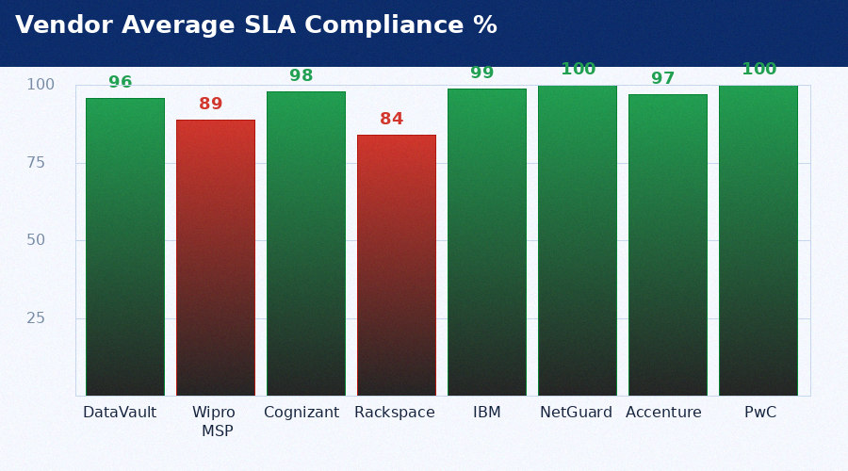
...
VENDOR SLA PERFORMANCE — FY2024-2025 (500 RECORDS)
TKT-000491 | Cognizant | P3 | 24 | 39.5 | No | 2 | 0 | APAC | Outage | 2024-13
TKT-000492 | Rackspace | P4 | 72 | 45.7 | Yes | 4 | 0 | AMER | Degraded | 2024-13
TKT-000493 | IBM | P1 | 2 | 2.2 | No | 1 | 2050.84 | EMEA | Config | 2024-13
TKT-000494 | NetGuard | P1 | 2 | 2.5 | No | 2 | 3238.81 | APAC | Query | 2024-13
TKT-000495 | Accenture | P2 | 8 | 12.4 | No | 2 | 3876.65 | AMER | Incident | 2024-13
TKT-000496 | PwC | P2 | 8 | 12.6 | No | 1 | 3318.43 | EMEA | Outage | 2024-13
TKT-000497 | DataVault | P3 | 24 | 20.7 | Yes | 4 | 0 | APAC | Degraded | 2024-13
TKT-000498 | Wipro MSP | P4 | 72 | 123.5 | No | 2 | 0 | AMER | Config | 2024-13
TKT-000499 | Cognizant | P1 | 2 | 1.4 | Yes | 4 | 0 | EMEA | Query | 2024-13
TKT-000500 | Rackspace | P1 | 2 | 3.6 | No | 2 | 3241.48 | APAC | Incident | 2024-13

Patch Compliance
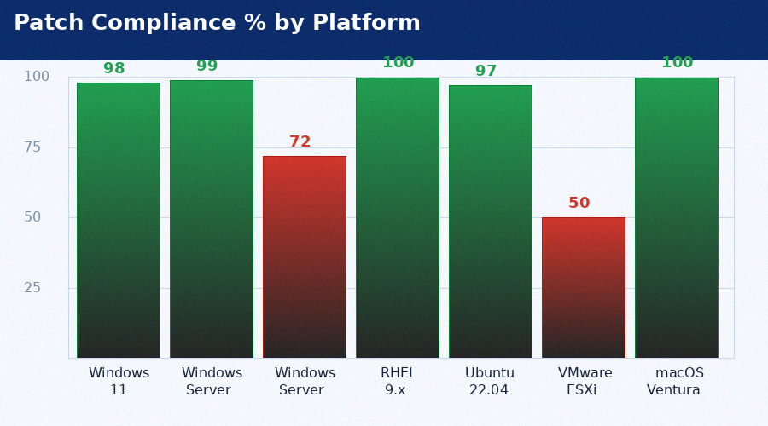
...
PATCH COMPLIANCE MATRIX — FY2024 (3,000 RECORDS)
AST-002991 | HOST-WIN-02990 | Windows Server 2022 | Windows Server 2022 22H2 | KB5085168 | CVE-2024-21413 | 9.8 | 2025-01-13 | Yes | 1 | OK | HR
AST-002992 | HOST-WIN-02991 | Windows Server 2019 | Windows Server 2019 22H2 | KB5849877 | CVE-2024-43461 | 9.1 | 2024-12-23 | No | 22 | CRITICAL | Engineering
AST-002993 | HOST-RHE-02992 | RHEL 9.x | RHEL 9.x | KB5975643 | CVE-2024-38112 | 8.9 | 2025-01-11 | Yes | 3 | OK | IT Ops
AST-002994 | HOST-UBU-02993 | Ubuntu 22.04 | Ubuntu 22.04 | KB5149531 | CVE-2021-44228 | 10.0 | 2025-01-11 | Yes | 3 | OK | Finance
AST-002995 | HOST-VMW-02994 | VMware ESXi 8 | VMware ESXi 8 | KB5225391 | CVE-2024-30103 | 9.6 | 2024-12-18 | No | 27 | CRITICAL | HR
AST-002996 | HOST-MAC-02995 | macOS Ventura | macOS Ventura | KB5625654 | CVE-2024-21413 | 9.8 | 2025-01-12 | Yes | 2 | OK | Engineering
AST-002997 | HOST-WIN-02996 | Windows 11 | Windows 11 22H2 | KB5614011 | CVE-2024-43461 | 9.1 | 2025-01-13 | Yes | 1 | OK | IT Ops
AST-002998 | HOST-WIN-02997 | Windows Server 2022 | Windows Server 2022 22H2 | KB5984390 | CVE-2024-38112 | 8.9 | 2025-01-13 | Yes | 1 | OK | Finance
AST-002999 | HOST-WIN-02998 | Windows Server 2019 | Windows Server 2019 22H2 | KB5480802 | CVE-2021-44228 | 10.0 | 2025-01-13 | Yes | 1 | OK | HR
AST-003000 | HOST-RHE-02999 | RHEL 9.x | RHEL 9.x | KB5260722 | CVE-2024-30103 | 9.6 | 2025-01-12 | Yes | 2 | OK | Engineering

Budget vs Actuals
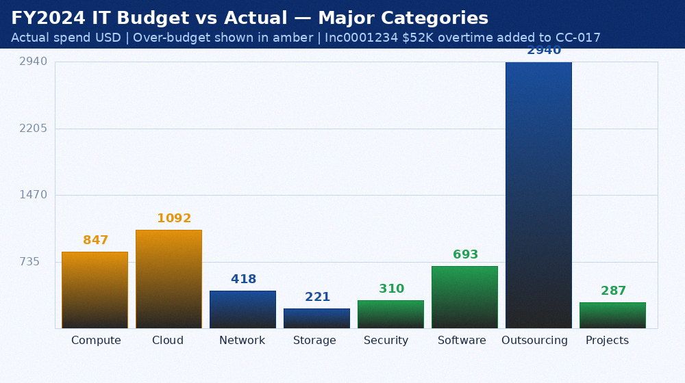
...
IT BUDGET VS ACTUALS — FY2024
CC-009 | Security - Tools | CrowdStrike + Qualys + Datadog | $180,000 | $175,000 | -$5,000
CC-010 | Security - Services | PwC audit + NetGuard SOC | $140,000 | $135,000 | -$5,000
CC-011 | Software - ServiceNow | ITSM + HRSD + GRC licences | $420,000 | $416,000 | -$4,000
CC-012 | Software - SAP | ECC support + S/4 roadmap | $280,000 | $277,000 | -$3,000
CC-013 | Outsourcing - Wipro | Infrastructure MSP | $1,200,000 | $1,200,000 | $0
CC-014 | Outsourcing - Cognizant | Application support | $780,000 | $780,000 | $0
CC-015 | Outsourcing - Other | Rackspace + DataVault + IBM | $955,000 | $960,000 | $5,000
CC-016 | Projects - DigitalTrans | Rackspace migration + ZTNA | $340,000 | $287,000 | -$53,000
CC-017 | Incidents - Overtime | INC0001234 + other P1 response | $0 | $52,000 | $52,000
CC-018 | Training | IT staff certification + CPE | $35,000 | $36,000 | $1,000

Monthly SLA Charts
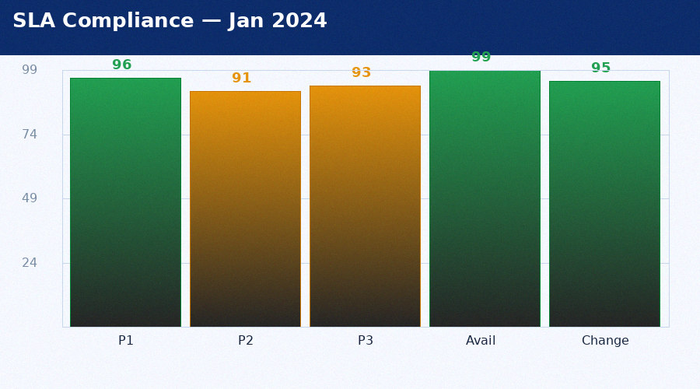
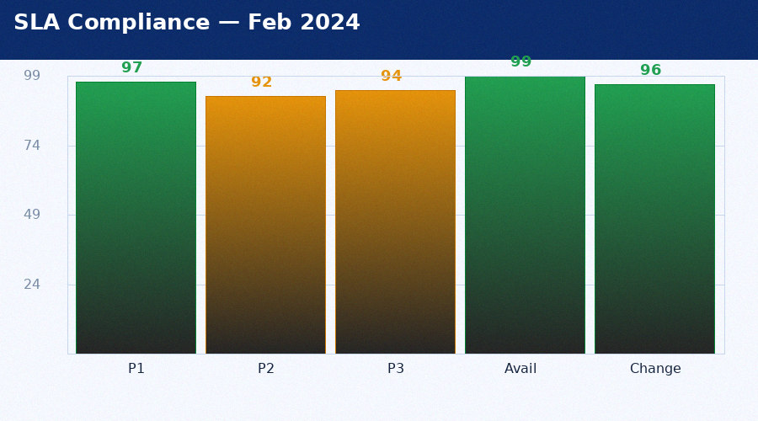
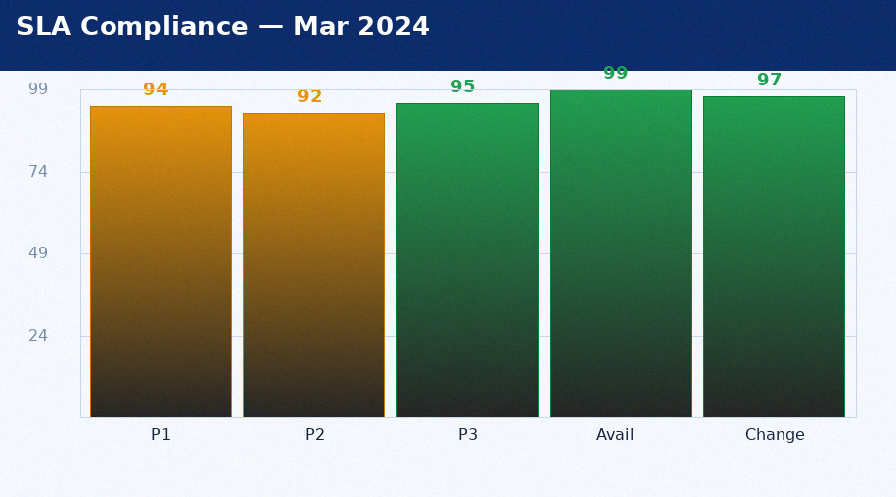
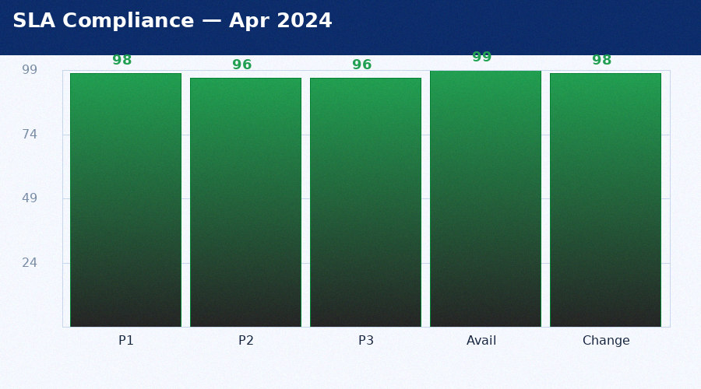
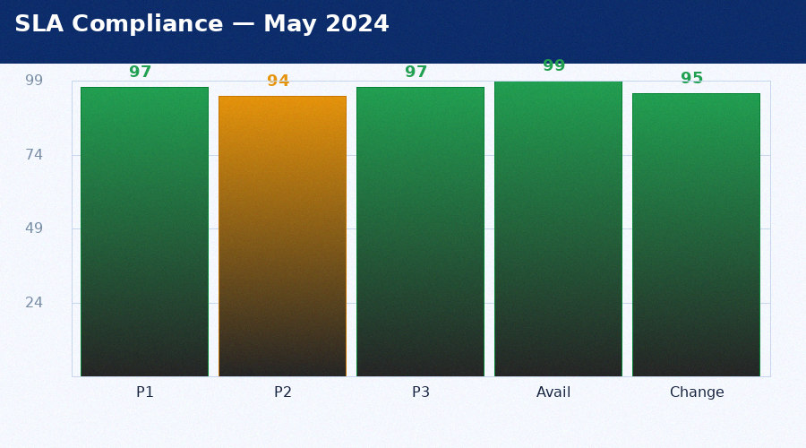
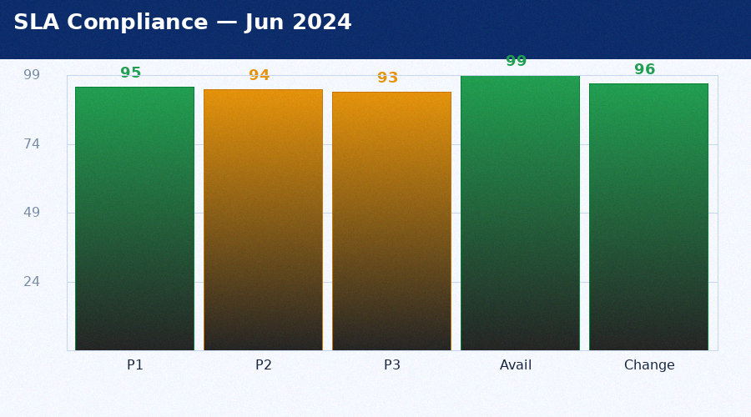
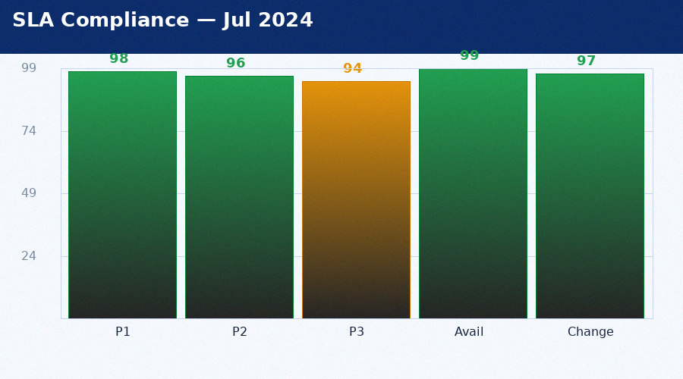
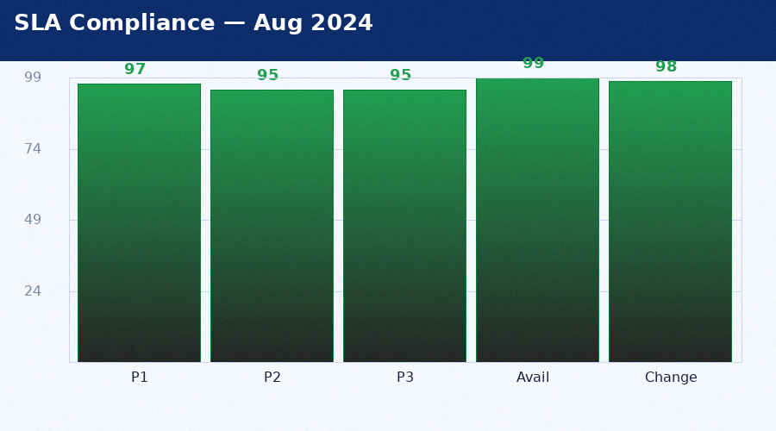
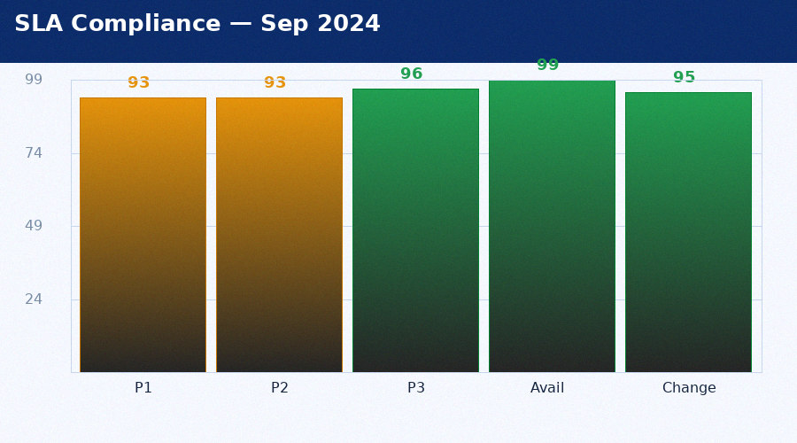
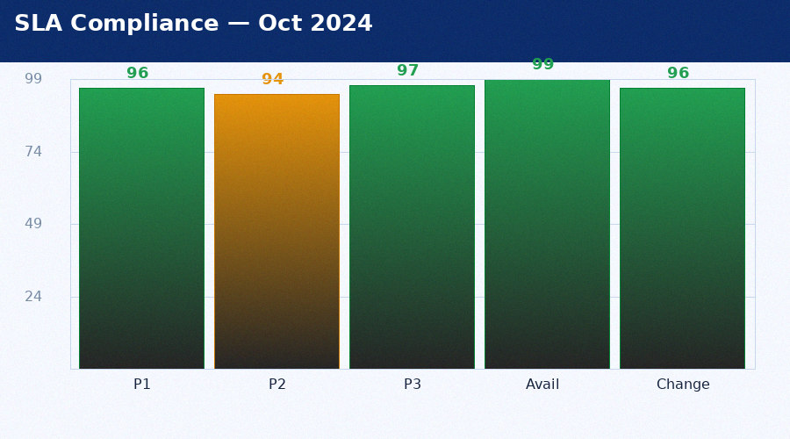
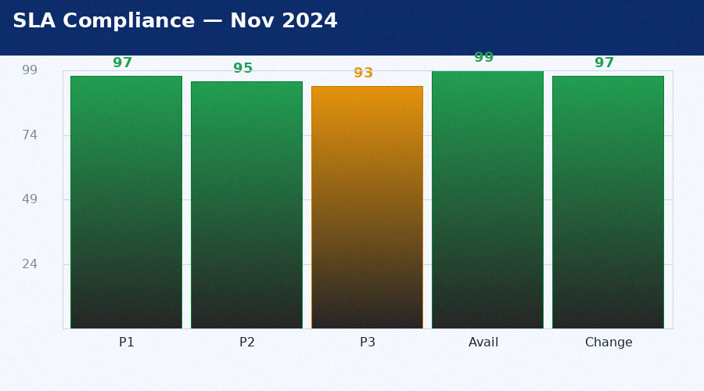
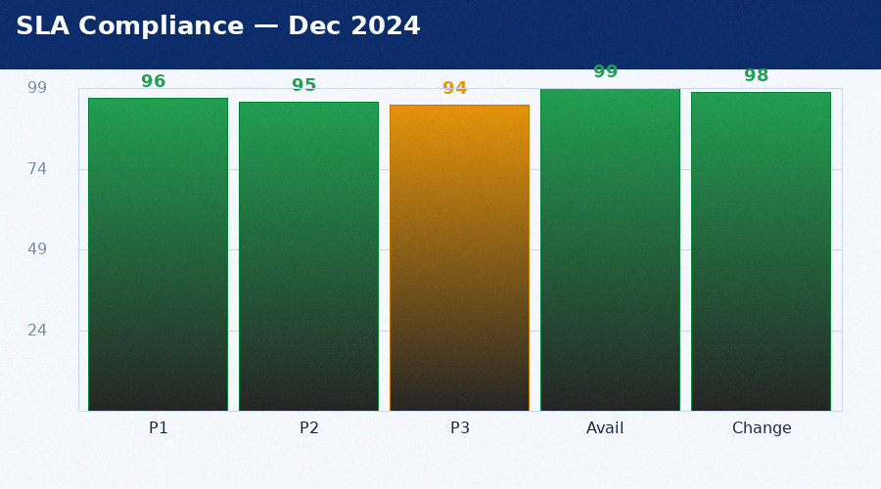
MONTHLY SLA PERFORMANCE — 12 EMBEDDED CHARTS

Vendor Monthly Charts
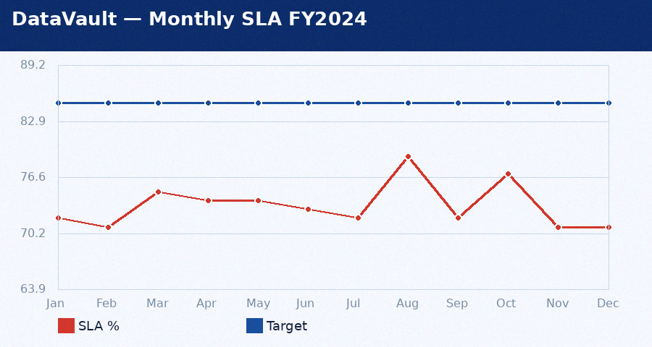
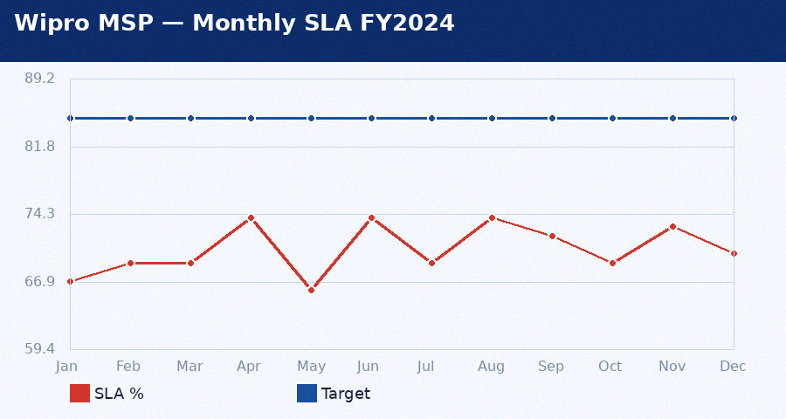
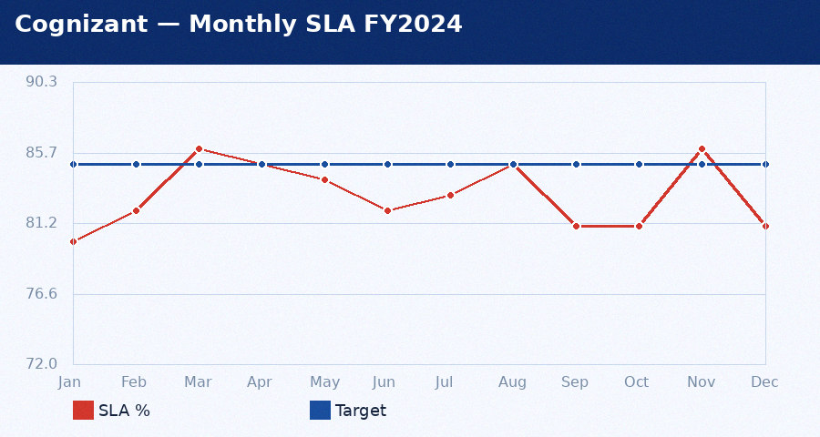
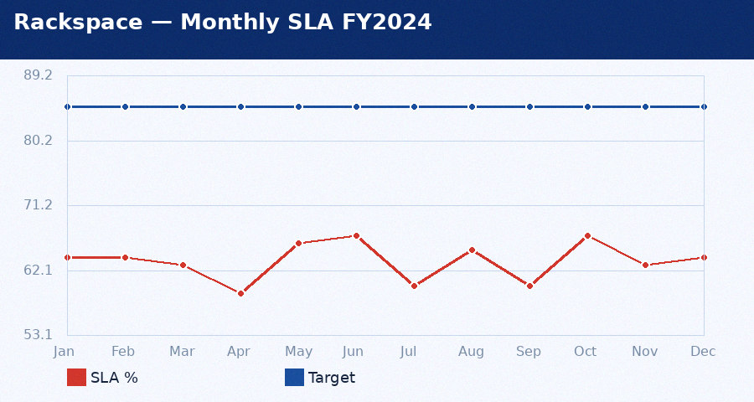
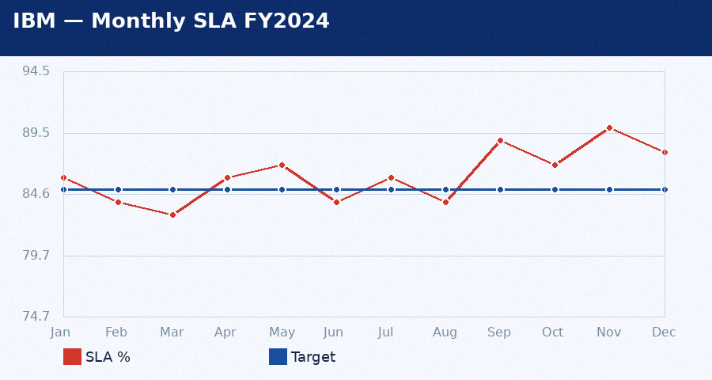
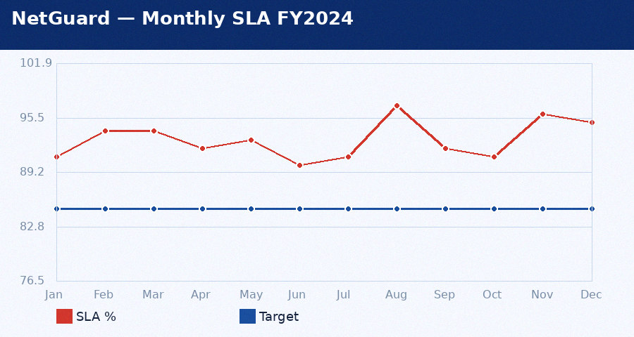
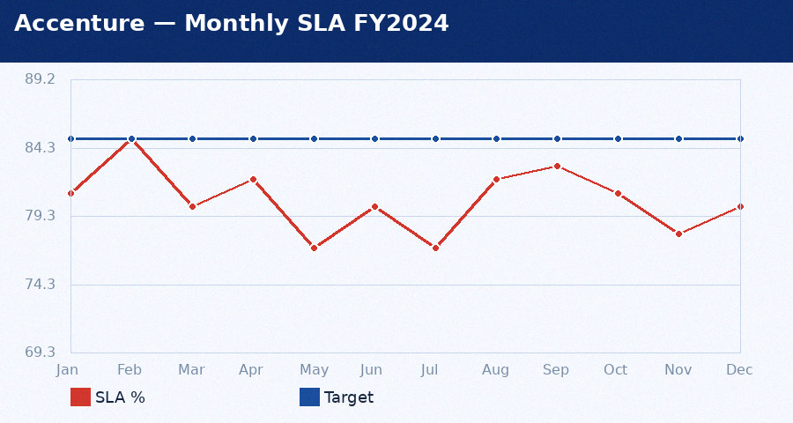
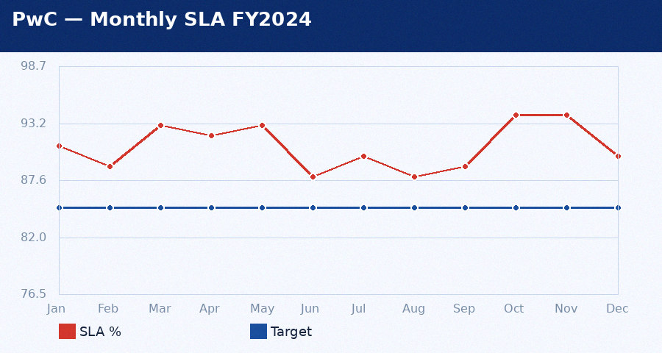
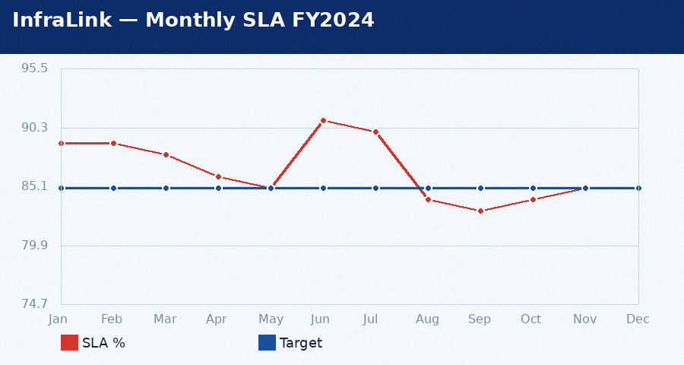
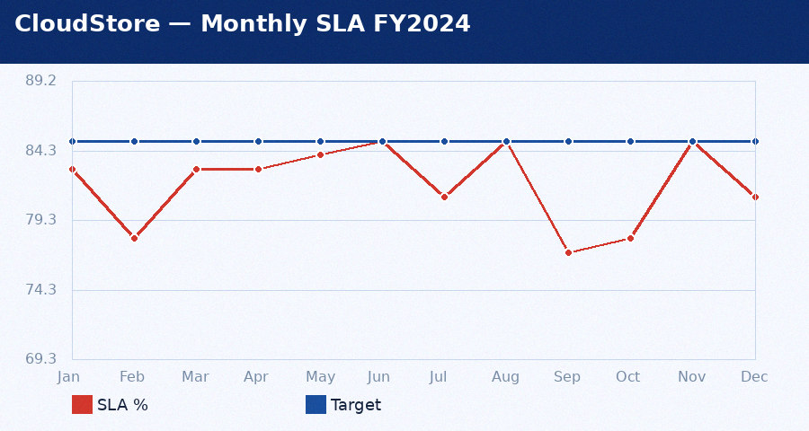
VENDOR MONTHLY SLA TRENDS — 10 EMBEDDED LINE CHARTS

