Sheet1
Integrated Pest Management (IPM)

Utilizing Integrated Pest Management (IPM) is a sustainable approach to managing and controlling pest,
including biological, cultural, chemical and physical controls. Each method may be incorporated
throughout the year to combat or reduce a pest or problem in the landscape. The objectives of IPM
include reducing expenses, conserving energy and reducing unnecessary risk of exposure to people,
animals and the environment. IPM in conjunction with selective target applications will lead to a
successful landscape.

Biological – Inserting or leaving beneficial insects or organisms intact to help control pest
Cultural – Pre-thinking and choosing disease resistant plants and planting the right plant in the
 | correct place. Also managing the establishment, maintenance, pruning, fertilization and
 | irrigation to optimize plant health
Chemical – Utilizing chemicals when necessary to target, prevent or reduce populations
Physical – When scouting, some insects can be eradicated by physical means
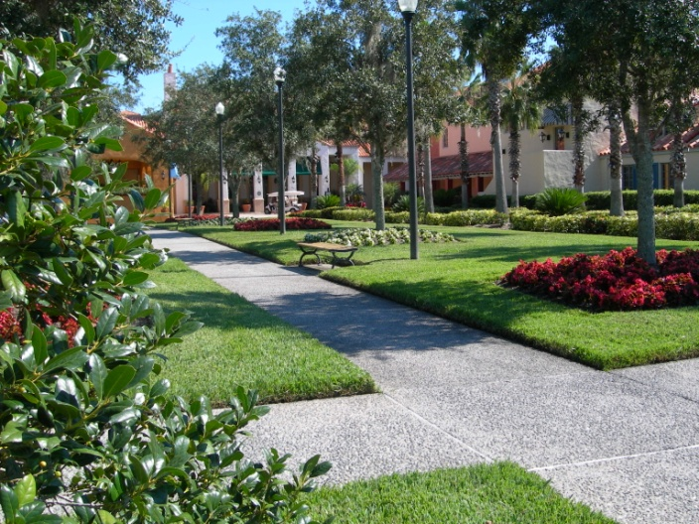
Weekly

 | Visual Inspection (Scouting)
 | Identification of Pest and Life Cycle
 | Best Method for Eradication or Prevention
 | Determine Effectiveness of Application
 | Record Action and Results for Future Reference

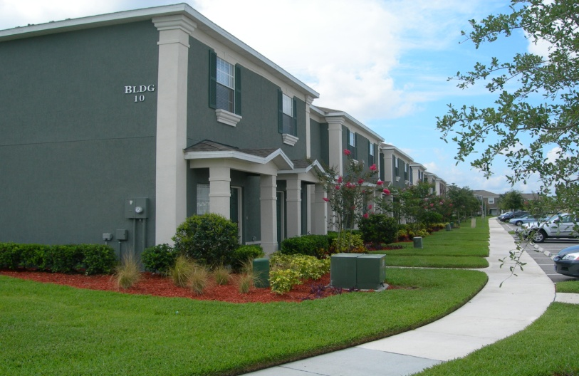
 |  | Monthly
 |  |  | Perform Scheduled Activity per Plan
 |  |  | Visual Inspection (Scouting)
 |  |  | Identify Key Pest & Determine Life Cycle
 |  |  | Record Action and Results for Future Reference

