Sheet1
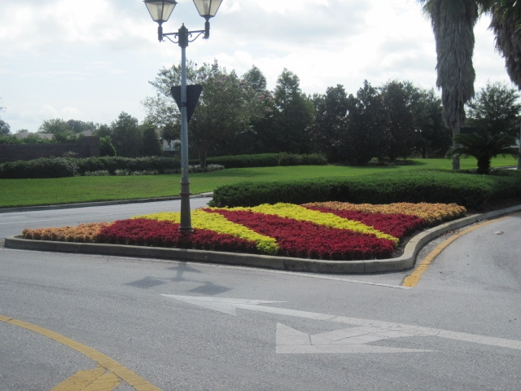
EXPERIENCE

PROscape Reference Properties

Project Name/Location: Solivita H.O.A. located in Poinciana, Florida

Contact: John Corners |  |  | Contact Phone: 863-427-7120
 |  |  | Contact E-Mail: john_corners@avatarholdings.com

Project Type and Description:
This award winning Avatar Master Planned Retirement Community located in Poinciana, Florida
has been maintained by PROscape since inception. PROscape maintains all common areas and full
landscape maintenance on more than 3,500 individual homes. The common areas include a town
center, multiple recreation areas, pool areas, boulevards, entranceways, park areas, amenity center,
and retention areas. The main boulevard within this community extends more than 3 miles and
incorporates a wide variety of plants, shrubs and trees designed to welcome all owners and visitors
to the community.

Dollar Amount: Not Public Information, however greater than $1,000,000 per year

Detailed Scope of Service: Complete Landscape Management, including maintenance, fertilization,
pest control, weed control, irrigation management. Property wide there is more than 16 million
square feet of turf and shrubs, 5,000 hardwood trees and 2,900 palm trees. PROscape installs
more than 7,000 annuals four times per year and more than 13,000 cubic yards of mulch per year.
PROscape manages more than 3,000 irrigation zones consisting of more than 150,000 spray heads
and more than 29,000 rotor heads.

Equipment Used: In addition to all necessary two-cycle equipment, PROscape utilizes 18 zero turn
riding mowers, 6 zero turn standing mowers, 2 walk behind mowers and 3 John Deere tractors with
10' cutting decks. There are 24 crew vehicles and trailers, 8 supervisory vehicles and 6 utility
vehicles.

Duration of Contract: 2000 to Present

Solivita H.O.A.

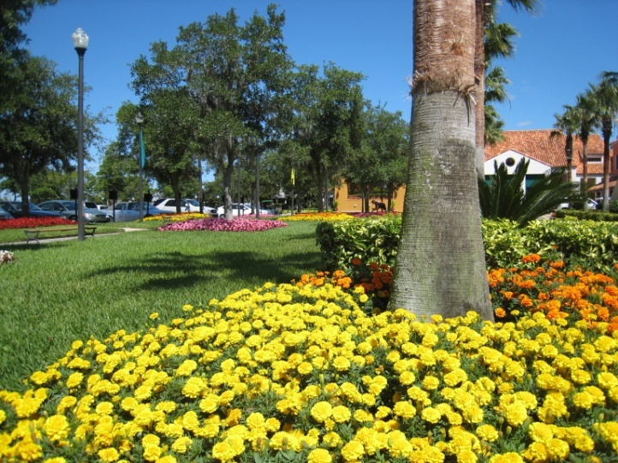
 |  |  | "PROscape has been our landscape service
 |  |  | provider at Solivita since our inception in 2000.
 |  |  | …..PROscape has continued to deliver a first class
 |  |  | service time and time again.

 |  |  | …..we also utilize PROscape on several other
 |  |  | Avatar Properties including Bellalago, TerraLargo,
 |  |  | Fieldstone and Season's at Tradition. PROscape
 |  |  | has proven to be competitive in their pricing and
 |  |  | superior in quality and service.

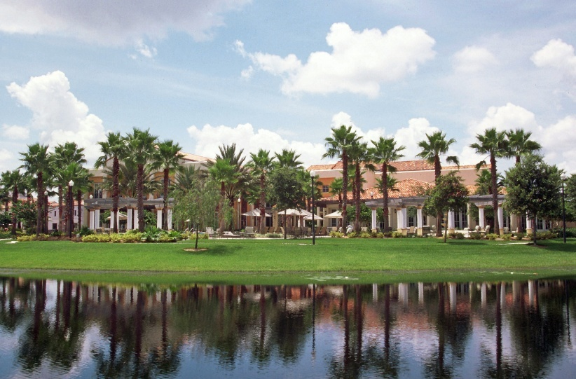
I consider PROscape to be a valuable partner
with Avatar Properties and the communities
in which they serve. …. I would highly
recommend PROscape for anyone looking
for a professional landscape company."

John R. Corners
Vice President Lifestyles & Administration
Avatar Properties, Inc.
863-427-7100

Experience Continued

Project Name/Location: Spruce Creek Golf and Country Club, Summerfield, Florida

Contact: Sean Casey |  |  | Contact Phone: 352-307-0696
 |  |  | Contact E-Mail: scasey@lelandmanagement.com

Project Type and Description: |  | Spruce Creek Golf and Country Club is a Del-Webb Master
Planned Retirement Community located in Summerfield, Florida. Proscape maintains all common
areas including boulevards, entranceways, pool areas, amenity center, clubhouse, active park,
retention areas, nature and butterfly trail, sports facility and field. The main boulevard within
Spruce Creek is over 3 miles long and incorporates an excellent variety of plants, shrubs and trees.
In addition to the boulevard the multi-million dollar clubhouse incorporates a well designed
landscape which also delivers a wide variety of plants, shrubs and trees.

Dollar Amount: Not Public Information, however greater than $700,000 per year

Detailed Scope of Service: Complete Landscape Management, including maintenance, fertilization,
pest control, weed control, irrigation management. Property wide PROscape maintains more than
3,500,000 square feet of turf and shrubs. There are also 504 palm trees and 28 Speciality Palms that
are trimmed four times per year as well as more than 1,200 Oak and Crape Myrtle Trees. Each year
PROscape installs more than 7,600 annuals and 1,200 yards of mulch. The irrigation system consists
82 110v timers and 96 battery operated timers with a total of more than 625 zones and more than
20,000 spray heads and rotors.

Equipment Used: In addition to all necessary two-cycle equipment, PROscape utilizes 3 zero turn
riding mowers along with 2 hydrostatic walk behind mowers. There are six vehicles assigned to
Spruce Creek along with 2 utility vehicles used for irrigation and agronomic purposes.

Duration of Contract: 2007 to Present

Spruce Creek Golf and Country Club

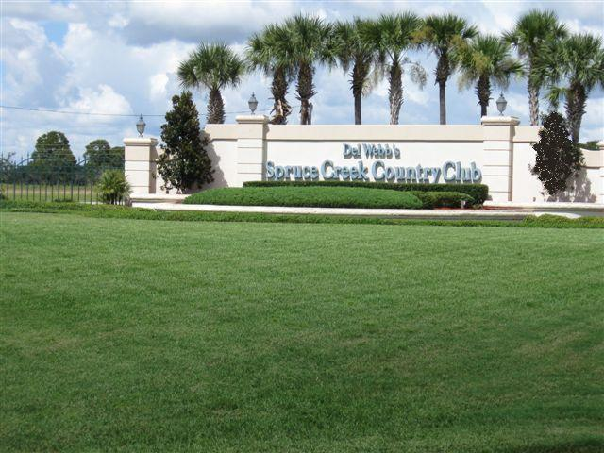

 |  |  | "…. PROscape has been our landscape contractor
 |  |  | since January 2007. The community has really
 |  |  | benefited from PROscape's knowledge and
 |  |  | resources. …. PROscape worked diligently to
 |  |  | improve the common ground and achieved
 |  |  | the goal of resolving our issues and changing the
 |  |  | overall landscape appearance.

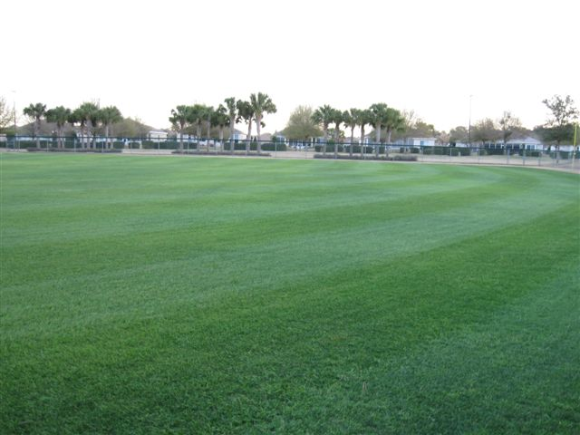
PROscape has proven that they take pride in
their work, that they are true professionals
and will do whatever needs to be done to meet
the customer's expectations. They communicate
constantly, meet deadlines and follow through
on all requests.

In summary the property has never looked better
and I wouldn't hesitate to speak on their behalf
as a reference at any time. We plan to renew the
contract with them in 2012 and look forward to
many more years of working together."

Sean Casey
General Manager
Spruce Creek Golf and Country Club
352-307-0696

Experience Continued

Project Name/Location: The Villages CDD 4, 5 &6, Lady Lake, Florida

Contact: Erik Knudsen |  |  | Contact Phone: 352-750-8200
 |  |  | Contact E-Mail: erik.knudsen@districtgov.org

Project Type and Description: |  | This Premier Active Adult Community located in Lady Lake,
Florida is home to over 20,000 residents. PROscape maintains three CDD’s within the Community
of The Villages. This includes more than five miles of boulevards, several amenity centers, parks,
pools and more than one hundred cul-de- sacs. In addition to the maintenance activities PROscape
installs and maintains more than 30,000 annual flowers per rotation.

Dollar Amount: | $719,650.81 per year

Detailed Scope of Service: Complete Landscape Management, including maintenance, fertilization,
pest control, weed control, irrigation management. Property wide PROscape maintains more than
3,500,000 square feet of turf and shrubs, 1,850 hardwood trees, 325 palm trees and more than
800 irrigation zones and more than 120,000 annuals per year.

Equipment Used: In addition to all necessary two-cycle equipment, PROscape utilizes 3 zero turn
riding mowers or 3 zero turn standing mowers depending on the day of the week. In addition
PROscape has 7 vehicles assigned to The Villages CDD's 4, 5 and 6 and one utility vehicle. Two of
the vehicles are used for irrigation purposes and one of the vehicles is used for agronomic purposes.
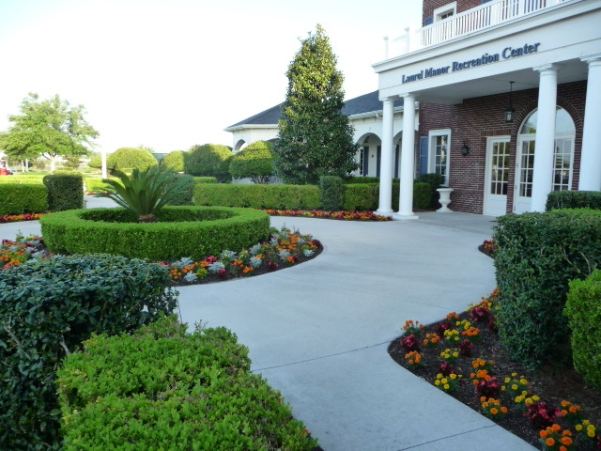

Duration of Contract: 2009 to Present

