Sheet1
Annual Flower Maintenance Program

The success of a good Annual Flower program begins during the selection and installation process. It is
important to select the proper flower that will excel during the season that is being planted. It is equally
important to purchase from a reputable grower that has taken the proper measures to insure healthy
root development, leaf tissue development and substantial bloom count at installation. The new flower
must be planted into properly prepared soil to insure continued growth and development. The soil must
be tilled and amended as necessary prior to planting with Osmocote or equivalent fertilizer, broad
spectrum fungicide and a potting soil that contains a mixture of peat, sand and compost. Soil
amendments will vary dependant upon existing site conditions. Spacing at installation is equally
important to the season long success of the Annual Flower program. Spacing must allow room for
seasonal growth while providing the aesthetic value and impact desired at installation. It is also
recommended that adequate irrigation coverage is available prior to installation. After installation it is
critical that irrigation coverage is monitored closely during an establishment period of ten to
fourteen days. Season long success is greatly reduced if the flower bed is allowed to remain too dry or
if over watered during this establishment period.

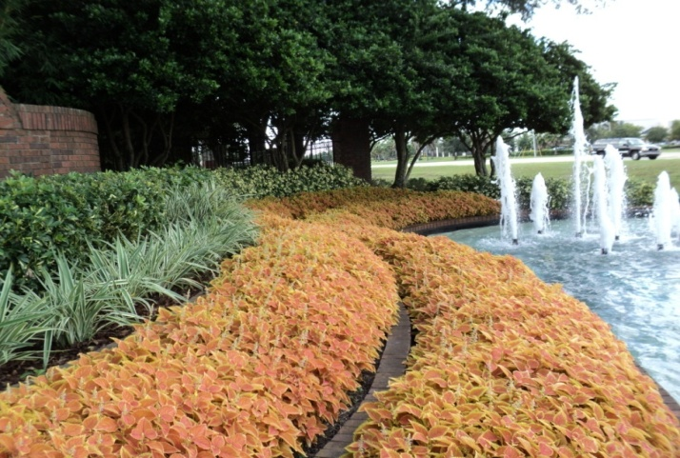

Ongoing Maintenance:
Daily
 | Complete Visual Inspection
 | Debris Removal as Necessary
 | Minor Weeding & Deadheading

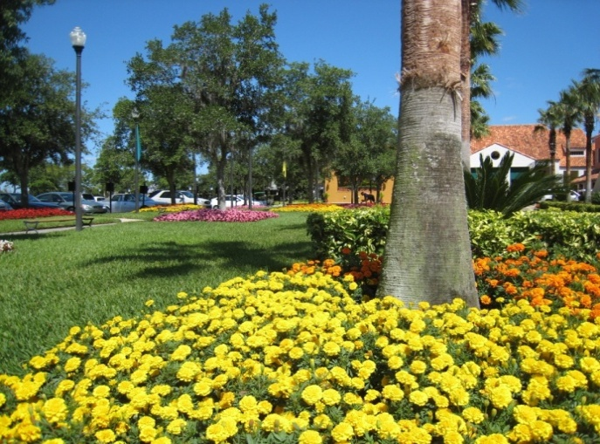

 |  | Weekly
 |  |  | Weeding to Insure No Competing Vegetation
 |  |  | Deadheading and Spent Bloom Removal
 |  |  | Insure Proper Moisture Levels
 |  |  | IPM Inspection and Treatment as Necessary
 |  |  | Complete Irrigation Inspection and Adjust

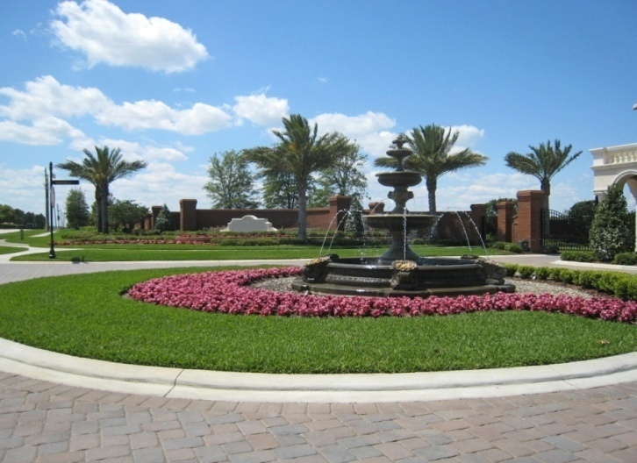

Monthly
 | Liquid Fertilizer Application
 | Liquid Fungicide Application
 | Plant Reduction as Necessary for Design
 | IPM Inspection and Treatment as Necessary

