Sheet1
Maintenance Pruning Program

The success of a good Maintenance Pruning Program revolves around the understanding of the total
landscape and the contribution that each individual plant variety makes. From the Ornamental plants and
grasses to the Perennials, Annual flowers, Trees and Palms each play a specific role in the landscape.
Understanding the design intent, growth habits and bloom periods of each individual plant type will allow
for proper planning and the ability to forecast and to maximize the contribution of each plant. The ability
to forecast and plan your pruning schedule not only allows you to maximize individual plant contribution
but also allows for efficient use and scheduling of manpower, equipment and other resources necessary to
maintain the landscape. There are several pruning methods that need to be incorporated throughout the
year to insure a properly maintained landscape.


Routine Pruning or Trimming (weekly/monthly)

* Maintain plants to scale
* Maintain crisp clean look
* Maintain beveling to reduce shading,
promote irrigation coverage, plant
separation and air flow.
* Continuous shearing is not recommended
as it can lead to reduced density and decline.
* Selective pruning and hand pruning where practical

Seasonal Bloom, Seed Pod and old Frond Removal (spring, summer, fall)



 |  | *Spent bloom removal on ornamental grass and bulbs
 |  | *Removal of seed pods and blooms on palms
 |  | *Frond removal when damaged, dying or hanging
 |  | below the existing canopy
 |  | *Over pruning of palms can lead to loss of vigor and
 |  | unnecessary transmittal of disease

Rejuvenation Pruning (spring)
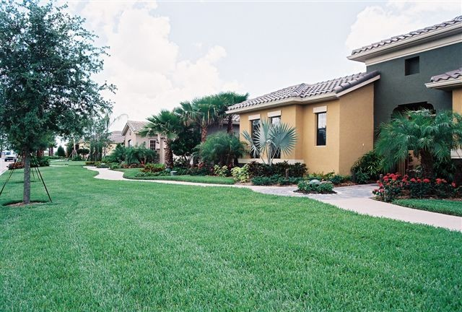

*Reduce mass, freeze damage and promote
plant health
*Allow plant to regenerate new plant parts to
increase floral production, creating a fuller plant
*Rejuvenation pruning is utilized only when
applicable to help maintain tropical plants

 |  |  | St. Augustine Turf

Pedestrian & Vehicle Clearance Pruning (yearly)

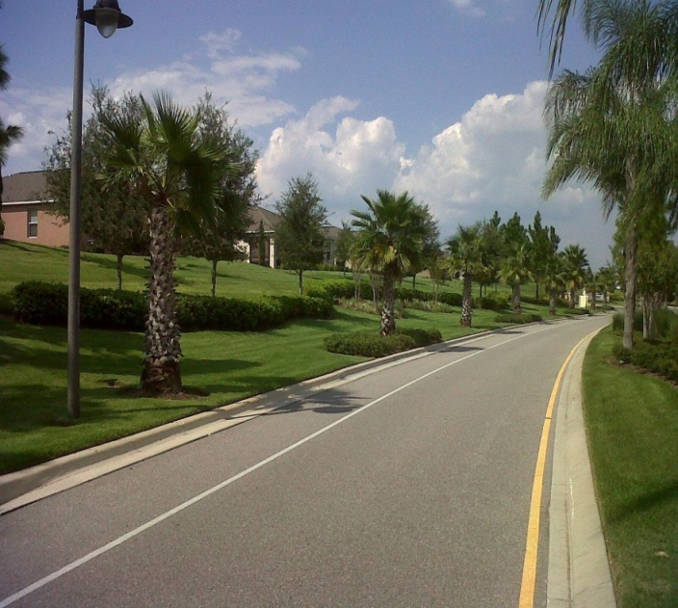

 |  | *Utilized for pedestrian and vehicular
 |  | safety
 |  | *Reduces owners liability
 |  | *Reduces ground shading
 |  | *Increases air flow
 |  | *Increases visibility
 |  | *Pruning cuts made per ANSI A300 standards

 | Zoysia Turf

