Sheet1
PROscape
Vehicles and Equipment

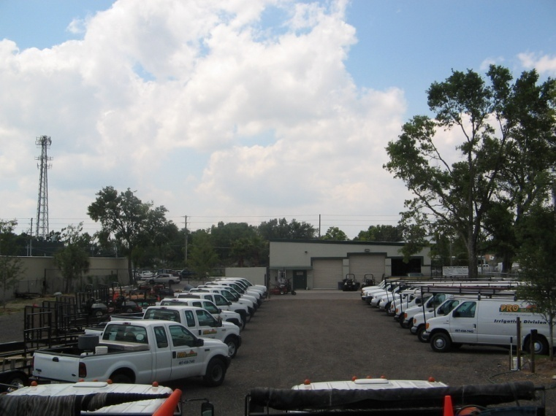
Trucks and Vans:

 | 42 | ½ ton trucks
 | 54 | ¾ ton trucks
 | 2 | 1 ton trucks
 | 10 | dual wheel dump trucks
 | 7 | ranger trucks
 | 4 | ½ ton Irrigation Vans
 | 12 | ¾ ton Irrigation Vans
 | 1 | 1 ton Irrigation Vans
 | 6 | SUV’s
 | 4 | corporate vehicles
 | 3 | 1 ton cargo vans with/2 water tanks (100 gallon and 50 gallon)
 | 7 | 1 ton flatbed trucks with a 300 gallon water tanks

Equipment:

 | 3 | single axle 5’ x 8’ utility trailers
 | 10 | single axle 6’ x 10’utility trailers
 | 1 | double axle 6’ x 10’ trailer with a 500 gallon water tank
 | 9 | single axle 6’ x 12’ utility trailers
 | 6 | double axle 6.5’ x 14’ utility trailers
 | 27 | double axle 6.5’ x 16’ utility trailers
 | 8 | double axle 6.5’ x 18’ utility trailers
 | 16 | double axle 6.5’ x 20’ heavy duty utility trailers
 | 2 | double axle 6.5’ x 22’ heavy duty utility trailers

 | 14 | Seventy-two inch commercial mowers
 | 78 | Sixty inch commercial mowers
 | 32 | Fifty-two inch commercial mowers
 | 28 | Thirty-six inch commercial mowers

 | 8 | Heavy Duty tractors with rotary mower decks
 | 3 | Skid Steer Loaders
 | 2 | Front End Loaders with buckets, forks, rakes, tree booms
 | 24 | Utility Vehicles
 | 500 + | Pieces of 2-Cycle equipment including stick edgers, string trimmers, hedge
 |  | shears, chain saws, back pack blowers and hand held blowers.

