Sheet1
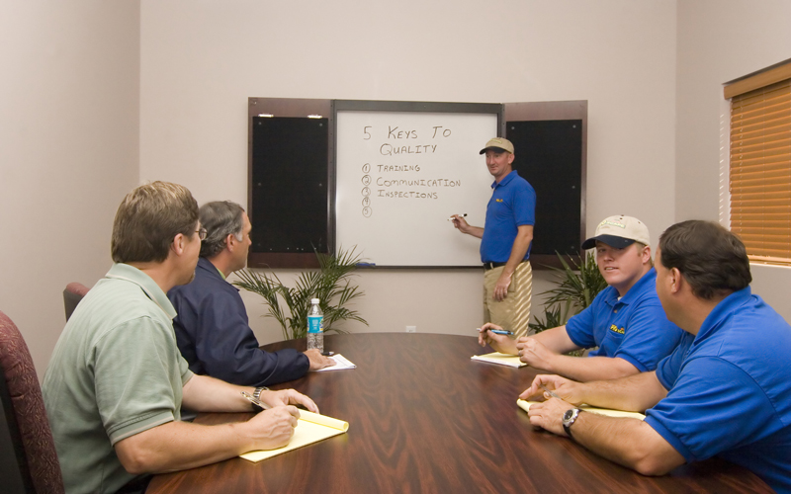
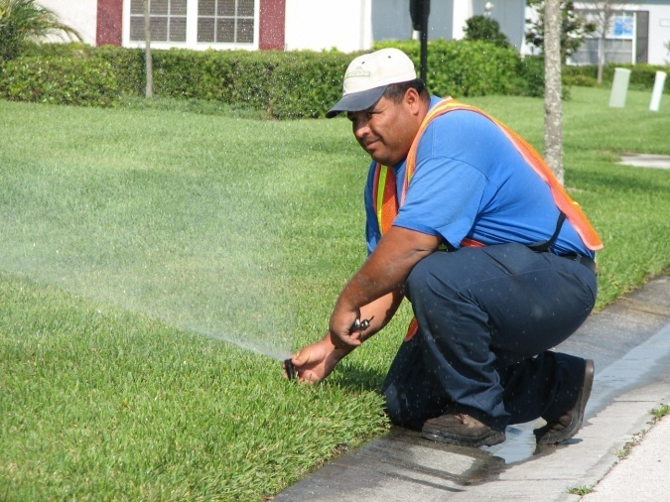
Shop Facilities and Staffing

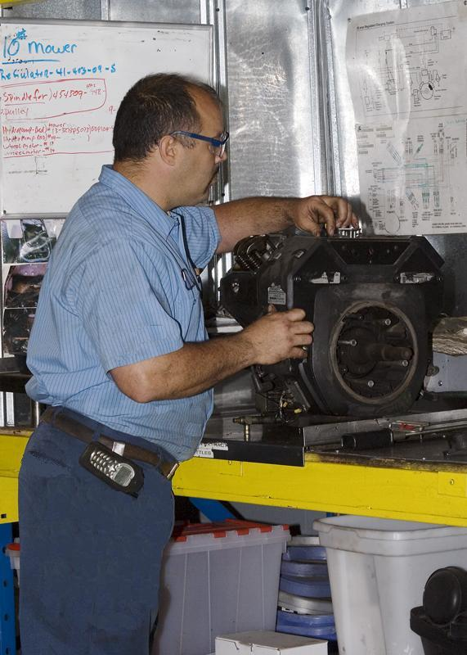

PROscape maintains fully staffed maintenance facilities
where all equipment is maintained and repaired. Unlike
many of our competitors who utilize field personnel to
maintain and perform minor repairs, PROscape utilizes
trained mechanical personnel. This results in more reliable
and safer equipment which allows our field personnel to
deliver a better quality result.

PROscape currently has 348 full time and seasonal employees

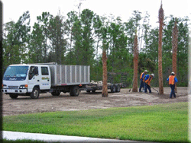
 | 225 | Landscape Maintenance
 | 28 | Landscape Installation / Upgrade
 | 25 | Irrigation Technicians
 | 13 | Fertilization/Pest Control Technicians
 | 10 | Mechanics (including 3 supervisors)
 | 6 | Administrative
 | 35 | Supervisors / Managers
 | 3 | Corporate Officers
 | 3 | Safety / Training Officers

