Vendor
Priority | Creation Date | Item # | Description | Screen Shot |  |  | RIZE RESPONSE
LOW PRIORITY | 29-May-2011 | V-123 | When responding to an RFP - please AUTOSAVE changes (save per completed entry box would be ideal). |  |  | Rize : We will try this after finishing the main bugs list. | That will be a complex thing , if possible we will implement in future.. AB REPLY: Is there a minimal save feature that we can implement in the meantime? Something that won't push back launch so we can implement a live-updating database in the future?
LOW PRIORITY | 26-Jun-2011 | V-226 | I mentioned this in a previous email: We need the user's Joomla Account to be created in the payment step (page 2). In other words, the Joomla account for the user should be created immediately after payment is processed/approved. Therefore, the password and the password confirmation fields should apear under the "verify email address" field on the payment screen. If this is not implemented, and a user closes the screen after paying, it is impossible to complete the registration. Whereas if they have a username and password, they can log in and set up their user info OR complete the registration process (ideally). Please note that the Registration Email confirmation should not be sent until the next page is completed. In other words, the payment screen CREATES the user account, but the vendor must select INDUSTRIES and complete that final page before they get the VERIFICATION EMAIL (where they click the link to verify their email address).
 | 12-Jul-2011 | V-260 | On PROPOSAL FORM, between Uploaded Files and PROPOSAL PRICING, ADD: "Warranty Information: [_Not Specified______________]" Programmer Note: Upload File button to unique identifier. NOTE THAT THIS SHOULD ALSO BE ABLE TO POINT TO AN UPLOADED VENDOR DOCUMENT. The block is free text, with a default of "Not Specified", change to "File Attached" if file uploaded from button. This field MUST ALWAYS DISPLAY AND PRINT IN THE PROPOSAL SUMMARY REPORTS AND DETAILED PROPOSALS. TOOL TIP ON HOVER OVER WARRANTY INFORMATION: "Type, paste, or upload your warranty policy and details." See mock up at right. JPG NOTE: There is no change needed to the RFP, ONLY the Proposal Form and provide the responses on the Proposal Report. |  |  |  | Completed CAMA: We need to finish testing how it presents in Proposal Report, one should close 20/Sept. JPG | Additional Functionality Will take time. AMB 7/2 - Please have Reddy assist with this to help maintain delivery deadline. Thanks!
 | 25-Aug-2011 | V-309 | RFP #676205 has Special Requirements for Workers Comp Insurance. As you can see by the Compliance Docs for the Vendor receiving the RFP, hf4@camassistant.com, that it does not meet the requirements to receive the RFP. Screening for all Special Requirement should be done before distributing the RFP. HGF 08/25 CY - This has NOT been completed, it is still providing e-mails and in Available jobs for Vendors that DO NOT have Workers Comp docs uploaded. Firefox 6.0.2 - cy4@camassistant.com PW - cama CY - 9/14 - Create rfp # 834064, 991134 using CY20@CAMassistant.com pw cama, firefox 6.0.2, added a Workers comp document to cy3@camassistant.com, RFPs did not generate emails to this vendor nor did the jobs show up in available jobs. The remaining case includes that if a vendor meets the eligibility requirements an a available RFP still has ITB slots to be filled, then those RFP should be available to that vendor even though he may not have been eligible when the RFP was originally posted. | RFP 593914 was created by hf9@camassistant.com/pwd=cama. The only qualified vendor for Workers Comp Compliance, CY3/pwd=cama, was able to see this RFP. 1. Another account, hf4/pwd=cama, was updated with a Workers Comp Compliance doc. The RFP 593914 could not be seen by hf4. 2. Hf9 then created another RFP 991182, same requirements, and the RFP was available to hf4. The issue remains that any qualified account should SEE any existing RFP that has not satisfied the # of proposal requested. HF 09-16 |  |  | Completed
High Priority | 13-Sep-2011 | V-332A | VENDOR COMPLIANCE DOCUMENTS: 1) Currently, we continue to have odd problems with various attempts to change or update a compliance document. We would like to propose that for ALL Vendor Compliance Docs: Allow deletion of document and change of data, BUT any change puts document to PENDING status. We believe that this consistent handling of the interface should make overall programming more robust and perhaps simpler. When the edit is attempted the following Edit warning popup (when trying to edit an approved doc): "WARNING: By editing this document, you will be removing the "Approved" Status. If you want to edit the document or update it due to an expiration or incorrect info, please continue. Do you want to continue? ( ) Yes, update info ( ) No, discard changes " 2) A better implementation of this item might be to have an "EDIT" button for each document. Normally all items are "locked down" once submitted. If the EDIT button is clicked, then the message above appears. If "yes," selected then all fields become editable, and that document must go through validation as if it were new, otherwise following existing rules. | See V332 B, C, and D for related issues. Please advise if doing a global "lock" for each item, with an "Edit" button to "unlock" each item for update of any kind, thus re-starting the approval process for that item. |  |  | Completed
 |  | V-332B | 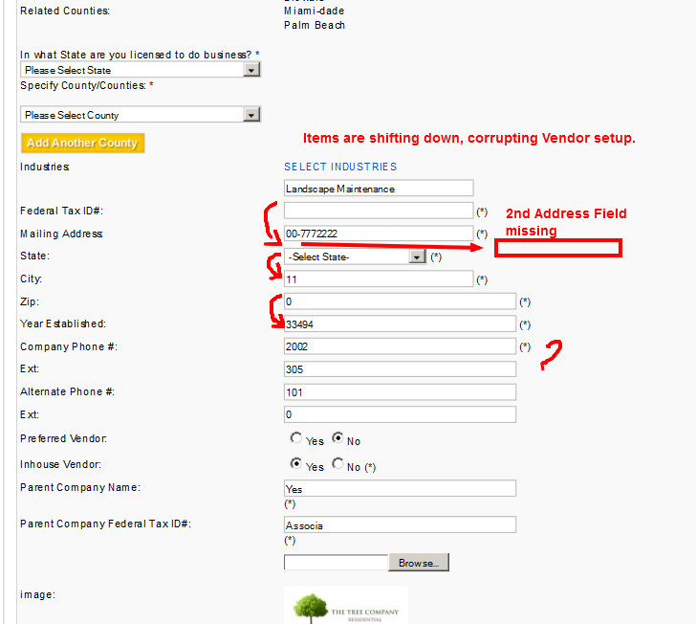 VENDOR COMPLIANCE DOCUMENTS (continued): 3) There is also a REJECTED status functionality: REJECTED status occurs in two ways: The day a document expires, it goes to REJECTED status. If a document does not meet our standards, we manually set REJECTED status from the back end. IF REJECTED, the "Approved" field should display "REJECTED" instead of the date otherwise displayed. Both of these need to send mails: The manual rejection e-mail functions correctly. The e-mail for expired items needs to be set up as decribed in V-332D, Item 8. JPG HF 09-15 Vendor hf0 pwd=cama My Company Documents / Compliance Documents. 4. Deleting a first level GL document to replace with a current document cannot be accomplished using "Upload Certificate". (Note; The requested "Warning" does occur when deleting the document), a. The selection permits you to choose a document but it does not populate the filename field. b. The following error occurs when saving, "Please Upload General Liability Insurance Document". See Column E 5. When selecting View File on a GL2 or GL3 document, the document cannot be viewed without the following error in Column E; | <br /> <b>Warning</b>: readfile(https://www.camassistant.com/cms/components/com_camassistant/assets/images/vendorcompliances/Ven hf0_Finn_00-0003333/GLI_3/Awesome.docx) [<a href='function.readfile'>function.readfile</a>]: failed to open stream: HTTP request failed! HTTP/1.1 404 Not Found in <b>/home/allen/public_html/cms/components/com_camassistant/models/vendors.php</b> on line <b>709</b><br /> (Please explain pop-up message that accompanies the "Document deleted Successfully" that refers to [_] Prevent this page from creating additional dialogs.) Refer to Item #1. hf13 / pwd=cam 4. This item has not been corrrected. New account. New GL document deleted. Message at right responded to with OK when deleting document. 4a. Upload Certifcate field does allow you to select a replacement document but does not insert into field. This has not been corrected 4b. The error as displayed is correct, although this would not be displayed at all if number 4, and 4a were corrected. 4c. Proposal Center is not deactivated after deletion of GL certificate. 5. When creating a GL2, a document appears to attach but does not permit you to SAVE because the GL1 document is missing. 5a. Once a GL1 document is entered in back-end and GL1 is approved, creating a GL2 is permitted and SAVED but the Date Verified does not update when Approved. HF 09-19 | 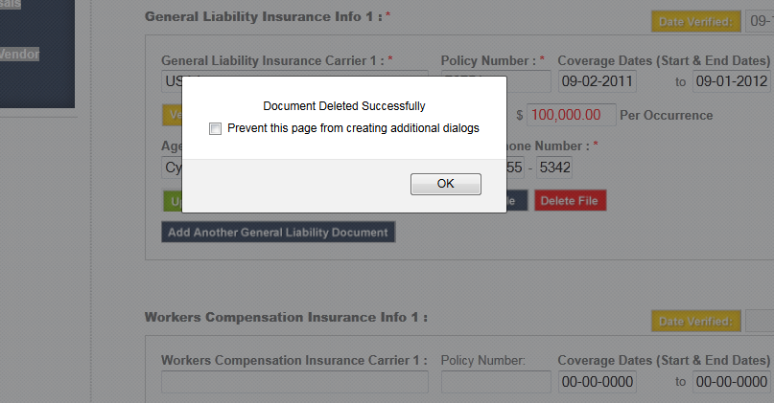 |  | Completed, Need to test with recently uploaded docs
V-332 #3
 |  | V-332C | VENDOR COMPLIANCE DOCUMENTS (Continued): 6. When selecting Delete File on a GL2 or GL3 document, the document is deleted. When replacing the file with a new document and attempting to View, it cannot be viewed without the error illustrated in Cell E 7. Vendor hf12 pwd=cama My Company Documents / Compliance Documents. Deleting support documents for Professional License field deletes the file immediately. When attempting to replace the document by selecting "Upload Certificate" provides a pop-up notice indicating; "This will deactivate your Proposal Center and make you ineligible to receive RFP's until re-validation. This can take up to 3 days. If you need validation immediately please call 561-246-3830. Would you like to continue? " It then eliminates the Proposal Center. This WARNING should occur before the document is allowed to be DELETED and/or before selecting SAVE is accepted, allowing the user to DISCARD CHANGES. before losing their Proposal Center. 7a. Based on previously requested behavior, we are expecting there to be an Edit selection for each compliance field that would display the verbiage stated in number (4). | 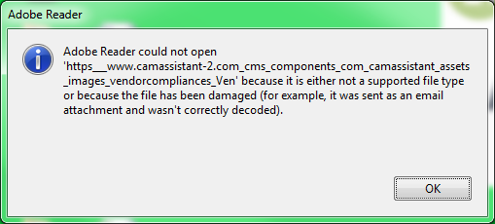 | :hf13@camassistant.com/pwd=cama 6. When deleting a GL2 uploaded and approved certficate file the warning message cautions that the Proposal Center will be deactivated. This does not happen. The Proposal Center does not become disabled. 7. The behavior for this item has been corrected. 7a.The request for there to an Edit Button has not been addressed. In reference to V-332A the following dialog is requested. "WARNING: By editing this document, you will be removing the "Approved" Status. If you want to edit the document or update it due to an expiration or incorrect info, please continue. Do you want to continue? ( ) Yes, update info ( ) No, discard changes " 7b. A better implementation of this item might be to have an "EDIT" button for each document. Normally all items are "locked down" once submitted. If the EDIT button is clicked, then the message above appears. If "yes," selected then all fields become editable, and that document must go through validation as if it were new, otherwise following existing rules. HF 09-19 |  | Completed, Need to test with recently uploaded docs Problems with uploading new documents in existing and new accounts. Associated issues may be seen in J-167, C-381B, and V-334
 | 15-Sep-2011 | V-332D | VENDOR COMPLIANCE DOCUMENTS (Continued): 8. Reference Item (2) REJECTED status as tested did not perform as expected for Professional documents. The field Date Verified does not display a REJECT status when the account is rejected from the back-end. An AUTOMATED email should be recieved, similar to the one formatted for response in the back-end that states; "Subject: CAMassistant Account Expired Dcoument Dear {Vendor Name}: One of your required compliance documents has expired. After correcting your expired compliance document, we will review it within 3 days. If you have any difficulty with the update or require expedited handling to enable your Proposal Center, please contact the CAMassistant Customer Support Team at 561-246-3830 to have your updated document approved." This should also be in the e-mail articles for ability to update. 8a. When the W9 field was rejected from the back-end it did display Rejected in the Date Verified field ,but it did not disable the Proposal as anticipated. 9. Mouse overs on fields "Date Verified", "View File", "Delete File", and "Add Another...." displays (noevent). These should be updated to be, respectively: "The date your document status was verified by CAMassistant" "Open or download document for viewing" "This will delete the current compliance document." "This will add an additional compliance document of the same type." HGF 09-15 |  | :hf13@camassistant.com/pwd=cama 8. Rejected status cannot be force genetrated from the user end by removing the documents. When the Professional Documents were rejected on the back-end, 1) The Proposal Center was not removed. 2) The "CAMassis.. Account Expired Document" email was received. 3) The Date Verified field did not indicate the new status as "Rejected". 8a. Rejected status cannot be force genetrated from the user end. When the W9 documents was rejected on the back-end: 1) The Proposal Center was not removed. 2) The "CAMassis.. Account Expired Document" email was received. 3) The Date Verified field did indicate the new status as "Rejected". After scrolling up and scrolling back down the Rejected status was gone and the original date verified was displayed. 9. Mouse over on Compliance Document fields no longer displays the "noevent" reference. The resolution is statisfactory. 10. I can remove all my uploaded compliance files on cy3@camassistant.com/pwd=cama, after responding "OK" to Image A, I can then step off the screen by selecting my dashboard and my Proposal Center does not disappear. No changes should take efffect until SAVE. Is there any validation checking for required compliance documents being performed? HF 09-19 |  | Completed
 | 16-Sep-2011 | V-334 | Vendor Compliance Documents - hf0@camassistant.com / pwd=cama Deletion of GL1 document while testing has disabled the account from additional documents being added. Please log into account to verify behavior, results in back end illustrated at right for reference. | 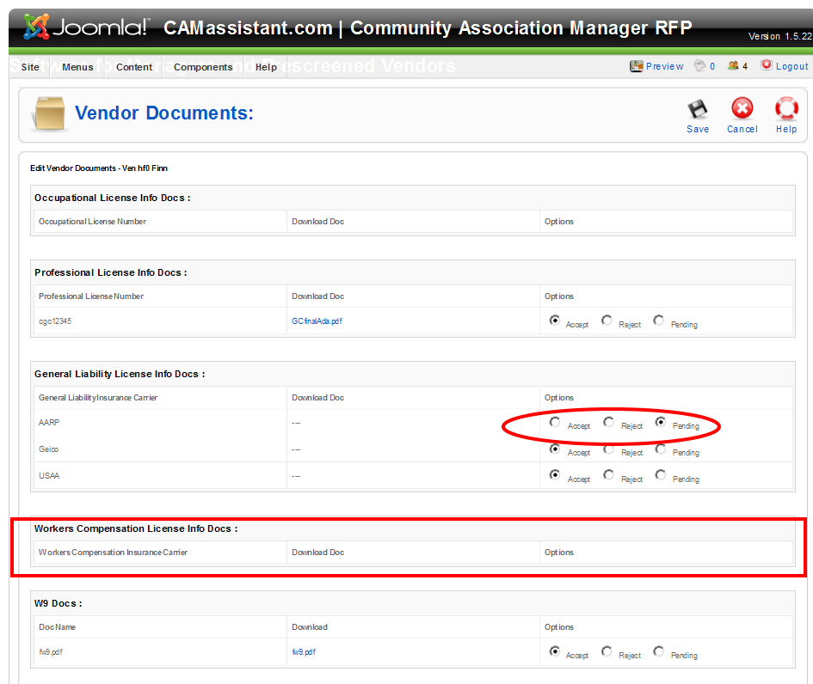 | hf0/pwd=cama; Even when "rejected or pending" cannot upload GL1 Compliance Documents. 1. Will not accept upload of Liability document. 2. All fields were cleared in backend. Cannot clear date. 3. Cannot enter Agent Phone Number. - The General Liability Document had to be submitted from backend and was approved. 4.When other documents were added it changed the status to Reject 5. Cannot SAVE changes due to #3 HGF 09-19 |  | Completed
 | 16-Sep-2011 | V-335 | CY - RFP 460089, created an addendum to this rfp. 1)Removed line item 2 and resubmitted the rfp. I lost line item 3's required pricing field 2) It removed the pricing for the following item but appears to still add the missing items in. Adds up wrong… UNTIL you change one line item. JPG | 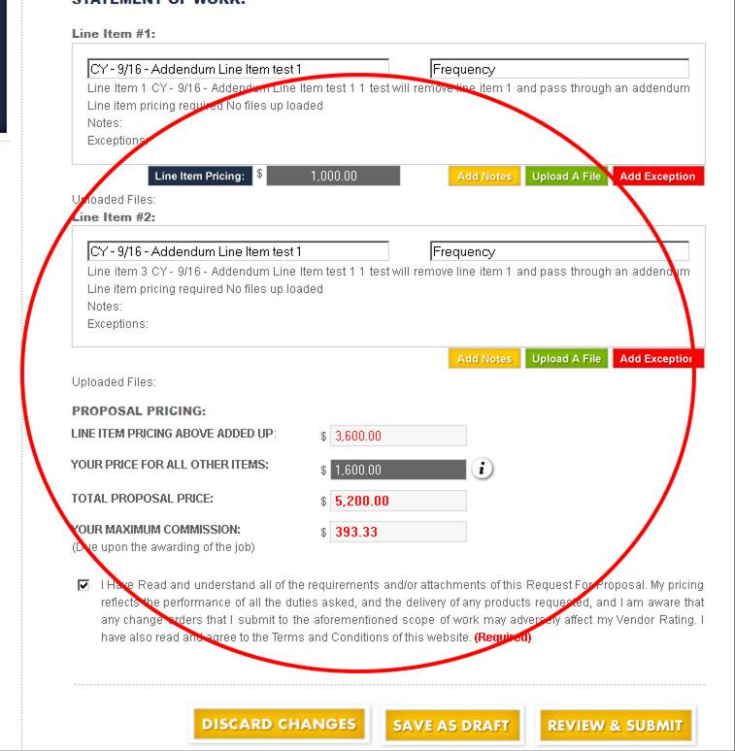
 | 19-Sep-2011 | V-336 | CY 9/19 - Duplicate RFPs showing for vendor acct # cy3@camassistant.com. I respond to one of the copies by submitting my ITB but I don't seem to have any effect on the copy. Can you please delete the copies from my available jobs. The copies seem to be the second copy of each available job. Duplicates are showing for all Vendor accounts checked. JPG | 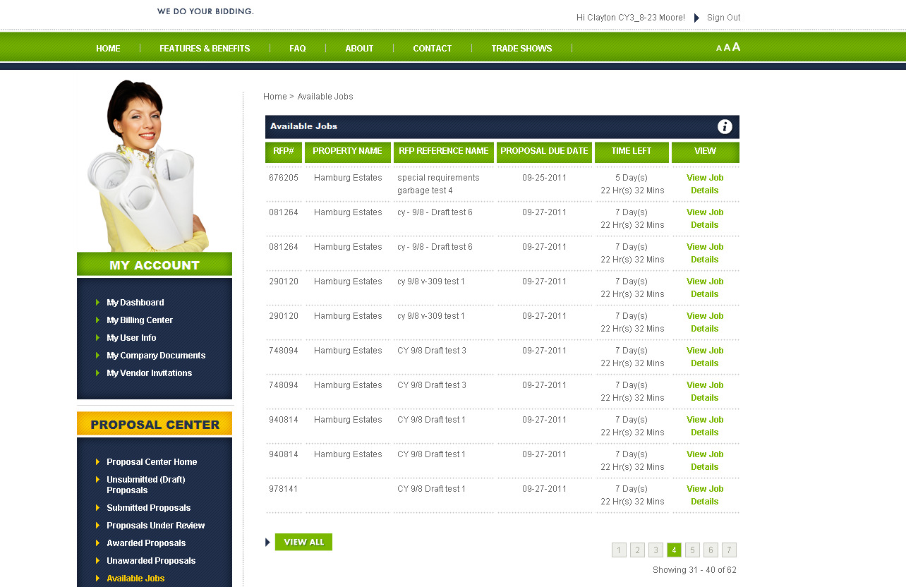
 | 19-Sep-2011 | V-337 | My User Info: CY 9/19 - CY4@camassistant.com 1) Any attempt to Save results in error message in column F CY4, HF13, JG15 all have same issue. 2. Notice the formatting line break in the "If you need to modify…" information. |  | Warning: imagesx(): supplied argument is not a valid Image resource in /home/allen/public_html/cms/components/com_camassistant/controllers/vendors.php on line 1025 Warning: imagesy(): supplied argument is not a valid Image resource in /home/allen/public_html/cms/components/com_camassistant/controllers/vendors.php on line 1025 Warning: imagecopyresampled(): supplied argument is not a valid Image resource in /home/allen/public_html/cms/components/com_camassistant/controllers/vendors.php on line 1025 Problem In resizing
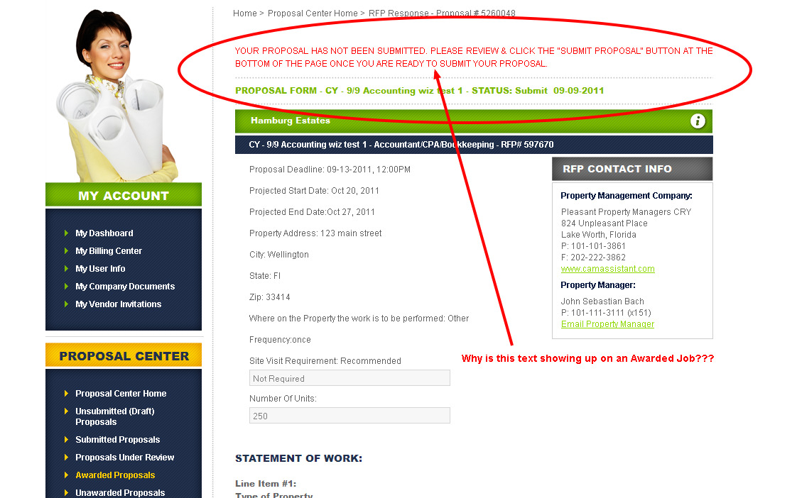
 | 19-Sep-2011 | V-338 | CY 9/19 - CY4@camassistant.com Awarded job showing text just like a new unsubmitted proposal. See pic @ right. This message should not appear for Awarded Jobs, only in "Review Proposal."
High Priority | 19-Sep-2011 | V-339 | hf0/pwd=cama; Even when "rejected or pending" cannot upload GL1 Compliance Documents. 1. Will not accept upload of Liability document. 2. All fields were cleared in backend. Cannot clear date. 3. Cannot enter Agent Phone Number. - The General Liability Document had to be submitted from backend and was approved. 4.When other documents were added it changed the status to Reject 5. Cannot SAVE changes due to #3, 6. Correct message displayed in SNAP provided at right to state, "Please enter a General Liability Agent Phone Number" HF 09-19 | 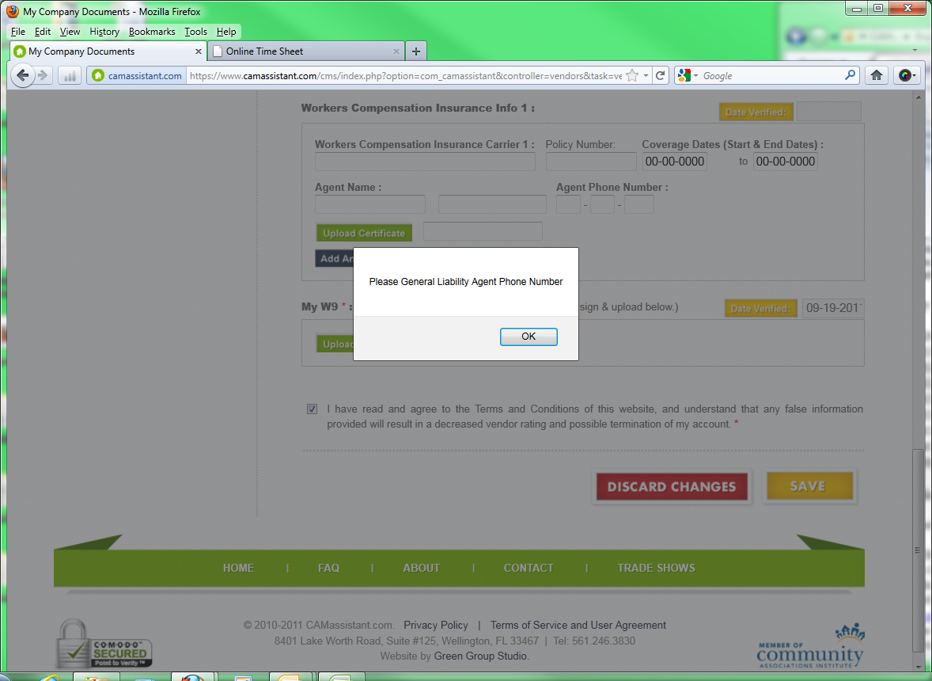

 |  | 14

CAM Firm
V-332 #3
Priority | Creation Date | Item # | Description | Screen Shot |  |  | Completion notes
 | 1-Aug-2011 | C-313 | Preferred Vendor function not complete: 1) The Preferred Vendor function should send RFPs to PREFERRED ELIGIBLE Vendors as soon as they are approved, to ALL OTHER ELIGIBLE Vendors 24 hours later. 2) Preferred Vendor invitations for Vendors who do not have accounts should be using the e-mail from the back end: Invite a Vendor to be Preferred(With out Registration): It currently does not. JPG
 | 18-Aug-2011 | C-340 | Dashboard>Recently Closed RFPs, and Closed RFPs: 1) "View Proposals" should open the PDF in the default PDF plugin in new Window. THIS IS HOW "Download Proposals as PDF" works now. 2) "Download Proposals as PDF" should open a dialog for "Save As" to save the Proposal Report PDF to the Property Manager's local systems. Default should create a folder "RFP########" 3) "Download Proposals as PDF" should also ask if the user wishes to download all attached files to the same location, and do so if answered "Yes". See column F for suggested text and actions. #3 Can be completed after launch. 4) This applies to Manager (Customer) also. JPG | 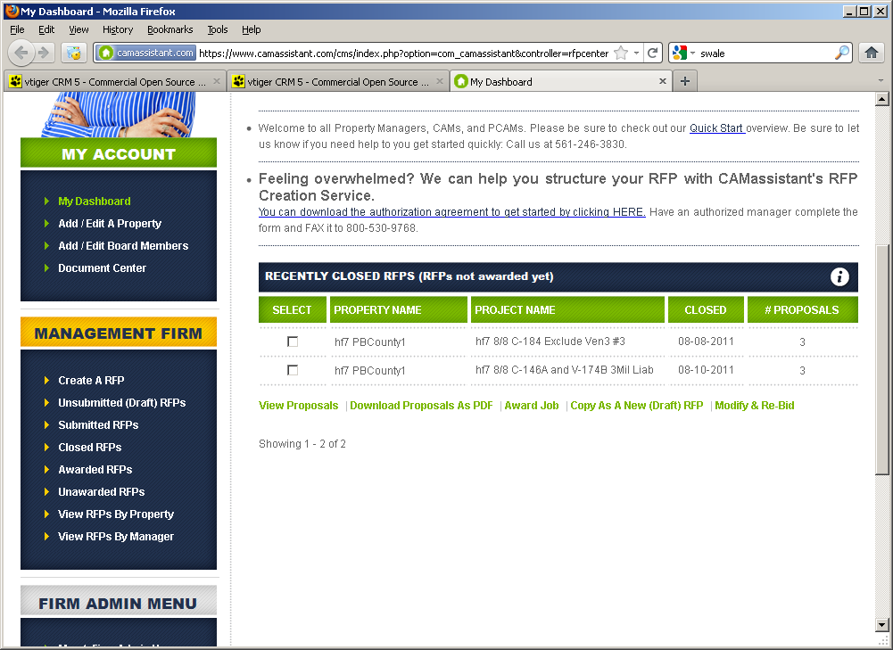 | There are {# files} attachements to the Proposals totalling {size total} megabytes. Do also want to download attachments to the Proposals? ( ) Yes ( ) No ------------------------------------------------------------------ 1) If Yes is selected, a folder should be established for each proposal or alternate . Folder name should be "Vendor # Attachments" or "Vendor #-Alt Attachments" located under the folder RFP########. 2) If any folder name exists, ask them if they wish to over-write old copies. If they select No, take them back to dialog above regarding whether or not to save. | #2 Requirement that the saved pdf file (should create a folder "RFP########") is not yet addressed. 1. When addressing items 3, 4 please include the remaining issue for item #2. HGF 09-15 | 1,2 Points completed 3,4 can be completed after launch
High Priority | 14-Sep-2011 | C-381-B | CY - 9/14 - cy20@camassistant.com, pw=cama firefox 6.0.2 and Adobe Reader X 1.Change the "TOTAL AMOUNT PROPOSED" amounts from green to Dark Blue. 2. Vendors Compliance documents are generating an error (see Column F) that is similar to the file issue that we had with property documents. We cannot open any compliance document from the proposal report. CY - 9/19 - This has not been corrected - SAME MESSAGE. |  | <br /> <b>Warning</b>: readfile(https://www.camassistant.com/cms/components/com_camassistant/assets/images/vendorcompliances/John Sebastian_Bach_//cy.xls) [<a href='function.readfile'>function.readfile</a>]: failed to open stream: HTTP request failed! HTTP/1.1 404 Not Found in <b>/home/allen/public_html/cms/components/com_camassistant/models/vendors.php</b> on line <b>709</b><br /> |  | Completed, Please upload new vendor compilance documents and check once. CAMA: We uploaded new documents in several accounts and still had the same issues, plus issues with newly uploaded documents. Please see J-167 and V-V-332-A/B/C/D and V-334
High Priority | 14-Sep-2011 | C-381-C | Proposal Summary Report: 1) This information must be STATIC as of the FINAL close of RFP (not the 24 hours early to Vendors, but just after the FINAL close time). IMPORTANT: The Proposal Report should NOT dynamically generate: It must generate at the close of the RFP, then be a link. This MUST include all referenced documents to avoid intentional or unintentional changes of information after the RFP has closed, as well as any issues with documents that are about to expire. 2) For file handling: Create a folder inside the property folder (if it does not exist) called "Proposal Reports". The RFP and the attachments should be saved in a folder with a folder name that is the RFP number. This will then be part of the Property Documents associated with the respective RFP, then all future access to view or download must reference those documents. (see examples in column E). 3) At the time of close and report generation, all attached documents and current Vendor compliance documents as of the close must be copied and saved as described. a. Attached proposal documents are to be saved with the Proposal Report PDF. b. The current Vendor compliance documents are copied and saved to a folder in the RFP number folder called "Vendor Compliance." | 4) (LOW PRIORITY) Under certain circumstances and testing it may be necessary to force a regeneration of the Proposal Reports: This must be available from the Joomla CAMA back end. This could be in RFP Management or a stand-alone tool. NOTE FOR #4: In the case of regenerated reports, all files of the same name will be over-written. Any new files of course will be added. It is not necessary at this time to test for omitted files, but may be an added feature later (if this is easily done now, do so). JPG | examples for #2 & #3 in column D: This folder is created for the RFP: Property documents\Property A\Proposal Reports\RFP123456 the PDF of the RFP should be in this folder. Any attachments uploaded to this RFP should be in this folder as well. Vendor attachments should be in their own folder ...\RFP123456\Vendor 1\Proposal Attachments ...\RFP123456\Vendor1\Vendor Compliance and: ...\RFP123456\Vendor 2\Proposal Attachments ...\RFP123456\Vendor2\Vendor Compliance and so on...
 | 19-Sep-2011 | C-420 | Award Proposals: Reject All Proposals Sends the e-mail at right to Vendors who had submitted ITBs: 1) This e-mail needs to be available in the back end for edit, 2) The content is not complete: This e-mail needs to address the Vendor by name, and MUST reference the RFP number. If possible it should also reference the Proposal number(s) for the ITB submitted. 3) A similar e-mail was sent by selecting "Reject All Proposals for RFP 918099 from CY20@camassistant.com. pw=cama 4) To test, you can use RFP 629317 from CY20@camassistant.com has 1 proposal and at this time the Rejection was NOT completed (used "Cancel" button). JPG | 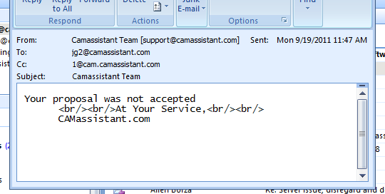
 | 19-Sep-2011 | C-421 | CY - cy20@camassistant.com, pw - cama 1. I can add a board member without choosing a property even though it is a required field. See pic @ right. | 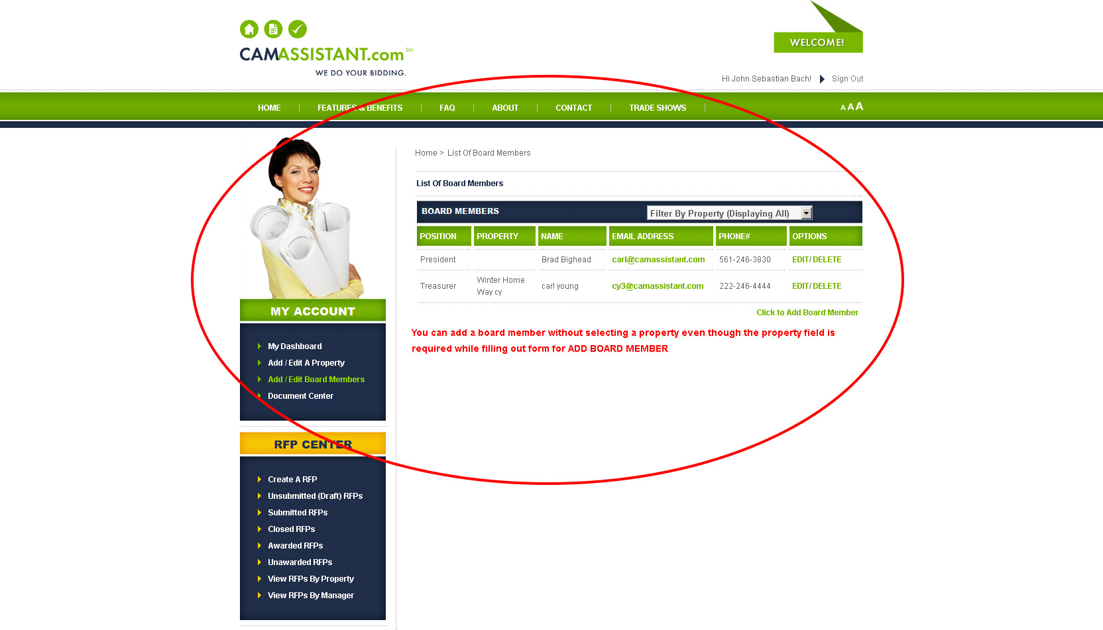
 | 19-Sep-2011 | C-422 | RFP Creation: Lost all information from Wizard/Line items: CY20@camassistant.com – pw cama, Firefox 6.02 I created a rfp # 013270, I used the landscape wizard, selected at least 1 item from each section and saved the wizard, 7 line items were showing. I uploaded an additional .xlsx file and required pricing for that file I then did a review and submit on the RFP. All line items disappeared except line item 1 and it cleared out the description line. I tried to duplicate the steps with rfp # 478421 and it was passed thru correctly without a problem……..

 |  | 7

Joomla Backend
Priority | Creation Date | Item # | Description | Screen Shot |  |  | Completion Status
Low | 6-Jun-2011 | J-101 | ANNOUNCEMENTS: In "camassistant" component the ANNOUNCEMENTS feature does not work. Also, the "User Type" dropdown should actually be "Industry to Receieve Announcement" dropdown as well as an optional optional State dropdown. (if neither of these suboptions are selected, it should assume ALL industries in that user group, and ALL states). 1) "ALL STATES" does not work, however "Select States" functions as "ALL STATES": Make "ALL STATES" work, OK to stay as default operation for :"Select Sates" 2) "Select Industry" DOES function as ALL Industries. Please use consistent and similar solution to #1. 3) If multiple announcements appear for a user, there is no space between them: Prefer to add a horizontal dotted line to match existing grey line on login screen, the width of the field to match existing title divder width. 4) The "User Type" should allow one or more to be selected. Suggest check boxes, or a multi-select drop-down include provision for District Manager in Phase 2. 5) Need to be able to specify sort order for multiple message display. - #4 and #5 are NOT URGENT AND CAN WAIT IF COMPLEX! JPG 6/24/11 | 1) Tested with Vendor only. Same status this item. SEE #2 IN COLUMN D for easy fix. 2) Nothing changed here. OK IF you just fix #1 item COLUMN D by removing the ALL STATES option, since it doesn't work anyway. 3) OK - eventually needs additonal space between last message and Vendor Browse Open Jobs. OK until after release? 4) Not addressed, OK until after release 5) Not Addressed, OK until after release JPG 7/8/11 | Very good so far, but some Issues, see @ Left. |  | Completed Partially, but no critical issues at this time. See notes at left. JPG 7/8/11 | We have only state field for the CAM Firm , and we have industry and state fields for vendors , So Can we check only one among them for the display of the announcements or both we can check? Can you have multiple announcements or single 1) For CAM Firm messages, you will ALWAYS ignore industry, but because different States are regulated differently for Property Managers, we want to be able to send messages only to States that have similar behavior. Even though our Constitutions are similar, here in the US each State can regulate many things locally (called "State's Rights"). I do not believe that this is the case for India states, so we need this flexibility. 2) For Vendors, some Industries and Professions are licensed by individual States, and industries vary by state and different industries are different within the state. So, we would like to be able to send something to one or more industries, in one or more states, where we determine the subject matter is appropriate. JPG 8/12
 | 11-Jul-2011 | J-117 | RFP Approvals and Proposal Approvals: These need to be implemented and integrated. Along with the integration we need the ability to toggle the functionality: RFP Review ON - RFPs must be reviewed by CAMA prior to distribution to Vendors: 1) Need to send notification e-mail to editable e-mail address(es) when new RFP available in backend. 2) Back end like "Manage Industries", click to open the RFP, view all and edit if necessary, then approve. 3) RFP released upon approval, same rules as now: a) First test for whether Preferred Vendors present b) If yes, send out to preferred Vendors now, followed by rest of qualified Vendors after 24 hours. c) If NO preferred Vendors, send to all qualified. RFP Review OFF - RFPs go directly to release, Rules under #3 above. Proposal Review ON - Proposals must be reviewed by CAMA prior to release to Managers as Proposals and Summary Reports. 1) Need to send notification e-mail to editable e-mail address(es) when new Proposal available in backend. 2) Back end like "Manage Industries", click to open the Proposal, view all and edit if necessary, then approve. 3) Distribute upon approval when RFP is closed. JPG |  |  |  |  | Some of this has been implemented, but not the ability to turn RFP review on/off and tests. JPG 8/23/11
Medium Priority | 12-Aug-2011 | J-124B | Edit Properties: 1) Please for the Property Manager drop list, list as: {CAM Firm Name} - {Current Manager Name} 2) We need filters for each column to sort by: - Property Name - CAM Firm Name - Current Manager Name - State - City We will have hundreds of managers to sort so this will become important. 3) The Sort functions for the list headings do not work yet. 4) Please add a "CAMassistant Control Panel" icon to directly navigate back to the other tools. All of these are medium priority, but can be done after launch. . JPG |  | Thank you. A very nice job on "Edit Properties" so far. We will need the functionality at left however. JPG
 | 28-Jul-2011 | J-130 | ITB (Intent to Bid) Tool: Need ability to monitor and edit ITB status for any RFP that is Open, Ammended, or Re-submitted. This must include: 1) The ability to remove any ITB. 2) The ability to manually assign an ITB to a specific Vendor. This is not as urgent, if it will interfere with launch. 3) We should also have a button that we can optionally click, that will send new Job e-mail notifications to qualified vendors who do NOT currently have an ITB for this Job. The button should be titled: "Resend Job Invitations" This button should be available for each job. Upon clicking this button need a confirmation "Are you sure you want to send invitations to Vendors without ITBs for this job?" YES/NO. This will send the standard "Job Notification" e-mail using the same standards as a new job, but exlcude those with a current ITB for this job. JPG |  |  |  | Completed If this is "Vendor Order Centre", it does not function yet. If this is the right location, please name it: "Vendor ITBs" JPG 3-Aug | PLEASE NOTE that this is different functionality (Vendor Based) than the ability to view available ITBs associated with RFPs (Manage Rfp's views ITBs from the "manager" side) However, I do see that item #1 to remove an ITB is implemented here and will take care of the High Priority assignement of item 1. "Manage Rfp's" does not however address ITBs from a "Vendor" view. - Please implement from the "Vendor" side so that we can ASSIGN any Vendor an ITB for any RFP as needed. JPG 3-Aug
 | 30-Jul-2011 | J-132 | Where can we edit the subjects of the automated emails?
 | 8-Aug-2011 | J-134 | Manage RFPs: 1) Sorting Function: We MUST have the ability to sort by RFP STATUS to administer release of RPF. This is HIGH PRIORITY. 2) The other sort functions do not seem to work. MEDIUM PRIORITY. 3) In order to see "ALL", I often have to select "100" first. This happens with some other lists as well. LOW PRIORITY 4) Please add a navigation icon for CAMA CONTROL PANEL navigation icon as in other tools. LOW PRIORITY. JPG | 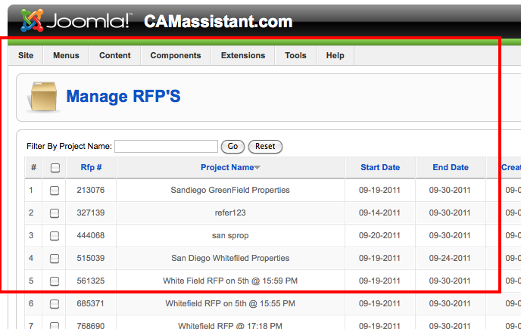 | #2 NOT Completed |  | STILL NOT Completed. Columns are NOT sorting when clicked. (#2)
 | 8-Aug-2011 | J-135 | Manage RFPs: Create RFP 1) Launching Wizard brings up message "77" then goes to the wizard in a Joomla Window. 2) When saving, the following message appears: Fatal error: Call to undefined method rfpViewrfp::save() in /home/allen/public_html/cms/administrator/components/com_camassistant/views/rfp/view.html.php on line 33 3) Save function must act like "SAVE AS DRAFT" and then be available to the Manager (Admin/DistrictManager/Manager) assigned to the property. 4) As mentioned in J-117, must also have the ability to send a notification e-mail when we have saved work ready for them. Suggested content for e-mail at right, and include this in the "Manage Emails" tool. Please note dynamic text for RFP number and Property Name. 5) This will be a part of the Customer Support interface, and will eventually need to identify the user that created the RFP. 6) We need to View, Delete, and Upload documents 7) In current version the "Additional Documents" are missing in JOOMLA Back End. JPG | Subject: Your RFP is ready to review. Good day, Your RFP # {RFP Number} for {Property Name} is ready for review. You can find this RFP in your Unsubmitted (Draft) RFPs. Please review the results carefully before submitting your RFP. Remember that we have assisted with structure, but only you can define the Scope of Work that you are after. If you need minor changes or additions, you can always edit the RFP as needed, and still add, edit or remove line items or documents. If you have any questions about the scope of our assistance or the work itself, please contact the CAMassistant Customer Support Team at 800-985-9BID (1-800-985-9243). We appreciate the opportunity to assist you with your project, The CAMassistant Customer Support Team
 | 17-Aug-2011 | J-138 | We need the ability to look at a combination of Vendors, RFPs, and ITBs, and create reports for Vendors who are potentially qualified for any RFP. To do this, we will need the ability to (for the purposes of the report only)turn off one or more criteria of Vendor eligibility. These elements include Industry, Licenses, Insurances, Counties, States, etc. This is a basic description, PLEASE BE PREPARED to discuss the implementation. JPG. |  |  |  |  | Partially implemented
 | 19-Aug-2011 | J-140 | Document Center: This does not seem to be updating, new properties missing. Shared Documents shows properties, should be listing CAM Firm and Vendors, with their respective folders and documents. JPG
High Priority | 27-Aug-2011 | J-147 | In EDIT RFP, Special Requirements for an RFP are not visible. It should show what the manager set, and it currently shows up blank.
High Priority | 27-Aug-2011 | J-149 | If we increase the "Max number of proposals" to receive in the backend, that proposal should then be visible as an "Available Job" for the eligible vendors (as long as there are available ITBs). NOTE: The job emails are currently being sent, however the job/ITB reservation is only accesssable through the email link, as it is not listed as an available job.
 | 30-Aug-2011 | J-152 | For Vendor Compliance Documents, please add a column for the Vendor company name. JPG
High Priority | 31-Aug-2011 | J-155 | Need tool/facillity to Review/Apporove Proposals. 1) This requires that the RFP closed dates will actually have to be 24 hours BEFORE the close date listed by the Manager. A notification must be sent to support@camassistant.com 2) We need the ability to also set status for PENDING/APPROVED/REJECTED. The behavior is as follows: a) The RFP closes 24 hours prior to the actual close and notifies support. Proposal Report is in "Pending" mode. b) If on review the Proposal is "Rejected", an e-mail pop-up like the one for Rejected RFP appears, with the Vendor e-mail contact pre-filled, free text field, and signature: CAMassistant Customer Support Team, 561-246-5380 c) IF Rejected, the Vendor Proposal status is changed to "Draft" mode until resubmitted or until the RFP FULLY closes, whichever comes first. 3) The Tool will have two levels: RFP and the Proposals under them. 4) From the TOOL, we must have the following: a) The ability to set the Status b) Ability to display full Proposal Report c) Ability to EDIT the Proposal and Resubmit if necessary. d) Access to full contact information for Vendors, if needed beyond what is on the Proposal Report e) From RFP level, display/filter/sort ability like Manage RFPs. f) Ability to view and access Proposal edit by Vendor/Status/Proposal# Listing. Since there may be up to 6 Proposals and 6 Alternates, this RFP-based list will contain no more than 12 entries. | 5) If during the 24-hour Proposal review period (see item 2a), in the event that a proposal is rejected in the back end, the VENDOR SHALL HAVE the ability to re-submit their proposal until the final compile of the RFP at the Manager-selected date and time. BUT ONLY THOSE THAT HAVE BEEN REJECTED shall be able to be edited and resubmitted during the 24 hour review period. 6) A manager or Management firm Admin CAN NOT submit an ammended proposal during the review period (item 2a). 7) PLEASE NOTE that the RFP does not "render" the FINAL proposal report UNTIL the actual close date and time selected by the Manager. JPG
 | 2-Sep-2011 | J-156 | We need an AUDIT TRAIL tool for user activities and submissions by Managers, Vendors, and internal actions. 1) Should time & datestamp user activities. Audit trail must be searchable and sortable. 2) Must also track eligibility of ALL RFP submissions, Vendor eligibility for RFPs, e-mails sent to vendors, and all Proposal submissions. JPG
High Priority | 9-Sep-2011 | J-157 | Manage RFPs Edit mode does not allow save. Message is: Fatal error: Function name must be a string in /home/allen/public_html/cms/administrator/components/com_camassistant/views/rfp/view.html.php on line 59 Seems to be any existing RFP, but one example is: 006353 JPG
 | 9-Sep-2011 | J-158 | Manage RFPs: Rejected RFP e-mail does not work. JPG
 | 9-Sep-2011 | J-159 | Manage RFPs: After leaving Edit RFP, needs to return to previous page information including sorting and selections. This is to enable review/approve function. JPG
 | 9-Sep-2011 | J-160 | Manage RFPs: "NEW" does not function properly 1) The Wizards do not function from back end 2) The link created in e-mails linked to the wrong RFP and even allowed an incorrect industry bid: Home Proposal Center Home RFP Response - Proposal # 8794030 Account JG15@camassistant.com pw=cama Destination account was supposed to be JG20, but ends up registered based on creator it appears. 3) Wizards do not work from this tool: See the three Wizard captures. 4) Site visit inforamtion wrong, field to insert info gets info from areas to service. JPG | 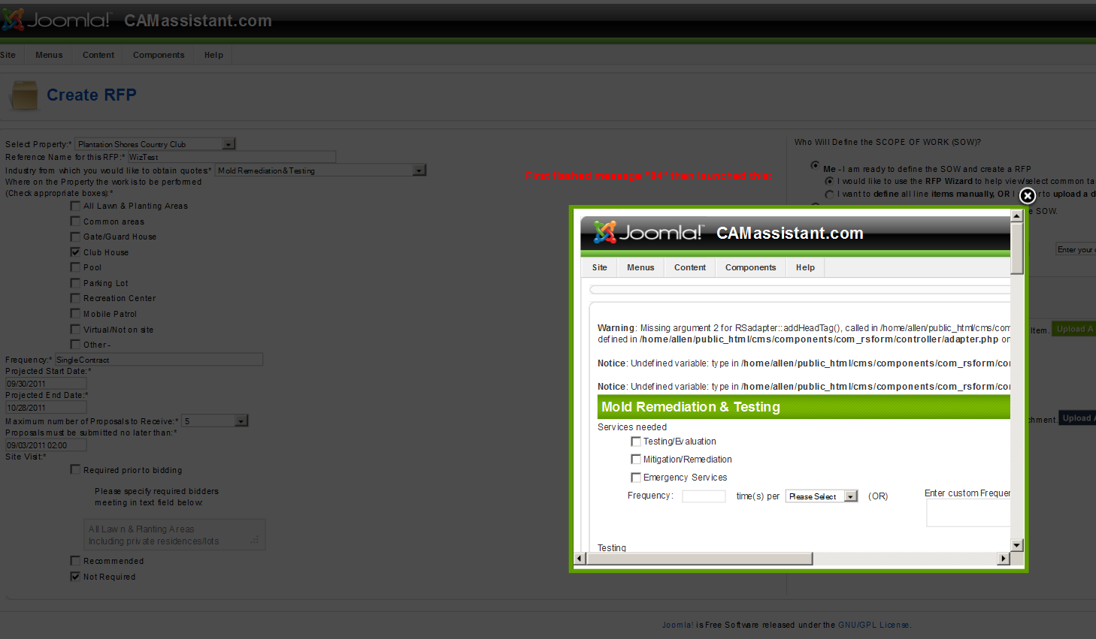 |  | 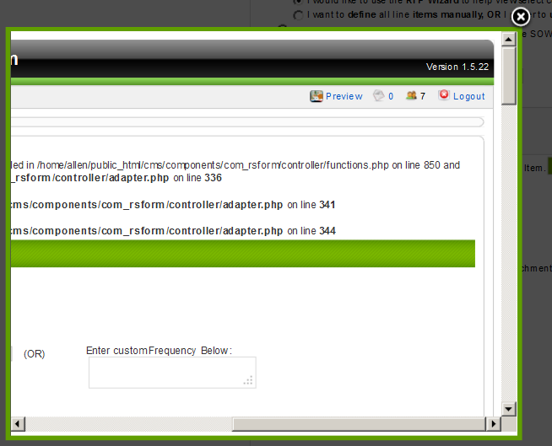 | 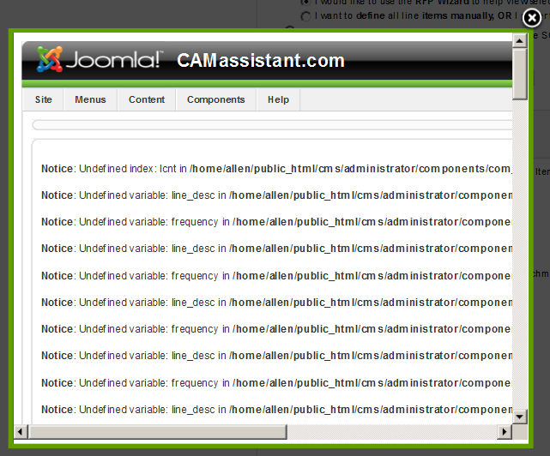 | 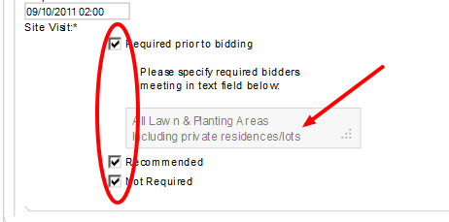
 | 13-Sep-2011 | J-162 | What is the VENDOR ORDER CENTRE??? JPG
 | 14-Sep-2011 | J-163 | In MANAGE RFPs: 1) The USED ITBs are not updating correctly. I have seen this in several RFPs listed, but the one I verified operation on was: RFP 991123. There are 3 ITBs used, But the list only shows 1 used. 2) When approving a series of RFPs, and the screen refreshes, the system sometimes makes a selection from the "Select Industries" thus hiding other Pending RFPs. JPG
Low - After Launch | 14-Sep-2011 | J-164 | In MANAGE Vendors: DELETE COUNTY items include a tool tip that states: "This is the name of the category as it appears to users." This does not make sense. This is not at all urgent. As a fix you can either delete the tool tip for this item and its spawn, or (preferred option) change the text to "Remove this County from Vendor Business Area" JPG
 | 15-Sep-2011 | J-166 | Manage Managers: There is a string loading into the password field whenever the account is edited in the back end that must be deleted to make any other changes to the Manager account. Please remove this. JPG
High Priority | 19-Sep-2011 | J-167 | For Vendor Compliance Documents, 1) For General Liability 1, In almost any case, you have to save twice to get it to save all information, to get the amounts from 1 to "take" if you enter the commas and period+decimal places 2) New documents uploaded from the back end or by Vendors can not be read from the back end. All file types are coming up corrupt. 3) When I uploaded documents for GL1 for account HF13@camassistant.com pw=cama (because the "Vendor" could not) the file name I uploaded remained the same, but the remaining information was what the"Vendor" had filled in, deleting my "verified" information." HF13 is a NEW account. 4) Date Verified for GL2 is not updating (blank) 5) Can not change year for Professional Licence. It also appears that Professional license is not being checked: See Acct. HF13. 6) Rejected AND deleted W9, neither action caused the Proposal Center to become inactive. Again, Acct. HF13. Associated issues may be seen in V-332-A/B/C/D and V-334 JPG
 |  | J-168 | For Vendor Compliance Documents, Joomal back end: 1) What is the "Prevent this page from creating additional dialogs" message? Does this suppress further messages on this page? This session, or "permanently" using cookies? 2) If this supresses further messages around uploading or deleting documents, this is not appropriate. This version has also appeared in the Vendor Compliance Documents and in Phone Number errors . These are not frequent tasks, so this kind of supression option is not appropriate. 3) This option should only appear in confirmation messages for frequently used tasks, and never for an error message. JPG | 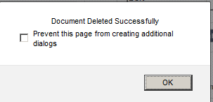
 |  | J-169

 |  | 25

