Sheet1
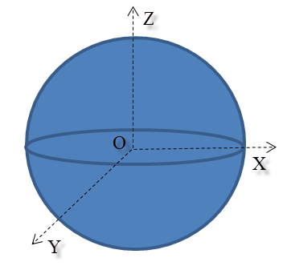
CALCULATION OF SPHERE MASS
Material | Density, kg/m3 | Radius, m | Mass, kg
Seawater | 1025 | 0.1
Iron | 7870 | 0.1
Aluminium | 2700 | 0.1
Steel | 7820 | 0.1
Gold | 19290 | 0.1

Calculate the mass of a sphere using the SPHEREMASS user-defined function contained in the Excel Add-In file.

