Details
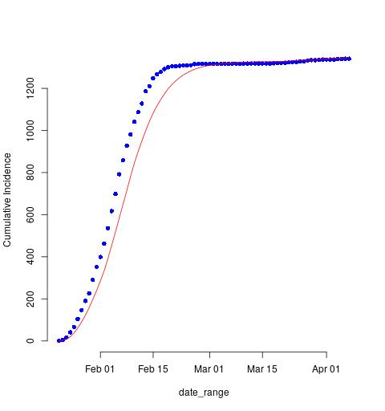
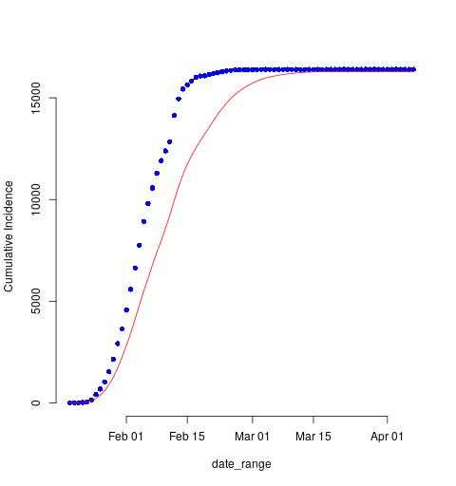


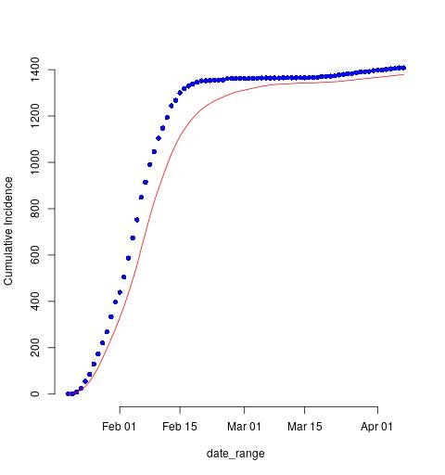
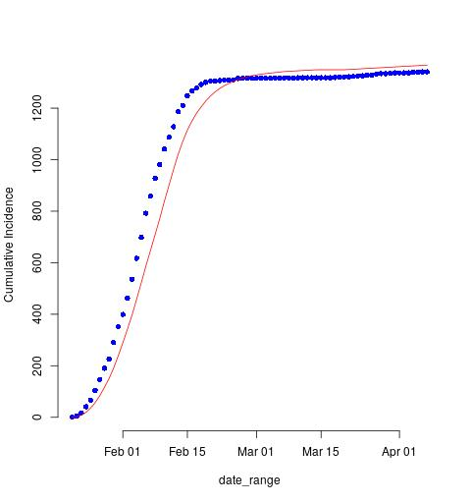
Clustering A: Include Temperature, Old population |  |  | Clustering B: Only Incedence, Mortality, Recovery |  | Clustering C: Same as clustering A except excluding Male-Female Ratio |  | Clustering D: include all age groups but excluding male-female ratio |  | Clustering E: Only Temperature
Region | 1 |  | Region | 1 | Region | 1 | Region | 1 | Region | 1
 | R0_CrI |  |  | R0_CrI |  | R0_CrI |  | R0_CrI |  | R0_CrI
2.50% | 1.2918960976 |  | 2.50% | 1.8271686603 | 2.50% | 1.3676953698 | 2.50% | 1.2663923926 | 2.50% | 1.3162334529
25% | 1.4956823529 |  | 25% | 2.0238542517 | 25% | 1.5207734347 | 25% | 1.4927460503 | 25% | 1.4891250193
50% | 1.6341344376 |  | 50% | 2.1957560853 | 50% | 1.6435212194 | 50% | 1.6412093836 | 50% | 1.6268407825
75% | 1.7577411713 |  | 75% | 2.4420043257 | 75% | 1.7530194159 | 75% | 1.7589540913 | 75% | 1.7636261431
97.50% | 1.956075958 |  | 97.50% | 2.806877139 | 97.50% | 2.0840119311 | 97.50% | 2.0480361737 | 97.50% | 2.0785674887

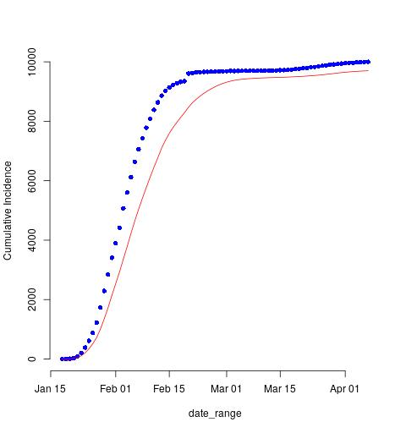
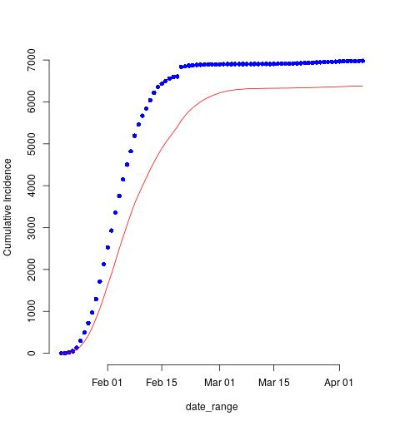


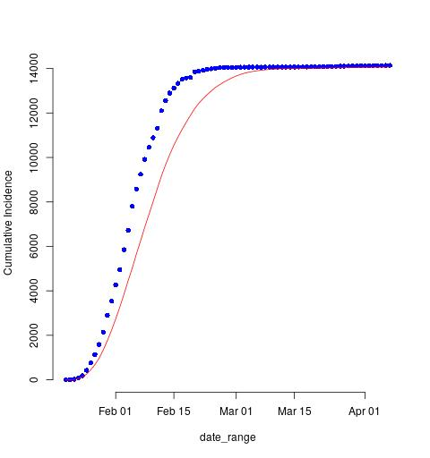

Region | 2 |  | Region | 2 | Region | 2 | Region | 2 | Region | 2
 | R0_CrI |  |  | R0_CrI |  | R0_CrI |  | R0_CrI |  | R0_CrI
2.50% | 1.4589324816 |  | 2.50% | 1.6534690731 | 2.50% | 1.532762345 | 2.50% | 1.6033926972 | 2.50% | 1.468894315
25% | 1.7015221283 |  | 25% | 1.9233354368 | 25% | 1.7878014398 | 25% | 1.7823015866 | 25% | 1.7742488619
50% | 1.8695376236 |  | 50% | 2.0755777929 | 50% | 1.9183752298 | 50% | 1.9264824395 | 50% | 1.9562706818
75% | 2.0743551591 |  | 75% | 2.246025591 | 75% | 2.0466951198 | 75% | 2.1462250846 | 75% | 2.1429235629
97.50% | 2.3618407892 |  | 97.50% | 2.5658517291 | 97.50% | 2.2825318391 | 97.50% | 2.3794908443 | 97.50% | 2.5232730653

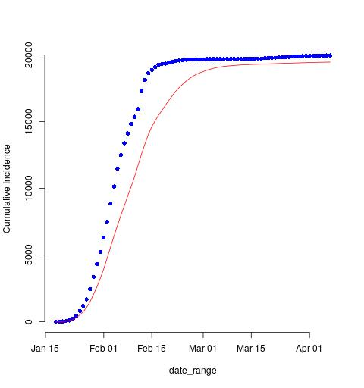


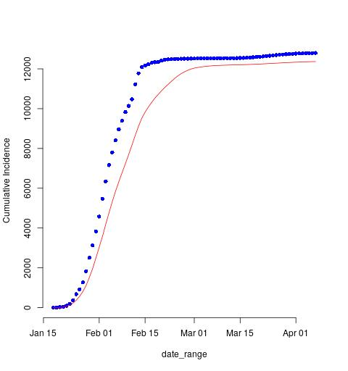

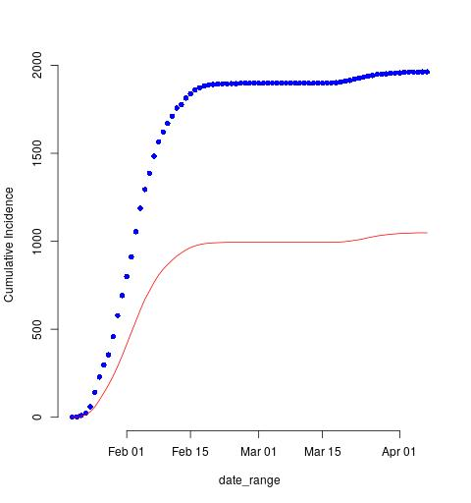

Region | 3 |  | Region | 3 | Region | 3 | Region | 3 | Region | 3
 | R0_CrI |  |  | R0_CrI |  | R0_CrI |  | R0_CrI |  | R0_CrI
2.50% | 1.6820133911 |  | 2.50% | 1.3423222753 | 2.50% | 1.7483268853 | 2.50% | 1.7227560218 | 2.50% | 1.6631203785
25% | 1.9870548135 |  | 25% | 1.5669374607 | 25% | 1.9704283629 | 25% | 1.9674262072 | 25% | 1.9253018611
50% | 2.1379947266 |  | 50% | 1.6880647797 | 50% | 2.0899619601 | 50% | 2.1408895831 | 50% | 2.1408560538
75% | 2.259238471 |  | 75% | 1.8474211193 | 75% | 2.286866982 | 75% | 2.3260841058 | 75% | 2.2568644984
97.50% | 2.5350667581 |  | 97.50% | 2.1766355159 | 97.50% | 2.6897156122 | 97.50% | 2.5866497354 | 97.50% | 2.5601116097

 |  | The Blue dots in the graph correspond to the real confirmed cases and the Red line corresponds to model predictions.

