Details
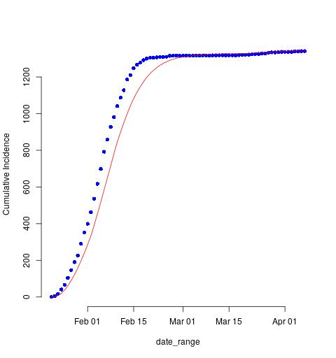
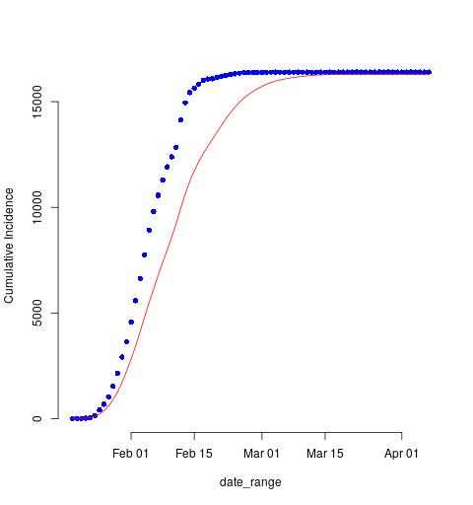


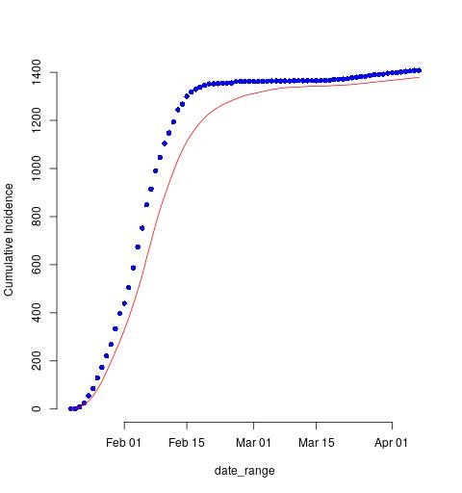
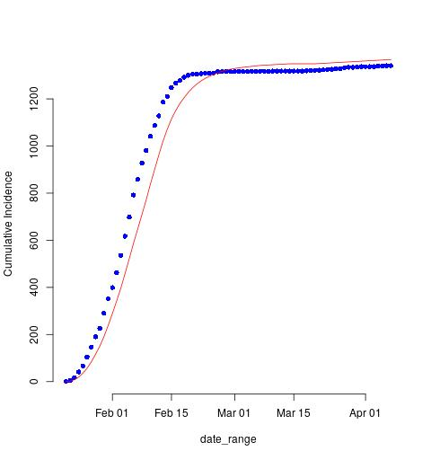
Clustering A: Include Temperature, Old population |  |  | Clustering B: Only Incedence, Mortality, Recovery |  | Clustering C: Same as clustering A except excluding Male-Female Ratio |  | Clustering D: include all age groups but excluding male-female ratio |  | Clustering E: Only Temperature |  | Clustering F: Only Age
Region | 1 |  | Region | 1 | Region | 1 | Region | 1 | Region | 1 | Region | 1
 | R0_CrI |  |  | R0_CrI |  | R0_CrI |  | R0_CrI |  | R0_CrI |  | R0_CrI
2.50% | 1.2540763572 |  | 2.50% | 1.8018274804 | 2.50% | 1.3065069906 | 2.50% | 1.3921236249 | 2.50% | 1.2888652816 | 2.50% | 1.5054147548
25% | 1.4519304557 |  | 25% | 2.0476168573 | 25% | 1.4917319872 | 25% | 1.5691796974 | 25% | 1.4784210242 | 25% | 1.6811110097
50% | 1.5759142349 |  | 50% | 2.2498421482 | 50% | 1.5996298565 | 50% | 1.6986751501 | 50% | 1.595805391 | 50% | 1.8242721311
75% | 1.7110385039 |  | 75% | 2.4824035972 | 75% | 1.7094586589 | 75% | 1.8268345908 | 75% | 1.7899956169 | 75% | 1.9418508031
97.50% | 1.9918560695 |  | 97.50% | 2.7499160159 | 97.50% | 1.9364611945 | 97.50% | 2.1166421473 | 97.50% | 2.0024007449 | 97.50% | 2.3543790742

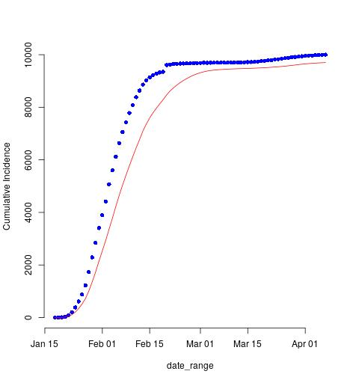
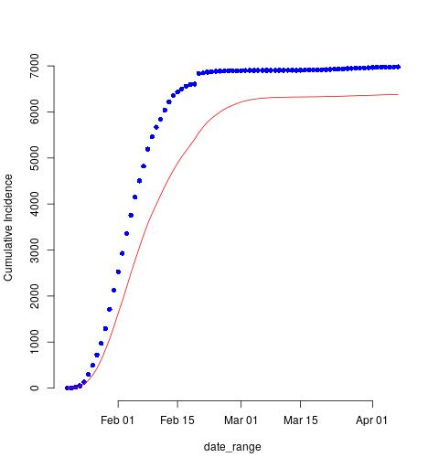


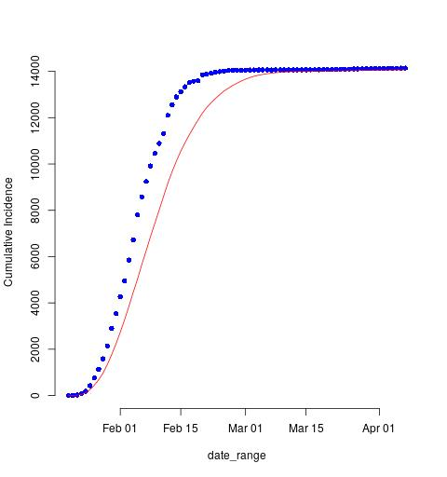

Region | 2 |  | Region | 2 | Region | 2 | Region | 2 | Region | 2 | Region | 2
 | R0_CrI |  |  | R0_CrI |  | R0_CrI |  | R0_CrI |  | R0_CrI |  | R0_CrI
2.50% | 1.4029329104 |  | 2.50% | 1.6964927853 | 2.50% | 1.4920827459 | 2.50% | 1.5650675666 | 2.50% | 1.5660275138 | 2.50% | 1.7554437754
25% | 1.7126442333 |  | 25% | 1.9261537197 | 25% | 1.7617290917 | 25% | 1.7826388434 | 25% | 1.7898521979 | 25% | 1.9109565278
50% | 1.8955039345 |  | 50% | 2.1121178509 | 50% | 1.9169388643 | 50% | 1.9493004568 | 50% | 1.9927664646 | 50% | 2.0631061895
75% | 2.0672598504 |  | 75% | 2.3631298728 | 75% | 2.0742253553 | 75% | 2.1014284385 | 75% | 2.1966649929 | 75% | 2.2597540561
97.50% | 2.5415832021 |  | 97.50% | 2.6009213053 | 97.50% | 2.5401216551 | 97.50% | 2.4616492008 | 97.50% | 2.6194533696 | 97.50% | 2.5817395768

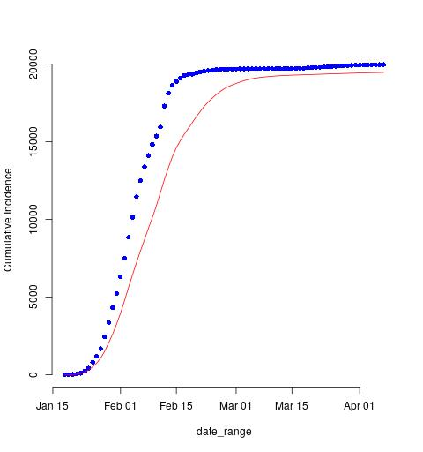


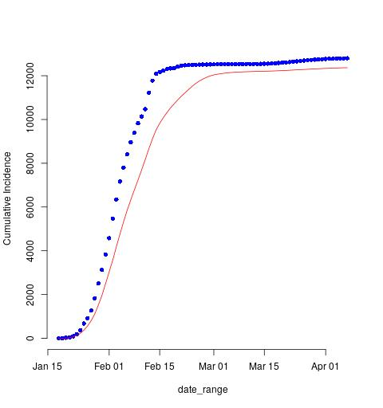

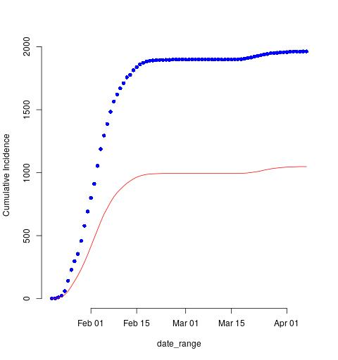

Region | 3 |  | Region | 3 | Region | 3 | Region | 3 | Region | 3 | Region | 3
 | R0_CrI |  |  | R0_CrI |  | R0_CrI |  | R0_CrI |  | R0_CrI |  | R0_CrI
2.50% | 1.8145422519 |  | 2.50% | 1.3597804529 | 2.50% | 1.741528022 | 2.50% | 1.8427547462 | 2.50% | 1.7606681944 | 2.50% | 1.7507056277
25% | 2.0396533836 |  | 25% | 1.5867097953 | 25% | 2.0385499769 | 25% | 2.0852151212 | 25% | 1.9943852928 | 25% | 1.9536684789
50% | 2.1774590919 |  | 50% | 1.7465909221 | 50% | 2.2094726459 | 50% | 2.2354302166 | 50% | 2.1538500259 | 50% | 2.191327421
75% | 2.3626963454 |  | 75% | 1.8991246724 | 75% | 2.3777158569 | 75% | 2.3959503903 | 75% | 2.2808022941 | 75% | 2.3730716408
97.50% | 2.8516800551 |  | 97.50% | 2.2341787273 | 97.50% | 2.6356346831 | 97.50% | 2.7185139749 | 97.50% | 2.5449623472 | 97.50% | 2.5991042584

 |  | The Blue dots in the graph correspond to the real confirmed cases and the Red line corresponds to model predictions.

