II_gitid
Issue ID | Issue Description | Proposed Solution | Implemented Solution | Issue Statu
20240214_01_RN Issue identified on the P1_NCC_V1 version 1 of the schematic. | 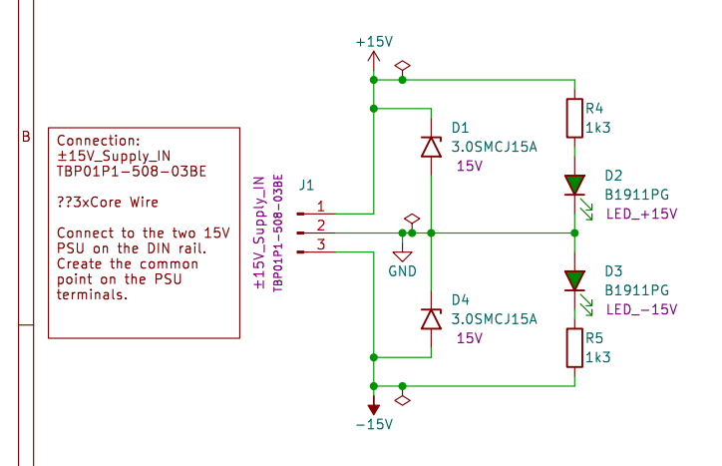 Power dissipation in R4 and R5 (on page 2) is around 140mW (13.5^2/1300) this exceeds the power rating of the 125mW 0805 resistor in design. | User a 1206 footprint resistor this will have a power rating of 400mW. This solution will provide over 50% power margin and increased reliability. | 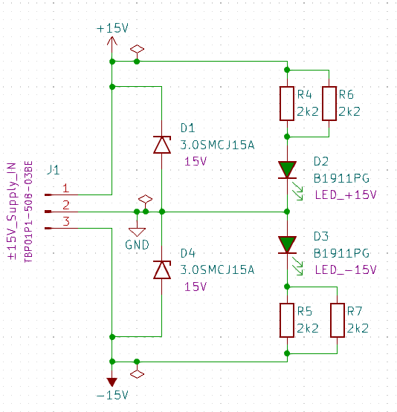 In order to reduce the number of different components on the bom it's been decided to address the issue by placing two 0805 2.2k resistor in parallel. | 20240221_0900_RN I conirm that the solution has been inplemented in P1_NCC_V2 version 2 of the schematic and that this fully addresses issue 20240214_0226_RN.

20240214_02_RN Issue identified on the P1_NCC_V1 version 1 of the schematic.

