Report
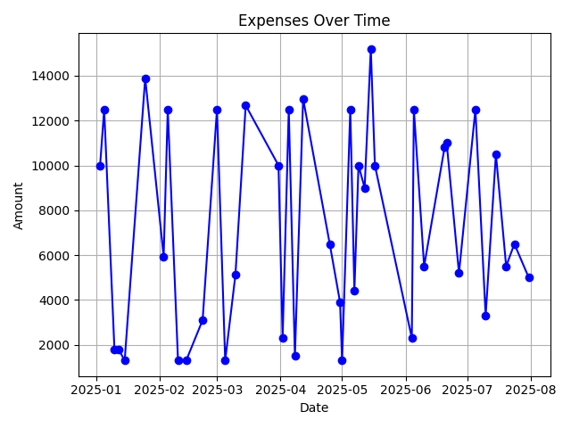
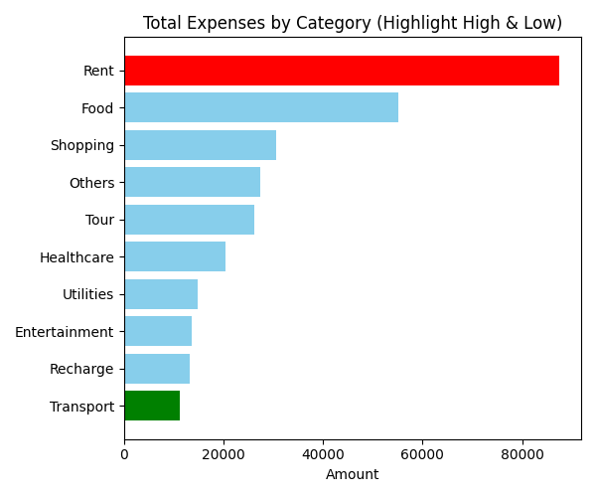
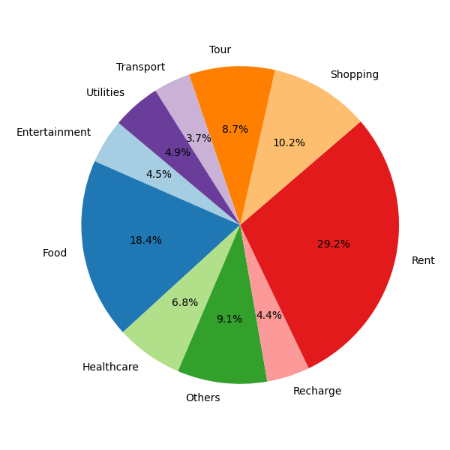
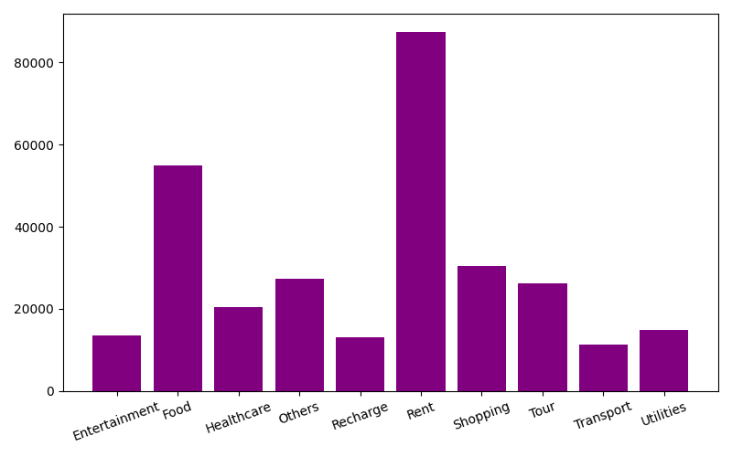
Excel Summary Report
Category | Amount
Entertainment | 13600
Food | 55040
Healthcare | 20399
Others | 27400
Recharge | 13093
Rent | 87500
Shopping | 30500
Tour | 26200
Transport | 11210
Utilities | 14790

Total Amount | ₹299,732.00
Average Amount | ₹7,310.54
Minimum Amount | ₹1,299.00
Maximum Amount | ₹15,200.00
Standard Deviation | ₹4,546.03

