Dashboard
BIKE BUYERS DASHBOARD
Purchase Behaviour wrt Marital Status
Purchase Behaviour wrt Gender
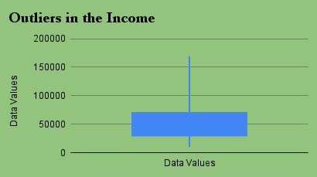

Purchase Behaviour wrt Region
Income vs Age

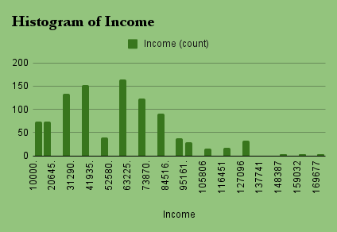
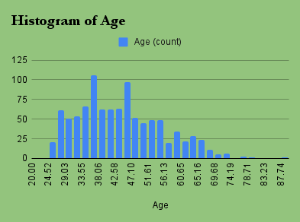
Marital Status vs Gender

