Info
INFO

 | Cultivars | Period | Plants on table (# plants/table) | Plant density (# plants/m2)
 | Cherry CV | 4 Sep – 18 Sep | 242 | 48
 |  | 18 Sep – 22 Sep | 180 | 36
 |  | 22 Sep – 29 Sep | 126 | 25
 |  | 9 October - 9 November | 102 | 20

Description of parameters

 | Parameter | Unit | Description | Measured/Calculated | Instrument
 | Date | - | Date of the destructive harvest | - | -
 | Phase | - | Crop stage | - | -
 | Sample name | - | Name of sample according to naming protocol | - | -
 | Sample n | - | Sample number | - | -
 | Plant height | cm | Distance between the base of the stem and its apex | Measured | Ruler
 | N. cotyledons | n./plant | Number of cotyledons | Measured | Visual observation
 | FW cotyledones | g/plant | Fresh weight of cotyledons (just punctual measurements) | Measured | Scale (0.00xg)
 | N. leaves | n./plant | Number of real leaves (excl. cotyledons) | Measured | Visual observation
 | N. Leaves + coty | n./plant | Sum of cotyledons and real leaves | Measured | Visual observation
 | N. leaves < 5 cm | n./plant | Total number of leaves shorter than 5 cm (excl. cotyled) | Measured | Visual observation
 | N. leaves > 5 cm | n./plant | Total number of leaves longer than 5 cm (excl. cotyled) | Measured | Visual observation
 | FW plant | g/plant | Total fresh weight above ground ground | Measured | Scale (0.00xg)
 | FW leaves | g/plant | Total fresh weight of leaves (incl cotyledons at 1DH) | Measured | Scale (0.00xg)
 | FW stem | g/plant | Total fresh weight of stem | Measured | Scale (0.00xg)
 | FW flowers | g/plant | Total fresh weight of flower clusters
 | Leaf area | cm2/plant | Leaf area leaves (incl. cotyledones) | Measured | Leaf area meter (0.00 xcm2)
 | Leaf area cotyledones | cm2/plant | Leaf area cotyledones only (just puctual measurements) | Measured | Leaf area meter (0.00 xcm2)
 | Other observations | - | Other relevant observations/comments | Measured | Visual observation
 | DW leaves | g/plant | Total dry weight of leaves, incl cotyledones (oven for 8 days at 80 oC) | Measured | Scale (0.000xg)
If the cluster has at least one of these fruits, it is considered a fruiting cluster
 | DW plant | g/plant | Sum DW of all above ground organs | Calculated
 | DW stem | g/plant | Total dry weight of stem (oven for 8 days at 80 oC) | Measured | Scale (0.000xg)
 | DW Flower | g/plant | Total dry weight of flower clusters (oven for 8 days at 80 oC)
 | n. flower clusters / plant | n./plant | Total number of flower cluster per plant | Measured
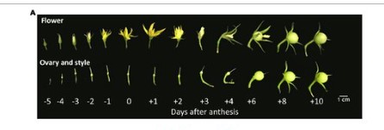
 | n. open flower /plant | n./plant | Tota number of open flowers on plant | Measured
 | Avg n of fruits/cluster | n./plant | It is the total number of fruit attachment points on the cluster (these points can still be flowers or already fruits). It is to get an idea of how many fruits there could potentially be on a cluster. | Measured
 | n. fruiting clusters | n./plant | Number of cluster with at least 1 fruit set | Measured
 | N. fruit set/plant | n./plant | Number of green fruits (from very small to big green fruits) on the plant | Measured
Figure 1
 | FW fruiting cluster | g/plant | Total fresh weight of fruiting cluster (this includes all fruits + cluster stem) | Measured
 | DW fruiting clusters | g/plant | Dry weight of fruiting cluster (full cluster, not only individual fruits) | Measured
 | # green fruits | n./plant | Number of green fruits (from very small to big green fruits) on the plant |  | Visual observation
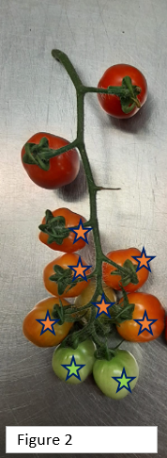
 | # orange fruits | n./plant | Number of fruits with all colours between green and red (see picture 2) on the plant |  | Visual observation
 | # red fruits | n./plant | Number of red, ripe fruits on the plant (See picture 2) |  | Visual observation | Red | 2
 |  |  |  |  |  | Orange | 6
 |  |  |  |  |  | Green | 2

T2_6 01.05.2023

