WG1AR5_AnnexII
WG1AR5_AnnexII

IPCC, 2013: Annex II: Climate System Scenario Tables [Prather, M., G. Flato, P. Friedlingstein, C. Jones, J.-F. Lamarque,H. Liao and P. Rasch (eds.)]. In: Climate Change 2013: The Physical Science Basis. Contribution of Working Group I to the Fifth Assessment Report of the Intergovernmental Panel on Climate Change [Stocker, T.F., D. Qin, G.-K. Plattner, M. Tignor, S.K. Allen, J. Boschung, A. Nauels, Y. Xia, V. Bex and P.M. Midgley (eds.)]. Cambridge University Press, Cambridge, United Kingdom and New York, NY, USA, pp. 1395-1445, published 31 January 2014. | 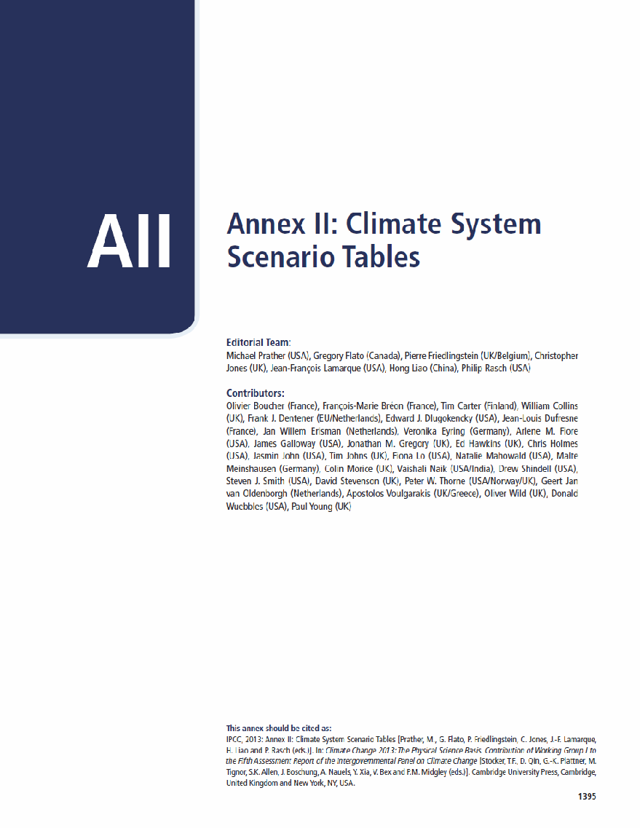 | in | IPCC, 2013: Climate Change 2013: The Physical Science Basis. Contribution of Working Group I to the Fifth Assessment Report of the Intergovernmental Panel on Climate Change [Stocker, T.F., D. Qin, G.-K. Plattner, M. Tignor, S.K. Allen, J. Boschung, A. Nauels, Y. Xia, V. Bex and P.M. Midgley (eds.)]. Cambridge University Press, Cambridge, United Kingdom and New York, NY, USA, 1535 pp., 31 January 2014. | 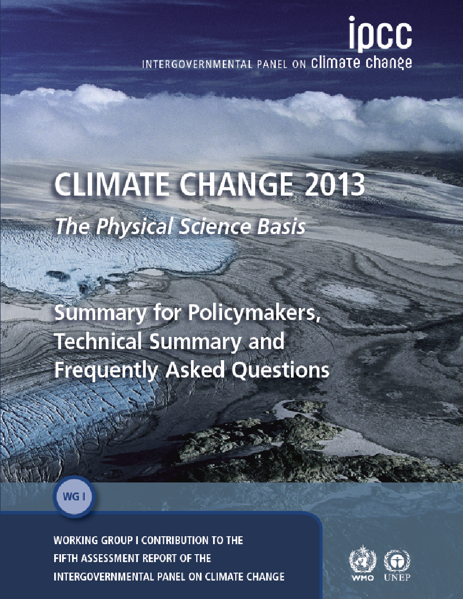

Table of Contents
Introduction ................................................................................ 1397
Chemical Abbreviations and Symbols.................................. 1397
List of Tables................................................................................ 1398
References ................................................................................ 1400
Tables ......................................................................................... 1401
AII.1: Historical Climate System Data.......................................... 1401
AII.2: Anthropogenic Emissions................................................... 1410
AII.3: Natural Emissions.............................................................. 1421
AII.4: Abundances of the Well-Mixed Greenhouse Gases............ 1422
AII.5: Column Abundances, Burdens, and Lifetimes..................... 1428
AII.6: Effective Radiative Forcing................................................. 1433
AII.7: Environmental Data........................................................... 1437

reference as: | IPCC, 2013: Annex II: Climate System Scenario Tables [Prather, M., G. Flato, P. Friedlingstein, C. Jones, J.-F. Lamarque, H. Liao and P. Rasch (eds.)]. In: Climate Change 2013: The Physical Science Basis. Contribution of Working Group I to the Fifth Assessment Report of the Intergovernmental Panel on Climate Change [Stocker, T.F., D. Qin, G.-K. Plattner, M. Tignor, S.K. Allen, J. Boschung, A. Nauels, Y. Xia, V. Bex and P.M. Midgley (eds.)]. Cambridge University Press, Cambridge, United Kingdom and New York, NY, USA, pp. 1395-1445, published 31 January 2014.
dates: | published 31 January 2014; corrected xls-sheets as of 20 August 2014
full report: | http://www.climatechange2013.org/
AII contacts: | Michael Prather UC Irvine (mprather@uci.edu) and IPCC WG1 TSU (wg1@ipcc.unibe.ch, through 2015)

