Images of problem
Index | pics
2
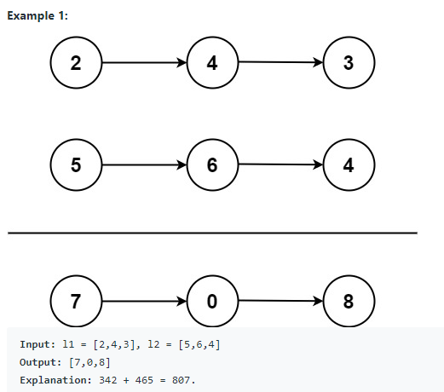

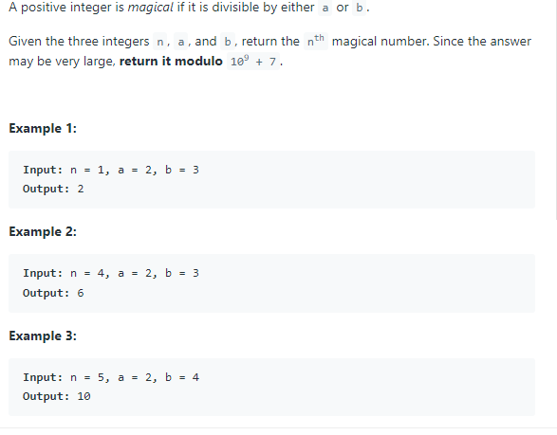
878

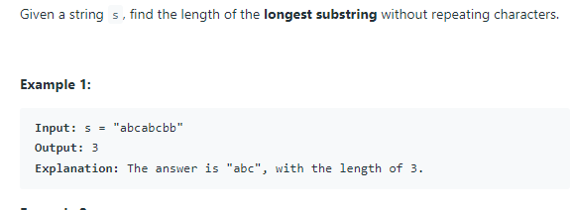
3

5

189

416

541

147

19

310

116

394

746

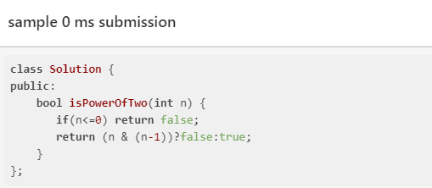
231

21

55

918

152

1567

122

562

652

1048

5

1937

895

