Worksheet
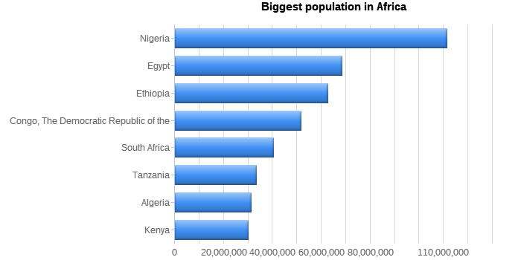
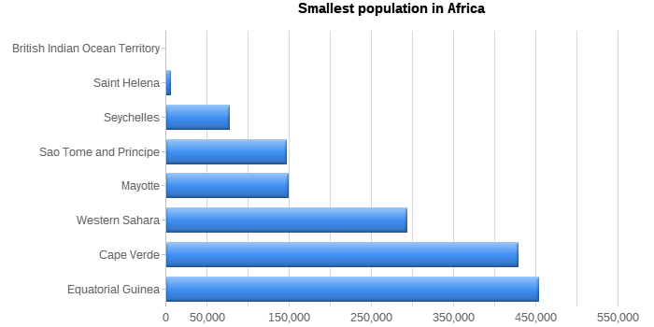
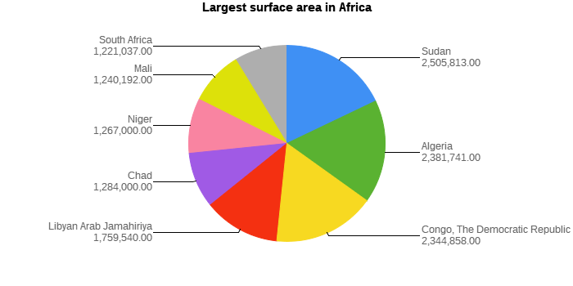
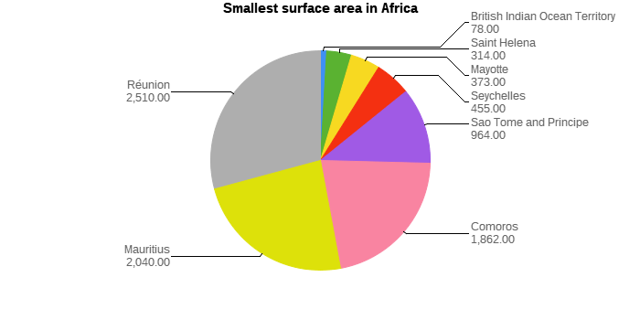
List of countries
Name | Code | Population | Surface Area
Algeria | DZA | 31,471,000
Benin | BEN | 6,097,000 | 112,622
Botswana | BWA | 1,622,000 | 581,730
British Indian Ocean Territory | IOT | 0 | 78
Burkina Faso | BFA | 11,937,000 | 274,000
Burundi2 | BDI | 6,695,000 | 27,834
Cameroon | CMR | 15,085,000 | 475,442
Cape Verde | CPV | 428,000 | 4,033
Central African Republic | CAF | 3,615,000 | 622,984
Chad | TCD | 7,651,000 | 1,284,000
Comoros | COM | 578,000 | 1,862
Congo | COG | 2,943,000 | 342,000
Congo, The Democratic Republic of the | COD | 51,654,000 | 2,344,858
Côte dšIvoire | CIV | 14,786,000 | 322,463
Djibouti | DJI | 638,000 | 23,200
Egypt | EGY | 68,470,000 | 1,001,449
Equatorial Guinea | GNQ | 453,000 | 28,051
Eritrea | ERI | 3,850,000 | 117,600
Ethiopia | ETH | 62,565,000 | 1,104,300
Gabon | GAB | 1,226,000 | 267,668
Gambia | GMB | 1,305,000 | 11,295
Ghana | GHA | 20,212,000 | 238,533
Guinea | GIN | 7,430,000 | 245,857
Guinea-Bissau | GNB | 1,213,000 | 36,125
Kenya | KEN | 30,080,000 | 580,367
Lesotho | LSO | 2,153,000 | 30,355
Liberia | LBR | 3,154,000 | 111,369
Libyan Arab Jamahiriya | LBY | 5,605,000 | 1,759,540
Madagascar | MDG | 15,942,000 | 587,041
Malawi | MWI | 10,925,000 | 118,484
Mali | MLI | 11,234,000 | 1,240,192
Mauritania | MRT | 2,670,000 | 1,025,520
Mauritius | MUS | 1,158,000 | 2,040
Mayotte | MYT | 149,000 | 373
Morocco | MAR | 28,351,000 | 446,550
Mozambique | MOZ | 19,680,000 | 801,590
Namibia | NAM | 1,726,000 | 824,292
Niger | NER | 10,730,000 | 1,267,000
Nigeria | NGA | 111,506,000 | 923,768
Réunion | REU | 699,000 | 2,510
Rwanda | RWA | 7,733,000 | 26,338
Saint Helena | SHN | 6,000 | 314
Sao Tome and Principe | STP | 147,000 | 964
Senegal | SEN | 9,481,000 | 196,722
Seychelles | SYC | 77,000 | 455
Sierra Leone | SLE | 4,854,000 | 71,740
Somalia | SOM | 10,097,000 | 637,657
South Africa | ZAF | 40,377,000 | 1,221,037
Sudan | SDN | 29,490,000 | 2,505,813
Swaziland | SWZ | 1,008,000 | 17,364
Tanzania | TZA | 33,517,000 | 883,749
Togo | TGO | 4,629,000 | 56,785
Tunisia | TUN | 9,586,000 | 163,610
Uganda | UGA | 21,778,000 | 241,038
Western Sahara | ESH | 293,000 | 266,000
Zambia | ZMB | 9,169,000 | 752,618
Zimbabwe | ZWE | 11,669,000 | 390,757
 |  | 771,597,000 | 26,621,936

